All Trees
Tree | cp | levels | Accuracy | True Positive | Precision | True Negative | Lift | AUC | Test | Accuracy | True Positive | Precision | True Negative
A | 0.001 | 6 | 0.93 | 0.13 | 0.36 | 0.98 | 3.09 | 0.73 |  | 0.92 | 0.13 | 0.35 | 0.98
B | 0.003 | 4 | 0.92 | 0.18 | 0.32 | 0.97 | 3.09 | 0.73 |  | 0.92 | 0.18 | 0.31 | 0.97
C | 0.005 | 2 | 0.92 | 0.18 | 0.32 | 0.97 | 2.23 | 0.73 |  | 0.92 | 0.18 | 0.31 | 0.97
D | 0.001 | 4 | 0.93 | 0.08 | 0.32 | 0.99 | 2.84 | 0.74 |  | 0.93 | 0.08 | 0.32 | 0.99
E | 0.003 | 2 | 0.93 | 0.08 | 0.32 | 0.99 | 2.82 | 0.73 |  | 0.93 | 0.08 | 0.32 | 0.99
F | 0.0005 | 5-6 | 0.93 | 0.06 | 0.32 | 0.99 | 3.19 | 0.74 |  | 0.93 | 0.06 | 0.32 | 0.99

 |  |  | What do we care about?
 |  |  | We want to only provide promotions to those who will actually subscribe (low false positive / high true negative)
 |  |  | We want to minimize number of people we MISS with promotions who would subscribe (high true positive/low false negative)
 |  |  | We want to maximize lift, which represents additional subscribers
 |  |  | We want to have an interpretable model
Story for B:
Those who have highest subscriber rates are those who love >48 tracks and have >2 subscriber friends.
OR those who love >48 tracks, don't have many subscriber friends, but listen to >2713 songs. Avg friends a slight boost at the end towards more likely to subscribe, but not a deal breaker.
So: focus on getting people to interact more with the 'love track' functionality, who listen to a lot of songs and get them to use more social media ->more friends, whether subs or not
Story for F
Note: downside to F is that we will miss out on giving the promo to a lot of people compared to B.
Change in the number of loved tracks is the most important driver. Need to drive people to interact more with the love track system. Next most important driver is to get people to add more subscriber friends. Goes back into loving tracks and then finally number of songs listened.
Overall very similar story to B. Due to the weaker true positive rate, and marginal increase in lift over the other model, I suggest we go with model B.
 |  |  | Winner |  | Counts
 | High True Negative |  | D, E F |  | A | 1
 | High True positive |  | B, C |  | B | 3
 | Maximize Lift |  | A, B, F |  | C | 1
 | Interpretability |  | B, C |  | D | 1
 |  |  |  |  | E | 1
 |  |  |  |  | F | 2

.001
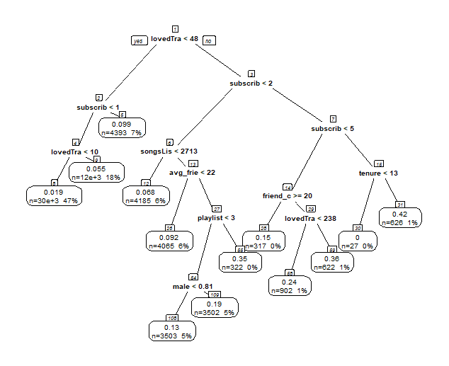
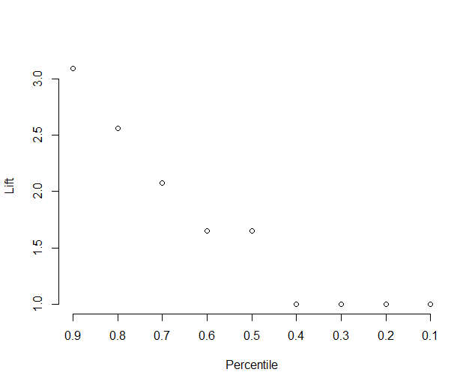
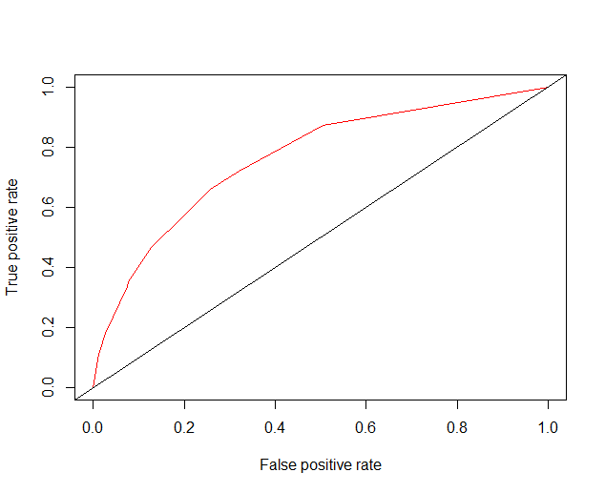
Tree | cp | levels | Accuracy | True Positive | Precision | True Negative | Lift | AUC | Test | Accuracy | True Positive | Precision | True Negative
 | 0.001 | 6 | 0.93 | 0.13 | 0.36 | 0.98 | 3.09 | 0.73 |  | 0.92 | 0.13 | 0.35 | 0.98

.003
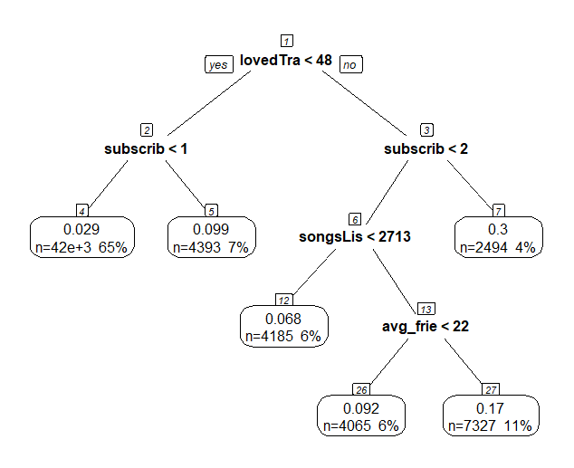
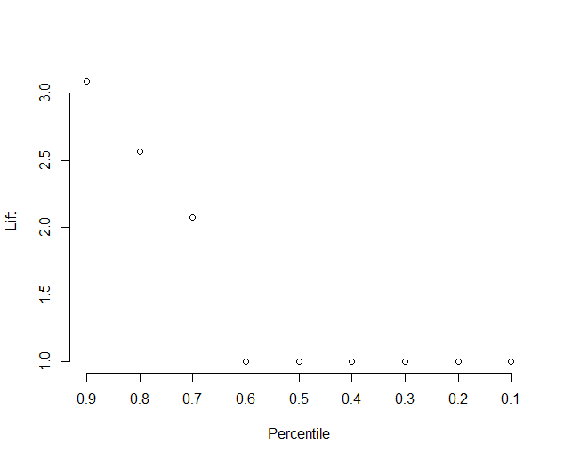
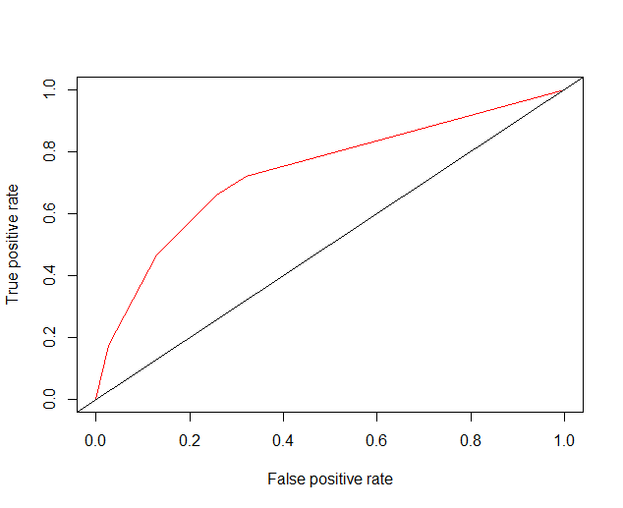
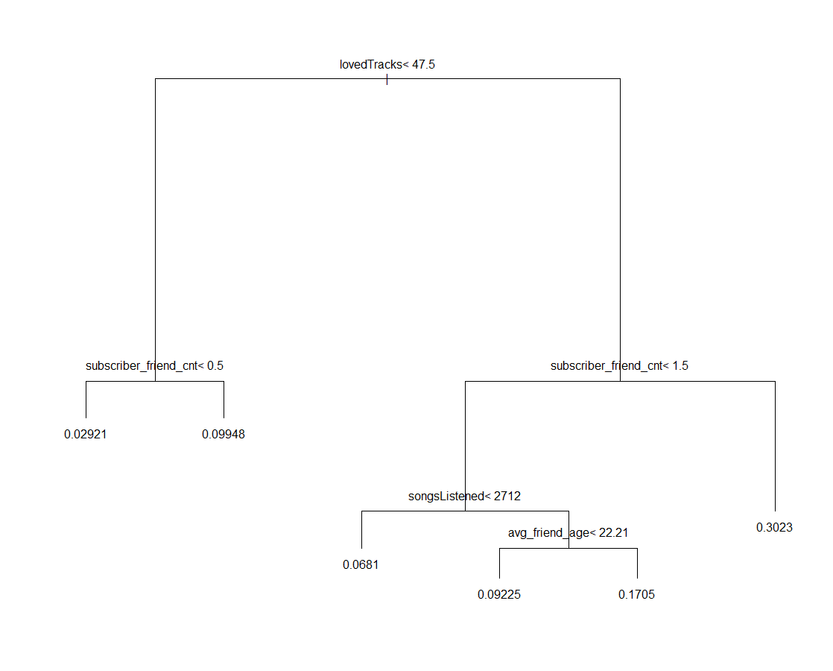
Tree | cp | levels | Accuracy | True Positive | Precision | True Negative | Lift | AUC | Test | Accuracy | True Positive | Precision | True Negative
 | 0.003 | 4 | 0.9193307 | 0.1757885 | 0.31822 | 0.9728773 | 3.088832 | 0.7340906 |  | 0.9163537 | 0.1780822 | 0.3087886 | 0.9706712

.005
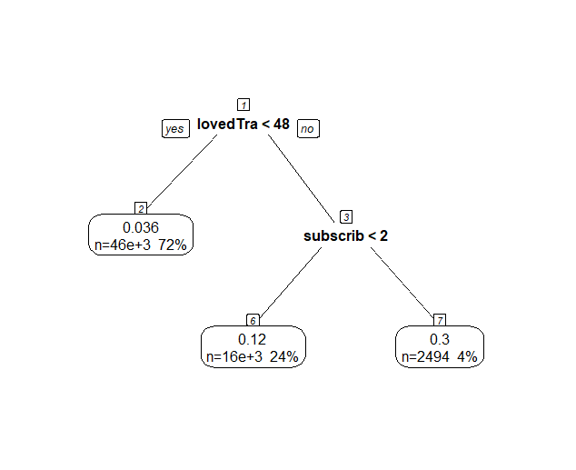
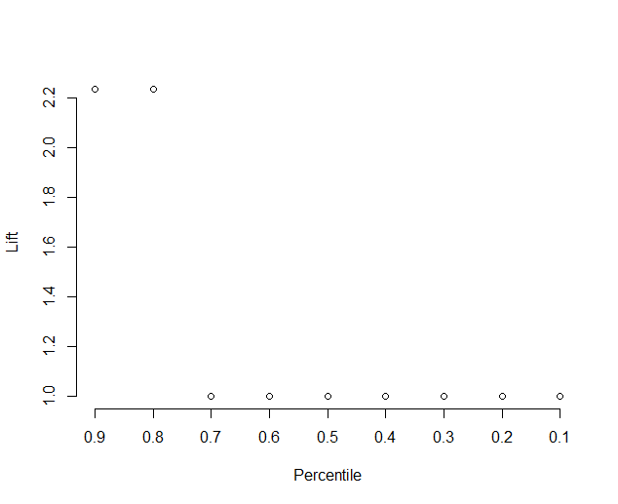
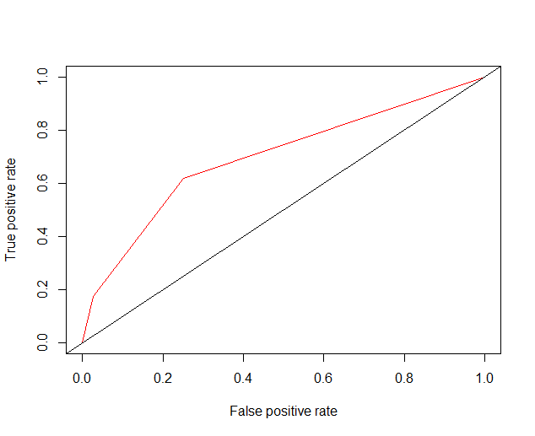
Tree | cp | levels | Accuracy | True Positive | Precision | True Negative | Lift | AUC | Test | Accuracy | True Positive | Precision | True Negative
 | 0.005 | 2 | 0.9193307 | 0.1757885 | 0.31822 | 0.9728773 | 2.234732 | 0.7340906 |  | 0.9163537 | 0.1780822 | 0.3087886 | 0.9706712

.001(timePeriods)
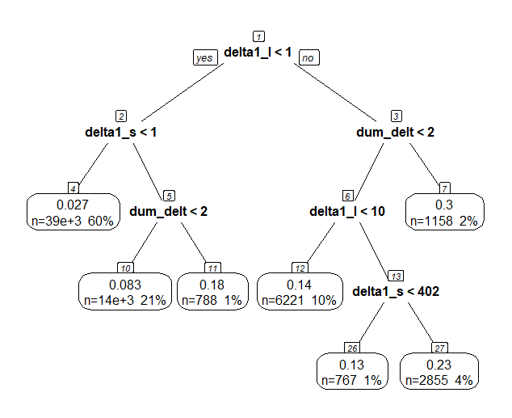
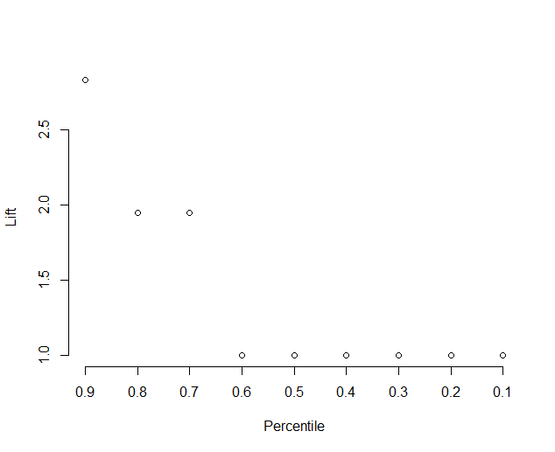

Tree | cp | levels | Accuracy | True Positive | Precision | True Negative | Lift | AUC | Test | Accuracy | True Positive | Precision | True Negative
 | 0.001 | 4 | 0.9262479 | 0.08395176 | 0.3158813 | 0.9869063 | 2.835279 | 0.7384538 |  | 0.9262479 | 0.08395176 | 0.3158813 | 0.9869063

.003(timePeriods)
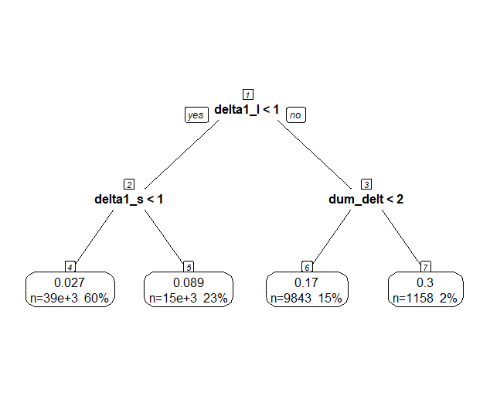
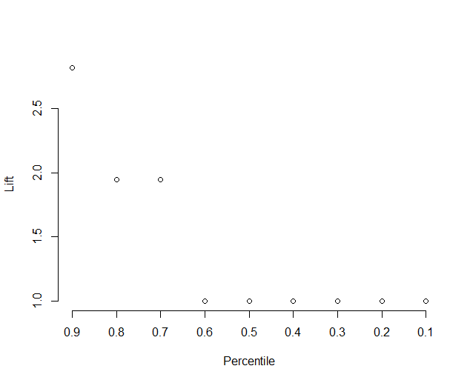

Tree | cp | levels | Accuracy | True Positive | Precision | True Negative | Lift | AUC | Test | Accuracy | True Positive | Precision | True Negative
 | 0.003 | 2 | 0.9262479 | 0.08395176 | 0.3158813 | 0.9869063 | 2.821635 | 0.7347677 |  | 0.9262479 | 0.08395176 | 0.3158813 | 0.9869063

.0005(timePeriods)
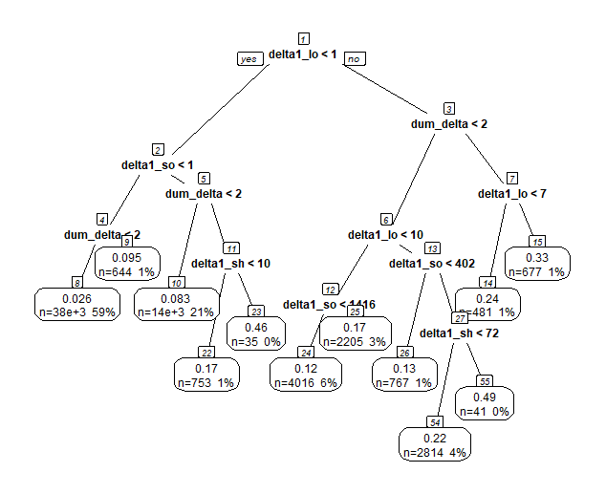
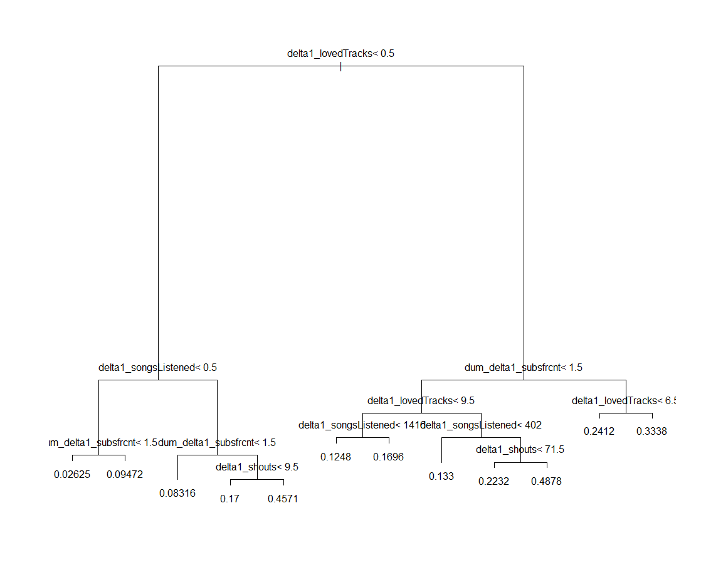
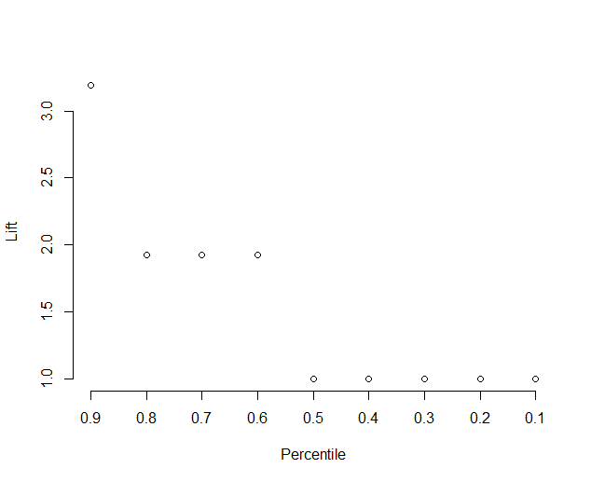

Tree | cp | levels | Accuracy | True Positive | Precision | True Negative | Lift | AUC | Test | Accuracy | True Positive | Precision | True Negative
 | 0.0005 | 5-6 | 0.9286159 | 0.05519481 | 0.3190349 | 0.9915158 | 3.192995 | 0.7402948 |  | 0.9286159 | 0.05519481 | 0.3190349 | 0.9915158

