Sheet1
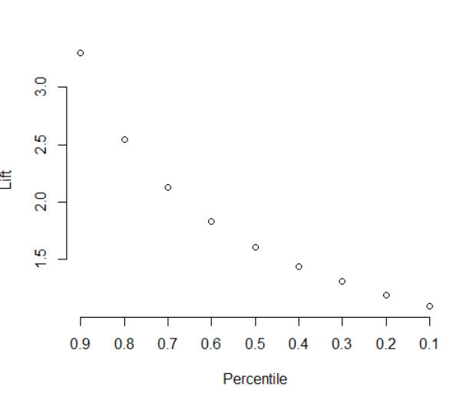
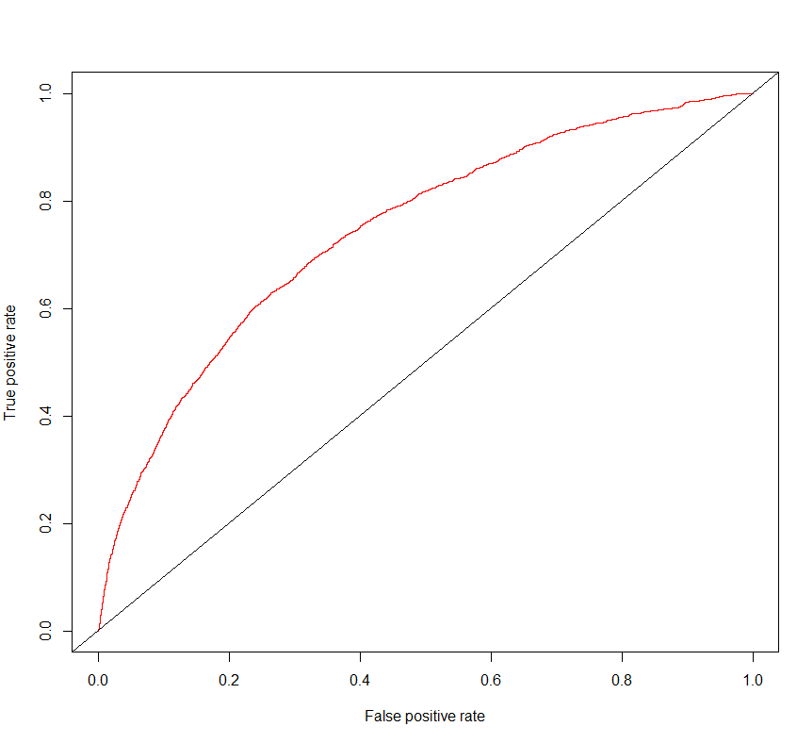
model: original (fulli dataset, 15 steps)
 |  | actual |  | Accuracy | 92.8%
 |  | 0 | 1 | True Positive rate (recall) | 9.2%
predicted | 0 | 29576 | 1958 | False Negative rate | 90.8%
 | 1 | 362 | 198 | True Negative rate (specificity) | 98.8%
 |  |  |  | False Positive rate | 1.2%
 |  |  |  | Precision | 35.4%
 |  |  |  | AOC | 0.7446576

