Regression
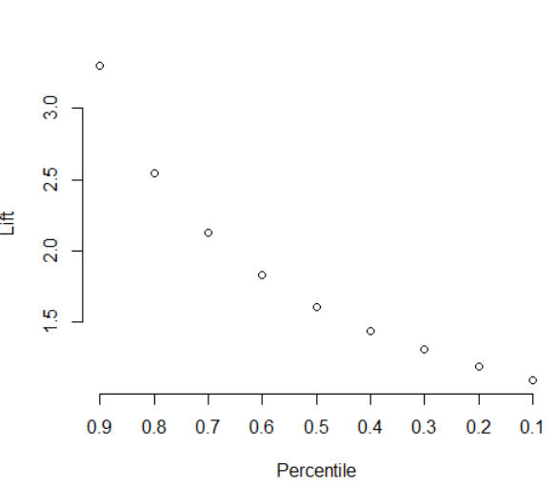
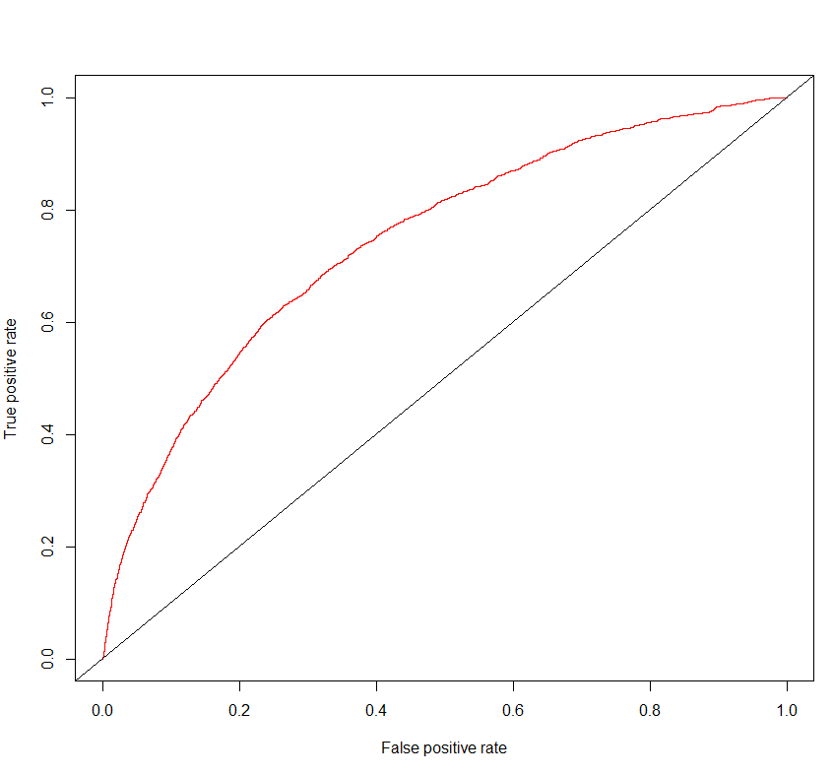
model: original (fulli dataset, 15 steps)
 |  | actual |  | Accuracy | 92.8%
 |  | 0 | 1 | True Positive rate (recall) | 9.2%
predicted | 0 | 29576 | 1958 | False Negative rate | 90.8%
 | 1 | 362 | 198 | True Negative rate (specificity) | 98.8%
 |  |  |  | False Positive rate | 1.2%
 |  |  |  | Precision | 35.4%
 |  |  |  | AOC | 0.7446576

Cp0008
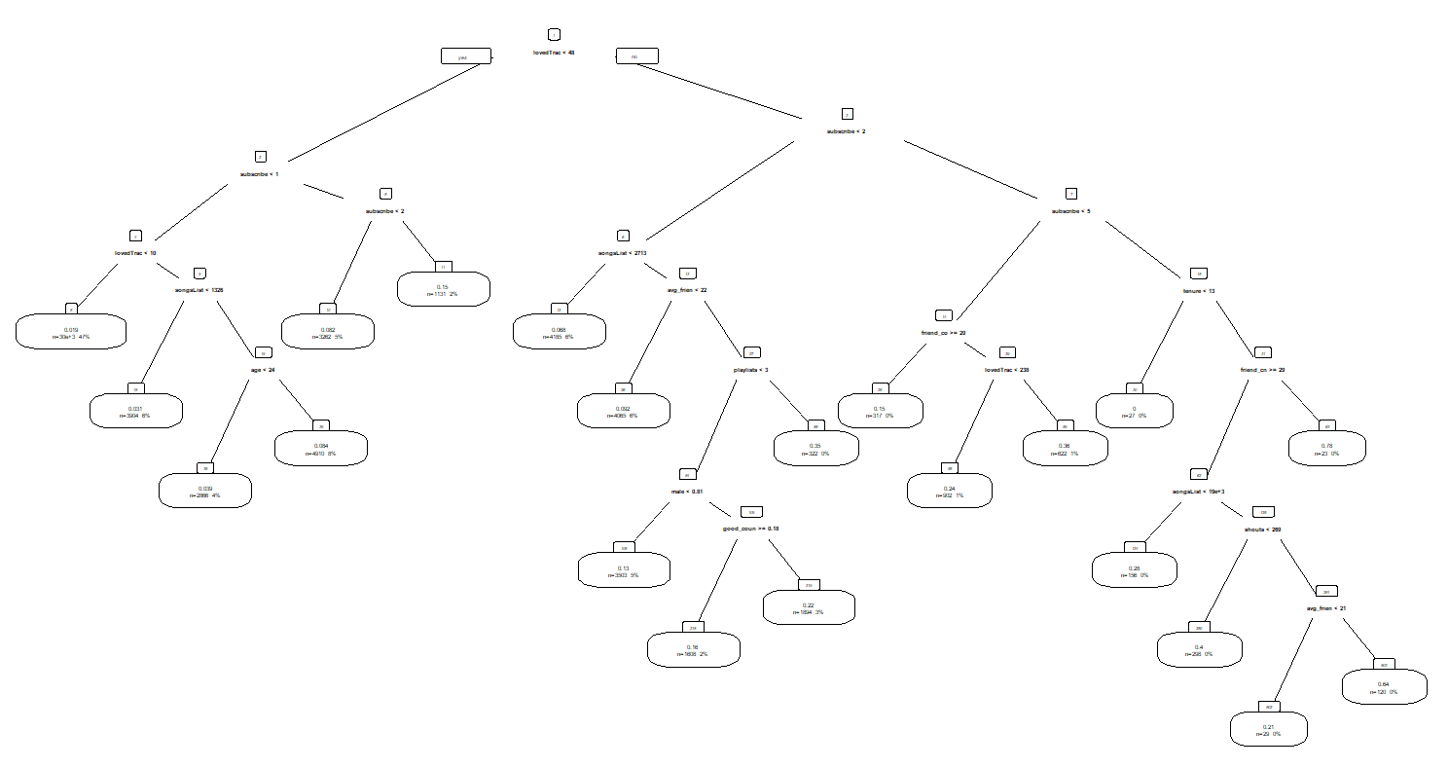
model: original (fulli dataset, 15 steps)
 |  | actual |  | Accuracy | 92.6%
 |  | 0 | 1 | True Positive rate (recall) | 12.7%
predicted | 0 | 29447 | 1883 | False Negative rate | 87.3%
 | 1 | 491 | 273 | True Negative rate (specificity) | 98.4%
 |  |  |  | False Positive rate | 1.6%
 |  |  |  | Precision | 35.7%
 |  |  |  | AOC

Cp001
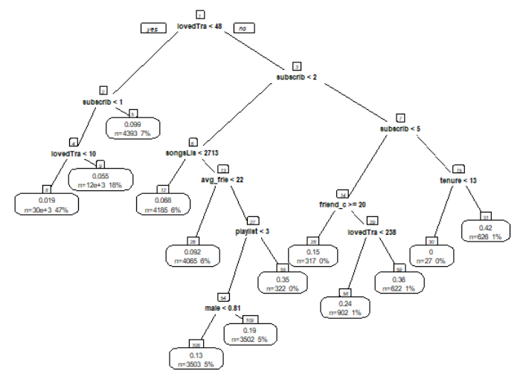
model: original (fulli dataset, 15 steps)
 |  | actual |  | Accuracy | 92.6%
 |  | 0 | 1 | True Positive rate (recall) | 13.0%
predicted | 0 | 29438 | 1876 | False Negative rate | 87.0%
 | 1 | 500 | 280 | True Negative rate (specificity) | 98.3%
 |  |  |  | False Positive rate | 1.7%
 |  |  |  | Precision | 35.9%
 |  |  |  | AOC

Cp0015
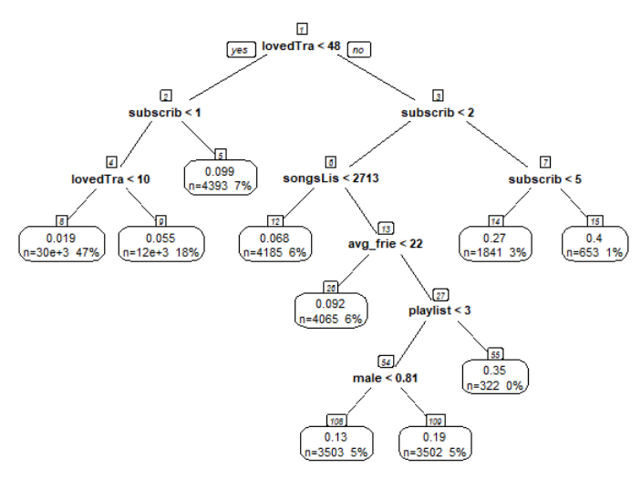
model: original (fulli dataset, 15 steps)
 |  | actual |  | Accuracy | 91.7%
 |  | 0 | 1 | True Positive rate (recall) | 19.6%
predicted | 0 | 29014 | 1733 | False Negative rate | 80.4%
 | 1 | 924 | 423 | True Negative rate (specificity) | 96.9%
 |  |  |  | False Positive rate | 3.1%
 |  |  |  | Precision | 31.4%
 |  |  |  | AOC

Cp002same
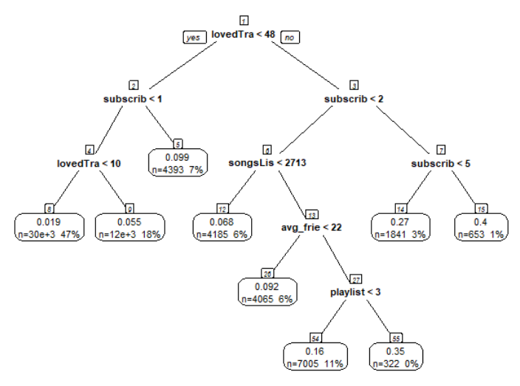
model: original (fulli dataset, 15 steps)
 |  | actual |  | Accuracy | 91.7%
 |  | 0 | 1 | True Positive rate (recall) | 19.6%
predicted | 0 | 29014 | 1733 | False Negative rate | 80.4%
 | 1 | 924 | 423 | True Negative rate (specificity) | 96.9%
 |  |  |  | False Positive rate | 3.1%
 |  |  |  | Precision | 31.4%
 |  |  |  | AOC

Cp003
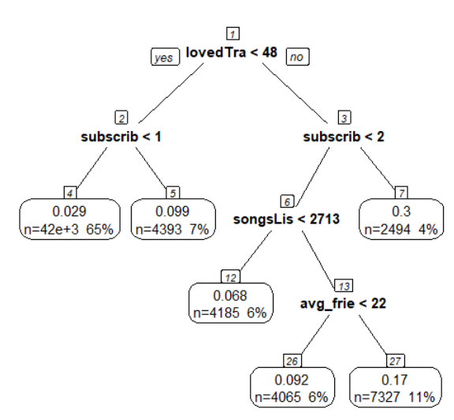
model: original (fulli dataset, 15 steps)
 |  | actual |  | Accuracy | 91.9%
 |  | 0 | 1 | True Positive rate (recall) | 17.6%
predicted | 0 | 29126 | 1777 | False Negative rate | 82.4%
 | 1 | 812 | 379 | True Negative rate (specificity) | 97.3%
 |  |  |  | False Positive rate | 2.7%
 |  |  |  | Precision | 31.8%
 |  |  |  | AOC

