Notes
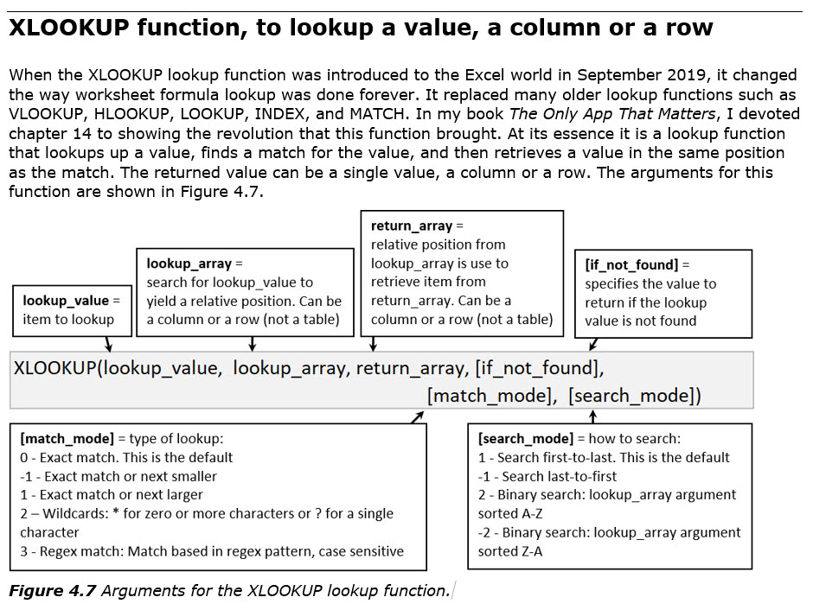
Cursors:
Selection Cursor
Move Cursor
Fill Handle
Cross Hair = Angry Rabbit Cursor
Use Angry Rabbit to increment Text and Numbers, Dates, Numbers, Months and more. Use it to copy numbers and formulas.
Put data or formula in cell:
Enter = Put thing in cell and move selected cell down
Ctrl + Enter = Put thing in cell and keep cell selected
Tab = Put thing in cell and move selected cell to right
Shift + Enter = Put thing in cell and move selected cell up
Enter data into selected range: Enter moves down until last cell and then jumps to top of next column.
Excel's Golden Rule:
If a formula input can change, put it in a cell, label it, and refer to it in the formula with a cell reference. If the input will never change, like 24 hours in a day, then you can hard code it into formula. Examples of formula inputs that can change: SalesRep name like: Luong, Sales amount like: 100, Tax Rates like: 0.0375 or 3.75%, Sales Hurdles like: >500. Examples of formula inputs that will not change: Months in a year: 12, Hours in a day: 24, Days in a week: 7.
Formatting:
Number Formatting is a façade. Number Formatting displays a number in a certain way on the surface of the cell, without changing the underlying number. Formulas do not see Number Formatting. Formulas act on the underlying number.
Style Formatting = Fill Color, Font Color, Borders and more (Not Number Formatting)
Creating formulas:
All formulas start with an = sign as the first character in the cell
Cell References are used in formulas to refer to cells with numbers and other content, like K2 or C7:J7
Relative Cell References = When you copy formula, the cell reference moves relative the cell with the formula
Absolute Cell Reference is created with F4 key. A $ sign is put in front of Column Reference and Row Reference, so cell reference will not move throughout copy action.
Enter cell references into formula with Mouse or Arrow Keys. Use Arrows when cell is close, use Mouse when cell is not close.
Alt + = = SUM Function
F2 = put cell in Edit Mode and place cursor at end of formula
F4 = When cursor touching cell reference in Edit Mode, F4 adds dollar signs to lock the row and column references
Arrow Key = when creating a formula in Edit Mode, Arrow Keys will hunt for cell references
Tab = When function name is highlighted in blue, Tab, enters the function into the formula
Calculation / Formula Types:
Aggregate calculation = From many numbers (range or array) to calculate one answer, like SUM to get a total or AVERAGE to calculate the average (mean: add up and divide by the count)
Single-Input Single-Output formulas (Old School Formulas) = have to lock cell references, manually copy formula, and editing must be done in top cell and then you must re-copy formula through range. Because a single input is placed on either side of an operator, or in a function argument, the formula can only deliver a single answer.
Dynamic Spilled Array Formulas (DSAF):
An array formula is a formula where there is two or more items (in a range or an array) on either side of the operator (like math * or /, or in a function argument) are then causes the formula to deliver more than one answer that spills to the cells below the cell with the formula. A Dynamic Spilled Array Formula is "dynamic" because if the results expand or contact, the spilled range expands or contracts.
Benefits: Usually do not have to lock cell references, do not have to manually copy formula, and editing is only done in top cell
Formula only lives in top cell
Cells below top cell show ghost formulas, but do not actually have a formula in the cell
When making a formula you can refer to any cell in the dynamic spilled range with a cell reference
If you type data in the path of the spilled array, you get a #SPILL! Error
Functions shown in video:
ROUND(number,num_digits) = Round a number.
number = Number that you want to round.
num_digits = Position that you want to round to. 4 = 4th position to the right of the decimal. 2 = to the penny. 0 = to the dollar.
XLOOKUP(lookup_value,lookup_array,return_array,[if_not_found],[match_mode],[search_mode]) = Lookup a value.
lookup_value = item used to find match in lookup_array
lookup_array = yields relative position to be used to retrieve item in return_array
return_array = contains items that you want to lookup or retrieve
* lookup_array and return_array must be the same size.
[if_not_found] = what to put in cell if lookup_value is not found in lookup_array
[match_mode] =
0 - Exact Match = Default. "Quad" matches "Quad". "Quad " does NOT match "Quad". If no match and nothing in 4th argument, #N/A.
-1 - Exact Match or Next Smaller = Use for items like tax rates and commission rates. Values do not have to be sorted.
1 - Exact Match or Next Bigger = Use for items like square footage. Values do not have to be sorted.
2 - Wildcards => * = zero or more characters, ? = single character. "Quad*" finds anything that begins with "Quad". "*?" finds any text.
3 - Regex = coding language to extract text
[search_mode] =
1 - Search First to Last = Default. When there are duplicates, it gets FIRST ONE!
-1 - Search Last To First = When there are Duplicates, it gets LAST ONE!
2 - Binary search for Smallest To Biggest Sort = Column must be sorted. Like old VLOOKUP and MATCH Approximate Match Lookup.
2 - Binary search for Biggest To Smallest Sort = Column must be sorted. Like old MATCH -1 Approximate Match Lookup.
IFERROR(value, value_if_error) = replace error with value.
value = the value that is checked for an error.
value_if_error = The value to return if the formula evaluates to an error. The following error types are evaluated: #N/A, #VALUE!, #REF!, #DIV/0!, #NUM!, #NAME?, or #NULL!.
SUM(number1, [number2], ...) = adds numbers to get a total.
Number1 Required. The first number, cell reference, or range for which you want the average.
Number2, ... Optional. Additional numbers, cell references or ranges for which you want the average, up to a maximum of 255.
AVERAGE(number1, [number2], ...) = Returns the average (arithmetic mean) of the arguments (add numbers then divide by the count)
Number1 Required. The first number, cell reference, or range for which you want the average.
Number2, ... Optional. Additional numbers, cell references or ranges for which you want the average, up to a maximum of 255.
Page Setup:
Page Setup dialog box = Page Layout Ribbon tab, Page Setup group, Dialog Launch arrow in lower right corner (keyboard = Alt, P, S, P)
Tabs: Page, Margins, Header/Footer, Sheet
Useful keyboards:
Ctrl + B = Bold and Ctrl + U = Underline
Ctrl + ; = Todays Date
Ctrl + * (Ctrl + Shift + 8) = select current range (everything until it bumps into all empty cells)
Ctrl + Arrow will jump selected cell down to last cell with data
Ctrl + Shift + Arrow will select range down to last cell with data
Ctrl + 1 = open Format Cells dialog box
Shift Selection Trick: Click cell, hold Shift, Click last cell to highlight everything in between
Ctrl Selection Trick: Click cell, hold Ctrl, Click other cell to highlight cells that are not next to each other (noncontiguous cells)

FinishedProject
 |  |  |  |  |  |  |  |  | Extra Credit
 |  |  |  |  |  |  |  |  | 5

 |  |  |  |  |  |  |  |  | Total
Max Points | 100 | 100 | 100 | 100 | 30 | 30 | 30 | 30 | 520

Name | Test 1 | Test 2 | Test 3 | Test 4 | Quiz 1 | Quiz 2 | Quiz 3 | Quiz 4 | Total | % Grade | % Grade | Decimal Grade | % Grade | Decimal Grade
Sioux | 88 | 87 | 92 | 100 | 25 | 21 | 29 | 29 | 476 | 0.9154 | 0.9154 | 3.7 | 0 | 0
Gigi | 78 | 78 | 87 | 91 | 24 | 22 | 30 | 14 | 429 | 0.825 | 0.825 | 2.8 | 0.61 | 0.7
Chantel | 99 | 92 | 100 | 99 | 25 | 25 | 30 | 28 | 503 | 0.9673 | 0.9673 | 4 | 0.62 | 0.8
Dean | 100 | 91 | 100 | 98 | 26 | 24 | 30 | 27 | 501 | 0.9635 | 0.9635 | 4 | 0.63 | 0.9
Miki | 92 | 98 | 99 | 90 | 21 | 19 | 30 | 29 | 483 | 0.9288 | 0.9288 | 3.8 | 0.64 | 1
Mo | 95 | 87 | 97 | 84 | 25 | 18 | 30 | 30 | 471 | 0.9058 | 0.9058 | 3.6 | 0.65 | 1.1
Average | 92 | 89 | 96 | 94 | 24 | 22 | 30 | 26 | 477 | 0.9176 | 0.9176 | 3.65 | 0.66 | 1.2
 |  |  |  |  |  |  |  |  |  |  |  |  | 0.67 | 1.3
Formula in cell K5: =SUM(C5:J5) |  |  |  |  |  |  |  |  |  |  |  |  | 0.68 | 1.4
Formula in cell K8: =SUM(C8:J8)+$K$2 |  |  |  |  |  |  | OR: | Formula in cell K8: =BYROW(C8:J13,SUM) |  |  |  |  | 0.69 | 1.5
Formula in cell L8: =ROUND(K8/$K$5,4) |  |  |  |  |  |  |  |  |  |  |  |  | 0.7 | 1.6
Formula in cell M8: =ROUND(K8:K13/K5,4) |  |  |  |  |  |  |  |  |  |  |  |  | 0.71 | 1.7
Formula in cell N8: =XLOOKUP(M8#,P8:P42,Q8:Q42,,-1) |  |  |  |  |  |  |  |  |  |  |  |  | 0.72 | 1.8
Formula in cell C14: =AVERAGE(C8:C13) |  |  |  |  |  |  | OR: | Formula in cell C14: =BYCOL(C8:N13,AVERAGE) |  |  |  |  | 0.73 | 1.9
Rows 23 to 38 are hidden so image fits on one page
 |  |  |  |  |  |  |  |  |  |  |  |  | 0.74 | 2
 |  |  |  |  |  |  |  |  |  |  |  |  | 0.91 | 3.7
 |  |  |  |  |  |  |  |  |  |  |  |  | 0.92 | 3.8
 |  |  |  |  |  |  |  |  |  |  |  |  | 0.93 | 3.9
 |  |  |  |  |  |  |  |  |  |  |  |  | 0.94 | 4

Average | 92 | 89 | 96 | 94 | 24 | 22 | 30 | 26 | 477 | 0.9176 | 0.9176 | 3.65

Total
471
424
498
496
478
466

HW(1)
Using the picture below, create the gradebook as shown in the picture below. A solution is also shown on the worksheet "HW(1an)".

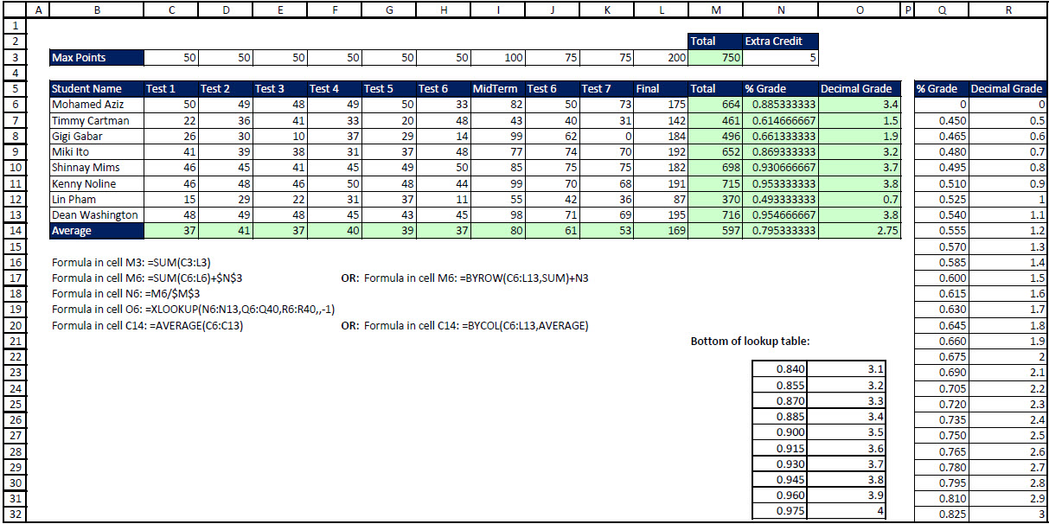

 | Average | #DIV/0! | #DIV/0! | #DIV/0! | #DIV/0! | #DIV/0! | #DIV/0! | #DIV/0! | #DIV/0! | #DIV/0! | #DIV/0!

 | Total
 | 0
 | 0
 | 0
 | 0
 | 0
 | 0
 | 0
 | 0

