Testing
OBR17/18 Setup Sheet - TESTING

Track |  |  |  |  | Procedure
Date: | 8-Jul-19 |  | Test #: | 1 | ○ Install springs ○ Set tyre pressures ○ Disconnect ARB ○ Install steering rack locks ○ Set ride height ○ Set Camber ○ Set Toe ○ Corner balance ○ Measure ride height, camber, toe and record values ○ Reconnect ARB
Description: | Before first test of OBR19
Drivers |  | Rims | Tyres
James |  |  | Dry (Old)
Powertrain
Final Drive |  | Fuel Level |  | Empty
Dampers
 | Bump |  | Rebound
 | Low | High | Low | High
FL
FR
RL
RR
Springs |  |  | Pre-loaded Length |  | Figure 2 - Toe Measurement
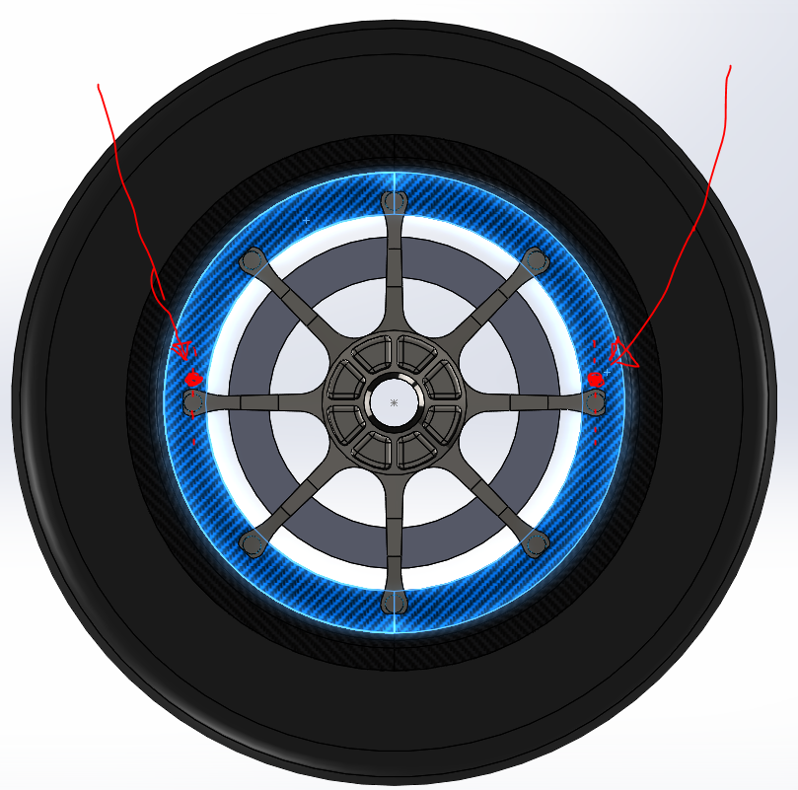
B
A
Front
Rear
Note: Measurement for toe are taken in mm
Example: Toe out of 3 mm
The distance from the setup string to point B is 3mm LONGER than the distance from the setup string to point A
Front | 250 | lbs/in | 0 | mm
Rear | 350 | lbs/in | 0 | mm
ARB
 | Torque Tube |  | Drop Link Position (1 is softest setting)
Front | OFF |  | NA
Rear | OFF |  | NA
Ride Height
FL | 98 | FR | 100 | mm
RL | 35 | RR | 35 | mm
Camber
FL | -3.5 | FR | -3.5 | deg
RL | -2 | RR | -2.5 | deg
Toe
FL | 2 | FR | 2 | mm
RL | -1 | RR | -1 | mm
Tire Pressure (Cold)
FL | 12 | FR | 12 | psi
RL | 12 | RR | 12 | psi
Weight Distribution
% Front WD |  | %
FL | 61.5 | FR | 60.0 | kg
RL | 65.0 | RR | 65.0
Aero Setup
Endplate Height (mm) |  |  | - |  | Additional Notes
Flaps (F/R): | Closed |  | Closed
Setup Notes
FRH taken at front tyre centre line on bottom of chassis. RRH taken on footplace of diffuser at tyre centre line

