Run Plan
 |  |  |  |  | Event | Bruntingthorpe | Test Event Timetable
 |  |  |  |  | Date | 15/07/2019
 |  |  |  |  | Chassis | OBR19 'Lily'

 |  |  |  | ACC = Accel |  | SD = Shakedown |  | Drivers
 |  |  |  | SP = SkidPad |  | EWU = Engine Warm-Up |  | Scott Ley |  | Tolga Guryel
 |  |  |  | AX = Autocross |  | OT = Other |  | Dan Widdup
 |  |  |  | EDR = Endurance |  |  |  | James Ganderton

Start Time | Duration | No. | Instructions / Runplan |  |  |  | Driver | Laps | Setup Changes / Race Eng Notes
11:00:00 | 0:30:00 | - | Arrive / Unpack / Setup |  |  |  | - | - | -
11:30:00 | 0:30:00 | - | Safety Brief |  |  |  | - | - | All Team Members Must Attend
12:00:00 | 0:30:00 | - | EWU |  |  |  |  | - | Fuel / Air In/ Check Tire Pressures
12:30:00 | 0:10:00 | 1 | Install Laps |  |  |  | TG | 3 | Slow and Steady
12:40:00 | 0:05:00 | - | Vehicle check / Powertrain Checks / Download data |  |  |  | - | - | -
12:45:00 | 0:10:00 | 2 | Acceleration runs |  |  |  | TG | 5 | Until engine issue is fixed
12:55:00 | 0:05:00 | - | Vehicle Check / download data |  |  |  | - | -
13:00:00 | 0:15:00 | 3 | Acceleration runs |  |  |  | DW | 5
13:15:00 | 0:30:00 | - | Vehicle Check / download data |  |  |  | - | - | Fuel / air in
13:45:00 | 0:05:00 | 3 | Acceleration runs |  |  |  | SL | 5
13:50:00 | 0:10:00 | - | Vehicle check / Download data |  |  |  | - | -
14:00:00 | 0:15:00 | 3 | Acceleration runs |  |  |  | JG | 5
14:15:00 | 0:20:00 | - | Vehicle check / Download data |  |  |  | - | - | Fuel / air in
14:35:00 | 0:15:00 | 4 | Skidpad |  |  |  | TG | 4
14:50:00 | 0:05:00 | - | Vehicle checks/ Aero on
14:55:00 | 0:10:00 | 5 | Skidpad |  |  |  | DW | 4
15:05:00 | 0:45:00 | - | Full Vehicle Check / Download data / Driver Out |  |  |  | - | - | Fuel / air in / Scott debrief
15:50:00 | 0:15:00 | 6 | Skidpad |  |  |  | SL | 4
16:05:00 | 0:05:00 | - | Vehicle check / Download data |  |  |  | - | - | Driver feedback
16:10:00 | 0:15:00 | 7 | Skidpad |  |  |  | JG | 4
16:25:00 | 0:20:00 | - | Vehicle check / Download data / Driver out |  |  |  | - | - | Fuel / air in / driver feedback
16:45:00 | 0:20:00 | 8A | Track or GFR |  |  |  | All changing | 10
17:05:00 | 0:05:00 | - | Driver change/Car quick check |  |  |  | - | -
17:10:00 | 0:20:00 | 8B | Track or GFR |  |  |  | All changing | 10
17:30:00 | 0:30:00 | - | Debrief |  |  |  | - | - | How did it go?
18:00:00 | 0:20:00 | - | Packup and Leave |  |  |  | - | -

Circuit Details
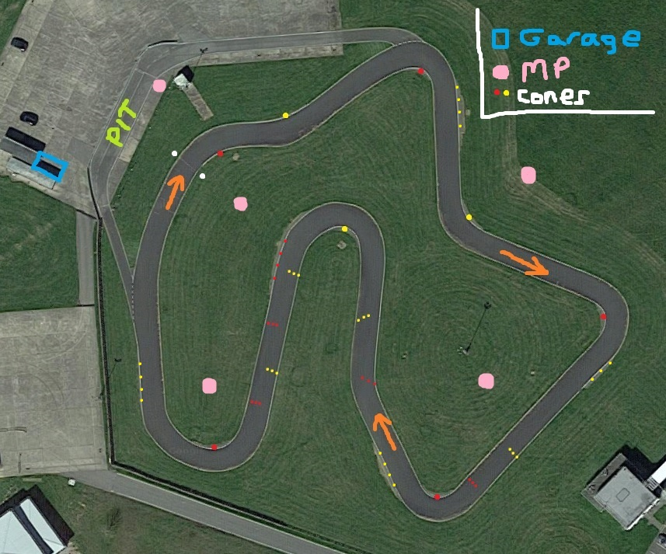

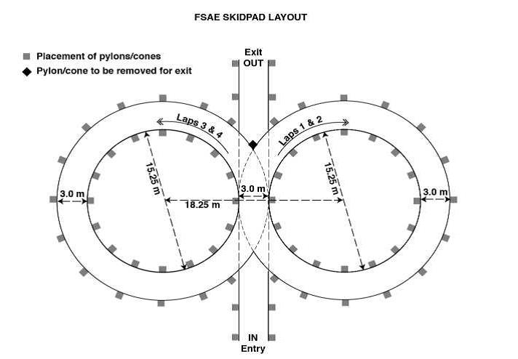

Hospital Details
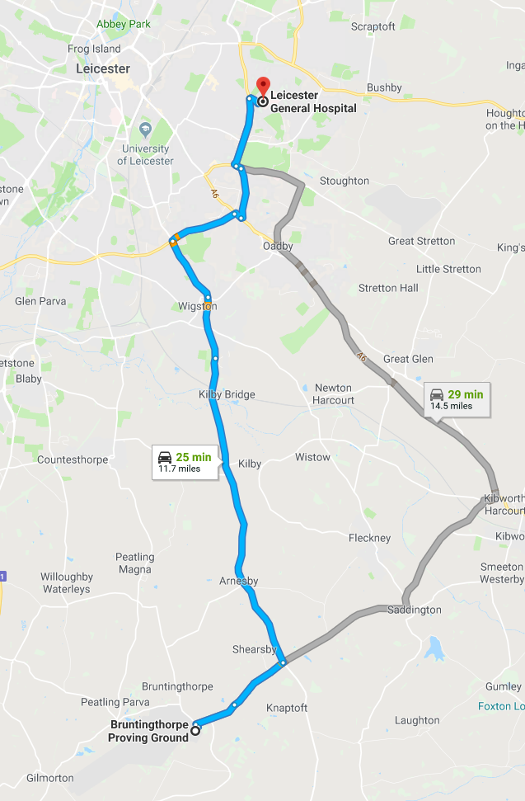

Nearest Hospital Address - LE5 4PW

