Fleet
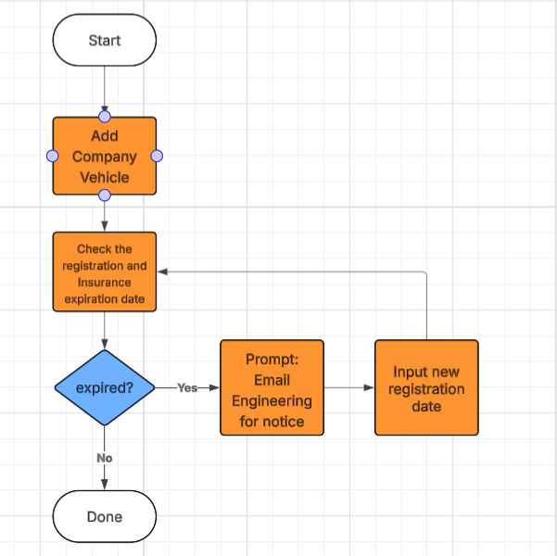
Fleet |  |  | Vehicle details
 |  |  | Insurance Broker
 |  |  | Insurance Company
 |  |  | Policy No. |  |  | Vehicle
Vehicle |  |  | Policy Date
 | Company vehicle |  | Expiration Date | Prompting | 1 week before the date
 |  | 4wheel
 |  | Motorcycle | Plate No.
 |  |  | OR
 |  |  | CR
 |  |  | Engine No.
 |  |  | Chasiss No.
 |  |  | Accessories
Accessories |  |  | Odometer (Last and Current Reading)
 | List of Accessories | Manual Set-up

Monitoring
 | Odometer | Manual Input
 | Fuel Budget | Manual Set-up
 | Fuel pass | Create a Form to request a Fuel

PMS
 | Oil Type | based of the Service Ticket
 | Replacement Parts |  |  |  |  |  | Fuel Pass

Service Ticket
 | Manual Input

