Home
Latin America and Caribbean Index for Risk Management (LAC-INFORM 2020)
(16 December 2019 v 0.0.7)

(table of contents)
CONCEPT AND METHODOLOGY
The INFORM initiative began in 2012 as a convergence of interests of UN agencies, donors, NGOs and research institutions to establish a common evidence-base for global humanitarian risk analysis. INFORM identifies the countries at a high risk of humanitarian crisis that are more likely to require international assistance. The INFORM model is based on risk concepts published in scientific literature and envisages three dimensions of risk: Hazards & Exposure, Vulnerability and Lack of Coping Capacity. The INFORM model is split into different levels to provide a quick overview of the underlying factors leading to humanitarian risk. The INFORM index supports a proactive crisis management framework. It will be helpful for an objective allocation of resources for disaster management as well as for coordinated actions focused on anticipating, mitigating, and preparing for humanitarian emergencies.

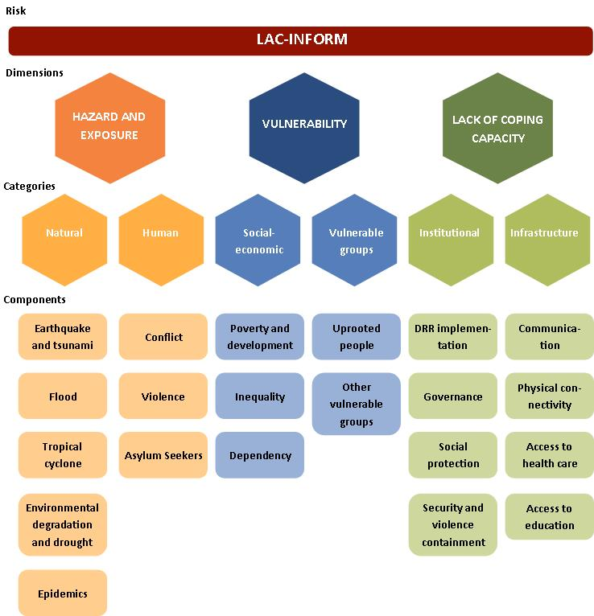
Disclaimer The depiction and use of geographic names and related data included in lists, tables on this spreadsheet are not warranted to be error free nor do they necessarily imply official endorsement or acceptance by the United Nations.
For further information:
http://www.inform-index.org/Subnational/LAC

This release
LAC-INFORM Regional Model 2020 - 8 November 2019, v007:
- New component: Epidemic
- New indicators: People at risk of Plasmodium vivax malaria - Unstable transmission, People at risk of Plasmodium vivax malaria - Stable transmission, People at risk of Plasmodium falciparum malaria - Unstable transmission, People at risk of Plasmodium falciparum malaria - Stable transmission, People exposed to Zika, People exposed to Aedes, People exposed to Dengue , Urban population growth, Urban population, People practicing open defecation (% of population), People practicing open defecation (number), People with basic handwashing facilities on premises, IHR capacity score: Food safety, Children under 5, Coverage of MCV2 vaccine, Coverage of PCV3 vaccine, Number of new HIV infections per 1, 000 uninfected population, Number of people requiring interventions against neglected tropical diseases, Lack of confidence in police, Lack of confidence in judiciary.
- Revised indicators: ‘Refugees by country of asylum’ replaced by ‘Refugees and asylum-seekers by country of asylum’, ‘Improved sanitation facilities (% of population with access)’ replaced by ‘People using at least basic sanitation services’, ‘Improved water source (% of population with access) replaced by 'People using at least basic drinking water services’, ‘GDP per capita PPP int USD (Estimated)’ has been replaced by ‘GDP per capita (current US$)’. - New data source: Physical exposure to earthquake MMI VI, Physical exposure to earthquake MMI VIII, Adolescent birth rate, Total Population. - Changed name: Volume of remittances, Population vulnerable to multidimensional poverty.
- Update: Agricultural water withdrawal, Intentional Homicide Rate, Intentional Homicide Count, Asylum seekers by country of origin, Population in multidimensional poverty, Population vulnerable to multidimensional poverty, Poverty headcount ratio at national poverty lines, Age dependency ratio , Vulnerable employment, U5 Stunting, Low birthweight, Dengue incidence, IADB Risk Management Index, Social Insurance Programs coverage, Violence containment costs, Survival rate to the last grade of primary education, Survival rate to the last grade of lower secondary general education, Educational attainment: at least completed lower secondary, Education expenditure, Pupil-teacher ratio in primary education.
- Update with the latest version of INFORM GRI (12 September 2019 v 0.3.9): Total affected by Drought, Frequency of Drought events, GCRI Violent Conflict probability, GCRI Highly Violent Conflict probability, National Power Conflict Intensity (Highly Violent), Subnational Conflict Intensity (Highly Violent), Volume of remittances, Mortality rate, under-5, Physicians Density, Tuberculosis incidence, Current health expenditure per capita, Gender Inequality Index, Income Gini coefficient, Urban slum population, People affected by Natural Disasters, People affected by Natural Disasters, People affected by Natural Disasters, Internally displaced persons (IDPs), Returned Refugees, Average Dietary Energy Supply Adequacy, Prevalence of Undernourishment, Government Effectiveness, Corruption Perception Index, Access to electricity, Internet users, Mobile cellular subscriptions, Total Population (GHS-POP).
- Removed indicators: Domestic Food Price Level Index, Domestic Food Price Volatility Index, Lack of security, Lack of protection against crime, One-year-olds fully immunized against measles.

LAC-INFORM Regional Model 2019 - 30 November 2018, v006:
- New indicator: “Current health expenditure per capita, PPP (current international $)” replaced "Health expenditure per capita, PPP (constant 2011 international $)", which is no longer available. - Revised: Population in multidimensional poverty and population in near multidimensional poverty; measurement of multidimensional deprivations has been revised to align with the Sustainable Development Goals (SDGs). School water coverage measurement has changed and is based on the percentage of schools with basic and/or limited service. School sanitation coverage measurement is changed and is based on the percentage of schools with basic and/or limited service.
- New data source: One-year-olds fully immunized against DTP3, Out-of-pocket health expenditure, Public health expenditure, are provided by the WHO Global Health Platform. Metadata have been adjusted accordingly.
- Update: Agricultural water withdrawal; Asylum seekers by country of origin; Human Development Index; Population in multidimensional poverty; Population in multidimensional poverty and population in near multidimensional poverty; Poverty headcount ratio at national poverty lines; Age dependency ratio; Personal remittances; Vulnerable employment; U5 Stunting; Dengue incidence; Urban slum population; Adolescent fertility rate; Mortality in adolescents due to self-harm and interpersonal violence; People affected by Natural Disasters; IADB Risk Management Index; Social Insurance Programs' coverage; Violence containment costs; Survival rate to the last grade of primary education; Survival rate to the last grade of lower secondary general education; Educational attainment: at least completed lower secondary; Education expenditure; Pupil-teacher ratio in primary education.
- Update with the latest version of the INFORM Global Model (31 August 2018 v 0.3.5): Physical exposure to earthquake MMI VI; Physical exposure to earthquake MMI VIII; Annual Expected Exposed People to Floods; Annual Expected Exposed People to Tsunamis; Annual Expected Exposed People to Cyclone's Wind SS1; Annual Expected Exposed People to Cyclone's Wind SS3; Annual Expected Exposed People to Cyclone Surge; GCRI Violent Conflict probability; GCRI Highly Violent Conflict probability; National Power Conflict Intensity (Highly Violent); Subnational Conflict Intensity (Highly Violent); Mortality rate, under-5; Physicians Density; Tuberculosis incidence; HIV-AIDS prevalence, 15-49 years old; Income Gini coefficient; Internally displaced persons (IDPs); Refugees by country of asylum; Returned Refugees; Average Dietary Energy Supply Adequacy; Prevalence of Undernourishment; Government Effectiveness; Corruption Perception Index; Access to electricity; Mobile cellular subscriptions; GDP per capita PPP int USD (Estimated); Total Population; Total Population (GHS-POP).

LAC-INFORM Regional Model 2018 - 30 September 2017, v005:
The following indicators have been updated: Intentional Homicide Rate, Intentional Homicide Count, Asylum seekers by country of origin, Population in multidimensional poverty, Population in near multidimensional poverty, Poverty headcount ratio at national poverty lines, Age dependency ratio , Personal remittances, Vulnerable employment, U5 Stunting, One-year-olds fully immunized against DTP3, People affected by Natural Disasters 2016, People affected by Natural Disasters, Dengue incidence, Adolescent fertility rate, Mortality in adolescents due to self-harm and interpersonal violence, Violence containment costs, Survival rate to the last grade of primary education, Survival rate to the last grade of lower secondary general education, Educational attainment: at least completed lower secondary, Education expenditure, Pupil-teacher ratio in primary education.
The indicator on prevalence of anaemia among pregnant women has been replaced with the indicator on prevalence of anaemia in women of reproductive age. Two components of the other vulnerable groups category of the vulnerability dimension have been slightly revised: The indicator on anaemia in women of reproductive age has been moved from the group of food insecure to the group of children under five. The vulnerability of the children U5 group focuses on nutrition and health conditions. A new indicator on prevalence of anaemia in children under five has been included in this component, as well as a new sub-component on maternal/adolescent nutrition conditions, which is measured by low birth weight and anaemia in women of reproductive age.
The definition and measurement of the violence containment cost indicator reported by the Global Peace Index has changed. The revised indicator takes into account the direct and indirect economic costs of violence, while the previous version of the indicator considered direct violence containment costs only.
Indicators updated with the latest version of the INFORM Global Model (31 August 2017 v 0.3.3): Total affected by Drought, Frequency of Drought events, GCRI Violent Conflict probability, GCRI Highly Violent Conflict probability, National Power Conflict Intensity (Highly Violent), Subnational Conflict Intensity (Highly Violent), Human Development Index, Physicians Density, One-year-olds fully immunized against measles, Tuberculosis incidence, HIV-AIDS incidence, Adult (>15) rate, Gender Inequality Index, Income Gini coefficient, People affected by Natural Disasters 2015, Internally displaced persons (IDPs), Refugees by country of asylum, Returned Refugees, Government Effectiveness, Corruption Perception Index, Access to electricity, Internet users, Mobile cellular subscriptions, GDP per capita PPP int USD (Estimated), Total Population

