Home
Index for Risk Management (INFORM) - Niger
(release: June 2018 v 2.1.0)

(table of contents)
CONCEPT AND METHODOLOGY
The INFORM Niger model brings together a wide range of risk data. Niger faces complex risks from desertification, displacement and security issues. Interagency and governmental partners will use the model to plan for humanitarian, development and governance programing. Given the fluid nature of the context, partners agreed to update the model every 6 months to inform strategic decision making.

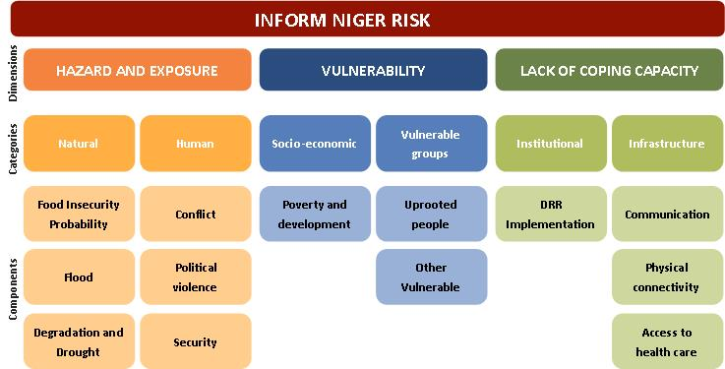
Disclaimer The depiction and use of geographic names and related data included in lists, tables on this spreadsheet are not warranted to be error free nor do they necessarily imply official endorsement or acceptance by the United Nations.
For further information:

Previous Releases:

