電影分級
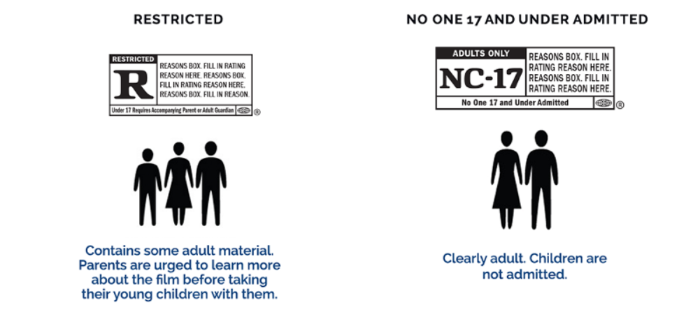
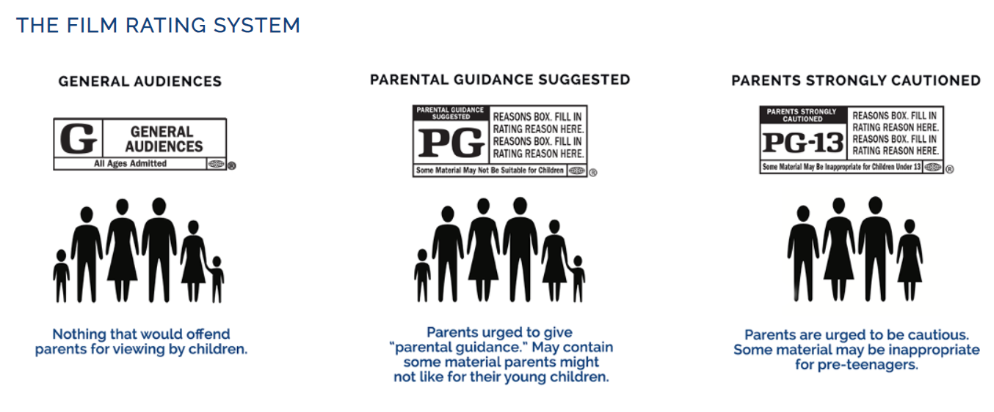
列標籤 | 計數 - 電影名稱 | 列標籤 | 計數 - 電影名稱
G | 29 | 8.0 | 5
PG | 60 | 8.1 | 73
PG-13 | 41 | 8.2 | 50
R | 92 | 8.3 | 40
未評級 | 28 | 8.4 | 27
總計 | 250 | 8.5 | 21
 |  | 8.6 | 13
 |  | 8.7 | 5
 |  | 8.8 | 8
 |  | 8.9 | 1
 |  | 9.0 | 5
 |  | 9.2 | 1
 |  | 9.3 | 1
 |  | 總計 | 250

分級&評分
 | 8.0 | 8.1 | 8.2 | 8.3 | 8.4 | 8.5 | 8.6 | 8.7 | 8.8 | 8.9 | 9.0 | 9.2
G |  | 11 | 5 | 2 | 1 | 4 | 2 |  | 3 |  | 1
PG | 2 | 13 | 14 | 13 | 8 | 5 | 3 | 1 | 1
PG-13 | 2 | 12 | 9 | 6 | 4 | 2 | 1 | 2 | 1 |  | 2
R | 1 | 27 | 17 | 13 | 10 | 9 | 5 | 2 | 3 | 1 | 2 | 1
未評級 |  | 10 | 5 | 6 | 4 | 1 | 2
計數 - 投票評分 | 欄標籤
列標籤 | 8.0 | 8.1 | 8.2 | 8.3 | 8.4 | 8.5 | 8.6 | 8.7 | 8.8 | 8.9 | 9.0 | 9.2 | 9.3 | 總計
G |  | 11 | 5 | 2 | 1 | 4 | 2 |  | 3 |  | 1 |  |  | 29
PG | 2 | 13 | 14 | 13 | 8 | 5 | 3 | 1 | 1 |  |  |  |  | 60
PG-13 | 2 | 12 | 9 | 6 | 4 | 2 | 1 | 2 | 1 |  | 2 |  |  | 41
R | 1 | 27 | 17 | 13 | 10 | 9 | 5 | 2 | 3 | 1 | 2 | 1 | 1 | 92
未評級 |  | 10 | 5 | 6 | 4 | 1 | 2 |  |  |  |  |  |  | 28
總計 | 5 | 73 | 50 | 40 | 27 | 21 | 13 | 5 | 8 | 1 | 5 | 1 | 1 | 250
 | 8.0 | 8.1 | 8.2 | 8.3 | 8.4 | 8.5 | 8.6 | 8.7 | 8.8 | 8.9 | 9.0 | 9.2
G |  | 11 | 5 | 2 | 1 | 4 | 2 |  | 3 |  | 1
PG | 2 | 13 | 14 | 13 | 8 | 5 | 3 | 1 | 1
PG-13 | 2 | 12 | 9 | 6 | 4 | 2 | 1 | 2 | 1 |  | 2
R | 1 | 27 | 17 | 13 | 10 | 9 | 5 | 2 | 3 | 1 | 2 | 1
未評級 |  | 10 | 5 | 6 | 4 | 1 | 2

