工作表1


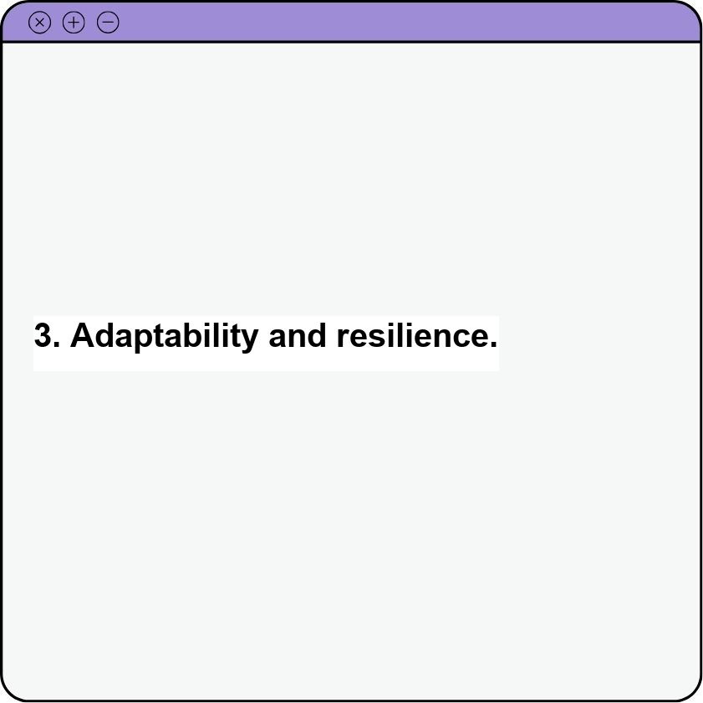
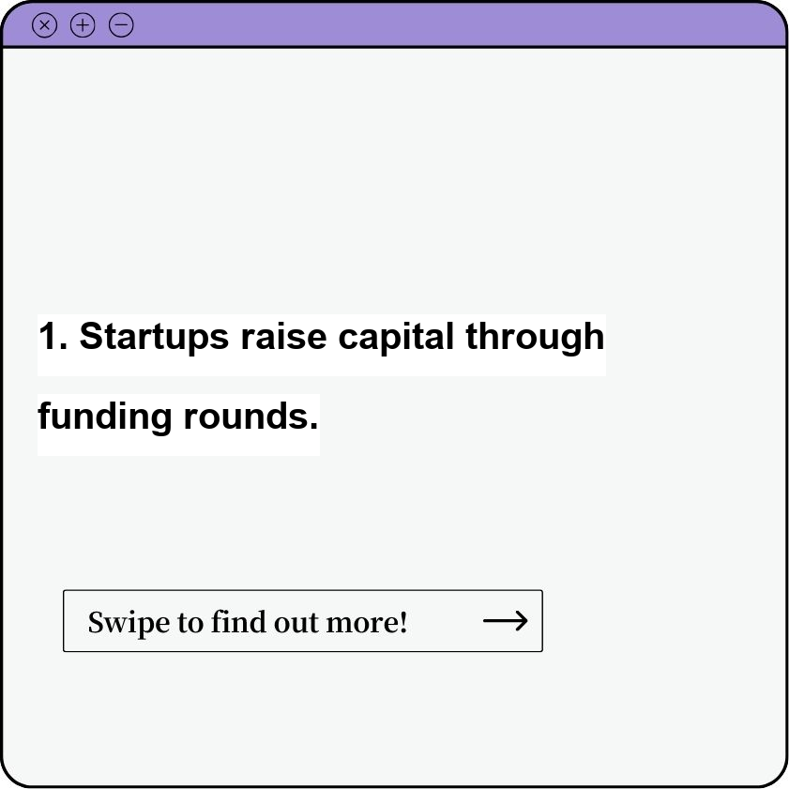
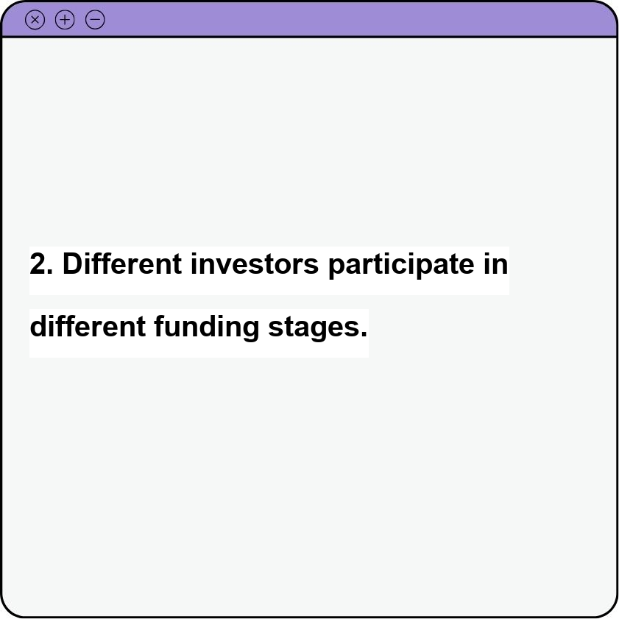
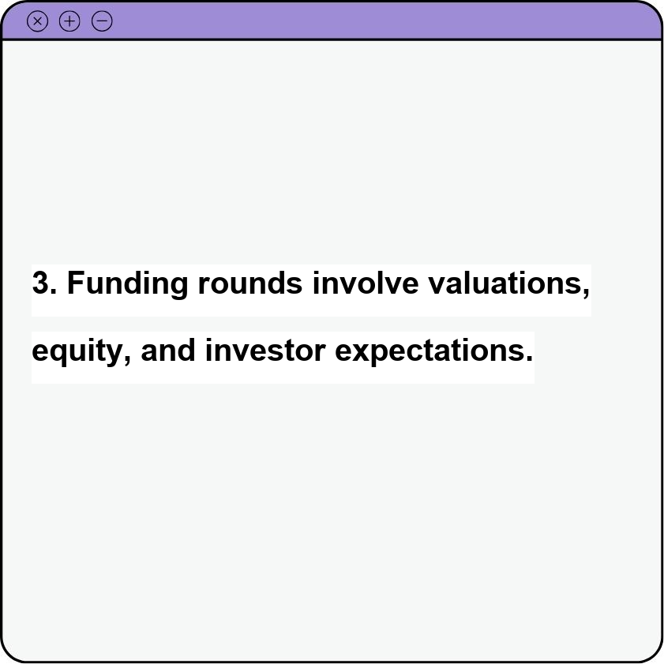
Titles | Captions | Caption1 | Caption2 | Caption3 | Post Graphic
How to launch a startup? | Navigating the thrilling, yet challenging, world of launching a startup involves a potent blend of innovative ideas, meticulous planning, and unwavering determination. It's about identifying a problem worth solving, crafting a solution that resonates with your target audience, and assembling a team that shares your vision. You'll need to validate your idea, build a minimum viable product, and secure funding to fuel your growth. Marketing and sales become your megaphone, spreading the word and attracting customers. Throughout the journey, adaptability and resilience are key, allowing you to learn from setbacks, pivot when needed, and ultimately, watch your vision transform from concept to reality. | Problem-solving innovation. | Targeted solution development. | Adaptability and resilience.
Startup Funding Rounds | Startup funding rounds are the stages through which startups raise capital to fuel their growth. Each round signifies a new stage of development and attracts different types of investors, from angel investors and venture capitalists in the early stages (Seed, Series A, Series B) to private equity firms and public markets in the later stages (Series C, D, and beyond). Each round comes with its own complexities, valuations, equity stakes, and investor expectations, playing a crucial role in propelling a startup from its initial concept to a fully-fledged company. | Startups raise capital through funding rounds. | Different investors participate in different funding stages. | Funding rounds involve valuations, equity, and investor expectations.

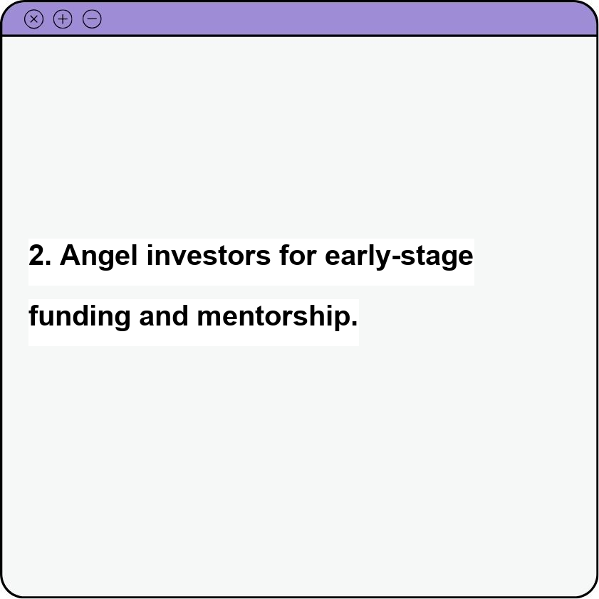
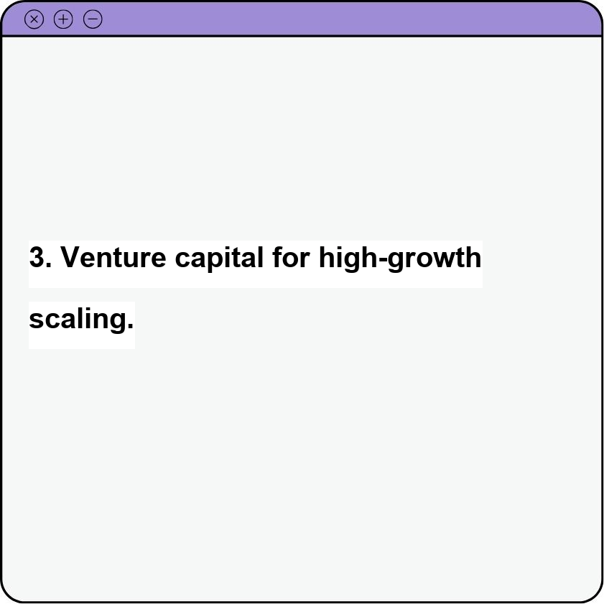
Startup Funding Options | Navigating the world of startup funding can feel like traversing a complex maze. Fortunately, a variety of options exist to fuel your entrepreneurial dreams, each catering to different stages and needs. Early-stage ventures might find solace in bootstrapping, relying on personal savings and revenue to fuel initial growth. Friends and family, often the first believers in your vision, can provide crucial early-stage capital. Angel investors, drawn to promising ideas and passionate founders, inject both funding and invaluable mentorship. Venture capitalists, seeking high-growth potential, enter the scene as your company scales, offering substantial investment in exchange for equity. Crowdfunding platforms empower your community to become stakeholders, providing capital while building a loyal customer base. Government grants and incubators offer structured support and funding opportunities for innovative ventures. Traditional bank loans, while requiring a proven track record, remain a viable option for established startups. Choosing the right funding avenue hinges on your specific circumstances, risk tolerance, and long-term vision. | Bootstrapping with personal savings and revenue. | Angel investors for early-stage funding and mentorship. | Venture capital for high-growth scaling.

