工作表1
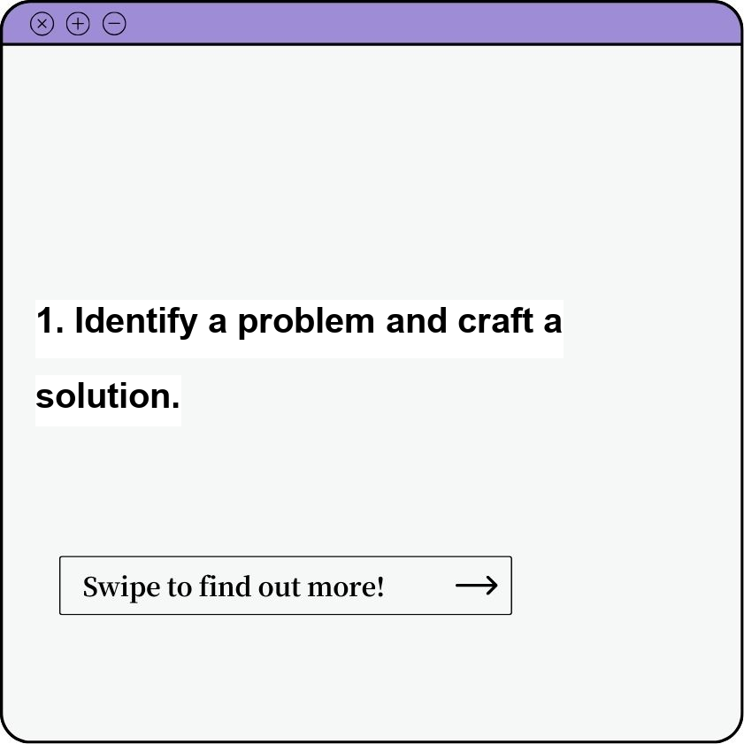


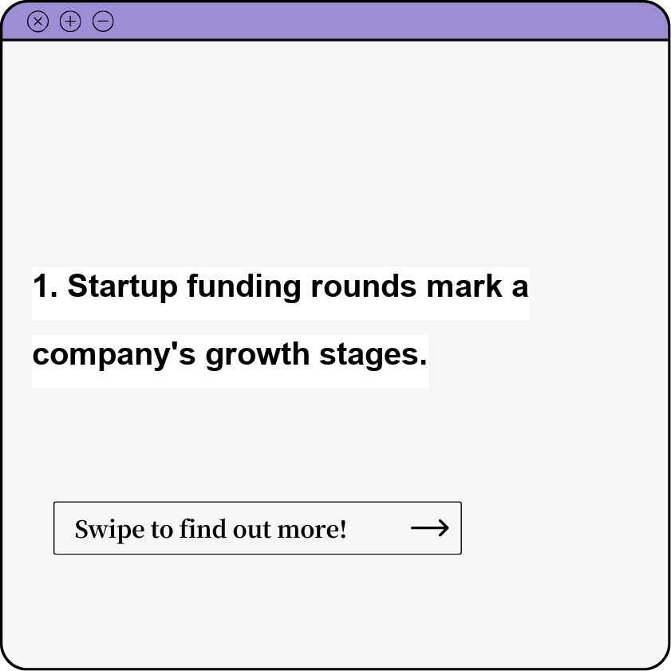
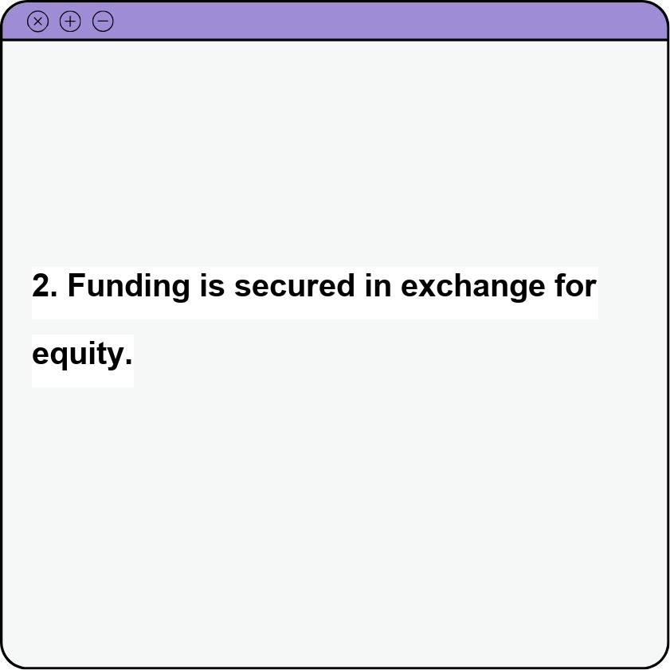
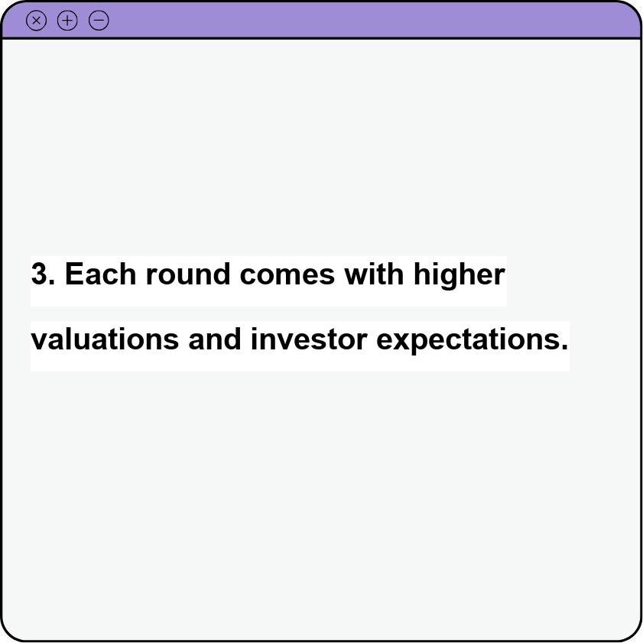
Titles | Captions | Caption1 | Caption2 | Caption3 | Post Graphic1 | Post Graphic2 | Post Graphic3
How to launch a startup? | Navigating the exciting world of launching a startup involves a thrilling blend of vision, strategy, and execution. It begins with identifying a problem worth solving and crafting a unique solution - your product or service. Market research is crucial to understand your target audience and competitors. Building a strong team with complementary skills and shared passion is essential for success. A clear business plan outlining your vision, market analysis, financial projections, and marketing strategy will guide your path. Secure funding through bootstrapping, angel investors, or venture capitalists. Develop a minimum viable product (MVP) to test your concept and gather valuable feedback. Launch strategically, utilizing effective marketing and PR to gain traction. Remember, adaptability and continuous learning are key in the ever-evolving startup landscape. | 1. Identify a problem and craft a solution. | 2. Build a strong team. | 3. Secure funding.
Startup Funding Rounds | Startup funding rounds represent the different stages of investment a company secures as it grows, marking its evolution from an early concept to a mature business. Each round involves raising capital from investors in exchange for equity, fueling the startup's development and expansion. Key funding rounds include: Pre-seed: This initial stage often involves funding from founders, friends, and family to develop the core idea and build a basic product. Seed: This round brings in angel investors and early-stage venture capitalists to support product development, market research, and initial hiring. Series A: With a proven product and market traction, Series A funding from venture capital firms allows for significant scaling of operations, marketing, and team growth. Series B, C, etc.: These subsequent rounds focus on further expansion, entering new markets, acquisitions, and potentially preparing for an IPO. Each round comes with higher valuations and increasing investor expectations regarding revenue, market share, and future profitability. Understanding the nuances of each funding round is crucial for both entrepreneurs seeking capital and investors looking for promising opportunities. | 1. Startup funding rounds mark a company's growth stages. | 2. Funding is secured in exchange for equity. | 3. Each round comes with higher valuations and investor expectations.
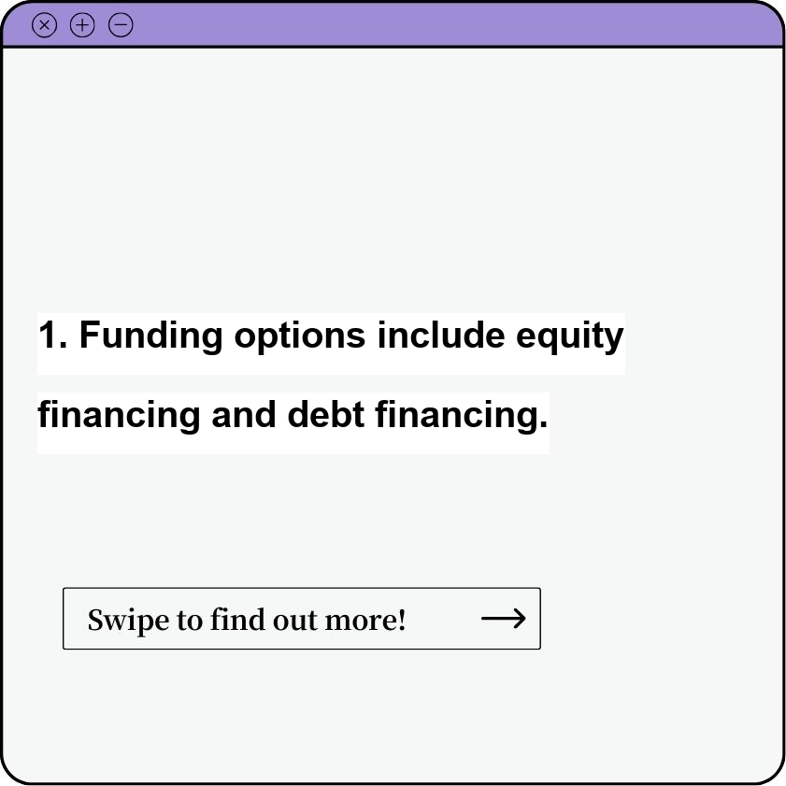
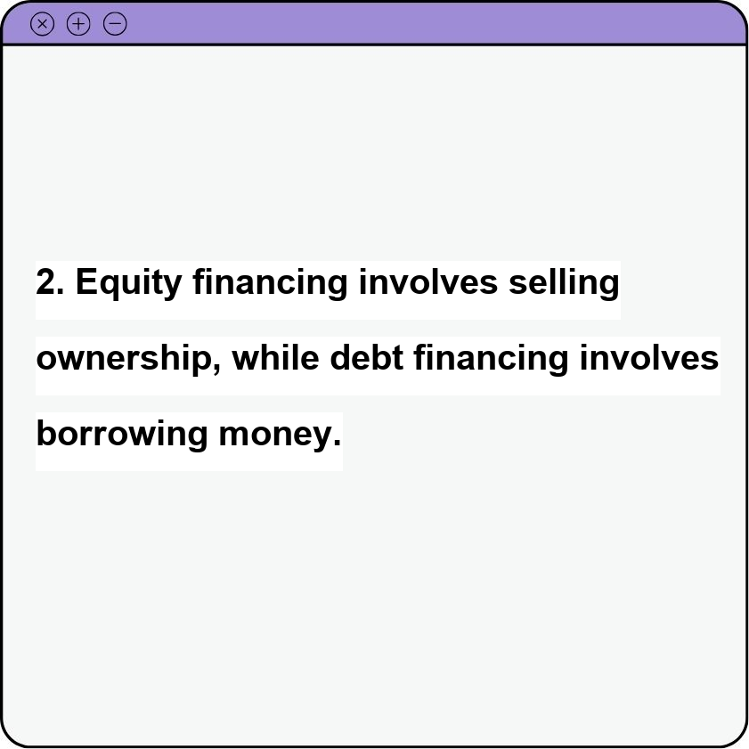
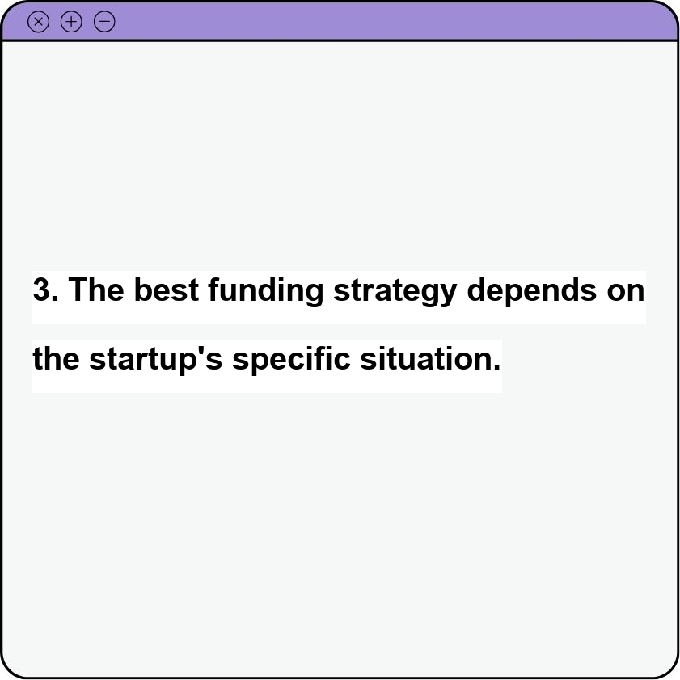
Startup Funding Options | Navigating the world of startup funding can feel like traversing a complex maze, but understanding your options is the first step to securing the capital your venture needs. Broadly, funding sources fall into two categories: equity financing, where you exchange ownership for capital, and debt financing, where you borrow money to be repaid with interest. Equity financing encompasses avenues like: Bootstrapping: Using personal savings and revenue to fuel initial growth. Angel investors: Individuals who invest their own money in promising startups, often providing mentorship alongside funding. Venture capital: Firms that invest in high-growth startups with the potential for significant returns. Crowdfunding: Raising capital from a large number of individuals, typically through online platforms. Debt financing provides alternatives such as: Bank loans: Traditional loans from financial institutions, often requiring collateral and a strong credit history. Small business loans: Government-backed loans designed to support small businesses. Lines of credit: Flexible borrowing options that allow you to draw funds as needed. The optimal funding strategy depends on your specific needs, growth stage, and risk tolerance. Early-stage startups often rely on bootstrapping, angel investors, or crowdfunding. As businesses mature and demonstrate traction, venture capital or traditional loans may become more viable options. Carefully evaluate each avenue, weighing the terms, control, and long-term implications before making a decision. | 1. Funding options include equity financing and debt financing. | 2. Equity financing involves selling ownership, while debt financing involves borrowing money. | 3. The best funding strategy depends on the startup's specific situation.

