工作表1
Titles | Captions | Main Points1 | Main Points2 | Main Points3 | Post Pic1 | Post Pic2 | Post Pic3
Startup Funding Rounds | Ever dreamt of launching your own startup? It's an exciting journey filled with challenges and rewards. 🚀 But where do you even begin? 🤔 Don't worry, we've got you covered! 💪 Here are three essential steps to get your startup off the ground: 1. Validate your idea: 💡 Is there a real need for your product or service? Conduct thorough market research and talk to potential customers to ensure you're solving a genuine problem. 2. Build a solid plan: 📝 A well-structured business plan is your roadmap to success. Outline your target market, revenue streams, marketing strategy, and financial projections. 3. Network and seek support: 🤝 Surround yourself with mentors, advisors, and fellow entrepreneurs. Join startup communities and leverage resources like incubators and accelerators for guidance and funding opportunities. Launching a startup takes courage, resilience, and a whole lot of hustle. But with the right approach, you can turn your vision into reality. What are you waiting for? Let's get started! | 1. Validate your idea | 2. Build a solid plan | 3. Network and seek support |  |  | 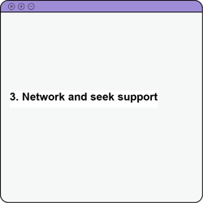
How to launch a startup? | Navigating the world of startup funding can feel like a maze! 🤯 From seed rounds to Series A, B, and beyond - what does it all mean? 🤔 Understanding funding rounds is crucial for any entrepreneur seeking investment. Here's a quick breakdown to help you decode the startup funding journey: 1. Seed Round: 🌱 The initial stage where you're planting the seeds for growth. Funding is typically used for product development, market research, and building a minimum viable product (MVP). 2. Series A Funding: 🌳 Your startup is showing promise and gaining traction. Series A funding helps fuel further growth, expand your team, and scale your operations. 3. Series B, C, and Beyond: 🌲 You're a growing tree with deep roots! These rounds focus on aggressive expansion, entering new markets, and potential acquisitions. Remember, each funding round comes with its own set of milestones and investor expectations. Do your research, build a compelling pitch, and get ready to wow those investors! | 1. Seed Round: Early-stage funding for product development and market validation. | 2. Series A Funding: Funding for growth, team expansion, and scaling operations. | 3. Series B, C, and Beyond: Funding for aggressive expansion, new markets, and potential acquisitions. | 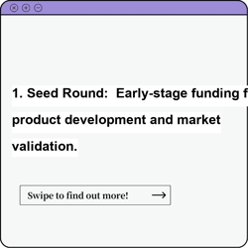 | 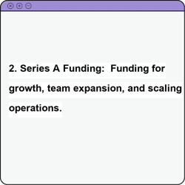 | 
Startup Funding Options | Ready to fuel your startup dream but not sure where to find the cash? 💰 Good news - there are tons of funding options available! 🎉 Finding the right fit for your startup depends on your stage, goals, and risk tolerance. Here are three popular avenues to explore: 1. Bootstrapping: 💪 Fund your startup yourself using personal savings, revenue, or credit cards. It offers maximum control but requires careful budgeting and resource management. 2. Venture Capital: 🚀 VC firms invest in high-growth startups with the potential for massive returns. Be prepared for a rigorous due diligence process and equity dilution. 3. Angel Investors: 😇 Individuals who provide capital and mentorship in exchange for equity. They often focus on early-stage startups and offer valuable industry connections. Don't limit yourself! Explore government grants, crowdfunding platforms, and even pitch competitions for additional funding opportunities. The key is to research, network, and find the perfect match for your startup journey! | 1. Bootstrapping: Self-funding using personal savings, revenue, or credit. | 2. Venture Capital: Investment from firms seeking high-growth potential. | 3. Angel Investors: Individual investors providing capital and mentorship. | 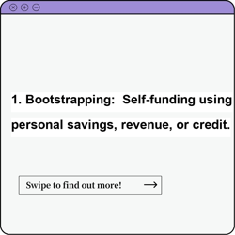 |  | 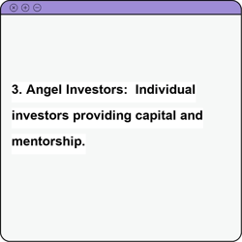 xe

