PCA-RSM_Skybury
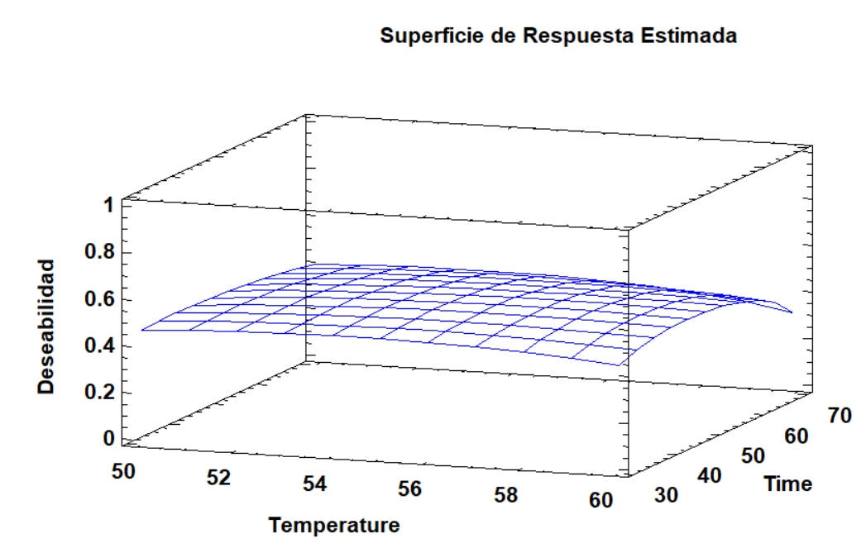
Peak areas | alpha-pinene | hexanal | alpha-terpinene | heptanal | cis-beta-ocimene | trans-beta-ocimene | P-Cymene | Terpinolene | octanal | 6-Methyl-5-hepten-2-one | methyl octanoate | nonanal | Cis-Linalool oxide | Trans-Linalool oxide (furanoid) | decanal | Benzaldehyde | (E)-2-Nonenal | Linalool | beta-Cyclocitral | Naphthalene | Geraniol | Geranylacetone | gamma-octalactone | beta-Ionone | benzyl isothiocyanate
50temp_30time | 25383 | 4585 | 0 | 518644 | 0 | 7370 | 50549 | 0 | 27111 | 1188705 | 2108 | 119458 | 188522 | 40555 | 4050 | 68327 | 2219 | 61745 | 11190 | 4882 | 1767 | 57983 | 1207 | 10269 | 2260
50temp_50time | 19346 | 7112 | 0 | 570977 | 0 | 10467 | 13959 | 1531 | 26027 | 1424319 | 15324 | 102671 | 312944 | 66672 | 1362 | 57473 | 2342 | 76560 | 15468 | 1507 | 2027 | 86557 | 1426 | 15827 | 2479
50temp_70time | 5564 | 5774 | 1200 | 346748 | 1268 | 11184 | 516860 | 0 | 40268 | 2307488 | 2860 | 342871 | 737833 | 194719 | 20642 | 1733882 | 2870 | 42012 | 28703 | 97853 | 9826 | 280120 | 16391 | 55364 | 153770
60temp_30time | 20872 | 7607 | 0 | 540937 | 2039 | 20893 | 98328 | 0 | 24849 | 3451643 | 0 | 147355 | 2170704 | 574804 | 4000 | 72179 | 1111 | 45377 | 41229 | 1050 | 2178 | 302560 | 1825 | 51017 | 2218
60temp_50time | 39127 | 6725 | 3988 | 527209 | 4269 | 14268 | 101522 | 2728 | 17301 | 4596850 | 0 | 189044 | 3746676 | 1041781 | 4884 | 112747 | 1229 | 40628 | 53028 | 1077 | 2012 | 352764 | 2250 | 68634 | 6465
60temp_70time | 11846 | 7290 | 2095 | 415848 | 4536 | 8209 | 71950 | 2923 | 8016 | 5390699 | 16783 | 177528 | 4915604 | 1404205 | 5416 | 133484 | 0 | 36681 | 68423 | 1192 | 1712 | 474287 | 3110 | 93029 | 2986

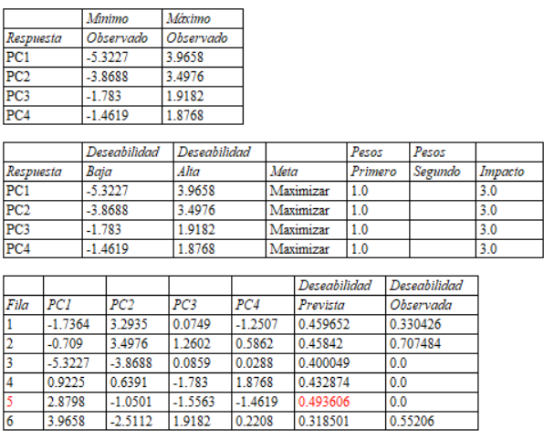
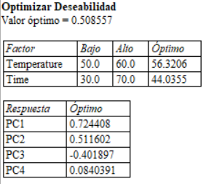
Principal Components | PC1 | PC2 | PC3 | PC4 |  |  | RSM for PC1-PC4
50temp_30time | -1.7364 | 3.2935 | 0.0749 | -1.2507
50temp_50time | -0.7090 | 3.4976 | 1.2602 | 0.5862
50temp_70time | -5.3227 | -3.8688 | 0.0859 | 0.0288
60temp_30time | 0.9225 | 0.6391 | -1.7830 | 1.8768
60temp_50time | 2.8798 | -1.0501 | -1.5563 | -1.4619
60temp_70time | 3.9658 | -2.5112 | 1.9182 | 0.2208

PCA-RSM_RB1
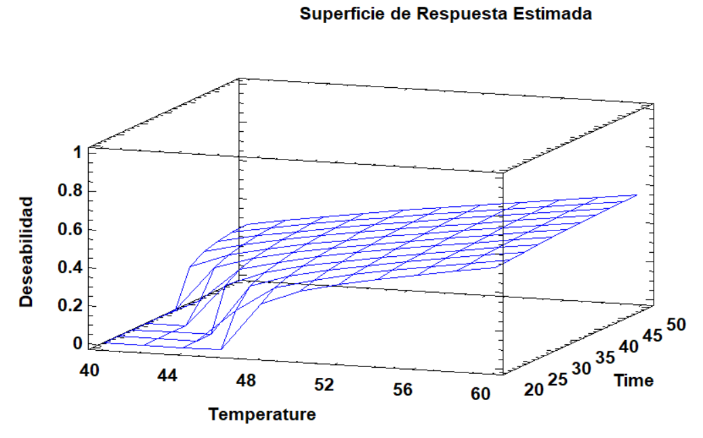
Peak areas | alpha-pinene | hexanal | alpha-terpinene | heptanal | methyl hexanoate | D-Limonene | Eucalyptol | cis-beta-ocimene | trans-beta-ocimene | P-Cymene | Terpinolene | octanal | 6-Methyl-5-hepten-2-one | methyl octanoate | nonanal | Cis-Linalool oxide | Trans-Linalool oxide (furanoid) | decanal | Benzaldehyde | (E)-2-Nonenal | Linalool | beta-Cyclocitral | phenylacetaldehyde | neral | Citral | Naphthalene | Geraniol | Geranylacetone | Hexanoic acid | gamma-octalactone | beta-Ionone | benzyl isothiocyanate
40temp_20time | 0 | 2,142 | 1,759 | 555,725 | 0 | 9,146 | 0 | 1,619 | 1,619 | 68,051 | 2,193 | 27,619 | 290,068 | 5,470 | 0 | 20,894 | 9,732 | 2,657 | 67,536 | 1,222 | 30,812 | 2,042 | 0 | 0 | 0 | 10,275 | 4,259 | 4,190 | 0 | 1,099 | 2,408 | 8,475
40temp_35time | 0 | 0 | 5,740 | 157,466 | 2,453 | 0 | 0 | 1,197 | 2,422 | 33,306 | 2,864 | 3,690 | 311,537 | 0 | 0 | 44,587 | 16,375 | 0 | 28,822 | 0 | 110,578 | 2,804 | 0 | 0 | 0 | 2,479 | 4,810 | 5,017 | 6,091 | 1,492 | 3,052 | 29,299
40temp_50time | 0 | 0 | 7,499 | 198,264 | 2,780 | 3,217 | 1,495 | 1,301 | 0 | 43,694 | 3,548 | 6,546 | 400,536 | 0 | 0 | 54,453 | 20,774 | 0 | 30,576 | 0 | 155,071 | 3,785 | 0 | 0 | 0 | 1,775 | 1,196 | 5,350 | 8,981 | 0 | 3,655 | 21,559
50temp_20time | 0 | 0 | 2,454 | 84,943 | 1,714 | 2,724 | 1,152 | 1,185 | 1,945 | 18,302 | 2,787 | 4,635 | 393,690 | 0 | 0 | 55,327 | 20,052 | 0 | 21,246 | 0 | 145,548 | 3,570 | 0 | 0 | 0 | 1,285 | 1,412 | 6,295 | 4,942 | 1,180 | 3,985 | 27,273
50temp_35time | 1,805 | 4,119 | 5,849 | 483,305 | 0 | 10,368 | 2,539 | 2,051 | 2,995 | 30,078 | 5,800 | 32,740 | 1,245,935 | 0 | 0 | 109,363 | 47,963 | 3,286 | 62,082 | 2,009 | 256,799 | 11,429 | 0 | 0 | 0 | 1,855 | 2,914 | 28,647 | 2,834 | 2,627 | 17,746 | 25,712
50temp_50time | 58,958 | 4,526 | 8,467 | 556,598 | 4,212 | 5,208 | 51,557 | 2,516 | 25,692 | 256,437 | 2,495 | 14,881 | 6,709,877 | 5,437 | 149,280 | 763,506 | 229,250 | 3,538 | 238,452 | 0 | 217,179 | 77,471 | 3,665 | 1,225 | 0 | 7,585 | 6,311 | 174,254 | 40,665 | 8,202 | 88,799 | 56,943
60temp_20time | 27,835 | 3,320 | 12,058 | 293,143 | 2,827 | 23,158 | 30,626 | 14,251 | 18,229 | 113,959 | 2,375 | 16,664 | 4,618,218 | 0 | 103,147 | 610,968 | 188,231 | 2,605 | 124,136 | 0 | 189,205 | 61,302 | 2,897 | 0 | 0 | 2,758 | 5,833 | 148,275 | 28,885 | 0 | 74,038 | 39,822
60temp_35time | 44,798 | 2,488 | 7,186 | 476,926 | 4,148 | 3,989 | 45,163 | 22,991 | 23,026 | 243,269 | 2,896 | 13,023 | 5,798,666 | 0 | 138,656 | 938,827 | 287,214 | 3,463 | 170,834 | 0 | 248,034 | 80,736 | 4,036 | 1,478 | 3,492 | 3,210 | 8,873 | 231,210 | 6,560 | 8,423 | 118,721 | 59,795
60temp_50time | 29,359 | 12,384 | 11,141 | 1,956,170 | 0 | 2,911 | 61,936 | 32,408 | 27,902 | 421,621 | 2,479 | 102,098 | 9,032,220 | 0 | 962,203 | 1,312,793 | 435,647 | 20,950 | 336,377 | 0 | 335,840 | 125,897 | 2,888 | 4,256 | 0 | 4,400 | 12,344 | 459,651 | 60,072 | 11,179 | 212,243 | 85,465

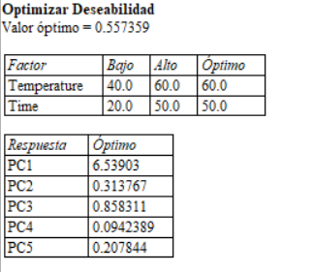
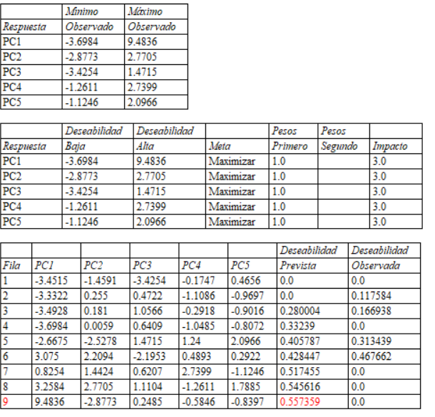
Principal Components | PC1 | PC2 | PC3 | PC4 | PC5 |  |  |  | RSM for PC1-PC4
40temp_20time | -3.4515 | -1.4591 | -3.4254 | -0.1747 | 0.4656
40temp_35time | -3.3322 | 0.2550 | 0.4722 | -1.1086 | -0.9697
40temp_50time | -3.4928 | 0.1810 | 1.0566 | -0.2918 | -0.9016
50temp_20time | -3.6984 | 0.0059 | 0.6409 | -1.0485 | -0.8072
50temp_35time | -2.6675 | -2.5278 | 1.4715 | 1.2400 | 2.0966
50temp_50time | 3.0750 | 2.2094 | -2.1953 | 0.4893 | 0.2922
60temp_20time | 0.8254 | 1.4424 | 0.6207 | 2.7399 | -1.1246
60temp_35time | 3.2584 | 2.7705 | 1.1104 | -1.2611 | 1.7885
60temp_50time | 9.4836 | -2.8773 | 0.2485 | -0.5846 | -0.8397

