INCOME_STATEMENT_HISTORICAL
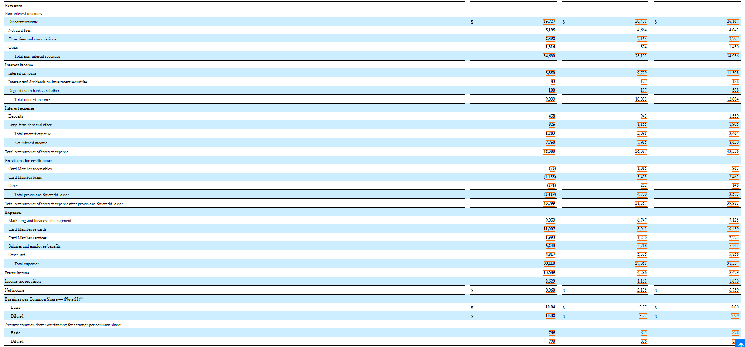

BALANCE_SHEET_HISTORICAL
