INCOME_STATEMENT_YE2022
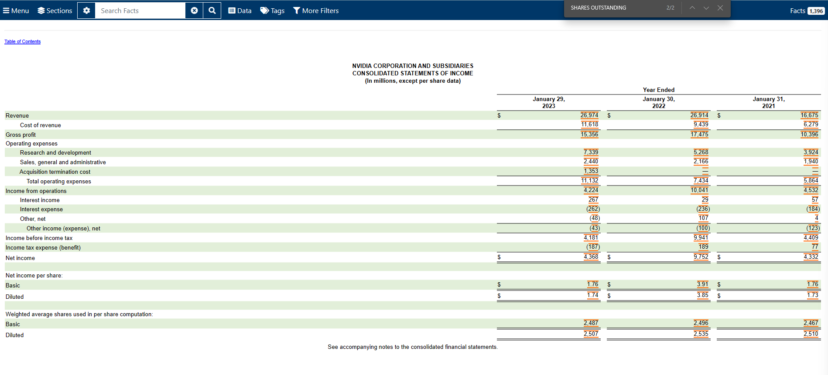

BALANCE_SHEET_YE2022
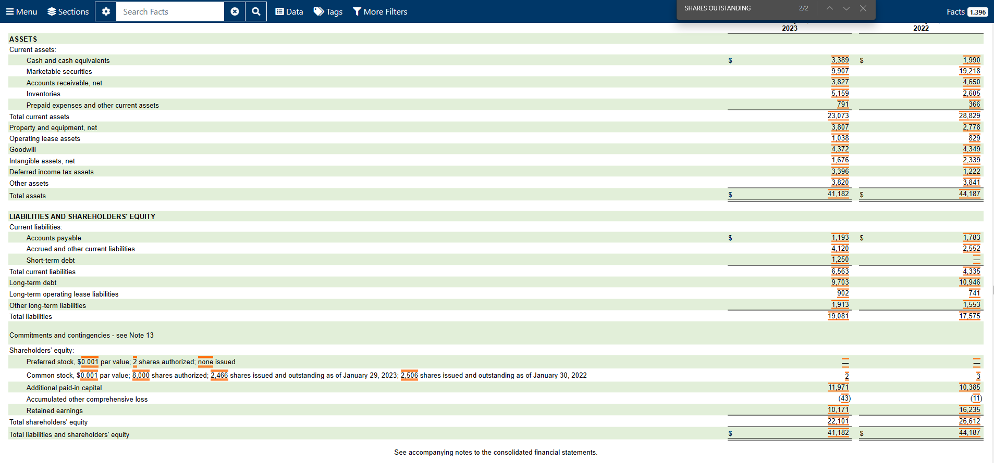

Cash | Debt
3,389.00 | ST Debt | 1,250.00
 | LT Debt | 9,703.00
marketable sec. | Total Debt | 10,953.00
9907
Cash + MS
13,296.00

