Main
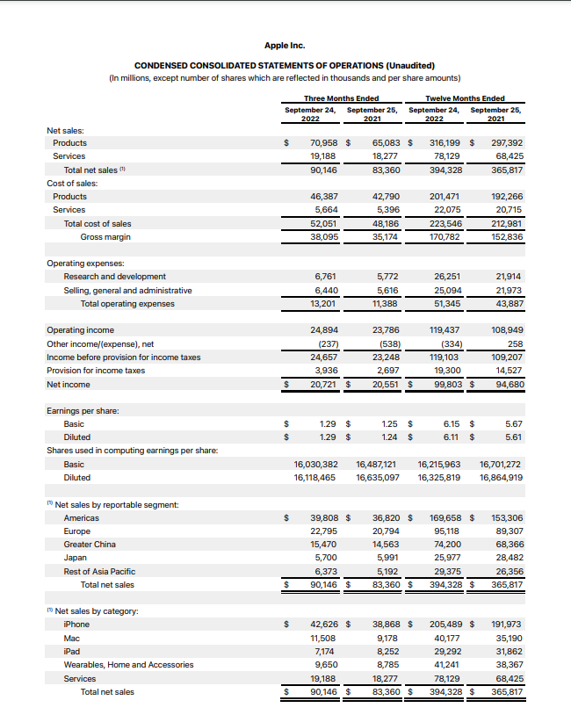
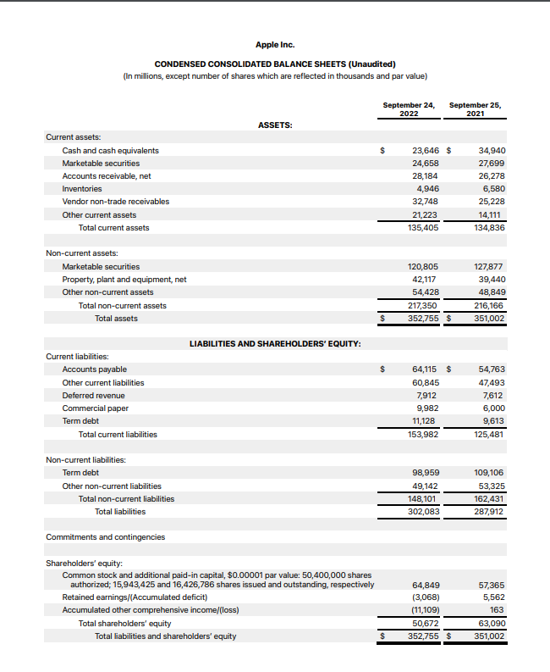
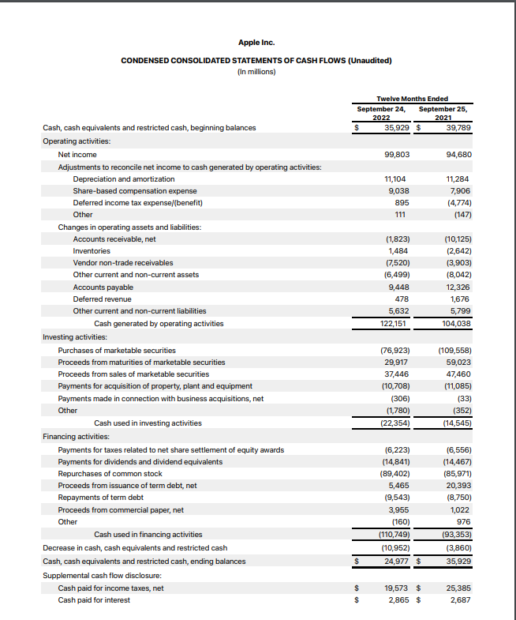
Price | 145.60
Shares | 16,118.00 | Q4 2022
MC | 2,346,780.80
Cash | 48,304.00
Debt | 110,087.00

