INCOME_STATEMENT_HISTORICAL
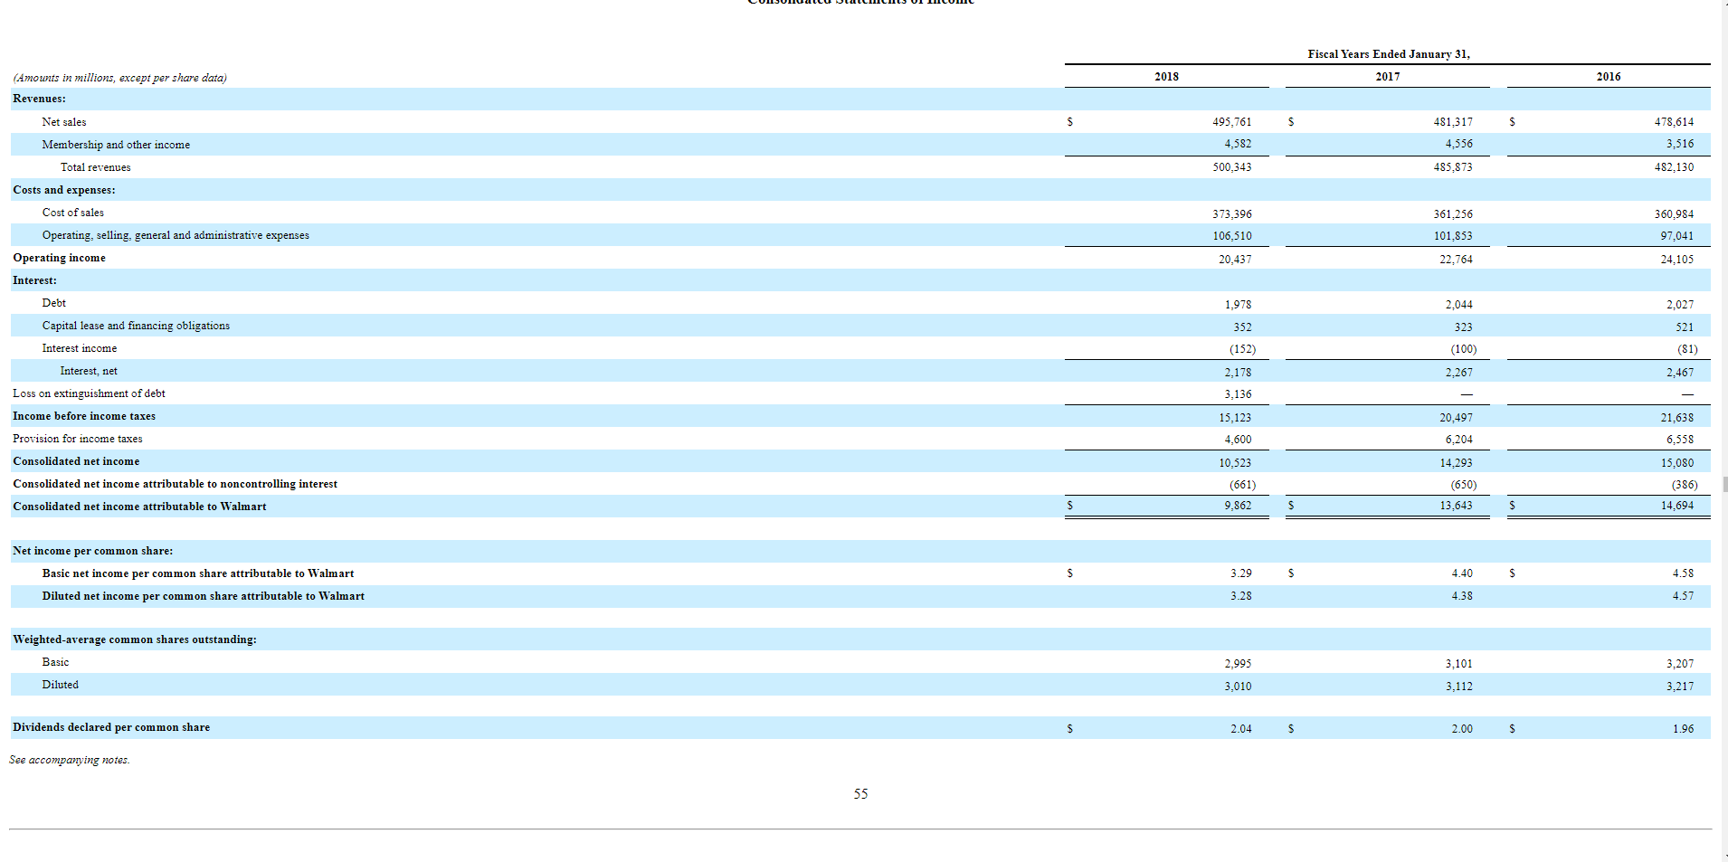
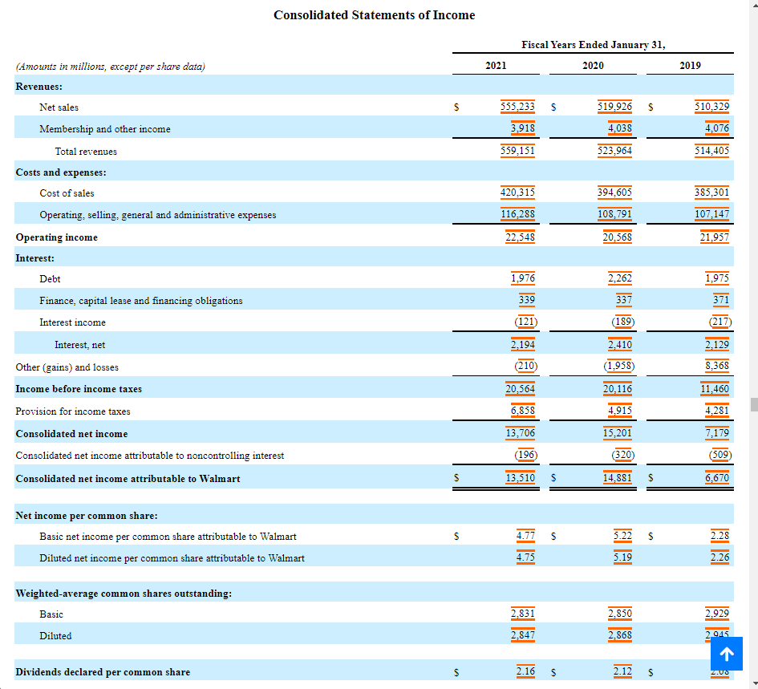

BALANCE_SHEET_HISTORICAL


