Main
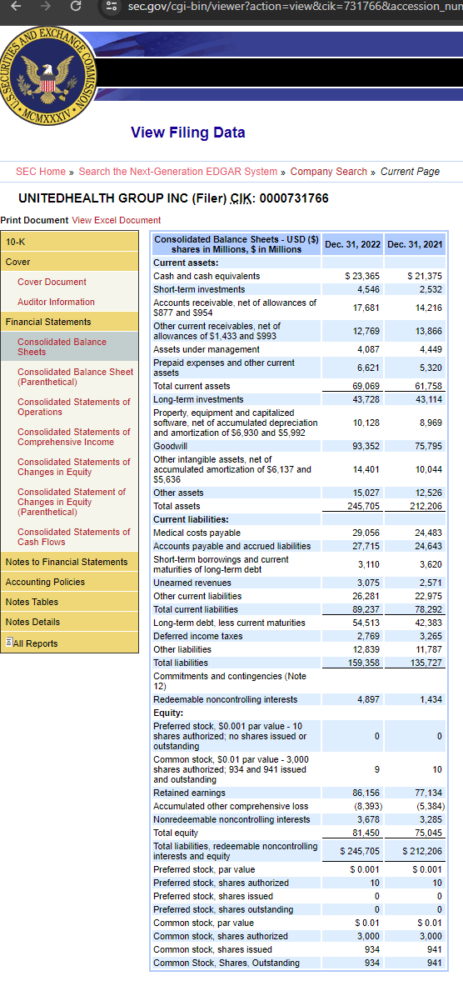
Share price | 536.52
Shares | 930
Market cap | 498963.6
Cash | 53815
Debt | 57623

