2022 Balance Sheet
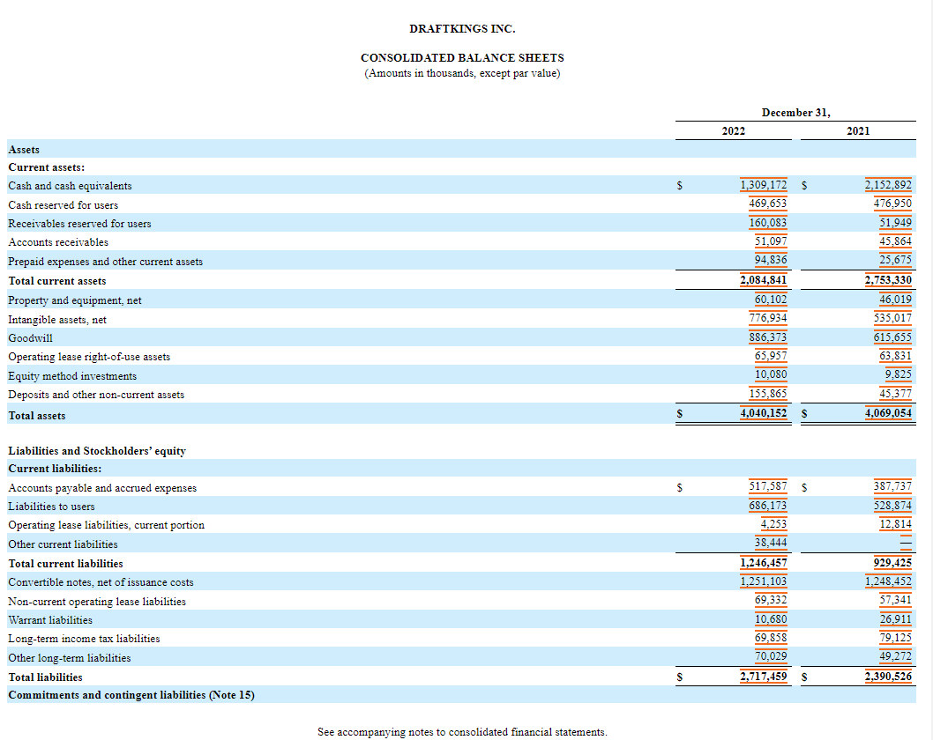

2022 Income Statement
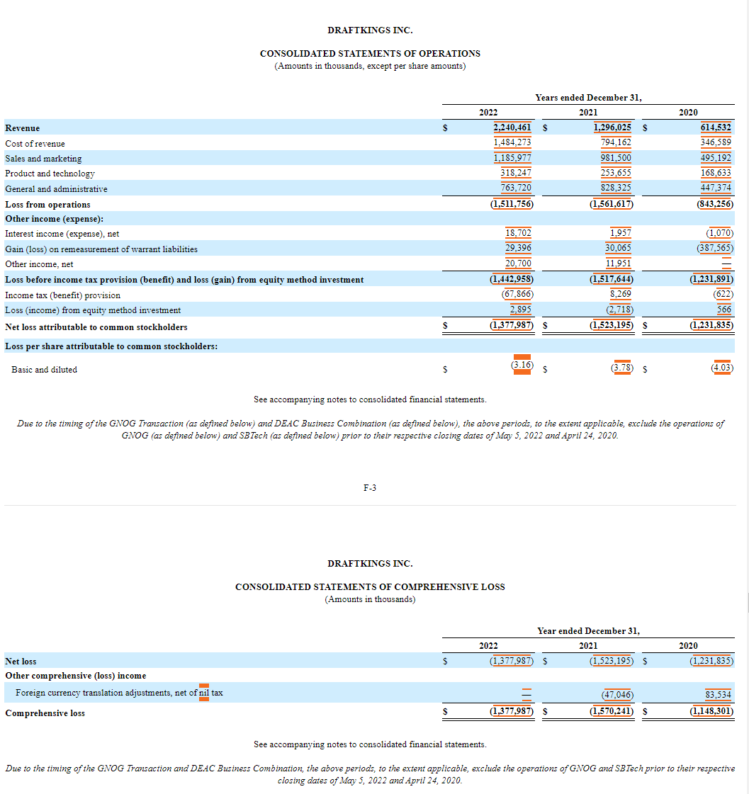

2021 Balance Sheet
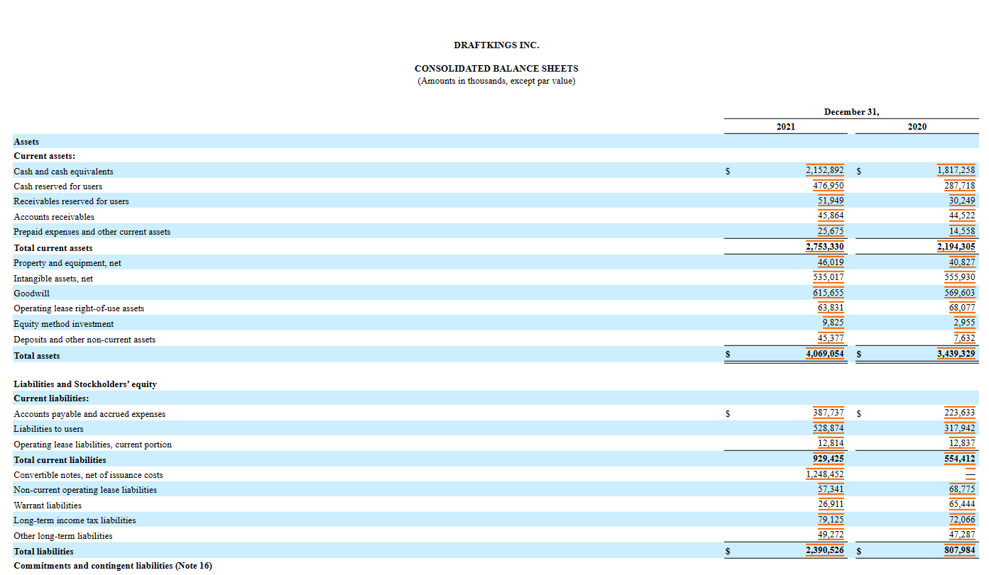

Cash | 2,152,892.00
CRFU | 476,950.00
Total Cash | 2,629,842.00

LT Tax Liability | 79125
ST Debt | 528,874.00
LT Debt | 49,272.00
Total Debt | 657,271.00

2021 Income Statement
