Cap Call Transaction
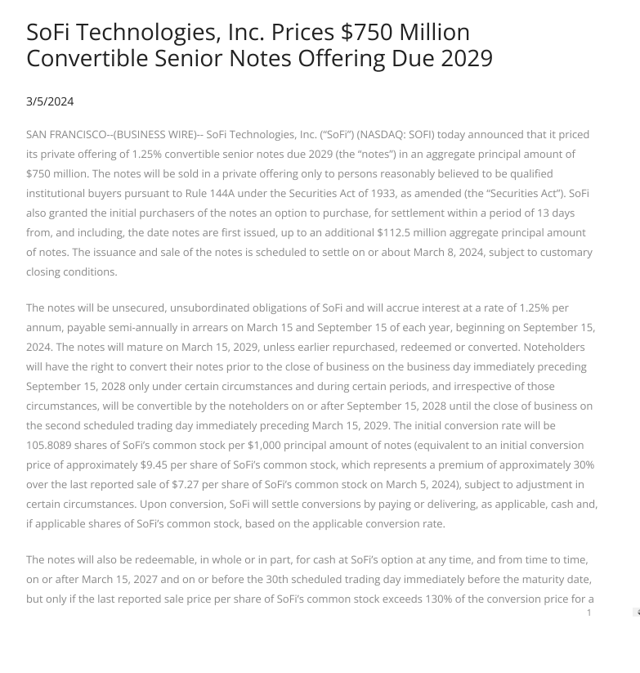
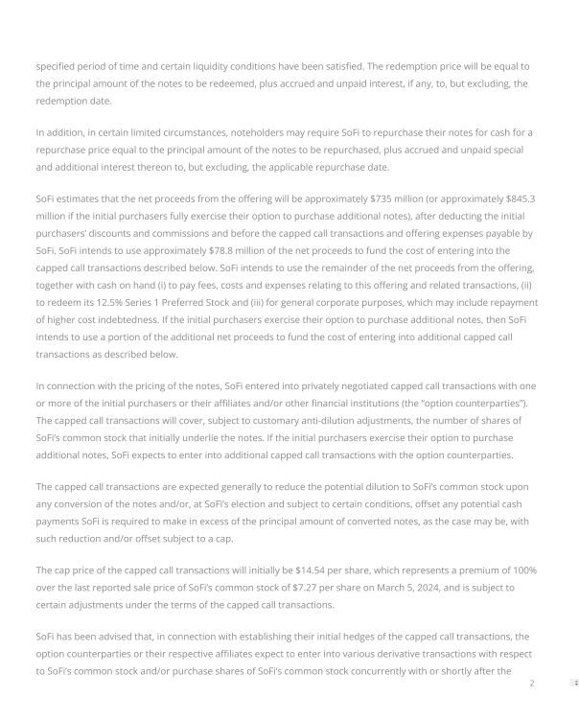
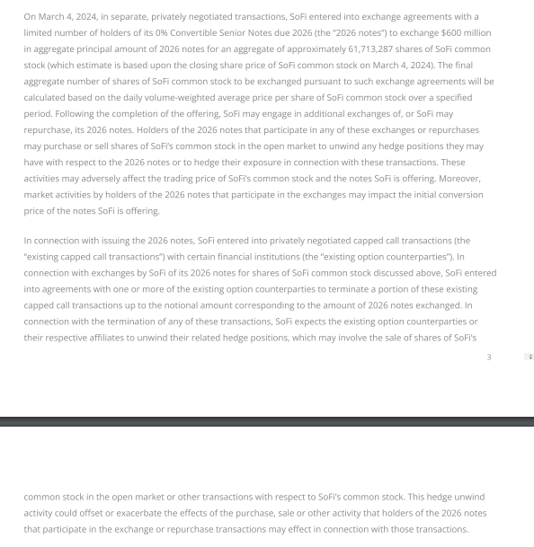

 | Should not affect share dilution

READ ME
https://s27.q4cdn.com/749715820/files/doc_news/SoFi-Technologies-Inc.-Prices-750-Million-Convertible-Senior-Notes-Offering-Due-2029-2024.pdf

Lending Support
