FSA Benchmarking Explained
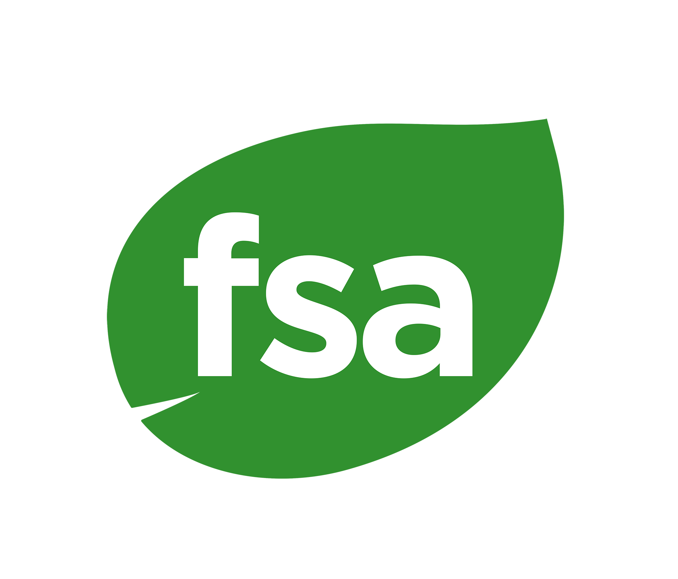
This file will serve as a single point of reference for all benchmarking stakeholders. The ‘FSA 3.0 Benchmarking Results’ tab shows all benchmarking results for FSA 3.0. Likewise, the 'FSA 2.1 Benchmarking Results' does the same for FSA 2.1.
Benchmarking Results Explained
2) What the result means:
The result reflects the minimum requirements needed for a farm to be included in the alternative scheme. For example, if some requirements are not essential ('minor'), then these areas will be weighed down by a factor of the number of requirements needed.
FSA 3.0
In FSA 3.0, two types of benchmarking claims are possible, 'FSA Aligned' and 'FSA Equivalent'. The permitted claim for a given scheme/combination is denoted in column I. The FSA benchmarked performance level is determined by a comparsion of the scheme's content relative to that of FSA 3.0 (Partial, Bronze, Silver, Gold Level, column M). Schemes can claim 'FSA Equivalence' to this performance level if they meet or exceed the FSA's minimum verification requriements. Otheriwse, they can only claim to be 'FSA Aligned'. Please note that 'FSA Aligned' and 'FSA Equivalent' schemes both also meet the minimum FSA governance criteria outlined in the FSA Benchmarking Protocol Annex 2.
3) Legislation & Scheme combinations
The FSA implementation framework allows FSA questions that are already covered on farm by national or international legislation to be used as a foundation for benchmarking purposes. This is provided that the region represents a sufficiently low risk of illegality and hence a good level of assurance that the law is complied with. This can make benchmarking more accurate. Often those sustainability schemes which only operate in the most developed and democratic countries, do not include a lot of the FSA essential questions in their standards; particularly in relation to human rights and fair labour. This is to avoid replacing an already robust criminal justice system. Advice on country risk, and hence which legislation can be included in benchmarking results, is sourced from Anthesis Risk Horizons (https://www.risk-horizon.com/about/), and is also denoted in Annex 4 of the FSA Benchmarking Protocol (Documents – SAI Platform)
Sources relying solely on legislation will not be considered. There must be management or organisational structures in place to cultivate sustainability and continuous improvement in farmers beyond the legal minimum.
Multiple programmess can be combined to create an overall equivalence result; this is to facilitate farmers who participate in more than one. In this case the results are shown for each combination around the scheme foundation, which serves as the central administration for farm sustainability.
4) Self-assessment and filters
In cases where farms or FMGs wish to demonstrate they outperform a benchmarked scheme that they are already participating in, it is possible to top up the benchmark score using the self-assessment and verification approach. This is detailed in the FSA 3.0 Implementation Framework, available the FSA Resource Centre (Documents – SAI Platform).
5) Practical information
Standard owners
Is it possible to get our scheme benchmarked?
Yes – If you would like to know more please don’t hesitate to get in touch. More information on the FSA Benchmarking Protocol, downloadable from the FSA Resource Centre (Documents – SAI Platform)
We are updating our standard and we are interested to know how this will affect the equivalence score?
Please don’t hesitate to get in touch – we aim to update benchmarks soon after there is a final version available. However we would also be very interested to feedback on standard design during stakeholder consultation. We are equally happy to receive feedback on the FSA.
Can the benchmark result be kept confidential?
If the scheme requirements/ questions are publicly available online, then all results will be published. For codes which are not in the public domain we are able to provide advice. In such cases the results will be owned by the standard owner and can publishing will be at their discretion.
SAI platform will not distribute the full benchmarking analysis (at the FSA question level), except to interest SAI Platform members and the respective scheme owner. Please get in touch if you are either one of these concerned parties and would like to see the detailed report. For all benchmarked schemes not in the public domain SAI Platfrom will not distribute any benchmark report without express authority to do so.
Key contact: Joe Iveson (jiveson@saiplatform.org)
7) Glossary of terms
Scheme Type:
Company scheme: A code of practice or set of requirements which form part of a farm level procurement strategy.
Legislation: Farm level regulations set by international, national, or regional governing bodies, including criminal law, common law, directives, and voluntary farm subsidy schemes.
Certification: A voluntary assurance program that typically helps to market sustainable supply.
National scheme: Country level farmer association often supported by government.
Self-Assessment: Self-reported information for the purposes of training, educating, and gathering high level information about the supply base; not 3rd party audited.
Combinations: In some cases two complimentary standards may be in use at the same time. Within the FSA context, providing their is overlap between the two, the result in combination will show a higher equivalence than each standard separately; it makes no difference to the results which standard is used as the foundation or base. 'Stand-alone' displays the FSA equivalence of the scheme as it is.
Product: This rears to the scope of the scheme what was benchmarked in terms of crops it can be used for.

FSA 3.0 Equivalence levels
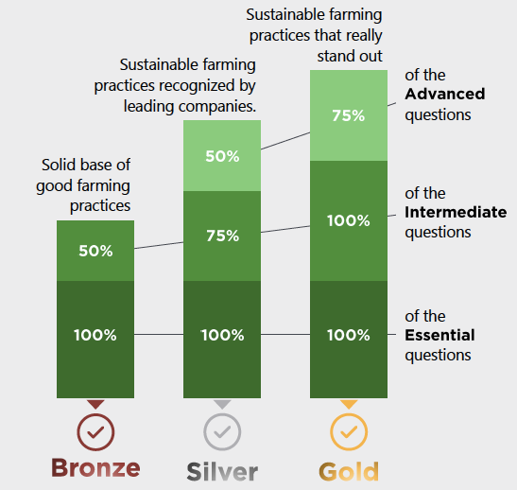

Performance Levels | Threshold (see also SAI FSA Guidance on www.saiplatform.org)

Bronze | Compliance to 100% ‘Essential’ questions and a minimum of 50% ‘Intermediate’ questions.
Silver | Compliance to 100% ‘Essential’ questions, 75% ‘Intermediate’ questions and more than 50% ‘Advanced’ questions.

Gold | Compliance to 100% ‘Essential’ questions, 100% ‘Intermediate’ questions and a minimum of 75% ‘Advanced’ questions.

Not yet Bronze | Indicates that the level of performance does not meet the bronze threshold yet.

