Welcome
Welcome! This is a powerful, flexible excel document which allows you to track your finances, your way. There are many ways to customize this workbook, but everything is kept simple thanks to the use of custom macros, buttons, and menus! | Excel Warnings
 | This file contains macros (snippets of code that allow automation of complex excel tasks). These macros are used to apply changes across the entire spreadsheet, without you needing to go through and manually update cells. They also allow you to use custom forms to enter information into this spreadsheet. Macros are the engine of this spreadsheet, and will need to be enabled for it to work. Since this file was downloaded from the internet, your computer will most likely disable macros by default. Below are the different types of warnings you may get, and how to bypass them.

Click the button below to get started. | Solution: Choose Enable Editing

Begin

 | Solution: Choose Enable Content

 | Solution: This one actually doesn't matter, since this workbook doesn't link to any other workbooks. You can choose Enable Content, or just Dismiss this warning.

 | Solution: You'll need to Unblock this file. To do so, follow these steps:

 | Step 1: Right-click this workbook's file on your desktop or in it's file location, and go to Properties
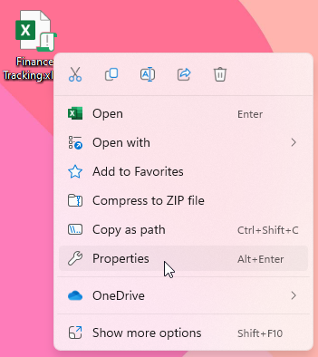

 | Step 2: Toggle the Unblock checkbox at the bottom of the General page so that it is enabled
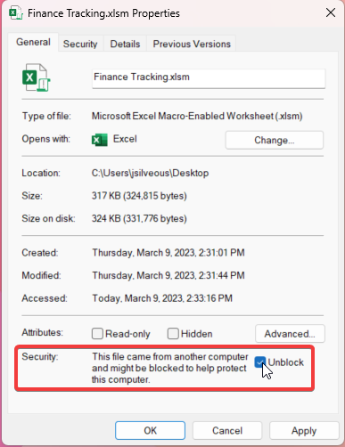

 | Step 3: Choose OK to apply the changes, then re-open the workbook.

