East MAP
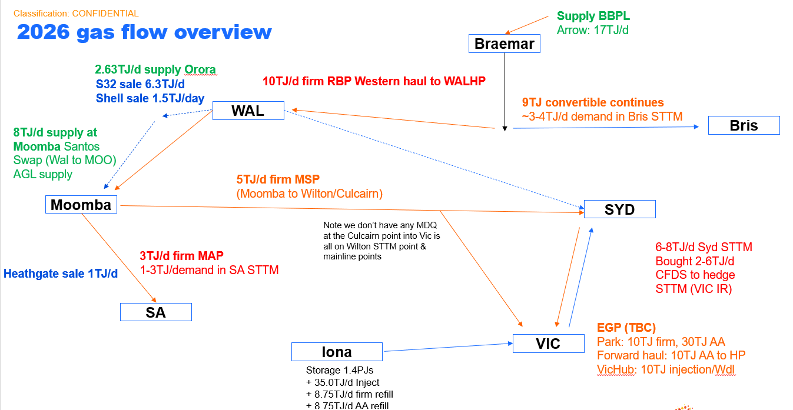

Curtis Island

GLNG
QGC

Rockhampton

Banana
Gladstone

Wide Bay

Rolleston
Rolleston
APLNG

Yellowbank

Fairview

Gooimbah

Ruby
Orana
PPL 133
PPL 134

SGW
TPCF
QGP
PPL 90
CTW

ML1A
Scotia
Talinga
Berwyndale
Kenya
WAL
DP 1
Run 9
Run 7
Ballera processing and compressor facility
Peat
Run 6
Windibri
Condamine
Argyle
Dalbey
Oakey
Ellengrove
BRI STTM
Ballera
DP2
SWQP
SWQP
WAL LP TP
RBP
Braemar 2
WAL HP TP
Run 3
RBP IPT
Windibri

QGC owned
Braemar 1
Tipton
Oakey PS

Non hub:
- Toowoomba
- oakey
- Sandy Creek

MLP = Moomba Low Pressure point. Gas enters here from gas fields and plants
MHP = Moomba High Pressure point. Gas gets sent from here to adjacent pipelines

QSN
MCD

Moomba Gas Plant
MCF
MCD Inlet
MLP
MHP
MSP inlet
Bella Park CS
Young
Wilton
SYD STTM
MCF Inlet
QSN Receipt
MSP
Horsley Park
Z3

MAPS Exit

ACT
Hoskinstown

Culcairn
Cooma

MAP
Vic-NSW interconnect
Z2
EGP

Springhurst CS
Bombala

Eurora CS
Orbost

Bairnsdale
Wollert CS
Walsey CS
Vichub

ADL Metro
Iona
Poolajiello
PCA
Melbourne
LNP
Z1
ADL STTM
Iona IP
Cavan
SWP
Longford Gas Plant
Loy Yang B
SESA
LNG (Dandenong)
Otway
Bass Gas
TGP
TGP

PCI
SeaGas IP
SEP
Langley

Port Headland

WA Map
Gorgon
Telfer Gas Pipeline

Port hedland

Tubridgi/Wheatstone
Dampier

Telfer

Pilbara Pipeline System

Newman

Goldfields Gas Pipeline (GGP)

Dampier to Bundury Pipeline (DBP)

Northern Goldfields Interconnect Pipeline

Eastern Goldfields Pipeline System

Windimurra
Geraldton
Mid West Pipeline
Kalgoorlie

Kambalda Kambalda Pipeline

MSF
Kambalda

Kambalda Esperance Gas Pipeline

Esperance

Parmelia Gas Pipeline (PGP)
Metro North
Perth

Metro South

Waggerup & Pinjara (DPB Connect)

Bundury

FY26 Contracts
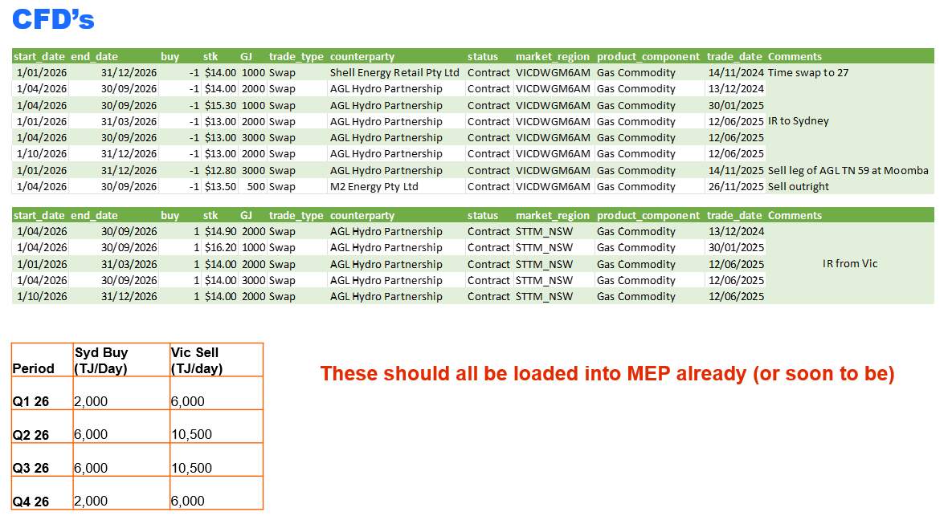
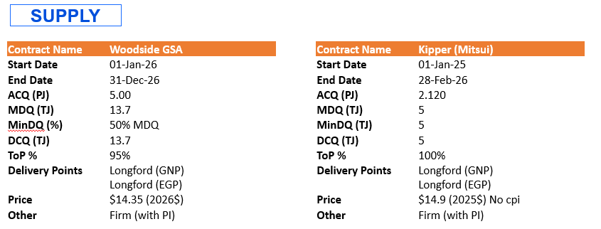
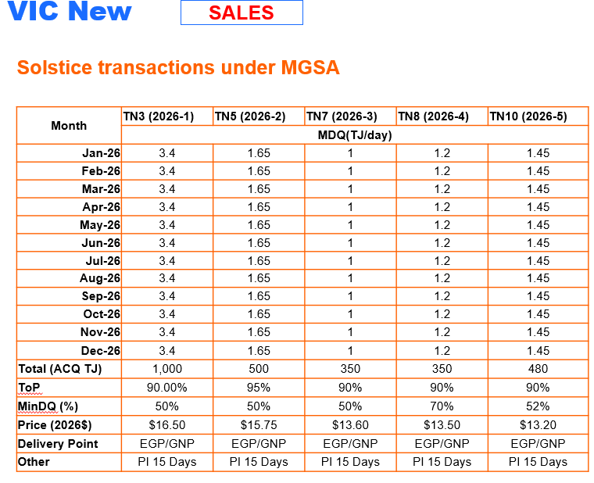
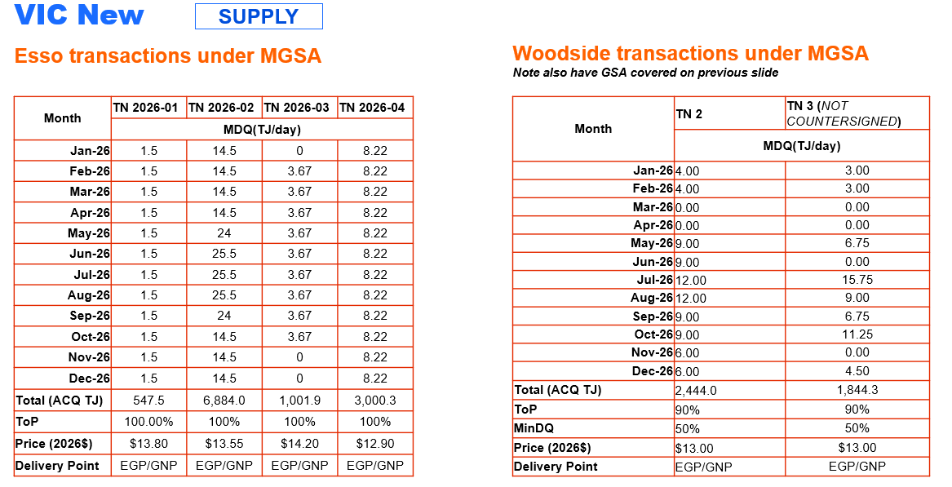
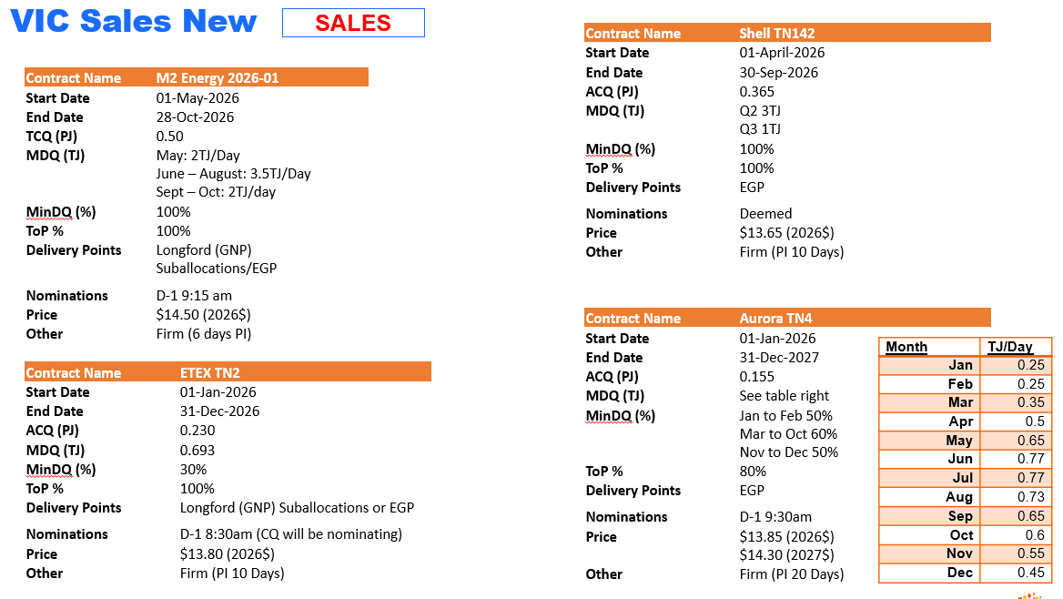
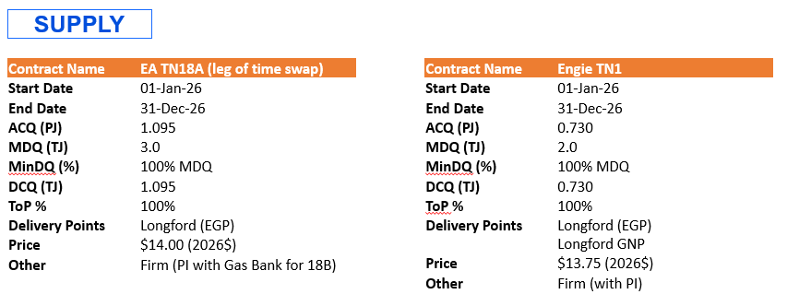
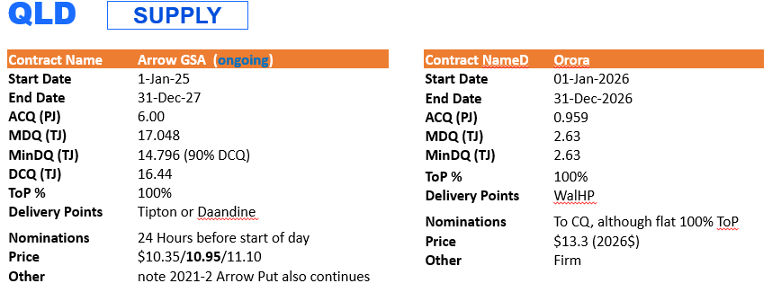
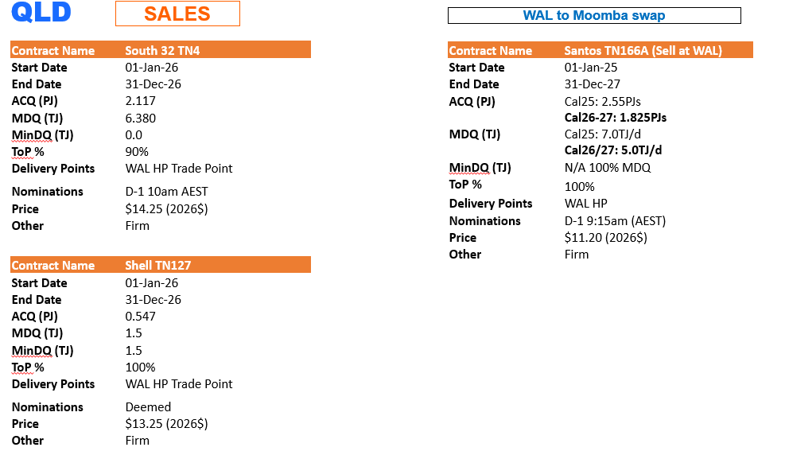
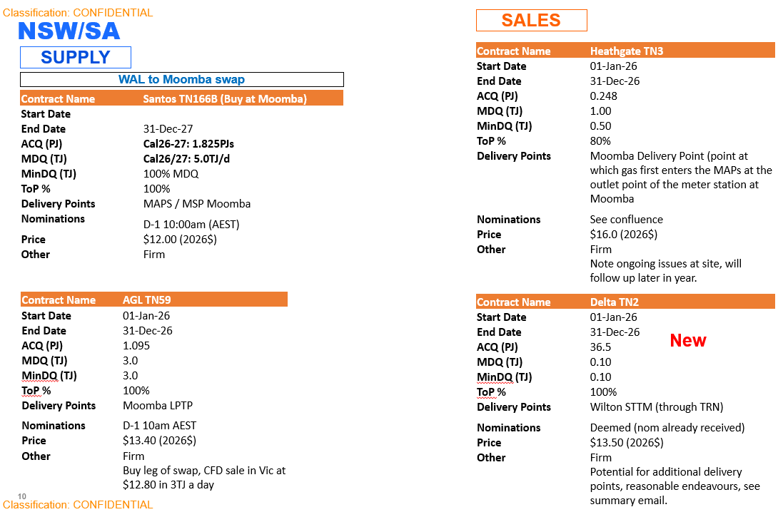
Supply | Demand | CFD's

