Sheet1
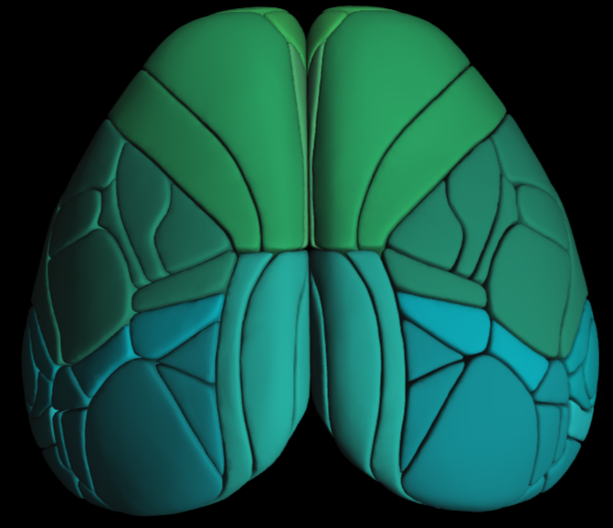
Idx | ROI_name | Hemisphere | Allen_ID | Allen_acronym | Allen_name
1 | L_ACAd | Left | 11 | ACAd | Dorsal Anterior Cingulate Area
2 | L_AUDd | Left | 97 | AUDd | Dorsal Auditory Area
3 | L_AUDp | Left | 104 | AUDp | Primary Auditory Area
4 | L_AUDpo | Left | 111 | AUDpo | Posterior Auditory Area
5 | L_AUDv | Left | 118 | AUDv | Ventral Auditory Area
6 | L_FRP | Left | 395 | FRP | Frontal Pole
7 | L_MOp | Left | 578 | MOp | Primary Motor Area
8 | L_MOs | Left | 584 | MOs | Secondary Motor Area
9 | L_PL | Left | 753 | PL | Prelimbic Area
10 | L_RSPagl | Left | 866 | RSPagl | Lateral Agranular Retrosplenial Area
11 | L_RSPd | Left | 872 | RSPd | Dorsal Retrosplenial Area
12 | L_RSPv | Left | 879 | RSPv | Ventral Retrosplenial Area
13 | L_SSp_bfd | Left | 970 | SSp_bfd | Primary Somatosensory Area (Barrel)
14 | L_SSp_ll | Left | 977 | SSp_ll | Primary Somatosensory Area (Lower Limb)
15 | L_SSp_m | Left | 984 | SSp_m | Primary Somatosensory Area (Mouth)
16 | L_SSp_n | Left | 991 | SSp_n | Primary Somatosensory Area (Nose)
17 | L_SSp_tr | Left | 998 | SSp_tr | Primary Somatosensory Area (Trunk)
18 | L_SSp_ul | Left | 1005 | SSp_ul | Primary Somatosensory Area (Upper Limb)
19 | L_SSp_un | Left | 1012 | SSp_un | Primary Somatosensory Area (Unassigned)
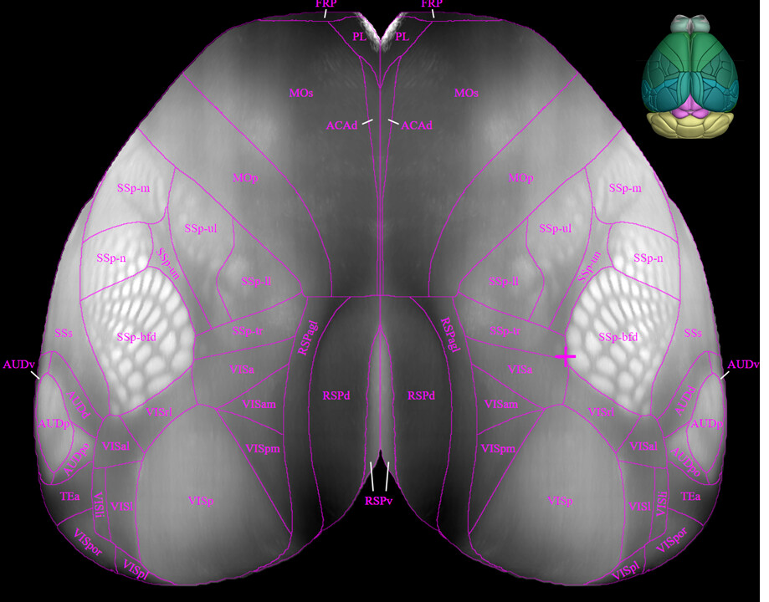
20 | L_SSs | Left | 1019 | SSs | Suplemental Somatosensory Area
21 | L_TEa | Left | 1060 | TEa | Temporal Association Area
22 | L_VISal | Left | 1125 | VISal | Anterolateral Visual Area
23 | L_VISam | Left | 1132 | VISam | Anteromedial Visual Area
24 | L_VISl | Left | 1146 | VISl | Lateral Visual Area
25 | L_VISp | Left | 1153 | VISp | Primary Visual Area
26 | L_VISpl | Left | 1160 | VISpl | Posterolateral Visual Area
27 | L_VISpm | Left | 1167 | VISpm | Posteromedial Visual Area
28 | L_VISa | Left | 1207 | VISa | Anterior Visual Area (Posterior Parietal)
29 | L_VISli | Left | 1214 | VISli | Laterointermediate Area
30 | L_VISpor | Left | 1221 | VISpor | Postrhinal Area
31 | L_VISrl | Left | 1228 | VISrl | Rostrolateral Visual Area
32 | R_ACAd | Right | 11 | ACAd | Dorsal Anterior Cingulate Area
33 | R_AUDd | Right | 97 | AUDd | Dorsal Auditory Area
34 | R_AUDp | Right | 104 | AUDp | Primary Auditory Area
35 | R_AUDpo | Right | 111 | AUDpo | Posterior Auditory Area
36 | R_AUDv | Right | 118 | AUDv | Ventral Auditory Area
37 | R_FRP | Right | 395 | FRP | Frontal Pole
38 | R_MOp | Right | 578 | MOp | Primary Motor Area
39 | R_MOs | Right | 584 | MOs | Secondary Motor Area
40 | R_PL | Right | 753 | PL | Prelimbic Area
41 | R_RSPagl | Right | 866 | RSPagl | Lateral Agranular Retrosplenial Area
42 | R_RSPd | Right | 872 | RSPd | Dorsal Retrosplenial Area
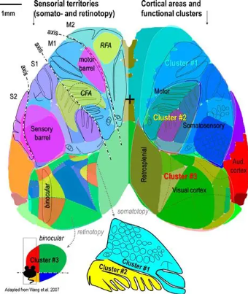
43 | R_RSPv | Right | 879 | RSPv | Ventral Retrosplenial Area
44 | R_SSp_bfd | Right | 970 | SSp_bfd | Primary Somatosensory Area (Barrel)
45 | R_SSp_ll | Right | 977 | SSp_ll | Primary Somatosensory Area (Lower Limb)
46 | R_SSp_m | Right | 984 | SSp_m | Primary Somatosensory Area (Mouth)
47 | R_SSp_n | Right | 991 | SSp_n | Primary Somatosensory Area (Nose)
48 | R_SSp_tr | Right | 998 | SSp_tr | Primary Somatosensory Area (Trunk)
49 | R_SSp_ul | Right | 1005 | SSp_ul | Primary Somatosensory Area (Upper Limb)
50 | R_SSp_un | Right | 1012 | SSp_un | Primary Somatosensory Area (Unassigned)
51 | R_SSs | Right | 1019 | SSs | Suplemental Somatosensory Area
52 | R_TEa | Right | 1060 | TEa | Temporal Association Area
53 | R_VISal | Right | 1125 | VISal | Anterolateral Visual Area
54 | R_VISam | Right | 1132 | VISam | Anteromedial Visual Area
55 | R_VISl | Right | 1146 | VISl | Lateral Visual Area
56 | R_VISp | Right | 1153 | VISp | Primary Visual Area
57 | R_VISpl | Right | 1160 | VISpl | Posterolateral Visual Area
58 | R_VISpm | Right | 1167 | VISpm | Posteromedial Visual Area
59 | R_VISa | Right | 1207 | VISa | Anterior Visual Area (Posterior Parietal)
60 | R_VISli | Right | 1214 | VISli | Laterointermediate Area
61 | R_VISpor | Right | 1221 | VISpor | Postrhinal Area
62 | R_VISrl | Right | 1228 | VISrl | Rostrolateral Visual Area

