Mobile1
Here is our first of two mobile problems. The weights are based on a geometric progression, while the rod lengths are based on a Fibanocci Sequence. Type in values for [C] and [R], as applicable.
Set up and solve it as we have done. Remember to shade your matrices; final values in fractional form.

[C] |  |  |  |  |  |  |  |  |  |  |  | [V] |  | [R]
d1 | d2 | d3 | d4 | d5 | d6 | d7 | d8 | d9 | d10 | d11 | d12
1 | 1 | 0 | 0 | 0 | 0 | 0 | 0 | 0 | 0 | 0 | 0 | d1 | = | 21
0 | 0 | 1 | 1 | 0 | 0 | 0 | 0 | 0 | 0 | 0 | 0 | d2 |  | 13
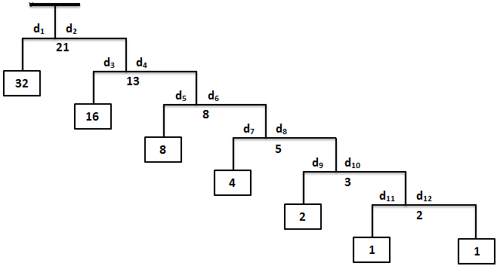
0 | 0 | 0 | 0 | 1 | 1 | 0 | 0 | 0 | 0 | 0 | 0 | d3 |  | 8
0 | 0 | 0 | 0 | 0 | 0 | 1 | 1 | 0 | 0 | 0 | 0 | d4 |  | 5
0 | 0 | 0 | 0 | 0 | 0 | 0 | 0 | 1 | 1 | 0 | 0 | d5 |  | 3
0 | 0 | 0 | 0 | 0 | 0 | 0 | 0 | 0 | 0 | 1 | 1 | d6 |  | 2
32 | -32 | 0 | 0 | 0 | 0 | 0 | 0 | 0 | 0 | 0 | 0 | d7 |  | 0
0 | 0 | 16 | -16 | 0 | 0 | 0 | 0 | 0 | 0 | 0 | 0 | d8 |  | 0
0 | 0 | 0 | 0 | 8 | -8 | 0 | 0 | 0 | 0 | 0 | 0 | d9 |  | 0
0 | 0 | 0 | 0 | 0 | 0 | 4 | -4 | 0 | 0 | 0 | 0 | d10 |  | 0
0 | 0 | 0 | 0 | 0 | 0 | 0 | 0 | 2 | -2 | 0 | 0 | d11 |  | 0
0 | 0 | 0 | 0 | 0 | 0 | 0 | 0 | 0 | 0 | 1 | -1 | d12 |  | 0

 |  | [V] |  | [S]
 |  | d1 | = | 10.5
 |  | d2 |  | 10.5
 |  | d3 |  | 6.5
 |  | d4 |  | 6.5
 |  | d5 |  | 4
 |  | d6 |  | 4
 |  | d7 |  | 2.5
 |  | d8 |  | 2.5
 |  | d9 |  | 1.5
 |  | d10 |  | 1.5
 |  | d11 |  | 1
 |  | d12 |  | 1

Mobile2
At the right is a simple cantilever system that we will design using the collective techniques that we have thus far learned. You will need to first determine what weight, W₁, is needed at the right end of the system to cause the desired deflection in the square beam. You will then have to also calculate the weight of the mass, W₂, on the left side of the system.
Once calculated, you will use these values to determine the overall lateral length, L, of the square beam (assuming then that the beam does not deflect downward) along with the distance, d, to the left of the pivot point.
Just follow my lead below on how to solve for this "artsy" system →
WATCH YOUR UNITS OF MEASURE FOR W₁!!
Make sure to select ALL values for the formulae and matrices;
EVERYTHING (all values) that you need to use are found in a cell on this worksheet.
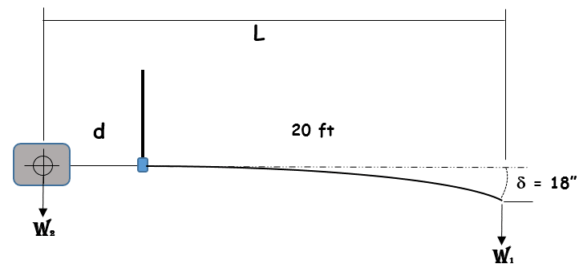

Here is the formula for determining the deflection of a beam of square cross-section:

 |  |  |  |  | Solving for W1:

 |  | Here, E is called the Modulus of Elasticity, while I is the beam's Moment of Inertia; I is a function of the beam's cross-section and is determined by:

 |  |  |  |  |  |  |  | E (psi) | d (in) | L (ft) | s (in) | g (#/ft3) | VW2 (ft3)
 | Here are your parameters; you will select these cells as needed: |  |  |  |  |  |  | 3.0E+07 | 18 | 20 | 2 | 170 | 15
 |  |  |  |  |  |  |  | ¯ Other values to be selected ¯
 |  |  |  |  |  |  |  | 0 | 1 | 3 | 4 | 12

 |  | I = | 1.3333333333 | ¬ Calculate the Moment of Inertia here; express as a fraction (to one digit)

 |  | W1 = | 156.3 | ¬ Calculate the value of W1 here; express to 1 decimal place; watch your units when entering L!
 |  |  | pounds

Now let's calculate W2; this is a donated block of granite, and its value is given as: |  |  |  |  |  |  |  |  | ' g = density & V = volume

 |  |  |  |  |  |  | W2 = | 2550.0 | ¬ Calculate the value of W2 here to 1 decimal place; note that unit conversions are not needed here…
 |  |  |  |  |  |  |  | pounds

We are now ready to solve for our unknowns, d and L:

 | Here are our distance and balance equations: |  |  |  |  |  | Obviously, we are going to have to do some "algebra first" on the distance equation before we can enter its values below . . .

 |  | [C] |  | [V] |  | [R] |  |  | [V] |  | [S] |  |  | [S]
 |  | d | L
 |  | -1 | 1 | d | = | 20 |  |  | d | = | 1.2 | = |  | 14.7
 |  | 2550.0 | 0 | L |  | 3125 |  |  | L |  | 21.2 |  |  | 254.7
 |  |  |  | Remember to not type in any values (see above)! |  |  |  |  |  |  | feet (1 decimal place) |  |  | Convert to inches (1 decimal)
 |  |  |  | This includes the labels for your unknowns along Column E!

Curve1
 |  |  |  |  |  |  |  |  | Set up and finish this system as we did in the LA; remember to shade in your matrices
YOU MUST ® USE ¯
 | 6 | 5 | 4 | 3 | 2 | 1 | 0 |  |  | ¯ average of data values
 | [C] |  |  |  |  |  |  | [V] |  | [R]
x | A | B | C | D | E | F | G |  |  |  | f(x) =
-3 | 729 | -243 | 81 | -27 | 9 | -3 | 1 | A | = | 810.1 | 804 | 809 | 817 | 811 | 817 | 814 | 807 | 810 | 803 | 809
-2 | 64 | -32 | 16 | -8 | 4 | -2 | 1 | B |  | 88.5 | 89 | 88 | 90 | 87 | 90 | 87 | 88 | 87 | 91 | 88
-1 | 1 | -1 | 1 | -1 | 1 | -1 | 1 | C |  | 6.0 | 5 | 6 | 7 | 8 | 6 | 4 | 6 | 8 | 7 | 3
0 | 0 | 0 | 0 | 0 | 0 | 0 | 1 | D |  | 1.8 | 1 | 3 | 2 | 1 | 1 | 4 | 3 | 1 | 1 | 1
1 | 1 | 1 | 1 | 1 | 1 | 1 | 1 | E |  | -0.7 | -1 | -1 | 0 | -1 | -1 | 0 | -1 | 0 | -1 | -1
2 | 64 | 32 | 16 | 8 | 4 | 2 | 1 | F |  | 42.3 | 44 | 43 | 42 | 41 | 45 | 42 | 40 | 43 | 40 | 43
3 | 729 | 243 | 81 | 27 | 9 | 3 | 1 | G |  | 651.6 | 657 | 648 | 665 | 641 | 651 | 662 | 658 | 645 | 657 | 632

 |  |  |  |  |  |  |  |  |  | Formatting

Type out the equation below where indicated in this text box, based on the applicable coefficient values you have determined at the left. You may use a ^ to represent an exponent. Then calculate f(3), either offline or in the space immediately below the text box.
f(x) = x^6 - 2.6x^3 - 0.2x^2 -0.7x + 1.8
f(3) = 656.7
 |  |  |  |  |  |  |  | [V] |  | [S]
 |  |  |  |  |  |  |  | A | = | 1.0
 |  |  |  |  |  |  |  | B |  | 0.0
 |  |  |  |  |  |  |  | C |  | 0.0
 |  |  |  |  |  |  |  | D |  | -2.6
 |  |  |  |  |  |  |  | E |  | -0.2
 |  |  |  |  |  |  |  | F |  | -0.7
 |  |  |  |  |  |  |  | G |  | 1.8

 |  |  |  |  |  |  |  |  |  |  |  | f(3) = | 656.7
 |  |  |  | You shade in per your choice(s) of color(s)

Curve2
So let's now assume that the coefficients values we have just determined are elements within a matrix. Using Excel's built-in functionality, place each value in [S] into its correct element location in the below B-matrix.
↓ ↓ ↓
c11 | c12 | c13 | c21 | c22 | c23 | [V] |  | [R]
1 | 0 | 0 | 0 | 0 | 0 | c11 | = | 2
0 | 0 | 0 | 1 | 0 | 0 | c12 |  | 9
0 | 0 | 7 | 0 | 0 | 5 | c13 |  | 0
0 | 1 | 1 | 0 | -9 | -9 | c21 |  | 79
0 | 58 | 29 | 0 | -70 | -35 | c22 |  | 1028
0 | 111 | 37 | 0 | -84 | -28 | c23 |  | 1602

 |  |  |  |  |  |  |  |  | [B]
 |  |  |  |  |  | [V] |  | [S]
 |  |  |  |  |  | c11 | = | 2 | 2 | 11 | 5
 |  |  |  |  |  | c12 |  | 11 | 9 | 0 | -7
 |  |  |  |  |  | c13 |  | 5
 |  |  |  |  |  | c21 |  | 9
 |  |  |  |  |  | c22 |  | 0
 |  |  |  |  |  | c23 |  | -7

