exp01
Method | Size | Cost/ms |  | Enumeration | Graham-Scan | Divide and Conquer
Enumeration | 1000 | 146.9 | 1000 | 146.9 | 1.0 | 5.0
 | 2000 | 536.8 | 2000 | 536.8 | 2.0 | 10.7
 | 3000 | 1189.2 | 3000 | 1189.2 | 2.9 | 14.8
Graham-Scan | 1000 | 1.0
 | 2000 | 2.0
 | 3000 | 2.9
Divide and Conquer | 1000 | 5.0
 | 2000 | 10.7
 | 3000 | 14.8

凸包求解算法性能对比

exp02
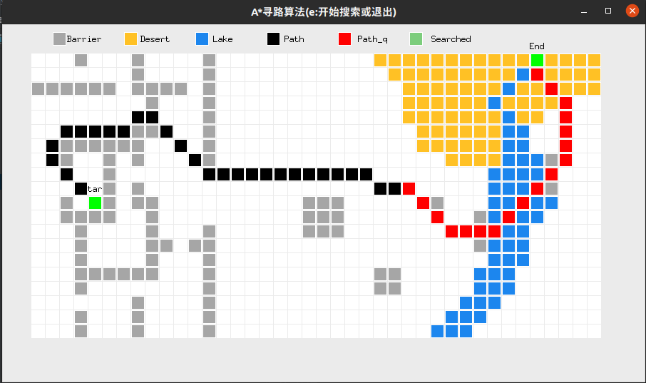
4.1 |  |  |  | 4.2
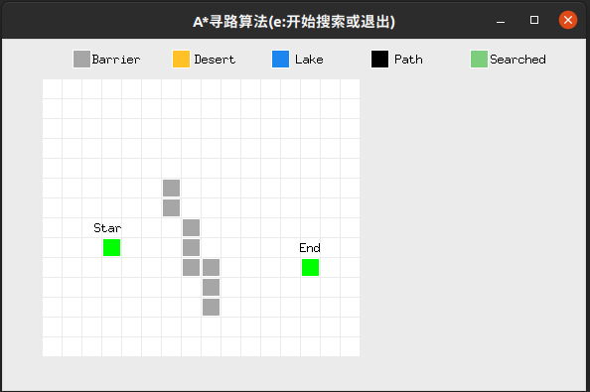
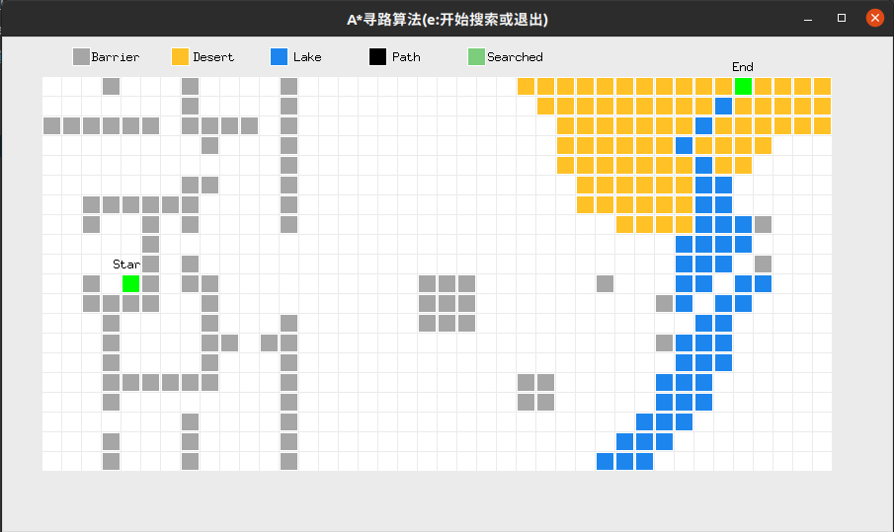

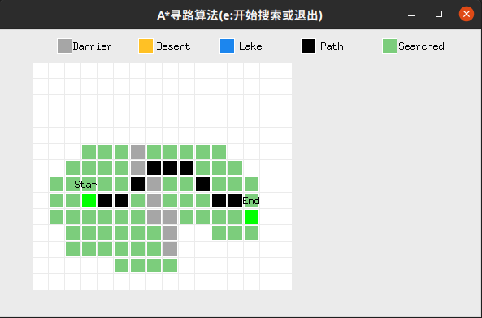

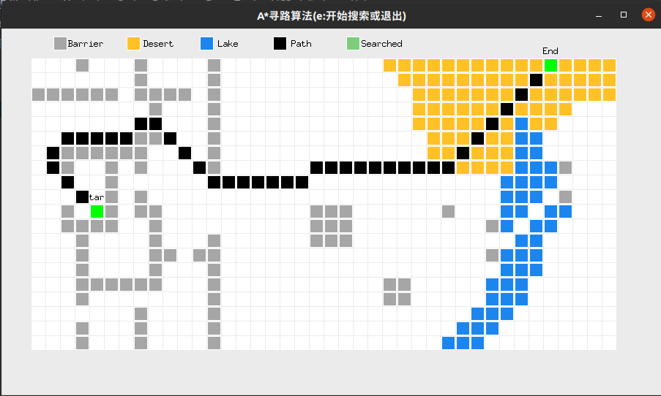

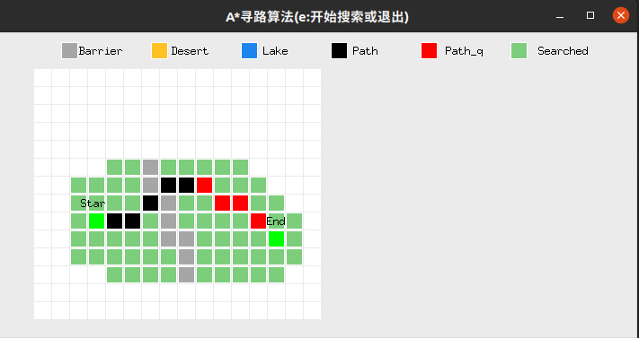

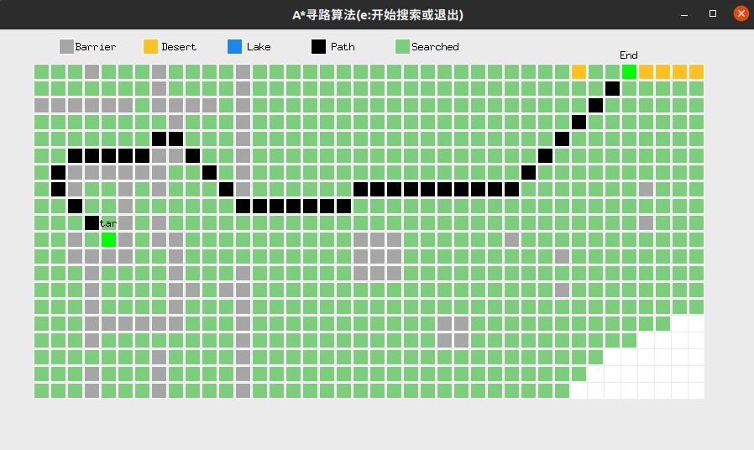

Maze 1 | Cost | Length | Searched Area
Uni-A* | 12.07 | 11 | 72
Bi-A* | 12.07 | 11 | 76

Maze 2 | Cost | Length | Searched Area
Uni-A* | 63.04 | 39 | 677
Bi-A* | 64.28 | 48 | 249

 |  |  |  |  | 别忘记最后花费+4

exp03
Method | Size | Cost/ms | 集合划分的具体结果在实验的log文件中 |  | Greedy | LP
greedy | 100 | 0.6 |  | 100 | 0.6 | 39.1
 | 1000 | 49.1 |  | 1000 | 49.1 | 4472.7
 | 5000 | 3737.2 |  | 5000 | 3737.2 | 324727.8
LP | 100 | 39.1
 | 1000 | 4472.7
 | 5000 | 324727.8
近似算法性能对比

exp04
小样本测试

大样本测试
Method | Repeatability/% | Cost/ms |  | quicksort | quicksort_pro
quicksort | 0 | 15.7 | 0 | 15.7 | 20.6
 | 10 | 53.7 | 10 | 53.7 | 17.9
 | 20 | 170.0 | 20 | 170.0 | 15.6
 | 30 | 360.5 | 30 | 360.5 | 15.4
 | 40 | 628.2 | 40 | 628.2 | 13.0
 | 50 | 957.0 | 50 | 957.0 | 9.3
 | 60 | 1381.5 | 60 | 1381.5 | 7.8
 | 70 | 1857.5 | 70 | 1857.5 | 6.1
 | 80 | 2460.4 | 80 | 2460.4 | 4.0
 | 90 | 3079.5 | 90 | 3079.5 | 2.2
 | 100 | 3759.0 | 100 | 3759.0 | 0.6
quicksort_pro | 0 | 20.6
 | 10 | 17.9
 | 20 | 15.6
 | 30 | 15.4
 | 40 | 13.0
 | 50 | 9.3
快速排序算法性能对比
 | 60 | 7.8
 | 70 | 6.1
 | 80 | 4.0
 | 90 | 2.2
 | 100 | 0.6

