Calorimeter
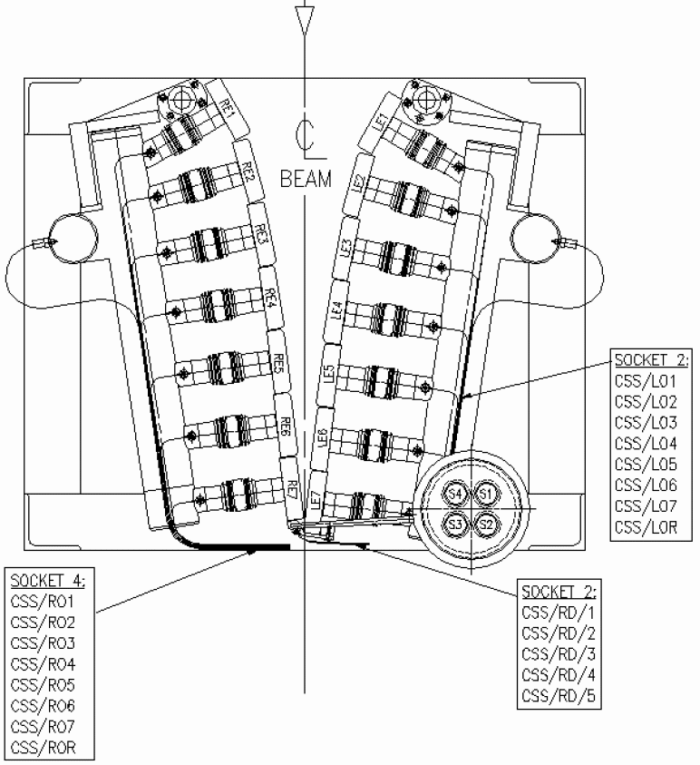
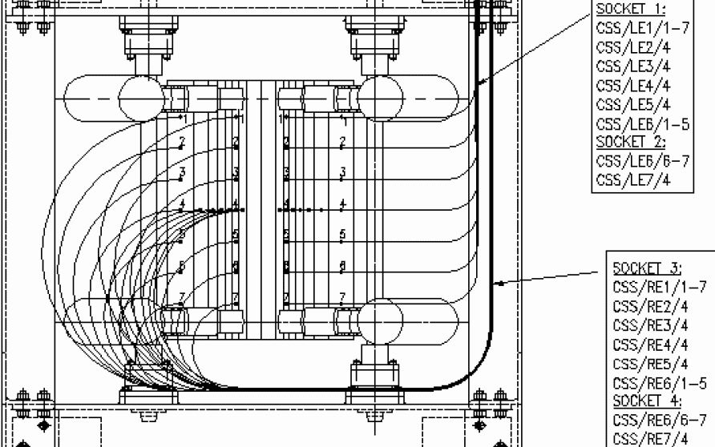

FEID
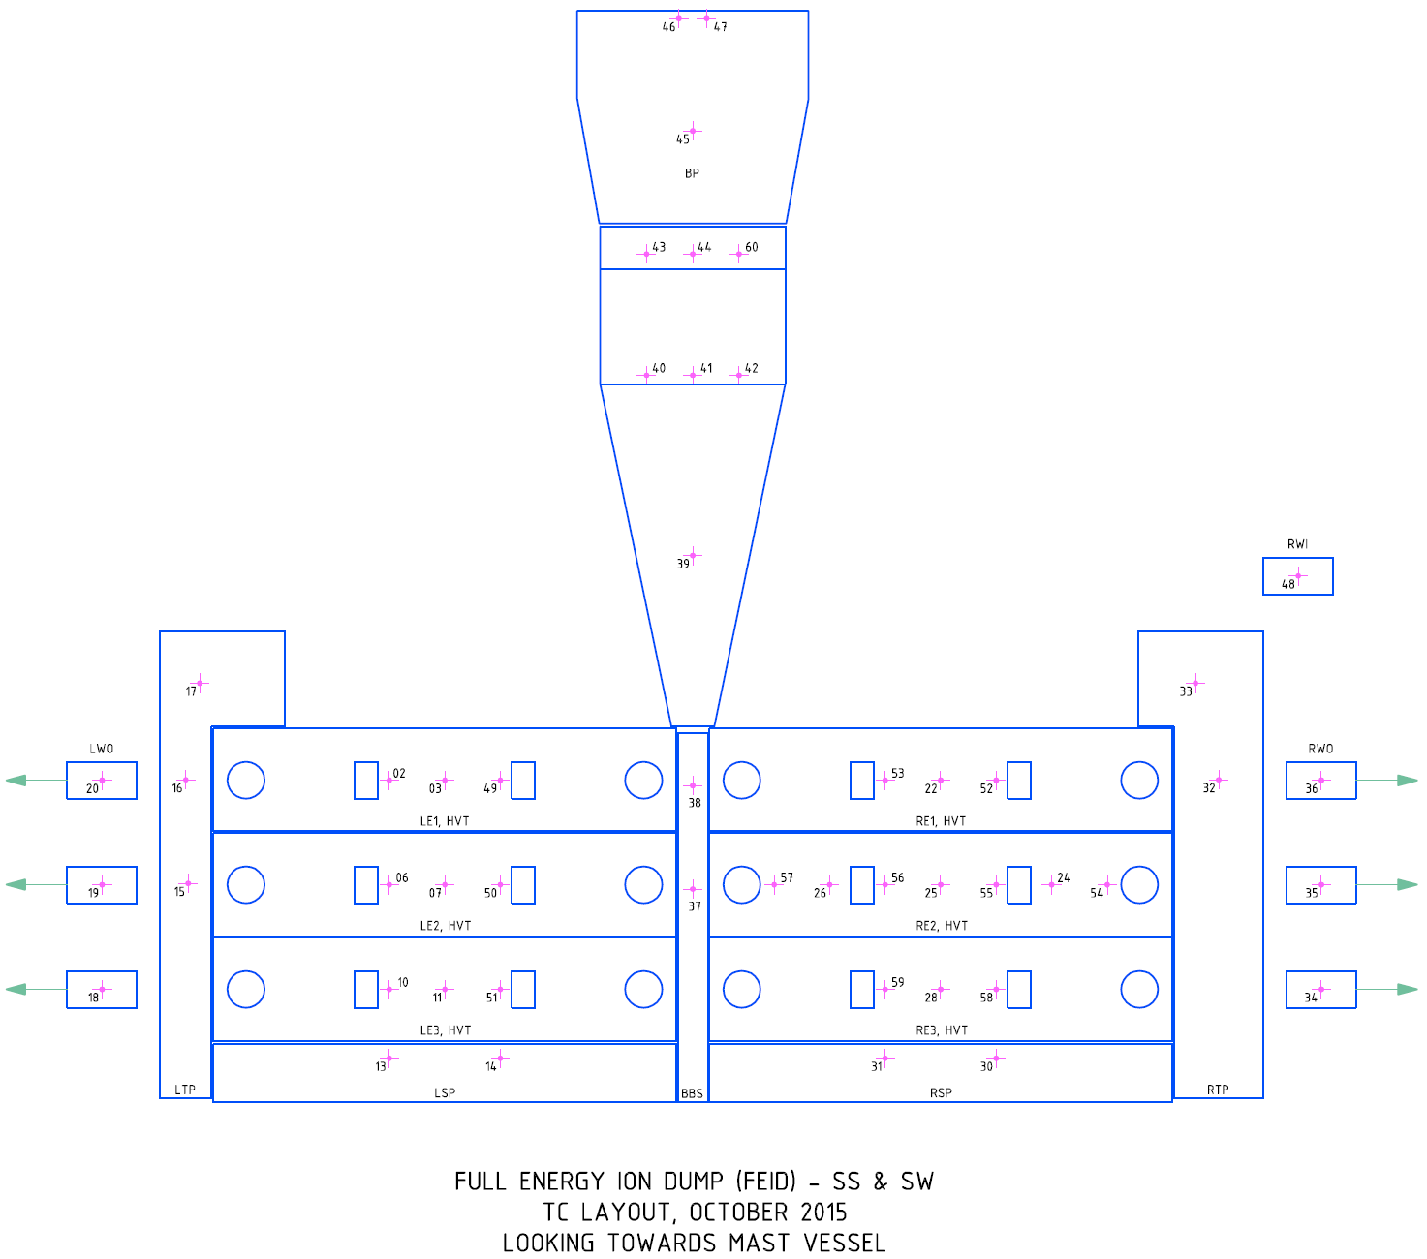

Drop1Mod5
RID - FEID (A) |  |  |  |  |  |  |  | Module Active |  | 1 |  | Description | Units | Original Identifier | Feedthrough Location | Vacuum Feedthrough (50 D-type) |  | Front End Lemo |  |  | Ref Drawing | TC/Front Face Distance (mm) | Angle of Vapatron | Cos (Angle of Vapatron) | Location X (mm) | Location Y (mm) | Location Z (mm)
 | Drop | Module | ID | Module Type | Module Info | Channel Active | Channel Name | Component | Input Range | Terminal Mode | Path |  |  |  |  | + | - | + | - | s
65 | 1 | 5 | 0 | 9213 | Thermo | 1 | SS_1_5_00__RID_TBP_1 | RID_FEID_BP |  |  |  | SS FEID Top Back Plate thermcouple | ºC | BP-45 | A | 1 | 2 | 1 | 23 | 2 | M44300292 | 6
66 | 1 | 5 | 1 | 9213 | Thermo | 1 | SS_1_5_01__RID_TBP_2 | RID_FEID_BP |  |  |  | SS FEID Top Back Plate thermcouple | ºC | BP-46 | A | 3 | 4 | 22 | 37 | 21 | M44300292 | 6
67 | 1 | 5 | 2 | 9213 | Thermo | 1 | SS_1_5_02__RID_TBP_3 | RID_FEID_BP |  |  |  | SS FEID Top Back Plate thermcouple | ºC | BP-47 | A | 5 | 6 | 3 | 4 | 24 | M44300292 | 6
68 | 1 | 5 | 3 | 9213 | Thermo | 1 | SS_1_5_03__RID_HBP_1 | RID_FEID_BP |  |  |  | SS FEID Hockeystick Back Plate thermcouple | ºC | BP-43 | A | 7 | 8 | 20 | 19 | 36 | M44300293 | 6
69 | 1 | 5 | 4 | 9213 | Thermo | 1 | SS_1_5_04__RID_HBP_2 | RID_FEID_BP |  |  |  | SS FEID Hockeystick Back Plate thermcouple | ºC | BP-44 | A | 9 | 10 | 6 | 26 | 5 | M44300293 | 6
70 | 1 | 5 | 5 | 9213 | Thermo | 1 | SS_1_5_05__RID_HBP_3 | RID_FEID_BP |  |  |  | SS FEID Hockeystick Back Plate thermcouple | ºC | BP-60 | A | 11 | 12 | 25 | 39 | 40 | M44300293 | 6
71 | 1 | 5 | 6 | 9213 | Thermo | 1 | SS_1_5_06__RID_HBP_4 | RID_FEID_BP |  |  |  | SS FEID Hockeystick Back Plate thermcouple | ºC | BP-40 | A | 13 | 14 | 47 | 48 | 38 | M44300293 | 6
72 | 1 | 5 | 7 | 9213 | Thermo | 1 | SS_1_5_07__RID_HBP_5 | RID_FEID_BP |  |  |  | SS FEID Hockeystick Back Plate thermcouple | ºC | BP-41 | A | 15 | 16 | 35 | 46 | 45 | M44300293 | 6
73 | 1 | 5 | 8 | 9213 | Thermo | 1 | SS_1_5_08__RID_HBP_6 | RID_FEID_BP |  |  |  | SS FEID Hockeystick Back Plate thermcouple | ºC | BP-42 | A | 34 | 35 | 17 | 34 | 18 | M44300293 | 6
74 | 1 | 5 | 9 | 9213 | Thermo | 1 | SS_1_5_09__RID_IHB_1 | RID_FEID_BP |  |  |  | SS FEID Hockeystick Inertial Back Plate thermcouple | ºC | BP-39 | A | 36 | 37 | 27 | 8 | 7 | M44300293 | 6
75 | 1 | 5 | 10 | 9213 | Thermo | 1 | SS_1_5_10__RID_LO3_1 | RID_FEID_LWO |  |  |  | SS FEID HVT LE3 - Left Water Out - Surface mounted thermocouple | ºC | LWO-18 | A | 38 | 39 | 41 | 42 | 28 |  | Pipe OD
76 | 1 | 5 | 11 | 9213 | Thermo | 1 | SS_1_5_11__RID_LO2_1 | RID_FEID_LWO |  |  |  | SS FEID HVT LE2 - Left Water Out - Surface mounted thermocouple | ºC | LWO-19 | A | 40 | 41 | 44 | 43 | 32 |  | Pipe OD
77 | 1 | 5 | 12 | 9213 | Thermo | 1 | SS_1_5_12__RID_LO1_1 | RID_FEID_LWO |  |  |  | SS FEID HVT LE1 - Left Water Out - Surface mounted thermocouple | ºC | LWO-20 | A | 42 | 43 | 33 | 15 | 16 |  | Pipe OD
78 | 1 | 5 | 13 | 9213 | Thermo | 1 | SS_1_5_13__RID_LTP_1 | RID_FEID_LTP |  |  |  | SS FEID Left Top Plate thermcouple | ºC | LTP-15 | A | 44 | 45 | 9 | 29 | 10 | M44300451 | 6
79 | 1 | 5 | 14 | 9213 | Thermo | 1 | SS_1_5_14__RID_LTP_2 | RID_FEID_LTP |  |  |  | SS FEID Left Top Plate thermcouple | ºC | LTP-16 | A | 46 | 47 | 12 | 11 | 30 | M44300451 | 6
80 | 1 | 5 | 15 | 9213 | Thermo | 1 | SS_1_5_15__RID_LTP_3 | RID_FEID_LTP |  |  |  | SS FEID Left Top Plate thermcouple | ºC | LTP-17 | A | 48 | 49 | 14 | 31 | 13 | M44300451 | 6
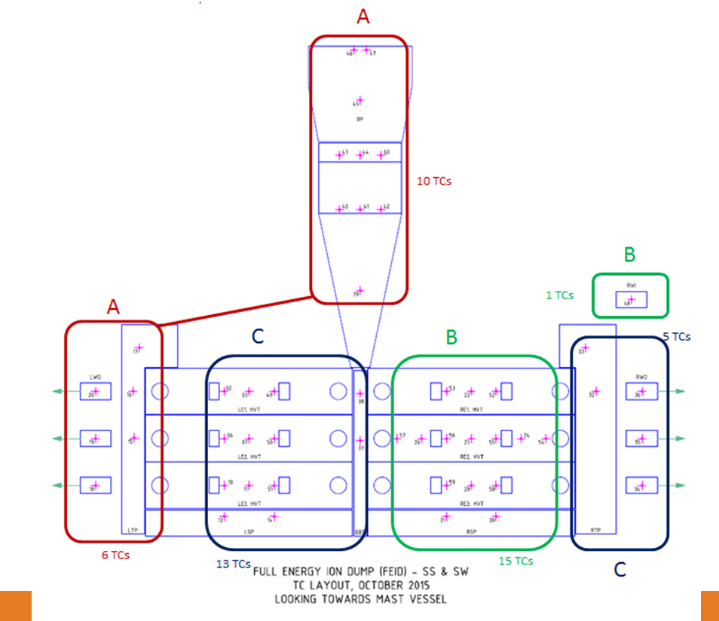
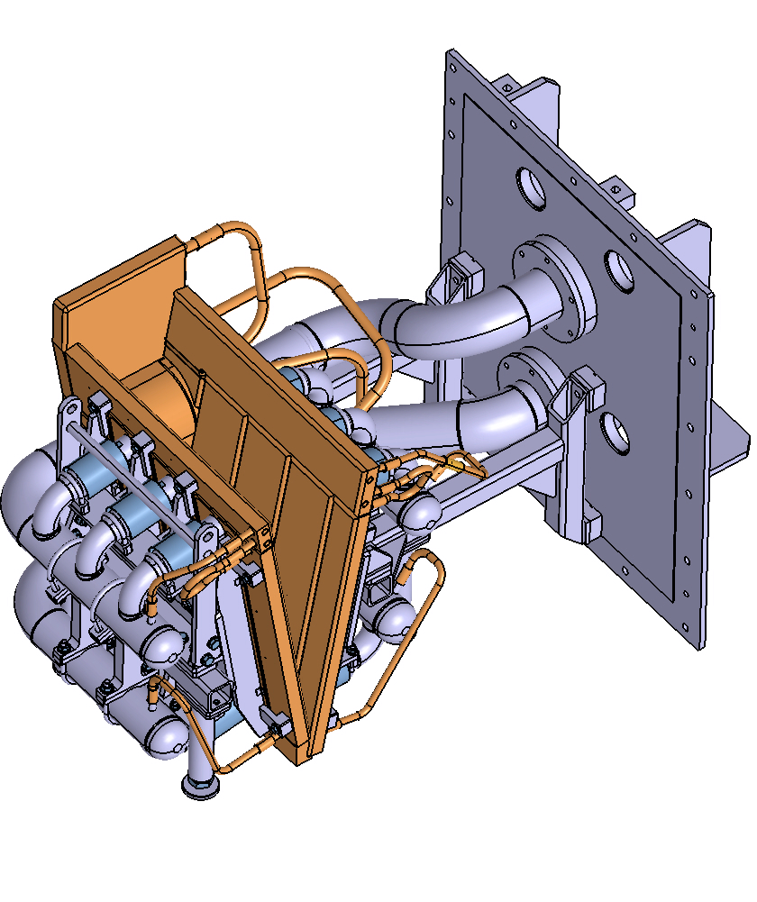
A
B
C

Drop1Mod6
RID - FEID (B) |  |  |  |  |  |  |  | Module Active |  | 1 |  | Description | Units | Original Identifier | Feedthrough Location | Vacuum Feedthrough (50 D-type) |  | Front End Lemo |  |  | Ref Drawing | TC/Front Face Distance (mm) | Angle of Vapatron | Cos (Angle of Vapatron) | Location X (mm) | Location Y (mm) | Location Z (mm)
 | Drop | Module | ID | Module Type | Module Info | Channel Active | Channel Name | Component | Input Range | Terminal Mode | Path |  |  |  |  | + | - | + | - | s
81 | 1 | 6 | 0 | 9213 | Thermo | 1 | SS_1_6_00__RID_RE1_1 | RID_FEID_RE1 |  |  |  | SS FEID Hypervapotron Right Element 1 thermcouple | ºC | RE1-52 | B | 1 | 2 | 1 | 23 | 2 | M44300148 | 3
82 | 1 | 6 | 1 | 9213 | Thermo | 1 | SS_1_6_01__RID_RE1_2 | RID_FEID_RE1 |  |  |  | SS FEID Hypervapotron Right Element 1 thermcouple | ºC | RE1-22 | B | 3 | 4 | 22 | 37 | 21 | M44300148 | 3
83 | 1 | 6 | 2 | 9213 | Thermo | 1 | SS_1_6_02__RID_RE1_3 | RID_FEID_RE1 |  |  |  | SS FEID Hypervapotron Right Element 1 thermcouple | ºC | RE1-53 | B | 5 | 6 | 3 | 4 | 24 | M44300148 | 3
84 | 1 | 6 | 3 | 9213 | Thermo | 1 | SS_1_6_03__RID_RE2_1 | RID_FEID_RE2 |  |  |  | SS FEID Hypervapotron Right Element 2 thermcouple | ºC | RE2-54 | B | 7 | 8 | 20 | 19 | 36 | M44300148 | 3
85 | 1 | 6 | 4 | 9213 | Thermo | 1 | SS_1_6_04__RID_RE2_2 | RID_FEID_RE2 |  |  |  | SS FEID Hypervapotron Right Element 2 thermcouple | ºC | RE2-24 | B | 9 | 10 | 6 | 26 | 5 | M44300148 | 3
86 | 1 | 6 | 5 | 9213 | Thermo | 1 | SS_1_6_05__RID_RE2_3 | RID_FEID_RE2 |  |  |  | SS FEID Hypervapotron Right Element 2 thermcouple | ºC | RE2-55 | B | 11 | 12 | 25 | 39 | 40 | M44300148 | 3
87 | 1 | 6 | 6 | 9213 | Thermo | 1 | SS_1_6_06__RID_RE2_4 | RID_FEID_RE2 |  |  |  | SS FEID Hypervapotron Right Element 2 thermcouple | ºC | RE2-25 | B | 13 | 14 | 47 | 48 | 38 | M44300148 | 3
88 | 1 | 6 | 7 | 9213 | Thermo | 1 | SS_1_6_07__RID_RE2_5 | RID_FEID_RE2 |  |  |  | SS FEID Hypervapotron Right Element 2 thermcouple | ºC | RE2-56 | B | 15 | 16 | 35 | 46 | 45 | M44300148 | 3
89 | 1 | 6 | 8 | 9213 | Thermo | 1 | SS_1_6_08__RID_RE2_6 | RID_FEID_RE2 |  |  |  | SS FEID Hypervapotron Right Element 2 thermcouple | ºC | RE2-26 | B | 34 | 35 | 17 | 34 | 18 | M44300148 | 3
90 | 1 | 6 | 9 | 9213 | Thermo | 1 | SS_1_6_09__RID_RE2_7 | RID_FEID_RE2 |  |  |  | SS FEID Hypervapotron Right Element 2 thermcouple | ºC | RE2-57 | B | 36 | 37 | 27 | 8 | 7 | M44300148 | 3
91 | 1 | 6 | 10 | 9213 | Thermo | 1 | SS_1_6_10__RID_RE3_1 | RID_FEID_RE3 |  |  |  | SS FEID Hypervapotron Right Element 3 thermcouple | ºC | RE3-58 | B | 38 | 39 | 41 | 42 | 28 | M44300148 | 3
92 | 1 | 6 | 11 | 9213 | Thermo | 1 | SS_1_6_11__RID_RE3_2 | RID_FEID_RE3 |  |  |  | SS FEID Hypervapotron Right Element 3 thermcouple | ºC | RE3-28 | B | 40 | 41 | 44 | 43 | 32 | M44300148 | 3
93 | 1 | 6 | 12 | 9213 | Thermo | 1 | SS_1_6_12__RID_RE3_3 | RID_FEID_RE3 |  |  |  | SS FEID Hypervapotron Right Element 3 thermcouple | ºC | RE3-59 | B | 42 | 43 | 33 | 15 | 16 | M44300148 | 3
94 | 1 | 6 | 13 | 9213 | Thermo | 1 | SS_1_6_13__RID_RSP_1 | RID_FEID_RSP |  |  |  | SS FEID Right Side Plate thermcouple | ºC | RSP-30 | B | 44 | 45 | 9 | 29 | 10 | M44300444 | 6
95 | 1 | 6 | 14 | 9213 | Thermo | 1 | SS_1_6_14__RID_RSP_2 | RID_FEID_RSP |  |  |  | SS FEID Right Side Plate thermcouple | ºC | RSP-31 | B | 46 | 47 | 12 | 11 | 30 | M44300444 | 6
96 | 1 | 6 | 15 | 9213 | Thermo | 1 | SS_1_6_15__RID_RWI_1 | RID_FEID_RWI |  |  |  | SS FEID Water In - Surface mounted thermocouple thermcouple | ºC | RWI-48 | B | 48 | 49 | 14 | 31 | 13 |  | Pipe OD
A
B
C

Drop1Mod7
RID - FEID (C) |  |  |  |  |  |  |  | Module Active |  | 1 |  | Description | Units | Original Identifier | Feedthrough Location | Vacuum Feedthrough (50 D-type) |  | Front End Lemo |  |  | Ref Drawing | TC/Front Face Distance (mm) | Angle of Vapatron | Cos (Angle of Vapatron) | Location X (mm) | Location Y (mm)
 | Drop | Module | ID | Module Type | Module Info | Channel Active | Channel Name | Component | Input Range | Terminal Mode | Path |  |  |  |  | + | - | + | - | s
97 | 1 | 7 | 0 | 9213 | Thermo | 1 | SS_1_7_00__RID_LE1_1 | RID_FEID_LE1 |  |  |  | SS FEID Hypervapotron Left Element 1 thermcouple | ºC | LE1-2 | C | 1 | 2 | 1 | 23 | 2 | M44300149 | 3
98 | 1 | 7 | 1 | 9213 | Thermo | 1 | SS_1_7_01__RID_LE1_2 | RID_FEID_LE1 |  |  |  | SS FEID Hypervapotron Left Element 1 thermcouple | ºC | LE1-3 | C | 3 | 4 | 22 | 37 | 21 | M44300149 | 3
99 | 1 | 7 | 2 | 9213 | Thermo | 1 | SS_1_7_02__RID_LE1_3 | RID_FEID_LE1 |  |  |  | SS FEID Hypervapotron Left Element 1 thermcouple | ºC | LE1-49 | C | 5 | 6 | 3 | 4 | 24 | M44300149 | 3
100 | 1 | 7 | 3 | 9213 | Thermo | 1 | SS_1_7_03__RID_LE2_1 | RID_FEID_LE2 |  |  |  | SS FEID Hypervapotron Left Element 2 thermcouple | ºC | LE2-6 | C | 7 | 8 | 20 | 19 | 36 | M44300149 | 3
101 | 1 | 7 | 4 | 9213 | Thermo | 1 | SS_1_7_04__RID_LE2_2 | RID_FEID_LE2 |  |  |  | SS FEID Hypervapotron Left Element 2 thermcouple | ºC | LE2-7 | C | 9 | 10 | 6 | 26 | 5 | M44300149 | 3
102 | 1 | 7 | 5 | 9213 | Thermo | 1 | SS_1_7_05__RID_LE2_3 | RID_FEID_LE2 |  |  |  | SS FEID Hypervapotron Left Element 2 thermcouple | ºC | LE2-50 | C | 11 | 12 | 25 | 39 | 40 | M44300149 | 3
103 | 1 | 7 | 6 | 9213 | Thermo | 1 | SS_1_7_06__RID_LE3_1 | RID_FEID_LE3 |  |  |  | SS FEID Hypervapotron Left Element 3 thermcouple | ºC | LE3-10 | C | 13 | 14 | 47 | 48 | 38 | M44300149 | 3
104 | 1 | 7 | 7 | 9213 | Thermo | 1 | SS_1_7_07__RID_LE3_2 | RID_FEID_LE3 |  |  |  | SS FEID Hypervapotron Left Element 3 thermcouple | ºC | LE3-11 | C | 15 | 16 | 35 | 46 | 45 | M44300149 | 3
105 | 1 | 7 | 8 | 9213 | Thermo | 1 | SS_1_7_08__RID_LE3_3 | RID_FEID_LE3 |  |  |  | SS FEID Hypervapotron Left Element 3 thermcouple | ºC | LE3-51 | C | 34 | 35 | 17 | 34 | 18 | M44300149 | 3
106 | 1 | 7 | 9 | 9213 | Thermo | 1 | SS_1_7_09__RID_LSP_1 | RID_FEID_LSP |  |  |  | SS FEID Left Side Plate thermocouple | ºC | LSP-13 | C | 36 | 37 | 27 | 8 | 7 | M44300444 | 6
107 | 1 | 7 | 10 | 9213 | Thermo | 1 | SS_1_7_10__RID_LSP_2 | RID_FEID_LSP |  |  |  | SS FEID Left Side Plate thermocouple | ºC | LSP-14 | C | 38 | 39 | 41 | 42 | 28 | M44300444 | 6
108 | 1 | 7 | 11 | 9213 | Thermo | 1 | SS_1_7_11__RID_BBS_1 | RID_FEID_BBS |  |  |  | SS FEID Bottom Beam Stop thermocouple | ºC | BBS-38 |  | 18 | 19 |  |  |  | M44300255 | 6
109 | 1 | 7 | 12 | 9213 | Thermo | 1 | SS_1_7_12__RID_RTP_1 | RID_FEID_RTP |  |  |  | SS FEID Right Top Plate thermocouple | ºC | RTP-32 | C | 42 | 43 | 33 | 15 | 16 | M44300452 | 6
110 | 1 | 7 | 13 | 9213 | Thermo | 1 | SS_1_7_13__RID_RWO_1 | RID_FEID_RWO |  |  |  | SS FEID HVT RE3 - Right Water Out - Surface mounted thermocouple | ºC | RWO-34 | C | 44 | 45 | 9 | 29 | 10 | - | Pipe OD
111 | 1 | 7 | 14 | 9213 | Thermo | 1 | SS_1_7_14__RID_RWO_2 | RID_FEID_RWO |  |  |  | SS FEID HVT RE2 - Right Water Out - Surface mounted thermocouple | ºC | RWO-35 | C | 46 | 47 | 12 | 11 | 30 | - | Pipe OD
112 | 1 | 7 | 15 | 9213 | Thermo | 1 | SS_1_7_15__RID_RW0_3 | RID_FEID_RWO |  |  |  | SS FEID HVT RE1 - Right Water Out - Surface mounted thermocouple | ºC | RWO-36 | C | 48 | 49 | 14 | 31 | 13 | - | Pipe OD
 |  |  |  |  |  |  |  | RID_FEID_BBS |  |  |  | SS FEID Bottom Beam Stop thermocouple | ºC | BBS-37 | C | 40 | 41 | 44 | 43 | 32 | M44300255 | 6
 |  |  |  |  |  |  |  | RID_FEID_RTP |  |  |  | SS FEID Right Top Plate thermocouple | ºC | RTP-33 |  | 32 | 33 |  |  |  | M44300452 | 6

A
B
C

Bend Magnet
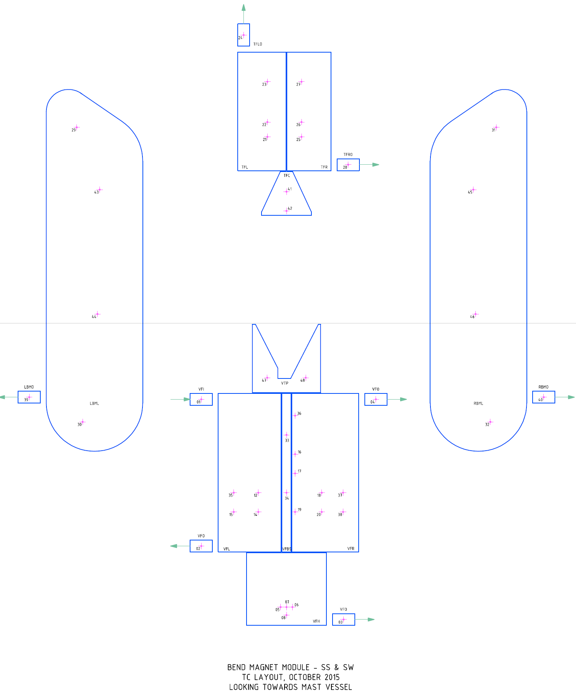

Drop2Mod3
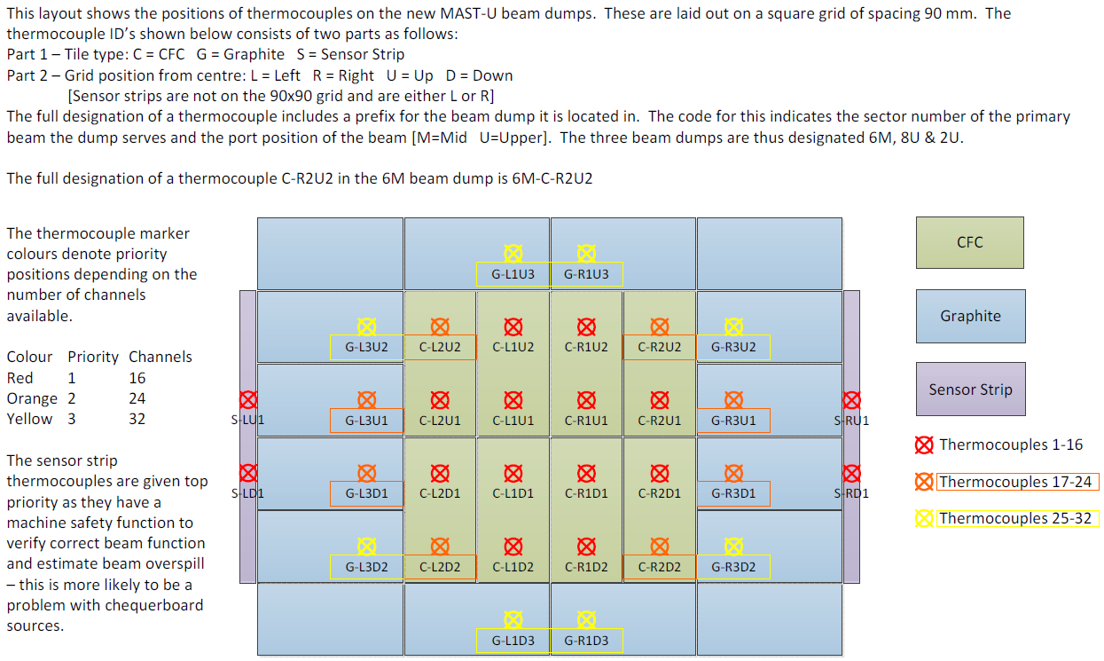
MAST-U Beam Dump |  |  |  |  |  |  |  | Module Active |  | 1 |  | Description | Units | Original Identifier | Feedthrough Location | Vacuum Feedthrough |  | Front End Lemo |  |  | Angle of Vapatron | Cos (Angle of Vapatron) | Location X (mm) | Location Y (mm) | Location Z (mm)
 | Drop | Module | ID | Module Type | Module Info | Channel Active | Channel Name | Component | Input Range | Terminal Mode | Path |  |  |  |  | + | - | + | - | s
161 | 2 | 3 | 0 | 9213 | Thermo | 1 | SS_2_3_00__DMP_S_LU1 | MAST-U Beam Dump |  |  |  | SS MAST Beam Dump Left Sensor Strip Thermocouple | ºC
162 | 2 | 3 | 1 | 9213 | Thermo | 1 | SS_2_3_01__DMP_S_LD1 | MAST-U Beam Dump |  |  |  | SS MAST Beam Dump Left Sensor Strip Thermocouple | ºC
163 | 2 | 3 | 2 | 9213 | Thermo | 1 | SS_2_3_02__DMP_S_RU1 | MAST-U Beam Dump |  |  |  | SS MAST Beam Dump Right Sensor Strip Thermocouple | ºC
164 | 2 | 3 | 3 | 9213 | Thermo | 1 | SS_2_3_03__DMP_S_RD1 | MAST-U Beam Dump |  |  |  | SS MAST Beam Dump Right Sensor Strip Thermocouple | ºC
165 | 2 | 3 | 4 | 9213 | Thermo | 1 | SS_2_3_04__DMP_C_L1U2 | MAST-U Beam Dump |  |  |  | SS MAST Beam Dump Left CFC Thermocouple | ºC
166 | 2 | 3 | 5 | 9213 | Thermo | 1 | SS_2_3_05__DMP_C_R1U2 | MAST-U Beam Dump |  |  |  | SS MAST Beam Dump Right CFC Thermocouple | ºC
167 | 2 | 3 | 6 | 9213 | Thermo | 1 | SS_2_3_06__DMP_C_L2U1 | MAST-U Beam Dump |  |  |  | SS MAST Beam Dump Left CFC Thermocouple | ºC
168 | 2 | 3 | 7 | 9213 | Thermo | 1 | SS_2_3_07__DMP_C_L1U1 | MAST-U Beam Dump |  |  |  | SS MAST Beam Dump Left CFC Thermocouple | ºC
169 | 2 | 3 | 8 | 9213 | Thermo | 1 | SS_2_3_08__DMP_C_R1U1 | MAST-U Beam Dump |  |  |  | SS MAST Beam Dump Right CFC Thermocouple | ºC
170 | 2 | 3 | 9 | 9213 | Thermo | 1 | SS_2_3_09__DMP_C_R2U1 | MAST-U Beam Dump |  |  |  | SS MAST Beam Dump Right CFC Thermocouple | ºC
171 | 2 | 3 | 10 | 9213 | Thermo | 1 | SS_2_3_10__DMP_C_L2D1 | MAST-U Beam Dump |  |  |  | SS MAST Beam Dump Left CFC Thermocouple | ºC
172 | 2 | 3 | 11 | 9213 | Thermo | 1 | SS_2_3_11__DMP_C_L1D1 | MAST-U Beam Dump |  |  |  | SS MAST Beam Dump Left CFC Thermocouple | ºC
173 | 2 | 3 | 12 | 9213 | Thermo | 1 | SS_2_3_12__DMP_C_R1D1 | MAST-U Beam Dump |  |  |  | SS MAST Beam Dump Right CFC Thermocouple | ºC
174 | 2 | 3 | 13 | 9213 | Thermo | 1 | SS_2_3_13__DMP_C_R2D1 | MAST-U Beam Dump |  |  |  | SS MAST Beam Dump Right CFC Thermocouple | ºC
175 | 2 | 3 | 14 | 9213 | Thermo | 1 | SS_2_3_14__DMP_C_L1D2 | MAST-U Beam Dump |  |  |  | SS MAST Beam Dump Left CFC Thermocouple | ºC
176 | 2 | 3 | 15 | 9213 | Thermo | 1 | SS_2_3_15__DMP_C_R1D2 | MAST-U Beam Dump |  |  |  | SS MAST Beam Dump Right CFC Thermocouple | ºC

Drop2Mod6
Cooling Water Flow/Temp |  |  |  |  |  |  |  | Module Active |  | 1 | No Ops < (l/min) | Yes Ops > (l/min) | Scale M | Scale c | Terminal Mode | Path | Description | Units | Feedthrough Location | Vacuum Feedthrough |  | Front End Lemo |  |  | Angle of Vapatron | Cos (Angle of Vapatron) | Location X (mm) | Location Y (mm) | Location Z (mm)
 | Drop | Module | ID | Module Type | Module Info | Channel Active | Channel Name | Component | Original Identifier | Available Flow (l/min) |  |  |  |  |  |  |  |  |  | + | - | + | - | s
193 | 2 | 6 | 0 | 9208 | 4-20mA | 1 | SS_2_6_00__COOL_SBF_01 | PF3W540S-F04-2T-RA-X128 Flow/Temp Meter | 10 | 33.2 | 25 | 30 | 2.50 | -10.00 |  |  | SS Source Body Flow | L/min |  |  |  | 1 | 23 | 2
194 | 2 | 6 | 1 | 9208 | 4-20mA | 1 | SS_2_6_01__COOL_SBT_01 |  |  |  |  |  | 6250.00 | -25.00 |  |  | SS Source Body Temperature | ºC |  |  |  | 22 | 37 | 21
195 | 2 | 6 | 2 | 9208 | 4-20mA | 1 | SS_2_6_02__COOL_G1F_01 | PF3W540S-F04-2T-RA-X128 Flow/Temp Meter | 11 | 26.5 | 20 | 25 | 2.50 | -10.00 |  |  | SS Grid 1 Flow | L/min |  |  |  | 3 | 4 | 24
196 | 2 | 6 | 3 | 9208 | 4-20mA | 1 | SS_2_6_03__COOL_G1T_01 |  |  |  |  |  | 6250.00 | -25.00 |  |  | SS Grid 1 Temperature | ºC |  |  |  | 20 | 19 | 36
197 | 2 | 6 | 4 | 9208 | 4-20mA | 1 | SS_2_6_04__COOL_G2F_01 | PF3W540S-F04-2T-RA-X128 Flow/Temp Meter | 12 | 26.5 | 15 | 20 | 2.50 | -10.00 |  |  | SS Grid 2 Flow | L/min |  |  |  | 6 | 26 | 5
198 | 2 | 6 | 5 | 9208 | 4-20mA | 1 | SS_2_6_05__COOL_G2T_01 |  |  |  |  |  | 6250.00 | -25.00 |  |  | SS Grid 2 Temperature | ºC |  |  |  | 25 | 39 | 40
199 | 2 | 6 | 6 | 9208 | 4-20mA | 1 | SS_2_6_06__COOL_G3F_01 | PF3W540S-F04-2T-RA-X128 Flow/Temp Meter | 13 | 26.5 | 20 | 25 | 2.50 | -10.00 |  |  | SS Grid 3 Flow | L/min |  |  |  | 47 | 48 | 38
200 | 2 | 6 | 7 | 9208 | 4-20mA | 1 | SS_2_6_07__COOL_G3T_01 |  |  |  |  |  | 6250.00 | -25.00 |  |  | SS Grid 3 Temperature | ºC |  |  |  | 35 | 46 | 45
201 | 2 | 6 | 8 | 9208 | 4-20mA | 1 | SS_2_6_08__COOL_G4F_01 | PF3W540S-F04-2T-RA-X128 Flow/Temp Meter | 14 | 26.5 | 20 | 25 | 2.50 | -10.00 |  |  | SS Grid 4/1st Stage Neutraliser Flow | L/min |  |  |  | 17 | 34 | 18
202 | 2 | 6 | 9 | 9208 | 4-20mA | 1 | SS_2_6_09__COOL_G4T_01 |  |  |  |  |  | 6250.00 | -25.00 |  |  | SS Grid 4/1st Stage Neutraliser Temperature | ºC |  |  |  | 27 | 8 | 7
203 | 2 | 6 | 10 | 9208 | 4-20mA | 1 | SS_2_6_10__COOL_2NF_01 | PF3W540S-F04-2T-RA-X128 Flow/Temp Meter | 1 | 50.5 | 38 | 45 | 2.50 | -10.00 |  |  | SS 2nd Stage Neutraliser Flow | L/min |  |  |  | 41 | 42 | 28
204 | 2 | 6 | 11 | 9208 | 4-20mA | 1 | SS_2_6_11__COOL_2NT_01 |  |  |  |  |  | 6250.00 | -25.00 |  |  | SS 2nd Stage Neutraliser Temperature | ºC |  |  |  | 44 | 43 | 32
205 | 2 | 6 | 12 | 9208 | 4-20mA | 1 | SS_2_6_12__COOL_PBF_01 | PF3W511-F06-2T-RA-X128 Flow/Temp Meter | 9 | 60 | 52 | 60 | 6.25 | -25.00 |  |  | SS PINI Backplate Flow | L/min |  |  |  | 33 | 15 | 16
206 | 2 | 6 | 13 | 9208 | 4-20mA | 1 | SS_2_6_13__COOL_PBT_01 |  |  |  |  |  | 6250.00 | -25.00 |  |  | SS PINI Backplate Temperature | ºC |  |  |  | 9 | 29 | 10
207 | 2 | 6 | 14 | 9208 | 4-20mA | 1 | SS_2_6_14__COOL_DSF_01 | PF3W540S-F04-2T-RA-X128 Flow/Temp Meter | 3 | 13.8 | 10 | 15 | 2.50 | -10.00 |  |  | SS Duct Scraper Flow | L/min |  |  |  | 12 | 11 | 30
208 | 2 | 6 | 15 | 9208 | 4-20mA | 1 | SS_2_6_15__COOL_DST_01 |  |  |  |  |  | 6250.00 | -25.00 |  |  | SS Duct Scraper Temperature | ºC |  |  |  | 14 | 31 | 13
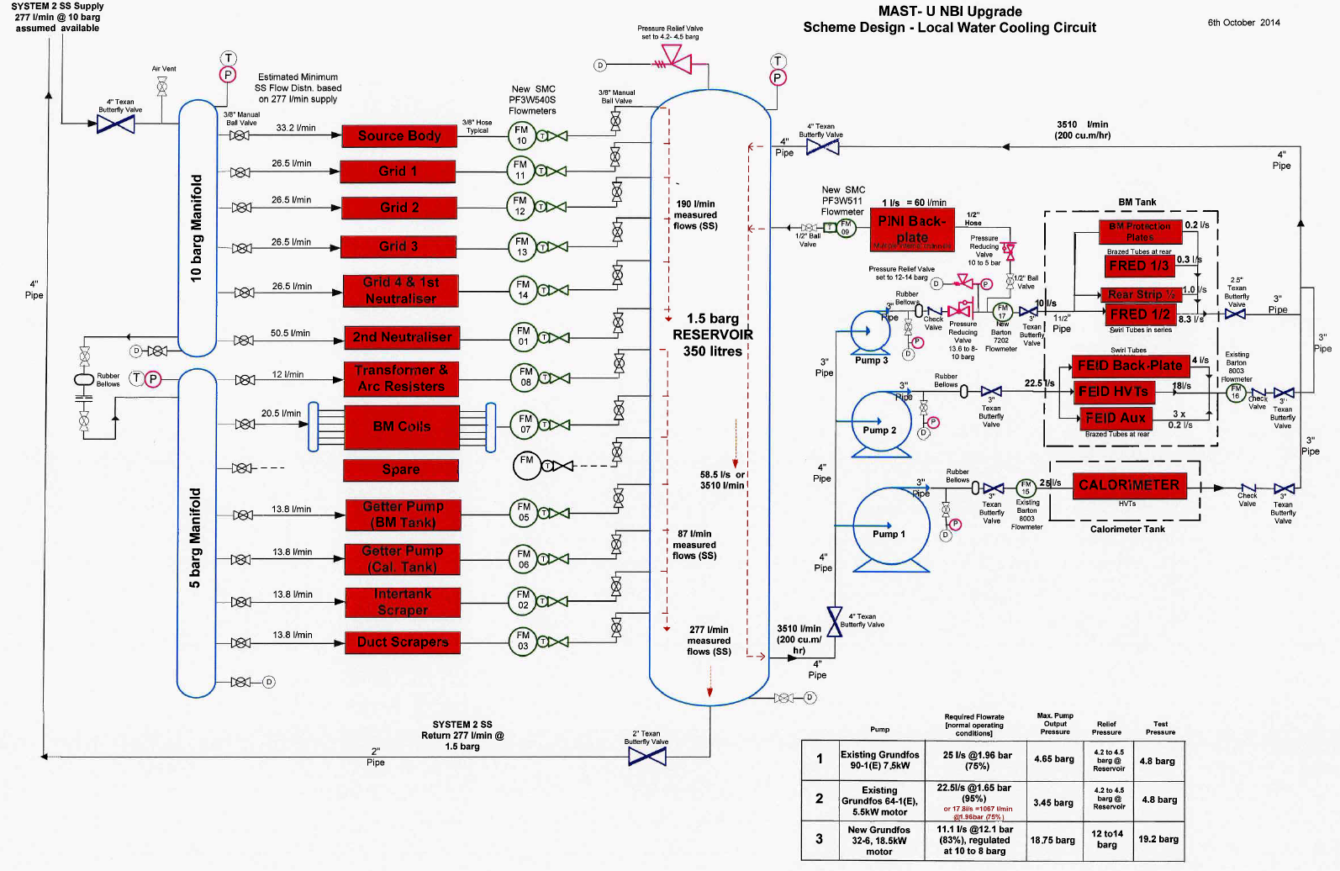

 |  |  |  |  |  |  |  |  |  |  |  |  |  |  |  |  |  |  |  | Current Ouput |  | Flow
 |  |  |  |  |  |  |  |  |  |  |  |  |  |  |  |  |  |  | 540 | 4.00E-03 |  | 0
 |  |  |  |  |  |  |  |  |  |  |  |  |  |  |  |  |  |  |  | 6.00E-03 |  | 5
 |  |  |  |  |  |  |  |  |  |  |  |  |  |  |  |  |  |  |  | 2.00E-02 |  | 40

 |  |  |  |  |  |  |  |  |  |  |  |  |  |  |  |  |  |  | 511 | 4.00E-03 |  | 0
 |  |  |  |  |  |  |  |  |  |  |  |  |  |  |  |  |  |  |  | 5.60E-03 |  | 10
 |  |  |  |  |  |  |  |  |  |  |  |  |  |  |  |  |  |  |  | 2.00E-02 |  | 100

 |  |  |  |  |  |  |  |  |  |  |  |  |  |  |  |  |  |  |  |  |  |  |  |  |  |  | 2.40E-03 | -10
 |  |  |  |  |  |  |  |  |  |  |  |  |  |  |  |  |  |  |  |  |  |  |  |  |  |  | 4.00E-03 | 0
 |  |  |  |  |  |  |  |  |  |  |  |  |  |  |  |  |  |  |  |  |  |  |  |  |  |  | 2.00E-02 | 100
 |  |  |  |  |  |  |  |  |  |  |  |  |  |  |  |  |  |  |  |  |  |  |  |  |  |  | 2.16E-02 | 110

Duct Liner Thermocouples
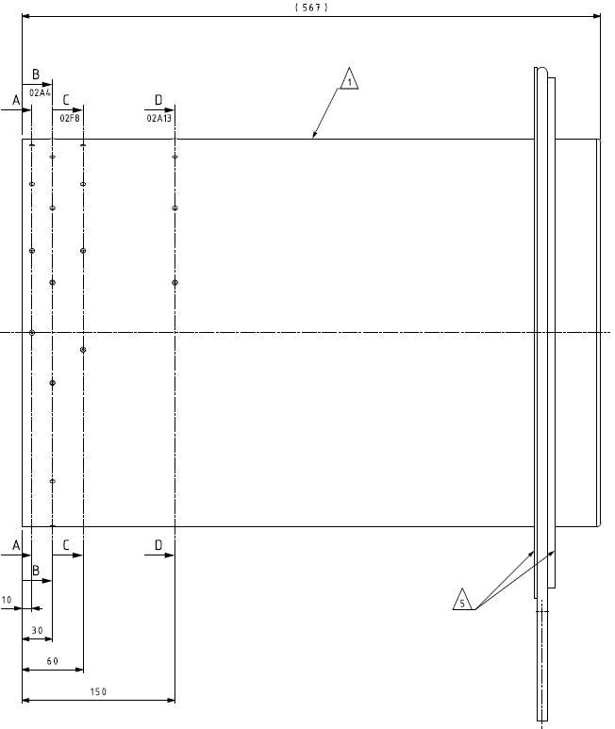
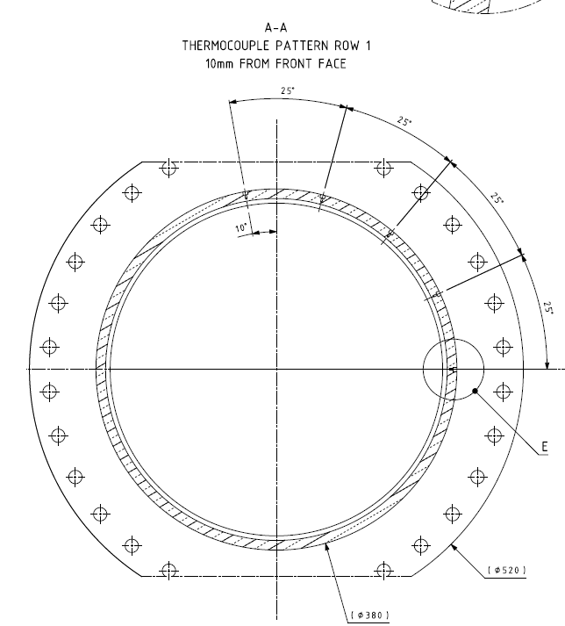
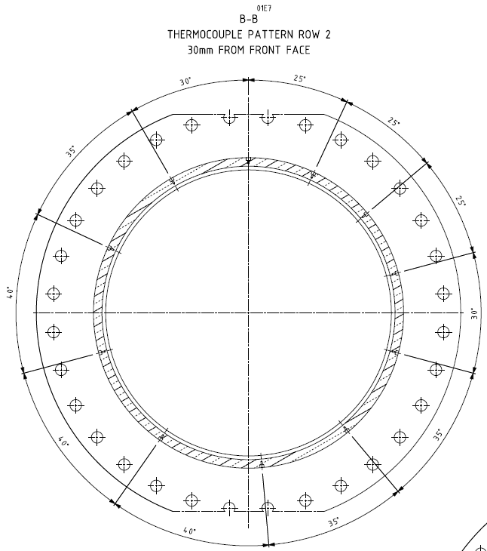
1 | DCT_A_01
2 | DCT_A_02
3 | DCT_A_03
B1
4 | DCT_A_04
A01
5 | DCT_A_05
B11
6 | DCT_B_01
7 | DCT_B_02
8 | DCT_B_03
9 | DCT_B_04
10 | DCT_B_05
11 | DCT_B_06
12 | DCT_B_07
13 | DCT_B_08
14 | DCT_B_09
15 | DCT_B_10
16 | DCT_B_11
A05
17 | DCT_C_01
18 | DCT_C_02
19 | DCT_C_03
20 | DCT_C_04
21 | DCT_C_05
22 | DCT_D_01
23 | DCT_D_02
24 | DCT_D_03
25 | DCT_D_04

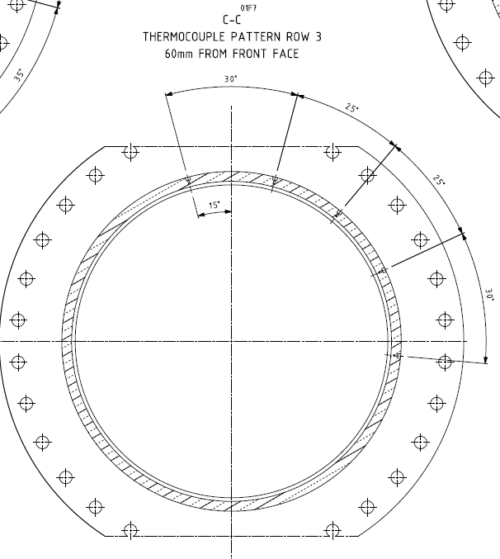
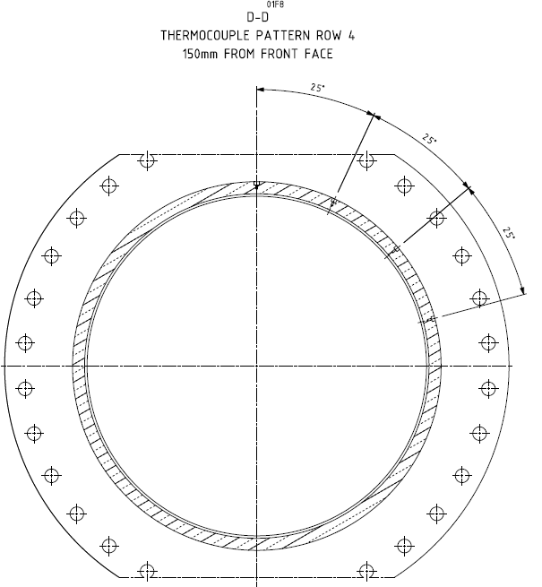

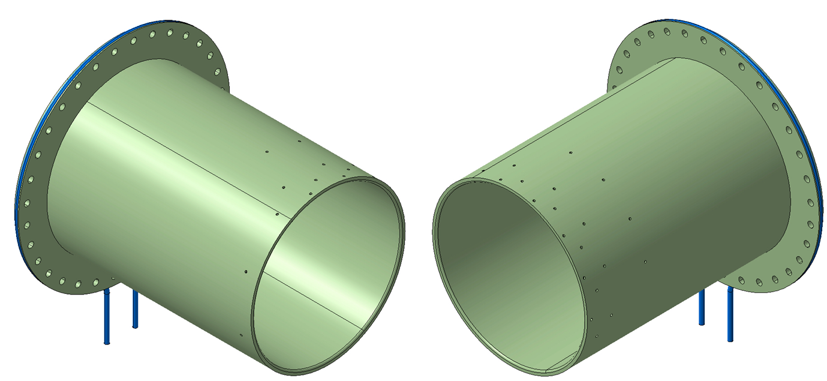
D01
C01

D04

C05

Cooling Flow Calculations
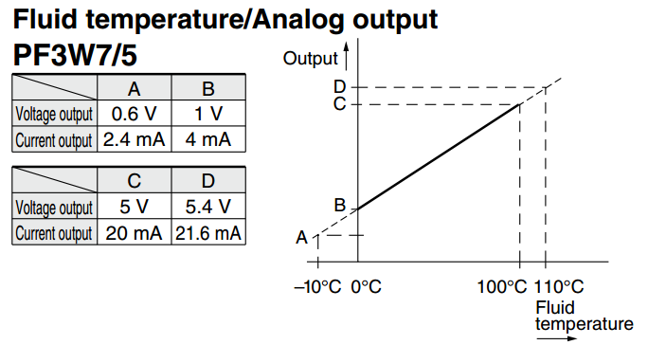
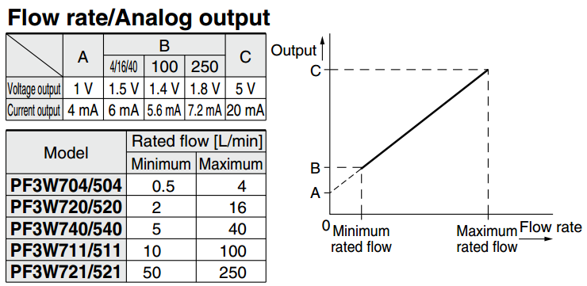
PF3W540S |  |  |  | PF3W511
Flow |  | Temp |  | Flow |  | Temp
l/min | mA | ºC | mA | l/min | mA | ºC | mA
0.00 | 4.00 | -10 | 0.0024 | 0.00 | 4.00 | -10 | 0.0024
5.0 | 6.00 | 0 | 0.004 | 10.0 | 5.60 | 0 | 0.004
40.0 | 20.00 | 100 | 0.02 | 100.0 | 20.00 | 100 | 0.02
 |  | 110 | 0.0216 |  |  | 110 | 0.0216
M | 2.5 | M | 6250 | M | 6.25 | M | 6250
c | -10.00 | c | -25.000 | c | -25.00 | c | -25.000
L/min | 2.5mA + -10 | L/min | 6250mA + -25 | L/min | 6.25mA + -25 | L/min | 6250mA + -25
L/min | 40.00 | L/min | 110.00 | L/min | 100.00 | L/min | 110.00

PXF-20 - Freq to current convertor
Hz | mA
0 | 4
1000 | 20
M | 62.5
c | -250
Hz | 62.5mA + -250
Hz | 1000
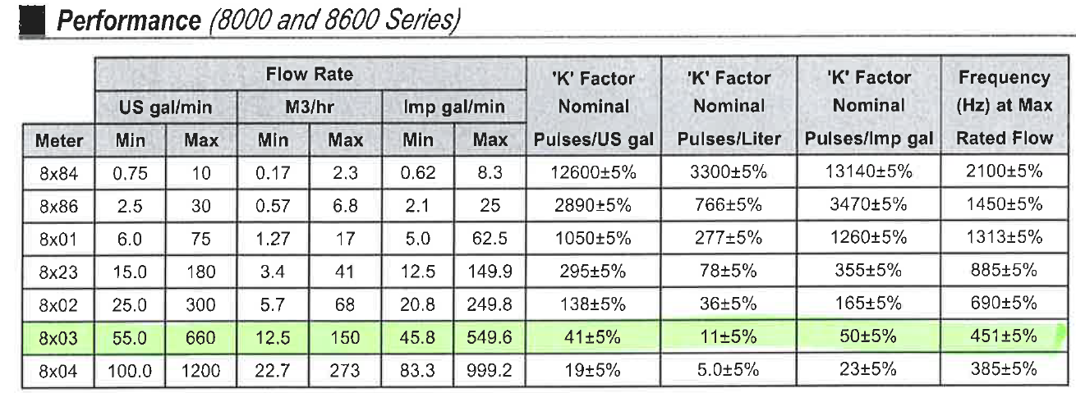
Barton 8003 Turbine
pulses /litre | 11
 | M3/hr | l/min | Hz | mA
Min | 12.50 | 208.33 | 38 | 4.61
Max | 150.00 | 2500.0 | 458 | 11.33
M | 5.4545454545
c | 0.000E+00
Include Frequency Convertor
M | 340.91
c | -1363.64
L/min | 340.91mA -1363.64
L/min | 2500.00
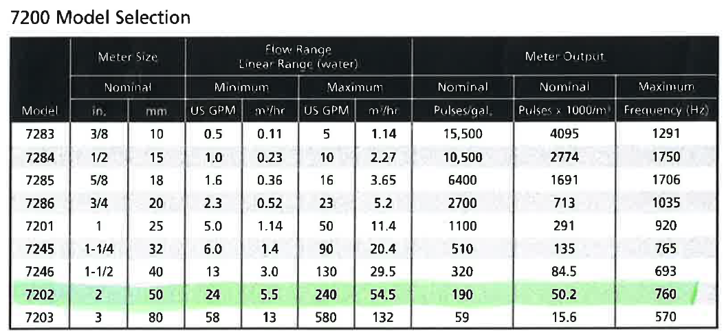
Barton 7202 Turbine
pulses /litre | 50.2
 | M3/hr | l/min | Hz | mA
Min | 5.50 | 91.67 | 77 | 5.23
Max | 54.50 | 908.33 | 760 | 16.16
M | 1.1952191235
c | 0.000E+00
Include Frequency Convertor
M | 74.70
c | -298.80
L/min | 74.7mA -298.8
L/min | 91.67

