Insights
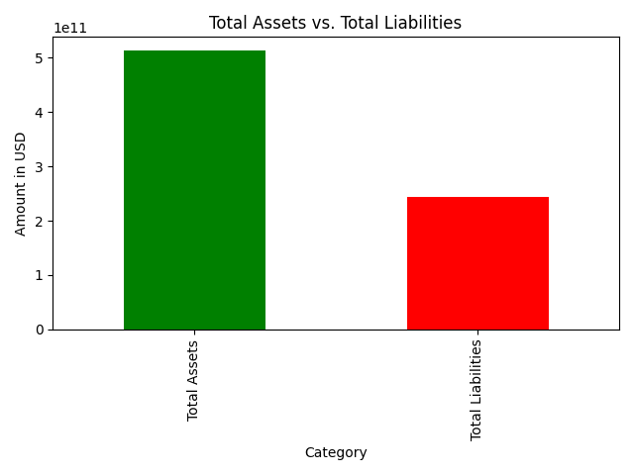
Insights
Total Assets: $512,163,000,000.00
Total Liabilities: $243,686,000,000.00
Stockholders' Equity: $268,477,000,000.00
The company has more assets than liabilities, indicating positive net worth.
Debt to Equity Ratio: 0.91
The company has a healthy balance of debt and equity.

