Insights
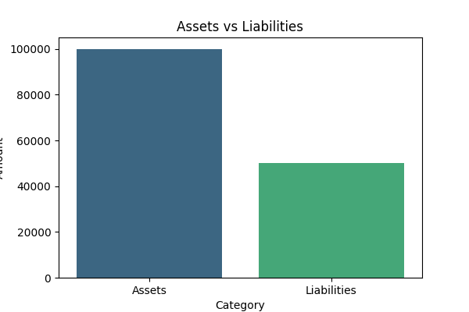
Document | Topic | Keywords | Sentiment
doc1 | Topic1 | keyword1, keyword2 | Positive
doc2 | Topic2 | keyword3, keyword4 | Neutral
doc3 | Topic3 | keyword5, keyword6 | Negative

