Theater Outcomes by Launch Date
Parent Category | theater
Year | (All)

Theater Outcomes by Month
 | successful | failed | canceled
Jan | 56 | 33 | 7
Feb | 71 | 39 | 3
Mar | 56 | 33 | 3
Apr | 71 | 40 | 2
May | 111 | 52 | 3
Jun | 100 | 49 | 4
Jul | 87 | 50 | 1
Aug | 72 | 47 | 4
Sep | 59 | 34 | 4
Oct | 65 | 50
Nov | 54 | 31 | 3
Dec | 37 | 35 | 3
Count of outcomes | Column Labels
Row Labels | successful | failed | canceled | Grand Total
Jan | 56 | 33 | 7 | 96
Feb | 71 | 39 | 3 | 113
Mar | 56 | 33 | 3 | 92
Apr | 71 | 40 | 2 | 113
May | 111 | 52 | 3 | 166
Jun | 100 | 49 | 4 | 153
Jul | 87 | 50 | 1 | 138
Aug | 72 | 47 | 4 | 123
Sep | 59 | 34 | 4 | 97
Oct | 65 | 50 |  | 115
Nov | 54 | 31 | 3 | 88
Dec | 37 | 35 | 3 | 75
Grand Total | 839 | 493 | 37 | 1369

Outcomes Based on Goals
Goal | Number Successful | Number Failed | Number Canceled | Total Projects | Percentage Successful | Percentage Failed | Percentage Canceled
Less Than 1000 | 141 | 45 | 0 | 186 | 75.81% | 24.19% | 0.00%
1000 to 4999 | 388 | 146 | 0 | 534 | 72.66% | 27.34% | 0.00%
5000 to 9999 | 93 | 76 | 0 | 169 | 55.03% | 44.97% | 0.00%
10000 to 14999 | 39 | 33 | 0 | 72 | 54.17% | 45.83% | 0.00%
15000 to 19999 | 12 | 12 | 0 | 24 | 50.00% | 50.00% | 0.00%
20000 to 24999 | 9 | 11 | 0 | 20 | 45.00% | 55.00% | 0.00%
25000 to 29999 | 1 | 4 | 0 | 5 | 20.00% | 80.00% | 0.00%
30000 to 34999 | 3 | 8 | 0 | 11 | 27.27% | 72.73% | 0.00%
35000 to 39999 | 4 | 2 | 0 | 6 | 66.67% | 33.33% | 0.00%
40000 to 44999 | 2 | 1 | 0 | 3 | 66.67% | 33.33% | 0.00%
45000 to 49999 | 0 | 1 | 0 | 1 | 0.00% | 100.00% | 0.00%
50000 or More | 2 | 14 | 0 | 16 | 12.50% | 87.50% | 0.00%
Outcomes Based on Goal

Category statistics
country | US
Parent Category Outcomes
Count of outcomes | Column Labels
Row Labels | canceled | failed | successful | Grand Total
technology | 121 | 138 | 158 | 417
Grand Total | 121 | 138 | 158 | 417

Subcategory Statistics
country | GB
Parent Category | (All)

Count of outcomes | Column Labels
Row Labels | failed | live | successful | Grand Total
plays | 70 | 6 | 238 | 314
Grand Total | 70 | 6 | 238 | 314

Outcomes based on Launch dates
Parent Category | technology
Years | (All)
Outcomes based on Launch dates
Count of outcomes | Column Labels
Row Labels | canceled | failed | successful | Grand Total
Jan | 17 | 23 | 9 | 49
Feb | 13 | 14 | 20 | 47
Mar | 12 | 13 | 17 | 42
Apr | 11 | 7 | 26 | 44
May | 11 | 11 | 14 | 36
Jun | 17 | 22 | 17 | 56
Jul | 18 | 17 | 18 | 53
Aug | 12 | 14 | 18 | 44
Sep | 13 | 24 | 15 | 52
Oct | 12 | 23 | 20 | 55
Nov | 26 | 23 | 24 | 73
Dec | 16 | 22 | 11 | 49
Grand Total | 178 | 213 | 209 | 600

Descriptive Statistics
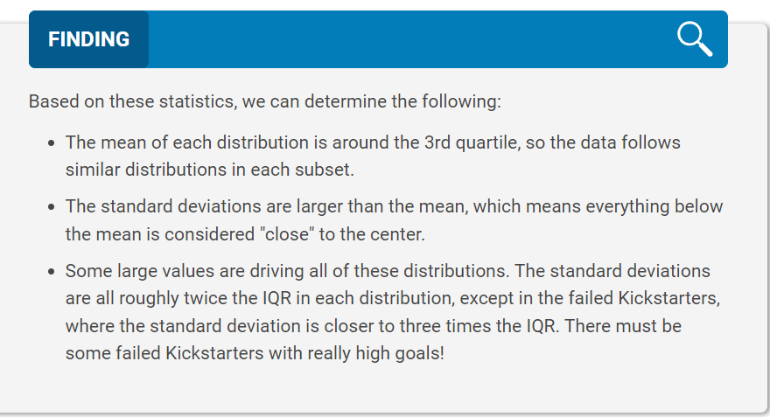
 | Successful | Failed
Mean Goal | $5,049 | $10,554
Median Goal | $3,000 | $5,000
Standard Deviation of Goal | $7,749 | $21,968
Upper Quartile of Goal | $5,000 | $10,000
Lower Quartile of Goal | $1,500 | $2,000
IQR of Goal | $3,500 | $8,000

Mean Pledged | $5,602 | $559
Median Pledged | $3,168 | $103
Standard Deviation of Pledged | $8,335 | $1,331
Upper Quartile of Pledged | $5,699 | $501
Lower Quartile of Pledged | $1,717 | $9
IQR of Pledged | $3,982 | $492

