Comparacion ranking top10
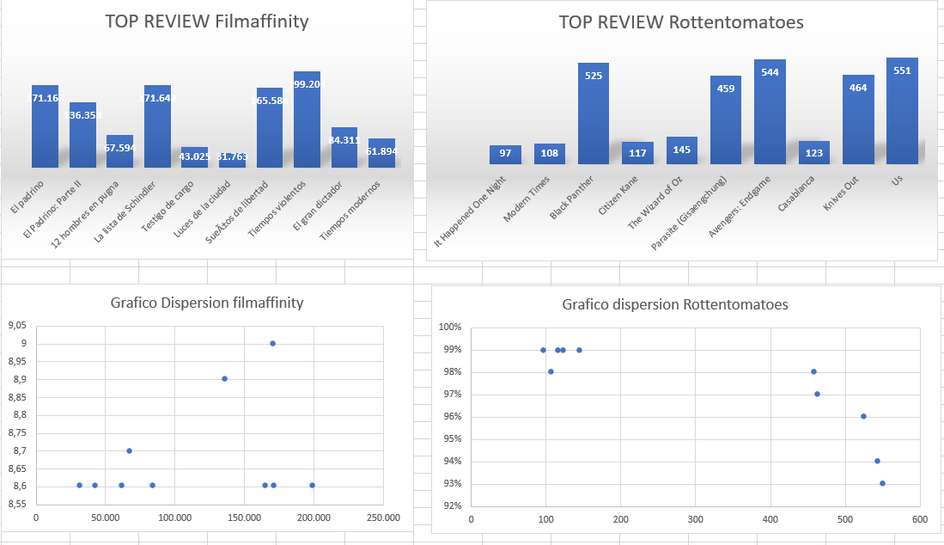
IMDB | Filmaffinity | Rottentomatoes

1. Sueños de Libertad | El padrino | It Happened One Night
2. El padrino | El Padrino: Parte II | Modern Times
3. El padrino II | 12 hombres en pugna | Black Panther
4. The Dark Knight | La lista de Schindler | Citizen Kane
5. 12 Angry Men | Testigo de cargo | The Wizard of Oz
6. La lista de Schindler | Luces de la ciudad | Parasite (Gisaengchung)
7. The Lord of the Rings: The Return of the King | SueÃ±os de libertad | Avengers: Endgame
8. Pulp Fiction: Tiempos violentos | Tiempos violentos | Casablanca
9. El bueno, el malo y el feo | El gran dictador | Knives Out
10. El señor de los anillos: La comunidad del anillo | Tiempos modernos | Us

