Sheet
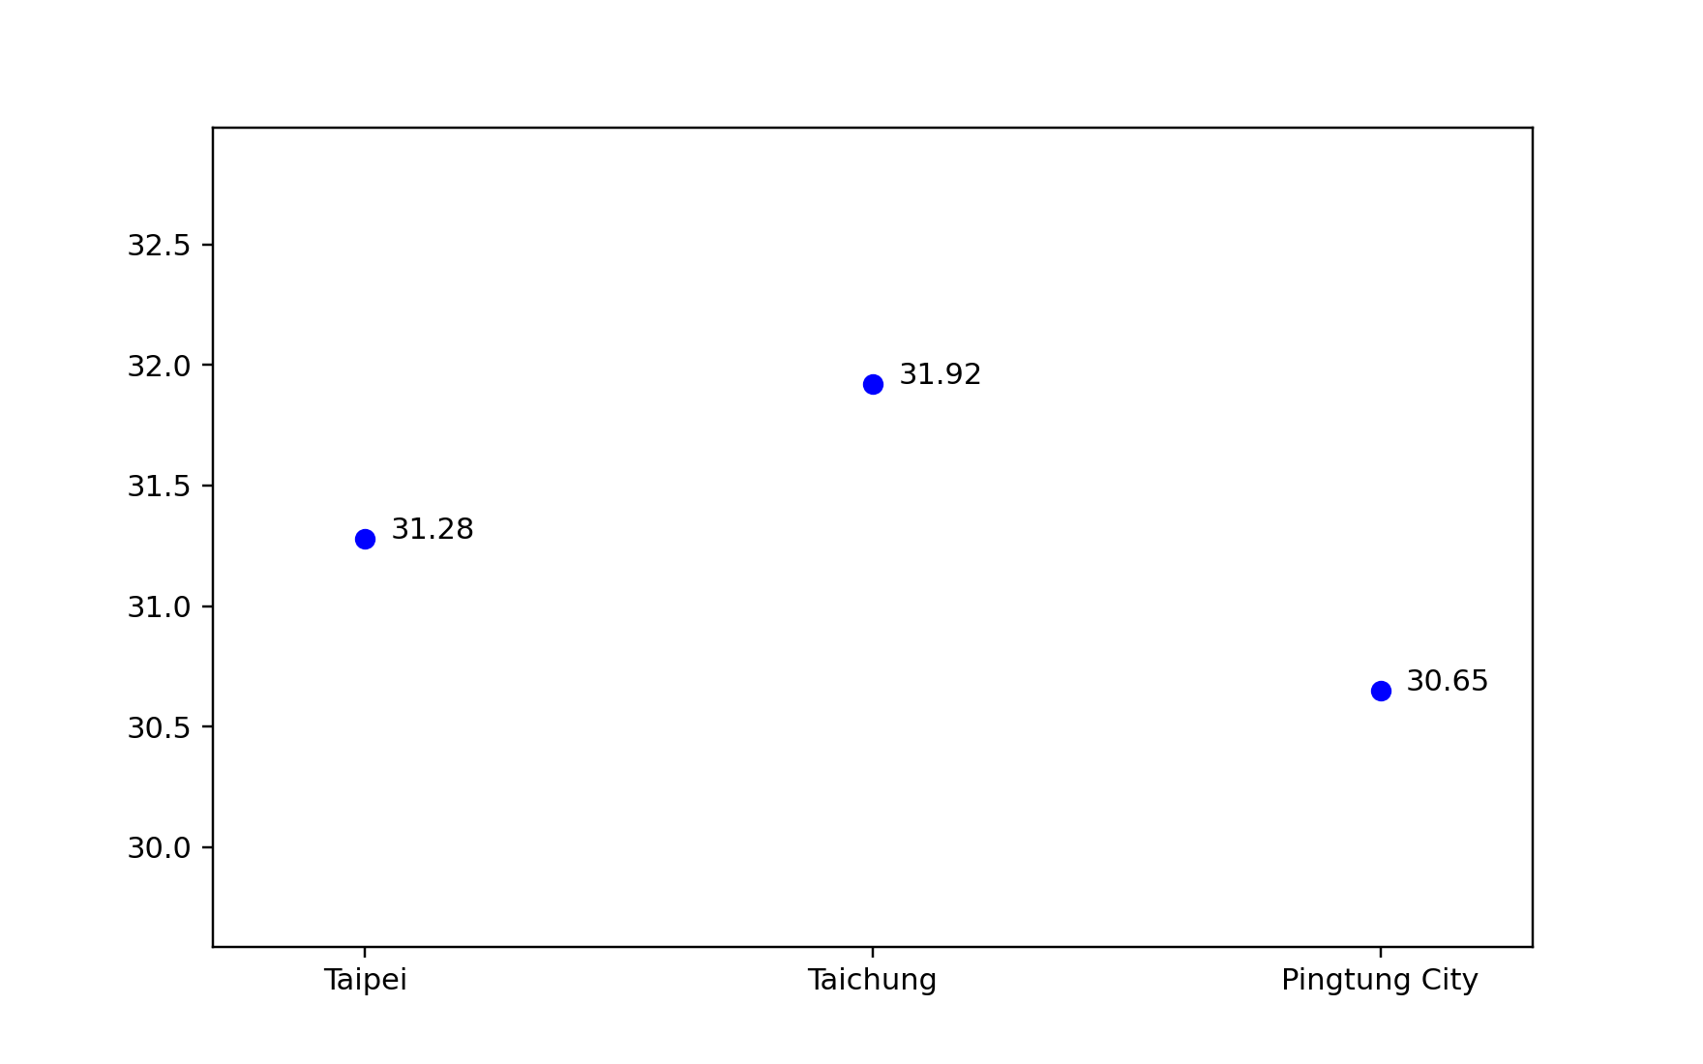
Taipei | Taichung | Pingtung City
31.28 | 31.92 | 30.65

