Sheet1
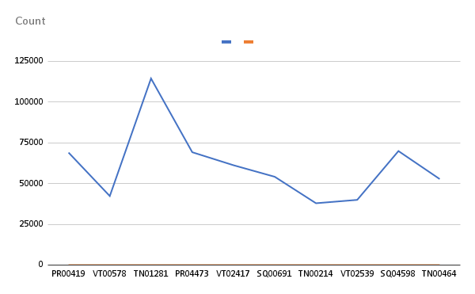
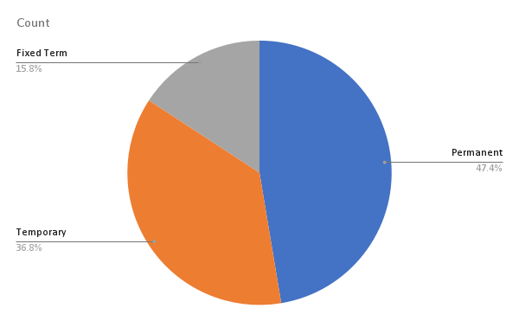
Emp ID | Name | Gender | Department | Salary | Start Date | FTE | Employee type | Work location
PR00147 | Minerva Ricardot | Male | NULL | 105468.7 | 12-Nov-18 | 1 | Permanent | Remote
PR04686 | Oona Donan | Female | Business Development | 88360.79 | 43710 | 1 | Permanent | Seattle, USA
SQ04612 | Mick Spraberry | Female | Services | 85879.23 | 43902 | 1 | Permanent | Remote
VT01803 | Freddy Linford | Female | Training | 93128.34 | Mar 5, 2018 | 1 | Fixed Term | Seattle, USA
TN02749 | Mackenzie Hannis | Female | Training | 57002.02 | 2-Apr-18 | 0.7 | Permanent | Hyderabad, India
SQ00144 | Collen Dunbleton | Male | Engineering | 118976.16 | Oct 16, 2020 | 1 | Permanent | Wellington, New Zealand
PR04601 | Nananne Gehringer |  | Support | 104802.63 | 44502 | 1 | Permanent | Hyderabad, India
SQ01854 | Jessica Callcott | Female | Marketing | 66017.18 | 43643 | 0.9 | Permanent | Remote
SQ00612 | Leena Bruckshaw | Male | Research and Development | 74279.01 | 43466 | 1 | Permanent | Wellington, New Zealand
PR00419 | Billi Fellgate | Female | Business Development | 68980.52 | 43494 | 0.8 | Permanent | Remote
VT00578 | Magnum Locksley | Female | Services | 42314.39 | Oct 18, 2021 | 1 | Fixed Term | Remote
TN01281 | Cletus McGarahan | Female | Engineering | 114425.19 | 27-Jan-20 | 1 | Permanent | Wellington, New Zealand
PR04473 | Wyn Treadger | Female | Business Development | 69192.85 | 19-Apr-21 | 1 | Permanent | Columbus, USA
VT02417 | Evangelina Lergan | Male | Support | 61214.26 | 12-Mar-18 | 1 | Temporary | Auckland, New Zealand
SQ00691 | Verla Timmis | Male | Support | 54137.05 | 25-Oct-19 | 1 | Permanent | Remote
TN00214 | Jo-anne Gobeau | Female | Training | 37902.35 | Dec 24, 2019 | 1 | Permanent | Chennai, India
VT02539 | Devinne Tuny | Male | Engineering | 39969.72 | 10-Dec-18 | 1 | Temporary | Columbus, USA
SQ04598 | Pearla Beteriss | Male | Services | 69913.39 | 43584 | 1 | Permanent | Remote
TN00464 | Maritsa Marusic | Male | Research and Development | 52748.63 | 27-Jan-20 | 1 | Permanent | Chennai, India
PR00893 | Daisie McNeice | Male | Human Resources | 50310.09 | 44285 | 0.4 | Permanent | Hyderabad, India
PR00882 | Jill Shipsey | Male | Accounting | 52963.65 | 44288 | 0.3 | Permanent | Columbus, USA
PR03445 | Myrle Prandoni | Male | Sales | 62195.47 | 26-Aug-21 | 1 | Permanent | Remote
TN03416 | Seward Kubera | Male | Engineering | 43329.22 | 43809 | 0.5 | Fixed Term | Remote
TN00890 | Dean Biggam | Female | Training | 71570.99 | 22-Feb-21 | 0.5 | Permanent | Hyderabad, India
VT04137 | Marissa Infante |  | Training | 78840.23 | 43633 | 1 | Temporary | Remote
PR02603 | Daisie Dahlman | Female | Human Resources | 61994.76 | 43794 | 0.3 | Permanent | Hyderabad, India
PR03158 | Danica Nayshe | Female | Services | 89690.38 | 43206 | 1 | Permanent | Wellington, New Zealand
PR02288 | Althea Bronger | Male | Product Management | 104335.04 | 43874 | 1 | Permanent | Columbus, USA
VT03849 | Leonidas Cavaney | Male | Accounting | 52246.29 | 18-Apr-19 | 1 | Temporary | Wellington, New Zealand
SQ01395 | Dennison Crosswaite | Male | Legal | 90697.67 | 44221 | 0.8 | Permanent | Seattle, USA
SQ02559 | Aldrich Glenny | Male | Business Development | 90884.32 | 27-Dec-19 | 1 | Permanent | Columbus, USA
VT04627 | Yvette Bett | Male | Human Resources | 76320.44 | 44383 | 0.8 | Temporary | Remote
VT03537 | Renaldo Thomassin | Male | Business Development | 73360.38 | 43972 | 1 | Temporary | Remote
PR01951 | Aloise MacCathay | Male | NULL |  | Aug 12, 2020 | 0.7 | Permanent | Auckland, New Zealand
PR01662 | Genevra Friday | Female | Research and Development | 50449.46 | 14-Nov-18 | 0.8 | Permanent | Auckland, New Zealand
VT02313 | Thekla Lynnett | Male | Training | 53949.26 | 43808 | 1 | Temporary | Columbus, USA
SQ01620 | Westbrook Brandino | Male | Legal | 113616.23 | 43255 | 1 | Permanent | Remote
VT04681 | Nickolai Artin | Female | Product Management | 110906.35 | Nov 30, 2018 | 1 | Temporary | Wellington, New Zealand
TN04246 | Shaylyn Ransbury | Female | Support | 100371.31 | 44067 | 0.8 | Fixed Term | Auckland, New Zealand
TN02570 | Grady Rochelle | Female | Accounting | 69163.39 | 43397 | 1 | Permanent | Remote
VT02801 | Shellysheldon Mahady | Male | Training | 114691.03 | 27-Jul-20 | 1 | Temporary | Wellington, New Zealand
SQ01177 | Riccardo Hagan | Male | Human Resources | 86556.96 | 30-Sep-20 | 1 | Permanent | Hyderabad, India
VT01740 | Ginger Myott | Female | Services | 31172.77 | 19-Jul-19 | 1 | Fixed Term | Remote
TN01876 | Aileen McCritchie | Male | Business Development | 80169.42 | 10-Aug-20 | 1 | Permanent | Auckland, New Zealand
VT02313 | Thekla Lynnett | Male | Training | 53949.26 | 43808 | 1 | Temporary | Columbus, USA
VT03988 | Oby Sorrel | Female | Support | 58935.92 | 9-Sep-19 | 1 | Temporary | Hyderabad, India
TN00227 | Lincoln Cord | Female | Support | 63555.73 | 24-Nov-20 | 1 | Permanent | Chennai, India
VT01092 | Tabby Astall | Male | Accounting | 57419.35 | 43305 | 1 | Fixed Term | Auckland, New Zealand
TN03169 | Doe Clubley | Female | Product Management | 67818.14 | Nov 2, 2018 | 0.6 | Fixed Term | Remote

