user
Name | Phone Number | Email | Reward Option | Image Path | Image
Test | 1234567890 | test@gmail.com | Water Bottle | uploads\feedbackimage\DescriptionMainImage1.jpg | 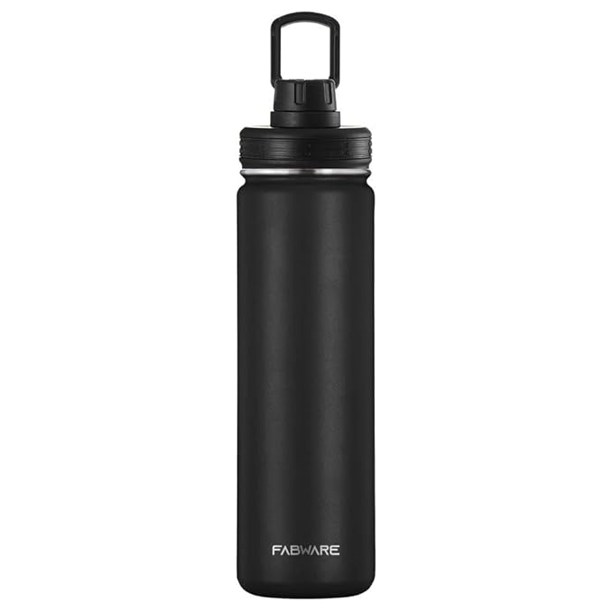
Test | 1234567890 | jo@gmail.com | Water Bottle | uploads\feedbackimage\DescriptionMainImage1.jpg
Test | 1234567890 | jo@gmail.com | Water Bottle | uploads\feedbackimage\DescriptionMainImage1.jpg
Test1 | 1234567890 | test@gmail.com | Water Bottle | uploads\feedbackimage\DescriptionMainImage1.jpg

