user
Name | Phone Number | Email | Reward Option | Image Path | Image
Jothika M | 80988 90723 | mjothi680@gmail.com | Water Bottle | uploads\feedbackimage\DescriptionMainImage1.jpg | 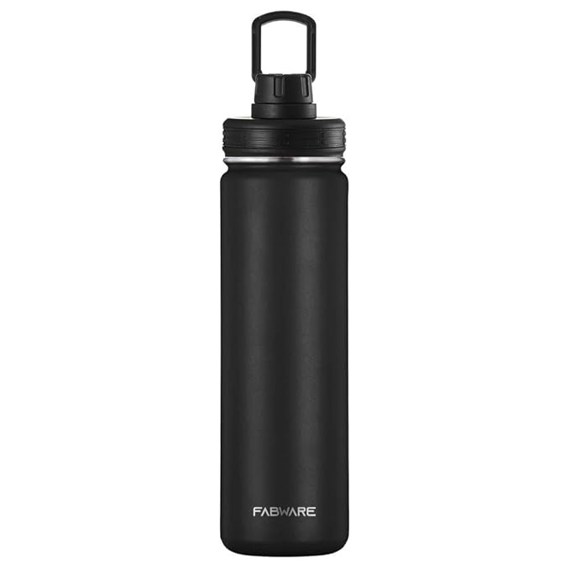
Jothika M | 80988 90723 | mjothi680@gmail.com | Toilet Paper Holder | uploads\feedbackimage\DescriptionMainImage2.jpg | 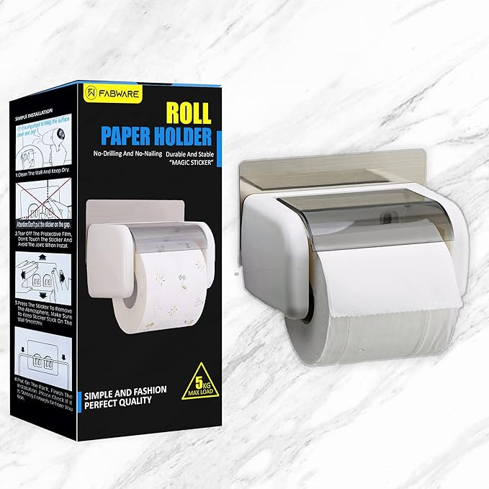
Jothi | 1234567890 | jo@gmail.com | Water Bottle | uploads\feedbackimage\DescriptionMainImage1.jpg

