ARTCOOL AI Air(with Radar)
Product Name
LG ARTCOOL AI Air (2025 S1)
with Radar Sensor

Product Head Message |  |  |  |  |  |  |  |  |  |  | CHAR | Max 50 BYTES
 |  |  |  |  |  |  | Intelligent cooling, perfectly tuned |  |  |  | 36 | 36 | 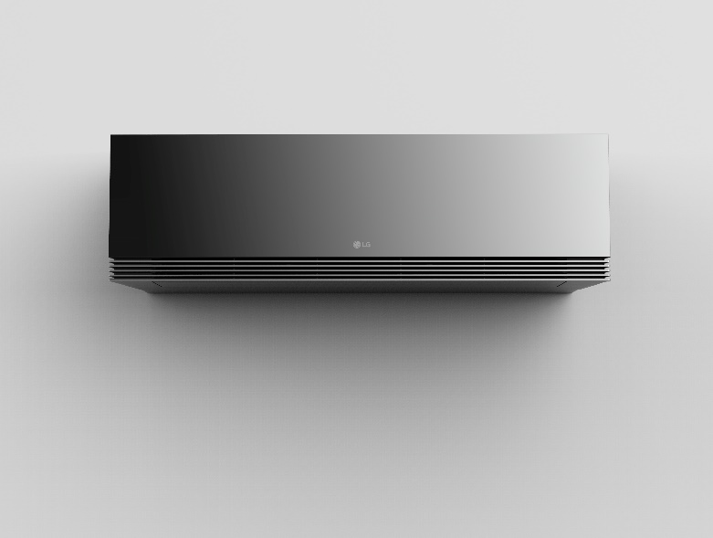

# | BENEFIT CATEGORY | CATEGORY KEY MESSAGE | USP # | USP / FEATURE NAME |  |  | KEY MESSAGE (Full) |  |  | KEY MESSAGE (Short) |  |  | BENEFIT DESCRIPTION (one sentence) |  |  | REASON TO BELIEVE DESCRIPTION | DISCLAIMER | CERTIFICATION | REMARK
 |  |  |  |  |  |  | usage: LG.com Headline |  |  | usage: TVC, USP Film, Event, POP, Social Contents |  |  | usage: LG.com Body Copy |  |  | usage: Product Introduction / Training Material
 |  |  |  |  | CHAR | Max 27 BYTES |  | CHAR | Max 60 BYTES |  | CHAR | Max 60 BYTES |  | CHAR | Max 100 BYTES
1 | AI Comfort Control | Elevate your comfort effortlessly with AI-powered control. Throughout the year, our intelligent system seamlessly adjusts temperature, humidity, and airflow to offer optimal comfort every moment. | 1-1 | AI Air (with Radar sensor) | 26 | 26 | Intelligently adapts for your comfort | 37 | 37 | Intelligently adapts for your comfort | 37 | 37 | AI Air offers optimal comfort by continuously adapting its airflow, with radar sensor tracking your location. | 110 | 110 | [Human Detecting Sensor] Tracks your location and adjusts airflow accordingly. Based on your settings, you can receive direct or indirect airflow, ensuring perfect comfort tailored just for you. [Spatial Analysis AI] Intelligent airflow through spatial analysis. a. Photo Analysis: Capture your space, and let AI craft the optimal pathway for airflow. b. Customize: Provide ThinQ with your space layout and receive the optimal pathway for airflow. | * The AI Air can be operated via remote control and ThinQ. * The AI Air is available in both cooling and heating modes. * While using AI Air, the air volume and wind direction are automatically adjusted according to the situation, and AI Air is turned off when the wind direction is changed. * When AI Air is activated, the radar sensor detects the location of the occupant and automatically activates the direct/indirect wind. * The sensing distance of the radar sensor is up to 5m, and there may be differences in the sensing distance depending on the installation and usage environment of the product. * I can use the function only for models with radar sensors.
 |  |  | 1-2 | Soft Air | 8 | 8 | Custom comfy cool, never frosty chill | 38 | 38 | Custom cool, no chill (Custom soft cool, no chill) | 50 | 50 | Stay cool not frosty, Soft Air mode creates an indirect airflow for the perfect indoor atmosphere. | 98 | 98 | “Soft Air” can provide customized cooling for each customer by controlling the wind temperature and fine range wind speeds. When using the soft air function, the lower vane will closed and air begins to discharge through the front outlet. The wind discharged from the front side of the product, flows downward from the ceiling, providing the comfort of indirect wind. | *This function can be applied Cooling/Fan mode only. Wind temperature can be controlled through remote controller or LG ThinQ app. Setting room temperature can control through LG ThinQ app only. The wind temperature is displayed on the remote controller only in step(-4 to +4), and the temperature is not displayed. During the use of this feature, the minimum settable room temperature is 24°C.
 |  |  | 1-3 | DUAL Vane | 9 | 9 | Optimal airflow direction, any-temperature comfort | 51 | 51 | Optimal airflow direction, any temperature (Optimal airflow direction for cool or warmth) | 89 | 89 | Dual Vane spreads airflow up or down, further and faster, for ideal comfort in any season. | 91 | 91 | By optimized control two separate vanes simultaneously through multi links, the airflow control range is improved compared to a single vane, providing air conditioning through indirect wind. The “Dual Vane” can send wind up to 22m distance, which is 22% longer than previous, allowing cool air to reach end of the room. “Dual Vane” can provide optimized airflow that single vanes cannot achieve. This enables cooling up to 23% faster than single vane cooling performance and 6% faster than single vane heating performance base on S1 platform vs. SK platform test result. | *Date 2023.10 LG air conditioner home environment testing chamber, 20.9 ㎡/50.1 ㎥, Jet Mode, Indoor DB (33±0.3)℃/ RH (60±5)%, Outdoor DB (35±0.3)℃/ RH (50±5)% 18℃ setting on cooling mode, Indoor DB (12±0.3)℃/ RH (60±5)%, Outdoor DB (7±0.3)℃/ RH (87±5)% 30℃ setting on heating mode, measuring the time required to drop 5℃ (for cooling)/ rise 5℃ (for heating), from the initial average room temperature. Test Model: S3-M12KL2MB(SK), S3-M121L1C0 (S1 New Platform) Test result : The S1 new platform has up to 23% faster in cooling mode, 6% faster in heating mode then SK previous model base on test condition. *The performance result may vary depending on actual usage conditions.
 |  |  | 1-4 | Comfort Humidity Control | 24 | 24 | Set your cool, get optimized humidity | 37 | 37 | Set cool, get optimized humidity | 32 | 32 | No excess chill, Comfort Humidity Control perfects your home with humidity optimized to your desired temperature | 112 | 112 | The function senses indoor relative humidity through the embedded humidity sensor. When the "Comfortable Humidity Control" mode is activated, the product detects the humidity and temperature in the room and maintains an optimal humidity level according to the desired temperature The product operate with a relative humidity of 60% target to maintain comfort at the desired temperature. | *The air flow changes automatically based on the operating environment. *This function can use through remote controller and ThinQ. *This function can set desired temperature only(Humidity is automatically controlled)
 |  |  | 1-5 | Sleep+ | 6 | 6 | AI learns your rhythm for deeper sleep | 38 | 38 | AI learns your rhythm for deeper sleep | 38 | 38 | Sleep+ learns your preferences and optimizes temperature, airflow, and noise for a serene and relaxing sleep experience | 119 | 119 | Sleep+ automatically adjusts the cooling temperature suitable for the customer while sleeping based on the customer's air conditioner usage pattern. This product automatically sets the initial temperature and wind speed to maintain a comfortable sleep for the customer. | * Sleep+ automatically adjusts the temperature by analyzing your usage patterns while driving in sleep mode. * To use the Sleep+ feature, you need to set it up for the first time via ThinQ. * Sleep+ can only be used in cooling mode. * The wind strength is set automatically through usage pattern analysis, and the wind strength can be changed via ThinQ. * The set temperature range of Sleep+ is 22~28°C.
2 | Proactive Energy Saving | Live easy with the ThinQ application, helping to provide unparalleled comfort and energy efficiency. Control is always at your fingertips. | 2-1 | Human Detecting Sensor | 22 | 22 | Enjoy comfortable air and save energy smartly | 45 | 45 | Stay cozy, save smart | 21 | 21 | Save energy effortlessly as power-saving mode activates when no movement is detected for 20 minutes. | 100 | 100 | Radar sensors detect if there are people in the room and automatically adjust temperature and airflow accordingly. The sensor has a vertical range of 90°, a right/left range of 100°, and a distance range of 5 m (AC to human). Depending on the customer's settings, it can be controlled in up to 3 levels to deliver a direct air flow or no direct, harsh airflow is delivered to the user. If there is no detctable person within AC range, it will automatically enter energy saving mode. | * This function can be turned on/off through remote controller or LG ThinQ app. * The “Human Detection Sensor” operates only cooling and heating mode. * The human detection sensor range is up to 5m. Depending on usage conditions, sensor detection range may be shortened. * The judgment time of absence human detection can be set from 20 to 120 min through LG ThinQ app(Default 20 min).
 |  |  | 2-2 | Window Open Detecting | 21 | 21 | Detect sudden temperature changes and prevent energy waste | 59 | 59 | Prevent energy loss from open windows | 38 | 38 | Reduce energy loss as power-saving kicks in automatically during sudden temperature shifts. | 91 | 91 | Window opening detection works by continuously analyzing the average temperature in the room. If the temperature quickly rises or falls by more than 1.5°C (cooling) or 2.5°C (heating) respectively, the AC will recognize that the window is open and enter energy saving mode. Turning your AC on and off can consume a lot of power and inflate your energy bills, but with window open detection, you can leave the AC on and let its temperature detection sensors help you save energy and money during short ventilation time. | *The initial setting is off when the product is shipped. This function can be set up through “ThinQ” only. The “Window open detection” is available in Cooling and Heating mode only. * The default energy saving mode operating time is 10 minutes and can be set up to 60 minutes through ThinQ.
 |  |  | 2-3 | KW Manager | 10 | 10 | Proactive energy savings in your hands | 38 | 38 | Proactive savings, optimal comfort. | 35 | 35 | Stay cool, kW Manager lets you take control of your energy usage and spending proactively | 90 | 90 | kW Manager allows you to control your AC electricity consumption based on real-time power usage data. To control usage, set usage periods and energy consumption limits within the easy-to-use ThinQ app, or adjust to your liking. Based on periodic electricity usage monitoring, an appropriate energy-saving operation range is set and controlled for each situation so as not to exceed the target electricity amount during the desired period. | * During the set period, the accumulated electricity is monitored and performance (electricity consumption) limiting operation is performed for remaining period. *If the accumulated electricity is increase due to over the daily usage time, remaining electricity is recalculated to each days for operate product. * This function can use through ThinQ only. * If the accumulated electricity within the set period exceeds the target amount, the function is released and changed to general operation mode with a ThinQ notification.
3 | Hygienic Air Care | A multi-step filtration process with Freeze Cleaning that purifies the air, removing dust and even bacteria, making sure the air you breathe is always fresh. | 3-1 | Freeze Cleaning | 15 | 15 | Effortlessly remove dirty substances in the evaporator | 54 | 54 | Effortlessly remove dirty substances in the evaporator | 54 | 54 | Easily clean and manintain the inside of your AC with Freeze Cleaning. Freeze Cleaning function removes bacteria and dust of evaporate coils which are difficult to clean. | 170 | 170 | Freeze cleaning uses melted ice to literally wash away dust, bacteria, and debris from intricate and difficult-to-clean evaporator coils, to remove of odor-causing contaminants or residual bacteria. | * TÜ V Rheinland Korea, confirm that the evaporator freeze cleaning mode of LG air conditioners has bacteria reduction performance based on the test results at the proposed test condition. Report No. KR23LGPO, KR2357TB, KR2384CM, KR230H9, KR237102, KR235J9N, KR23OGEG. This test result obtained a test report on and Pseudomonas aeruginosa 99.0% reduction rate from an internationally recognized laboratory, which may vary depending on the actual environment. Test institution: TUV Rheinland / Test period: 2023. 04~05 / Test Model: SQ07EDETHN(SE), SQ06BDAWAJ(SA), SQ07SDJBAN(SJ), SQ09MDKWAN(SK) / Test bacteria: Up to 99.0% reduction rate of "Pseudomonas aeruginosa" confirmed * This function can be operated through ThinQ only. * Depending on the environment, Freeze Cleaning mode operation time can be up to 65 minutes.
 |  |  | 3-2 | Auto Clean+ | 11 | 11 | Freshness lasts with precise AI dry | 39 | 39 | Freshness lasts with precise AI dry | 35 | 35 | Drying cycle to remove moisture from the heat exchanger, so your air conditioner stays clean | 92 | 92 | Auto Clean+ automatically controls the drying time according to the product's operating environment to help remove moisture inside the product. It automatically calculates the drying time based on the difference between the product's operating time and the desired temperature and the room temperature, and customers can adjust the wind speed and drying time. | * Auto Clean+ automatically initiates the drying function after the cooling operation ends, and this is indicated by the remaining residue on the product. * Auto Clean+ can operate in fan mode for up to 20 minutes automatically, depending on the previous cooling operation usage pattern, to help remove moisture from the heat exchanger. * The internal drying condition may vary based on the temperature and humidity conditions of the indoor air. * You can select the wind strength through ThinQ to adjust the airflow and drying time. * Auto Clean+ is activated upon product shipment and can be used without additional settings.
 |  |  | 3-2 | All-Cleaning mode | 17 | 17 | Dust and dirt are gone with a single tap | 40 | 40 | One tap for total cleaning | 26 | 26 | Activate All Cleaning mode to shake off the dust and clean thoroughly | 70 | 70 | All Cleaning cleans the inside of the air conditioner step by step, from washing to drying, with one tap through ThinQ. All Cleaning operates in stages: Generating Condensed water, Freeze Cleaning, Auto Clean+, automatically adjusting the time according to the product usage environment. This function allows customers to keep the air coming out of the product hygienic even if they do not use the air conditioner for a long time. | * All Cleaning can operates through ThinQ only. * When using the All Cleaning function, Generating Condensed water, Freeze Cleaning, and Auto Clean+ will operate sequentially. * Models with UV function will have the UV LED activated during the All Cleaning operation. * The function can be deactivated by stopping operation or changing modes/settings using the remote control. * The operation time of the All Cleaning function may vary depending on environmental and usage conditions.
4 | Design |  | 4-1 | Design Award | 12 | 12 | Simple and sleek design that fits well in any space | 51 | 51 | Simple and sleek design that fits well in any space | 51 | 51 | Proven product design recognized by the world's leading design awards | 69 | 69 | - 2024 IDEA Award (Finalist) - 2024 Reddot Design Award (Winner) |  | 