S4F12 Problema-Solução
Resumo Problema-Solução: Mandante, Empresa e Unidades Organizacionais em FI
Problema 1: Como estruturar dados que devem valer para todo o grupo, sem precisar redefini-los em cada unidade organizacional? Solução: Usar o mandante, o nível mais alto da hierarquia SAP S/4HANA. É uma unidade independente com registros mestre, tabelas e dados próprios, correspondendo a um grupo de empresas/afiliadas. Dados definidos no nível do mandante (ex.: taxas de câmbio) valem automaticamente para todas as unidades organizacionais abaixo dele. Para logon via SAP GUI, o usuário precisa de uma chave do cliente e de um registro mestre de usuário no mandante.
Problema 2: Como representar, dentro do SAP, uma entidade legal independente que precisa emitir balanço e DRE próprios (inclusive por país)? Solução: Criar uma empresa — a estrutura mínima obrigatória em FI, correspondendo a uma entidade contábil legal com contas independentes. Em negócios internacionais, cria-se uma empresa separada por país, conforme exigido pelas autoridades fiscais locais.
Problema 3: Como criar uma nova empresa de forma rápida e consistente, sem configurar tudo do zero? Solução: Usar a função Copiar, eliminar, verificar empresa, copiando uma empresa existente. Isso replica: definição, parâmetros globais, tabelas de customizing, contas do Razão (se desejado) e determinação de contas. Depois, só são necessários os ajustes específicos da nova empresa.
Dados necessários para definir uma empresa:
Código alfanumérico de 4 dígitos (chave da empresa — usada em toda transação/lançamento)
Nome, Cidade, País, Moeda, Idioma, Endereço
Dados necessários para os parâmetros globais:
Plano de contas, Exercício fiscal, Padrões da empresa
Problema 4: O que cada campo de "Editar dados da empresa" resolve? Solução:
Moeda: obrigatória por empresa — é a moeda interna; demais moedas são estrangeiras e convertidas automaticamente.
Código de idioma: garante exibição automática de textos no idioma correto (ex.: emissão de cheques).
Chave do país: define o país de origem; demais países são tratados como estrangeiros, o que impacta formulários de pagamento/transações internacionais e formatos de correspondência.
Problema 5: Como criar rapidamente uma empresa para um novo país, já com boas práticas locais? Solução: Copiar uma empresa de melhores práticas (Best Practices) já preparada no S/4HANA para aquele país, ou copiar a empresa-modelo do próprio grupo, e depois ajustar as configurações específicas do país.
Problema 6: Como preparar a empresa para consolidação em outra solução (ex.: relatórios de grupo)? Solução: Criar um ID de sociedade (ex.: GE##) e atribuí-lo à empresa (ex.: GR##). A sociedade permite consolidar uma ou mais empresas; a matriz de consolidação mapeia IDs de empresa a subsidiárias, facilitando o processamento e a visualização da relação dentro do grupo.
Problema 7: Como viabilizar contabilidade de custos interempresarial (controlling) entre várias empresas? Solução: Atribuir as empresas a uma área de contabilidade de custos comum (ex.: A000). Isso só é possível se todas as empresas atribuídas usarem o mesmo plano de contas operacional e a mesma variante de exercício fiscal.
Problema 8: Além da empresa, quais outras unidades organizacionais existem em FI para atender necessidades de relatório mais granulares, e quando usá-las? Solução: Unidades opcionais, escolhidas conforme requisitos legais/internos de relatório:
Centro de lucro: avalia sucesso de áreas responsáveis por custo/receita; permite apenas DRE (sem repartição de documento) ou DRE + balanço (com repartição de documento ativa).
Segmento: setor de atividade para relatórios externos, exigido por normas como US-GAAP (SFAS 131) e IFRS (IFRS 8).
Área funcional: usada na análise de custos de vendas, reportando custos indiretos por área de origem.
Divisão: área de operação separada (ex.: treinamento, consultoria, desenvolvimento), podendo gerar seu próprio conjunto de balanços, usada em várias empresas.
Problema 9: Como escolher a combinação certa de elementos organizacionais para cada necessidade contábil internacional? Solução: Tabela de referência com procedimento recomendado (e alternativo, quando existir):
Necessidade | Procedimento recomendado | Alternativa (não recomendada)
Cálculo de custo global por período | Tipos de custo (receita/despesa) | —
Análise de custos de vendas | Áreas funcionais | Contas separadas
Reporting de segmento | Segmentos derivados do centro de lucro | Centros de lucro / Divisões / DRE
Preparação para consolidação | Empresas/parceiros comerciais | Contas separadas
Prestação de contas paralela | Solução do ledger ou solução de contas | Ledgers especiais (FI-SL) / Empresas separadas
Clientes que precisam de balanços completos por centro de lucro ou segmento devem ativar a repartição de documento.

Sintese
Uma empresa representa uma entidade contábil legal independente dentro de um grupo de empresas.
Crie uma empresa copiando uma existente, incluindo definição e parâmetros globais.
Outras unidades organizacionais importantes incluem centros de lucro, segmentos e divisões.
Atribuir empresas a uma área de contabilidade de custos comum para contabilidade de custos interempresarial.
Os modelos de país, que estão disponíveis no Best Practices, podem ser utilizados para otimizar a criação de empresas em países selecionados.

Ledgers e solução do ledger na contabilidade geral | você também pode definir outros ledgers não principais para regulamentações locais. Essa solução é conhecida como solução do ledger na contabilidade geral nova.
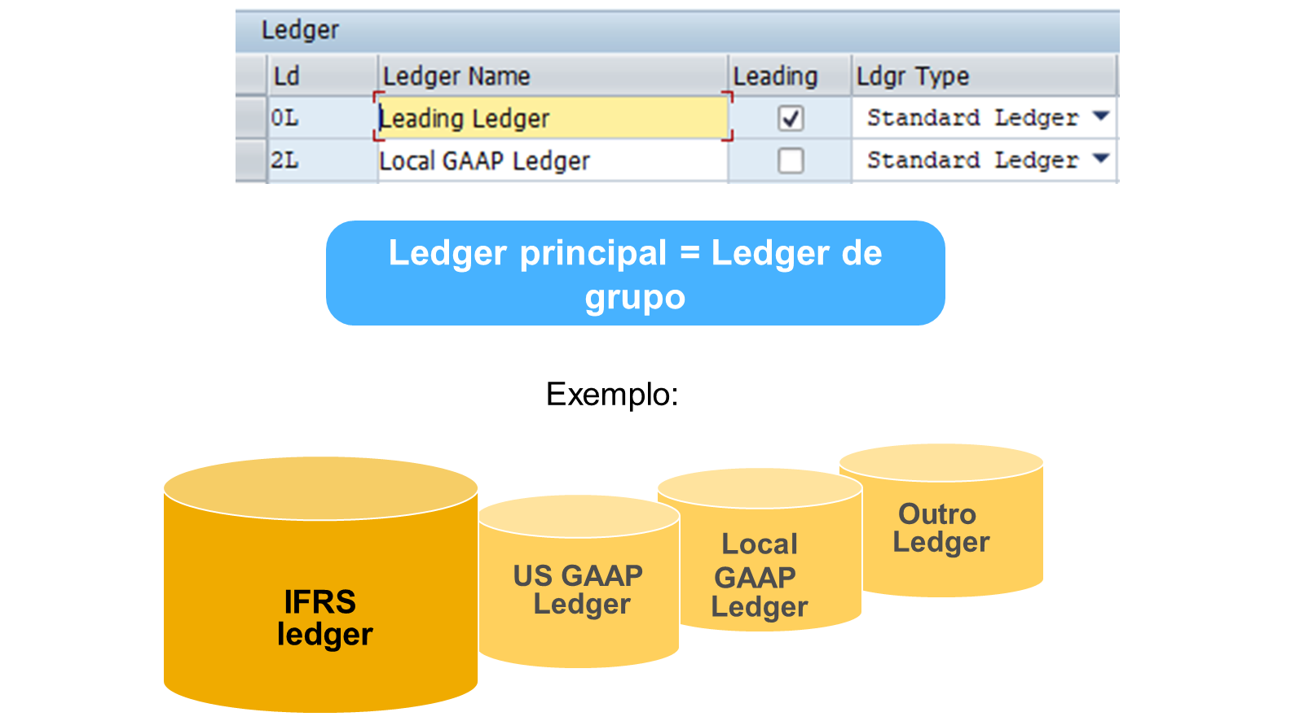

Resumo Problema-Solução: Ledgers em SAP S/4HANA
Problema 1: Como refletir a visão contábil "oficial" do grupo em todas as empresas de um mandante?
Solução: Cada mandante tem exatamente um ledger principal (leading ledger), atribuído automaticamente a todas as empresas. Ele reflete os princípios contábeis do grupo, é entregue por padrão, não pode ser desativado, e é o único ledger que, no sistema padrão, transfere valores para o Controlling (CO).
Problema 2: Como atender a princípios contábeis locais diferentes do grupo, com calendários fiscais próprios?
Solução: Usar ledgers não principais (non-leading ledgers), ativados manualmente por empresa. Rodam em paralelo ao ledger principal e podem ter variante de exercício fiscal diferente. Junto com o ledger principal, formam os chamados ledgers padrão (registram o conjunto completo de lançamentos de todas as transações).
Problema 3: Um documento FI lançado normalmente vai para todos os ledgers — como lançar um ajuste em apenas um ou alguns ledgers específicos (ex.: prestação de contas paralela)?
Solução: Usar grupos de ledgers, que combinam vários ledgers para processamento conjunto. Regras importantes:
Ao criar um novo ledger, o sistema gera automaticamente um grupo homônimo.
Só é preciso criar grupos quando se quer agrupar vários ledgers para uma função.
Se nenhum grupo for informado numa função, o sistema lança automaticamente em todos os ledgers.
Problema 4: Como oferecer visões gerenciais (ex.: IFRS vs. GAAP local) sem duplicar toda a base de dados de lançamentos?
Solução: Usar ledgers de ampliação (extension ledgers). Características:
Baseiam-se em um ledger de base, que deve ser um ledger padrão.
Herdam todos os lançamentos do ledger de base para fins de relatório.
Armazenam apenas os valores delta (o que é lançado manualmente diretamente neles) — só esses lançamentos ficam visíveis exclusivamente no ledger de ampliação, não no ledger base.
Só aceitam lançamentos manuais.
Podem ser "empilhados" uns sobre os outros, criando várias visões com o mínimo de dados duplicados.
Não exigem configuração adicional além do registro mestre.
Problema 5: E se, em vez de multiplicar ledgers, eu quiser representar diferentes avaliações dentro do mesmo ledger?
Solução: A solução de contas (accounts solution) — em vez de ledgers paralelos, diferentes prismas/avaliações são lançados em contas diferentes. Na elaboração do balanço, o sistema identifica quais contas são relevantes conforme a estrutura do balanço/DRE definida.

A solução do ledger é altamente recomendada para novos sistemas (abordagem Greenfield).

Princípio variante
A utilização de variantes facilita a atualização de características comuns entre vários business objects.
O princípio de variante é um método de três etapas usado no SAP S/4HANA (FI) para atribuir propriedades específicas a um ou mais objetos. As três etapas são as seguintes:
1 | Defina a variante.
2 | Defina valores para a variante.
3 | Atribua a variante aos objetos relevantes.
Utilizações para variante
Status do campo
Períodos contábeis
Variantes de exercício
Síntese
O princípio de variante simplifica a atualização de propriedades comuns entre business objects.
Defina variantes, defina valores e atribua os mesmos a objetos relevantes.
Utilizado para status de campo, períodos contábeis e variantes de exercício.

Administrar variantes de exercício
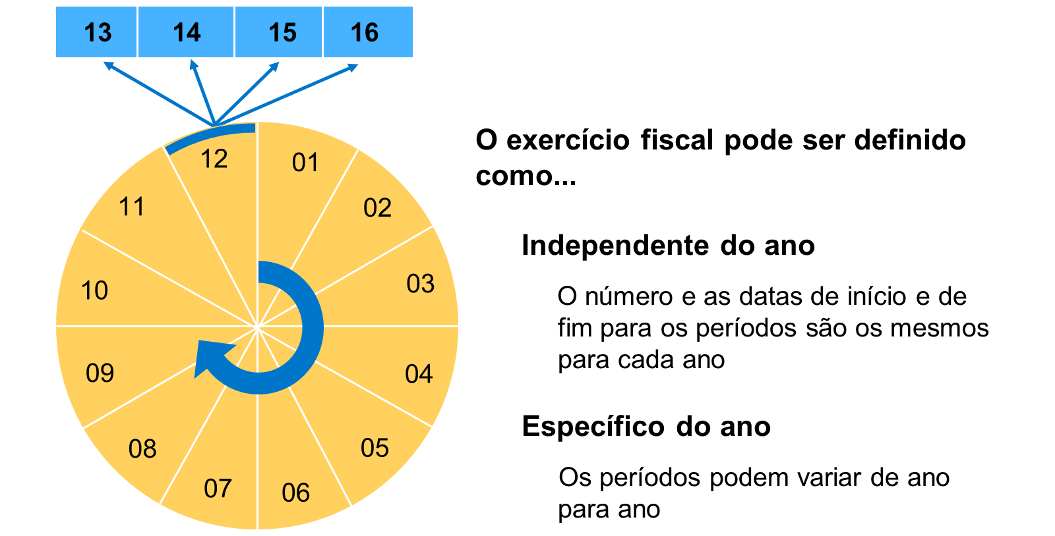

A variante de exercício contém definições de períodos contábeis e períodos extraordinários. Os períodos extraordinários são utilizados para lançamentos atribuídos ao processo empresarial do encerramento do exercício e não para períodos. No total, você pode definir 16 períodos.

O sistema deriva o período contábil a partir da data de lançamento. Se a data de lançamento cair no último período contábil normal, você pode lançar a transação em um dos períodos extraordinários. As variantes de exercício padrão já estão definidas no sistema e você pode utilizá-las como modelos. Dica A variante de exercício não indica se um período contábil está aberto ou encerrado. Estes dados são administrados em outra tabela/variante. A variante de exercício só define o número de períodos e as respectivas datas de início e de fim.

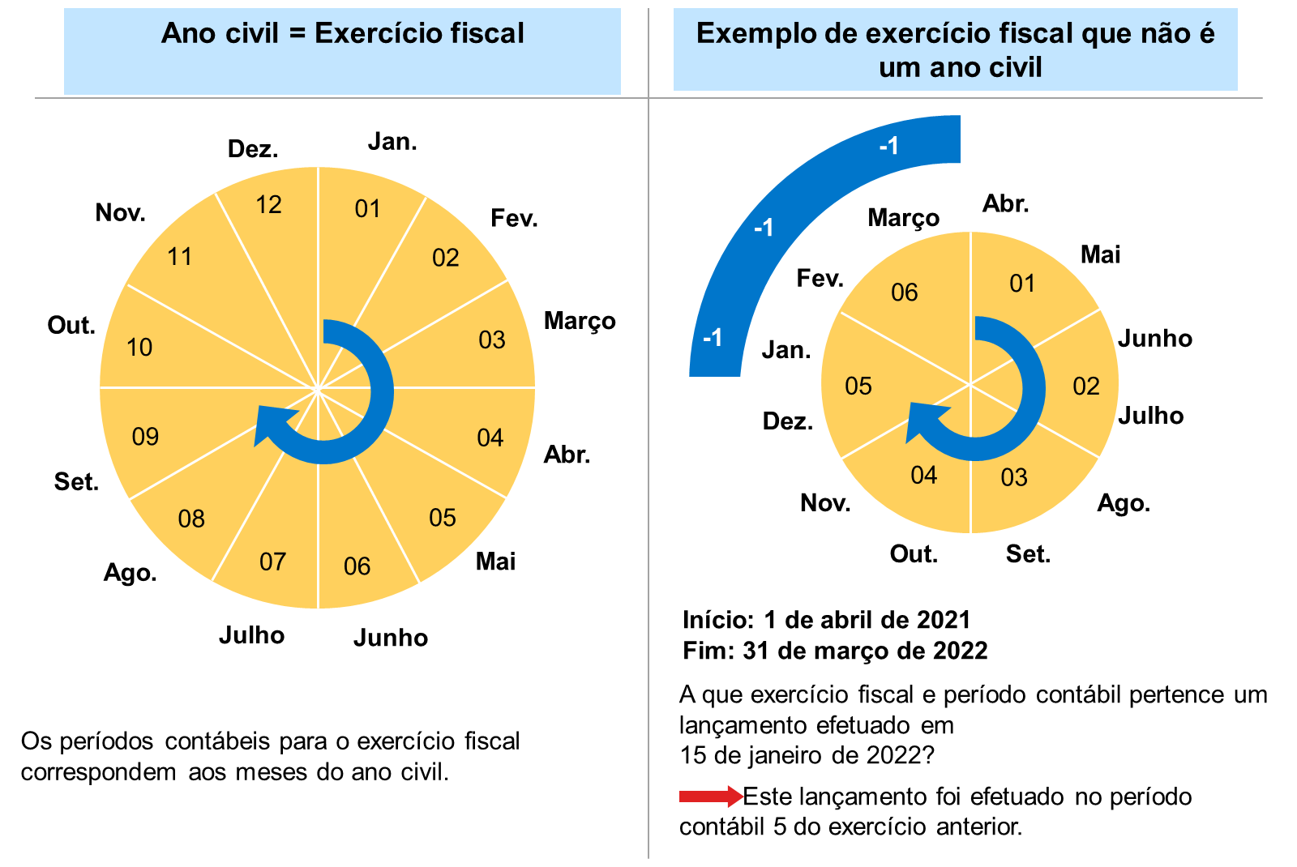

Resumo Problema-Solução: Variantes de Exercício Fiscal Independentes do Ano
Problema 1: Como classificar uma variante de exercício fiscal como "independente do ano"?
Solução: Uma variante é independente do ano quando todos os exercícios usam o mesmo número de períodos contábeis e esses períodos sempre começam/terminam nas mesmas datas do ano. Existem dois tipos:
Ano civil
Ano divergente do ano civil
Problema 2: Como configurar um exercício que segue exatamente o calendário (janeiro-dezembro)?
Solução: Definir como ano civil — os períodos contábeis equivalem aos meses, portanto o exercício deve ter obrigatoriamente 12 períodos contábeis.
Problema 3: Como configurar um exercício que não coincide com o ano civil (ex.: abril a março)?
Solução: Definir como ano divergente do ano civil — cada período contábil tem sua data final definida manualmente, com 1 a 16 períodos possíveis. Como no exemplo da figura (abril-março, 6 períodos): os meses de janeiro a março, que pertencem ao exercício anterior em termos de calendário, recebem o código -1; se o ano divergente terminasse em meses do exercício seguinte, esses receberiam +1.
Problema 4: Como tratar anos bissextos quando o exercício é divergente do ano civil mas os períodos ainda coincidem com os meses do calendário?
Solução: Selecionar 29 como dia-limite para fevereiro, garantindo que o sistema reconheça corretamente o dia 29/02 nos anos bissextos.
Observação geral: Na prática, a maioria dos exercícios fiscais configurados é independente do ano.

Problema 1: Como configurar uma variante em que todos os exercícios têm o mesmo número de períodos, mas as datas de início/fim dos períodos variam de ano para ano? Solução: Basta definir as diferentes datas de período para cada ano — não é necessário alterar o número de períodos, apenas suas datas específicas por exercício.
Problema 2: Quando uma variante de exercício deve ser classificada como "específica do exercício" (em vez de independente do ano)? Solução: Quando pelo menos uma destas condições ocorre:
As datas de início/fim dos períodos contábeis diferem entre exercícios fiscais; e/ou
Exercícios fiscais diferentes usam número diferente de períodos contábeis.
Problema 3: Como lidar com uma situação em que um exercício precisa ser encerrado antes do fim do período normal (ex.: mudança na data de início do exercício fiscal ou venda da empresa)? Solução: Configurar um exercício reduzido — um exercício com menos períodos contábeis do que os demais dentro da mesma variante. Regras importantes:
Só é possível atribuir ao exercício reduzido um número menor de períodos contábeis (nunca maior).
Antes de definir as datas dos períodos, é necessário primeiro definir o exercício reduzido e quantos períodos contábeis ele terá.

Atualizar taxas de câmbio

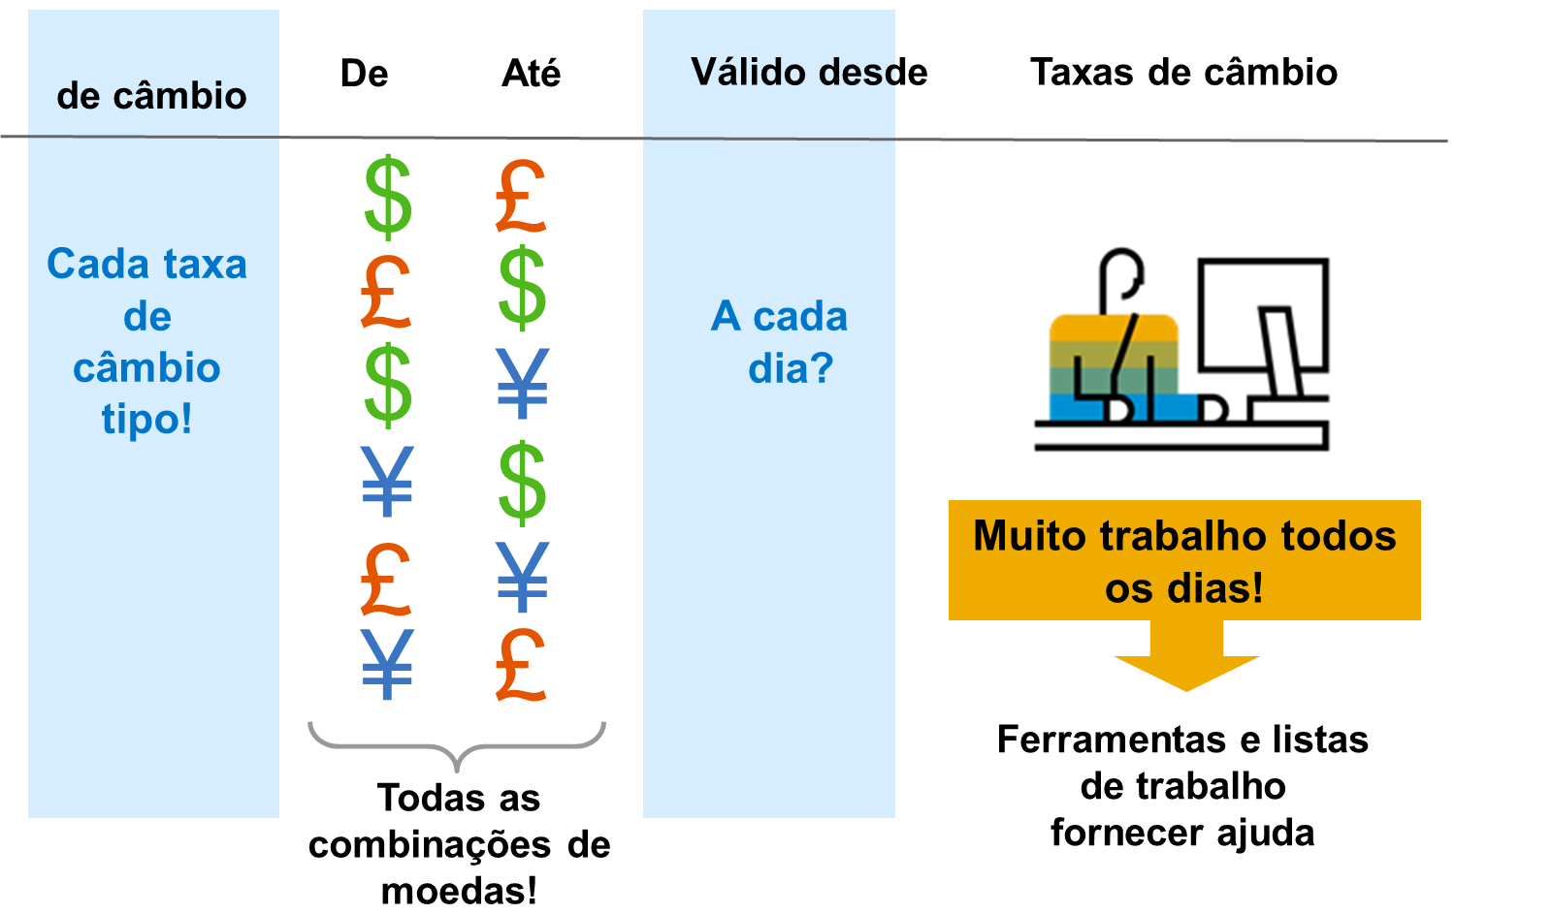

Resumo Problema-Solução: Atualização e Cotação de Taxas de Câmbio
Problema 1: Como manter a tabela de taxas de câmbio atualizada de forma automática, a partir de dados de mercado externos? Solução: Usar o report RFTBFF00, que transfere dados externos via arquivo (formato MultiCash) e carrega automaticamente a tabela de taxas de câmbio.
Problema 2: Como obter taxas de câmbio em tempo real, quando o provedor externo suporta esse tipo de feed? Solução: Usar os reports RFTBDF07 e RFTBDF14, que transferem dados em tempo real via interface de feed de dados, conectando-se ao sistema externo através de RFC (Remote Function Call).
Problema 3: Como representar a relação entre moeda interna e moeda estrangeira ao processar taxas de câmbio? Solução: O SAP S/4HANA usa dois tipos de cotação (válidos para todos os componentes, não específicos de aplicação ou país):
Direta: unidade de moeda estrangeira expressa em moeda interna (ex.: USD 1 = EUR 0,8832).
Indireta: unidade de moeda interna expressa em moeda estrangeira (ex.: EUR 1 = USD 1,1319).
O tipo usado depende do padrão de mercado ou da transação. Cada par de moedas tem uma cotação padrão definida; se a taxa inserida não corresponder a essa notação, ela é destacada no sistema.
Problema 4: Quais ferramentas (apps/transações) existem para atualizar taxas de câmbio manualmente? Solução: Duas opções no S/4HANA:
App Fiori Taxa de Câmbio (mais recente) — monitorar, criar e modificar taxas.
Definir listas de trabalho e atualizar via transação TCURMNT.
Problema 5: Como diferenciar, na entrada/exibição, se uma taxa foi informada em cotação direta ou indireta? Solução: Usar prefixos configuráveis:
Prefixo | Uso padrão
" " (em branco) | Cotação direta
"/" | Cotação indireta
Problema 6: Como adaptar os prefixos conforme o padrão de uso predominante na empresa, evitando ambiguidade? Solução: Três cenários possíveis de configuração:
1 | Cotação direta é a mais usada: manter o padrão (direta sem prefixo).
2 | Ambas as cotações são usadas com frequência semelhante: definir prefixos alternativos para as duas (ex.: "*" para direta, "/" para indireta) — isso obriga o usuário a sempre informar um prefixo, evitando erro por omissão.
3 | Cotação indireta é a mais usada na empresa: inverter a lógica — "*" para direta, " " (em branco) para indireta — permitindo que o tipo mais comum seja inserido sem prefixo.
Para dúvidas adicionais sobre conversão de moeda, a nota SAP 783877 reúne as perguntas mais frequentes sobre o tema.

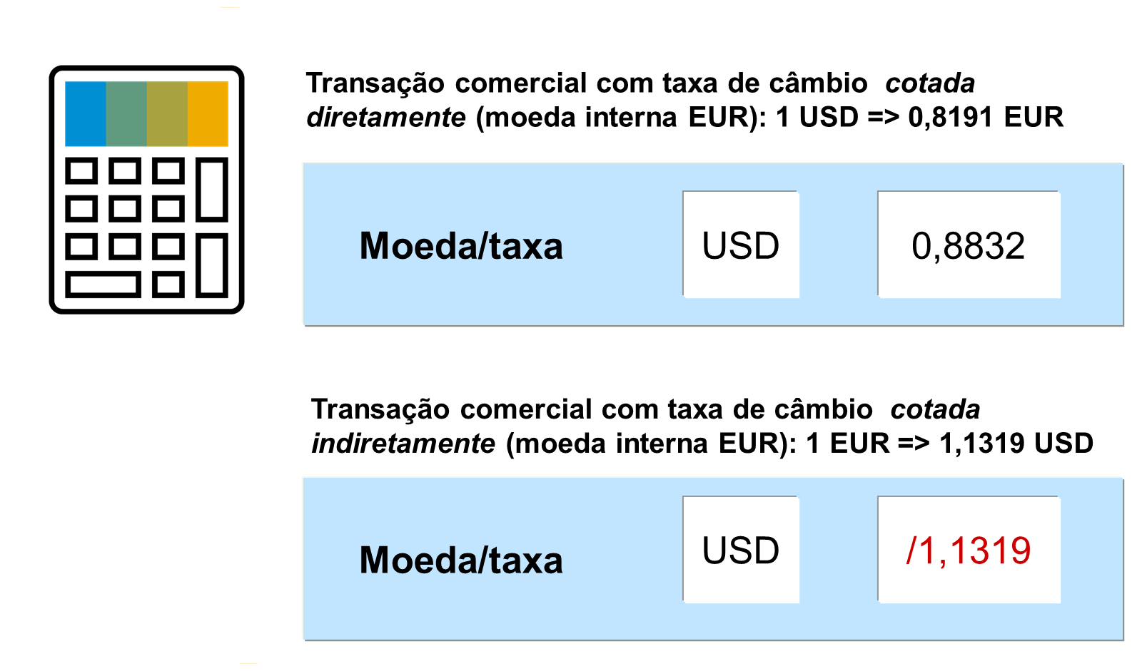

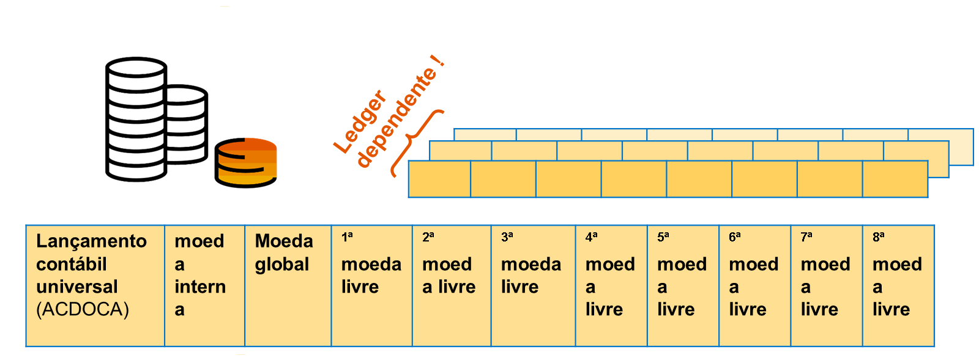

Resumo Problema-Solução: Moedas na Contabilidade Financeira
Problema 1: Como atender aos requisitos legais locais de relatório contábil de uma empresa?
Solução: Definir pelo menos uma moeda obrigatória para os ledgers administrados: a moeda interna (moeda nacional/da empresa), que cobre a exigência de reporte local.
Problema 2: Como garantir que o valor exato de cada lançamento, independentemente da moeda usada no momento do lançamento, seja preservado?
Solução: O sistema sempre registra automaticamente o valor na moeda do documento — ou seja, o valor lançado é armazenado exatamente na moeda em que a transação foi efetuada, além da conversão para a moeda da empresa.
Problema 3: Como obter visões adicionais (gerenciais, de grupo, de custo etc.) além da moeda da empresa, sem precisar de múltiplos lançamentos manuais?
Solução: Atribuir moedas paralelas ao ledger. A partir do SAP S/4HANA 1610, o diário universal suporta o registro simultâneo de diversas moedas paralelas adicionais, além da moeda da empresa.
Problema 4: Quais tipos de moeda o sistema já oferece prontos para essa finalidade?
Solução: O sistema disponibiliza 8 tipos de moeda padrão:
Tipo | Descrição
0 | Moeda do documento
10 | Moeda da empresa
20 | Moeda da área de contabilidade de custos
30 | Moeda do grupo de empresas
40 | Moeda forte
50 | Moeda índice
60 | Moeda da empresa global
70 | Moeda do objeto CO
Os tipos 00 e 10 já vêm predefinidos; os demais são selecionáveis conforme a necessidade.
Problema 5: E se nenhum dos tipos de moeda padrão atender à necessidade específica de relatório?
Solução: É possível configurar tipos de moeda próprios (customizados).
Problema 6: Qual a utilidade prática de manter várias moedas de relatório em paralelo?
Solução: Essas moedas adicionais servem para relatórios internos, oferecendo uma visão mais fiel do desempenho da empresa ao reduzir os efeitos das flutuações cambiais, que em grande parte são incontroláveis.

Os tipos de moedas estão configurados no Ledger: SPRO > FA> FA Global Settings > Define Settings for Ledgers and Currency Types

Resumo Problema-Solução: Práticas Comuns de Implementação Greenfield (S/4HANA)
Problema 1: Como estruturar contabilidade interna e externa sem duplicar dados em múltiplas tabelas? Solução: O diário universal (tabela ACDOCA) unifica a partida individual para Razão, Contabilidade de Centros de Lucro, Contabilidade do Imobilizado, Ledger de Materiais, Controlling e Demonstração de Resultados numa única persistência — tornando as configurações relevantes para múltiplos cenários simultaneamente (prestação de contas paralela, reporting de segmento, preparação de consolidação, custo por período/vendas, DRE baseada em contas).
Problema 2: Como estruturar organizacionalmente um grupo empresarial internacional dentro de um único mandante? Solução: Elementos organizacionais recomendados:
Mandante: sempre que possível, todas as empresas do grupo em um único mandante — facilita reconciliação e consolidação.
Empresa (obrigatório): cada empresa juridicamente independente = uma empresa no sistema (raramente uma empresa real é dividida em várias).
Ledgers (obrigatório): solução recomendada para Greenfield é a solução do ledger — ledger principal reflete o princípio contábil do grupo (geralmente normas internacionais); GAAP local, se diferente, vira um ledger não principal único aplicado a todos os países; lei fiscal frequentemente também vira ledger não principal adicional.
Área de contabilidade de custos (obrigatório para CO): recomenda-se uma área comum interempresarial para permitir alocações/avaliações entre empresas.
Área de resultado (opcional): estrutura a empresa sob a ótica da DRE (CO-PA); no método baseado em contas, as características ficam armazenadas no próprio diário universal.
Problema 3: Como preparar o sistema para a consolidação legal quando nem todas as subsidiárias reais estão modeladas como "empresa" no SAP? Solução: Usar sociedades (IDs de empresa) e tipos de movimento de consolidação. Cada empresa real recebe um ID de empresa consistente em todo o grupo — podendo existir mais sociedades do que empresas no sistema (ex.: 400 sociedades reais vs. 100 empresas configuradas). O ID da empresa parceira é atribuído ao parceiro de negócios (cliente/fornecedor) ou diretamente numa conta do Razão; o tipo de documento transfere essa sociedade parceira para os itens do documento. Tipos de movimento suportam a análise de provisões (desenvolvimento horizontal do balanço).
Problema 4: Como atender a exigências legais de reporting por segmento de negócio (IFRS 8 / ASC 280)? Solução: Usar segmentos, derivados diretamente dos centros de lucro — normalmente poucos segmentos por empresa, conforme exigido pela regulamentação.
Problema 5: Como estruturar e reportar internamente grupos/empresas sem sobrecarregar o sistema? Solução: Usar centros de lucro, derivados de objetos CO que afetam receita (centro de custo, ordem interna, ordem de cliente etc.). Recomenda-se um limite prático de até 5.000 centros de lucro (não é restrição técnica, mas acima de 10.000 costuma ser pouco útil — nota SAP 217338).
Problema 6: Como obter balanços não só por resultado, mas também por centro de lucro/segmento? Solução: Ativar repartição de documento (document splitting). Atenção: exige saldos iniciais no nível detalhado de cada objeto e aumenta o esforço de teste/migração de dados legados. Contas de balanço (a receber, a pagar, impostos etc.) sem classificação própria recebem a atribuição via repartição de contas de balanço não relevantes diretamente.
Problema 7: Como apresentar a demonstração de resultados de duas formas (por natureza de despesa e por função/custo de vendas) sem lançamentos duplicados? Solução: O S/4HANA suporta os dois métodos em paralelo: método por tipo de despesa (sempre ativo, baseado em contas) e método de custo de vendas (opcional, baseado em atividade) — resultado final é o mesmo em ambos. A área funcional viabiliza o método de custo de vendas: pode ser fixada na conta do Razão (nível plano de contas) ou atribuída a objetos de CO (centro de custo, ordem etc.); havendo conflito entre fontes, a prioridade é: substituição (derivação) > entrada manual > conta do Razão > objeto de controlling.
Problema 8: Como reportar saldos combinando diferentes dimensões (conta, área funcional, centro de lucro, segmento) de forma flexível? Solução: Como a partida individual (item do documento) já carrega todas essas informações, o S/4HANA permite reportar saldos do Razão por qualquer característica no nível de partida individual.
Problema 9: Como gerenciar múltiplas moedas entre empresa, controlling e grupo de forma consistente? Solução: Estrutura de moedas recomendada:
Cada empresa usa ao menos a Moeda da empresa (tipo 10) — a 1ª moeda FI; podem existir 2ª e 3ª moedas paralelas em FI (ex.: moeda forte).
A área de contabilidade de custos usa um tipo/moeda próprios, podendo diferir da moeda da empresa; o tipo recomendado é 30 (moeda do grupo de empresas) — nota SAP 119428.
Ambos os tipos (empresa e área de custos) são atualizados em todos os documentos do diário universal.
Recomenda-se rodar a moeda do grupo (30) como 2ª moeda FI, e incluí-la também na contabilidade do imobilizado como área de avaliação separada por ledger.
O diário universal suporta ainda até 8 tipos de moeda adicionais para fins específicos (ex.: preços internos).
A moeda do documento é sempre registrada em toda transação, independentemente das demais.

Resumo Problema-Solução: Mandante, Empresa e Unidades Organizacionais em FI
Problema 1: Como estruturar dados que devem valer para todo o grupo, sem precisar redefini-los em cada unidade organizacional? Solução: Usar o mandante, o nível mais alto da hierarquia SAP S/4HANA. É uma unidade independente com registros mestre, tabelas e dados próprios, correspondendo a um grupo de empresas/afiliadas. Dados definidos no nível do mandante (ex.: taxas de câmbio) valem automaticamente para todas as unidades organizacionais abaixo dele. Para logon via SAP GUI, o usuário precisa de uma chave do cliente e de um registro mestre de usuário no mandante.
Problema 2: Como representar, dentro do SAP, uma entidade legal independente que precisa emitir balanço e DRE próprios (inclusive por país)? Solução: Criar uma empresa — a estrutura mínima obrigatória em FI, correspondendo a uma entidade contábil legal com contas independentes. Em negócios internacionais, cria-se uma empresa separada por país, conforme exigido pelas autoridades fiscais locais.
Problema 3: Como criar uma nova empresa de forma rápida e consistente, sem configurar tudo do zero? Solução: Usar a função Copiar, eliminar, verificar empresa, copiando uma empresa existente. Isso replica: definição, parâmetros globais, tabelas de customizing, contas do Razão (se desejado) e determinação de contas. Depois, só são necessários os ajustes específicos da nova empresa.
Dados necessários para definir uma empresa:
Código alfanumérico de 4 dígitos (chave da empresa — usada em toda transação/lançamento)
Nome, Cidade, País, Moeda, Idioma, Endereço
Dados necessários para os parâmetros globais:
Plano de contas, Exercício fiscal, Padrões da empresa
Problema 4: O que cada campo de "Editar dados da empresa" resolve? Solução:
Moeda: obrigatória por empresa — é a moeda interna; demais moedas são estrangeiras e convertidas automaticamente.
Código de idioma: garante exibição automática de textos no idioma correto (ex.: emissão de cheques).
Chave do país: define o país de origem; demais países são tratados como estrangeiros, o que impacta formulários de pagamento/transações internacionais e formatos de correspondência.
Problema 5: Como criar rapidamente uma empresa para um novo país, já com boas práticas locais? Solução: Copiar uma empresa de melhores práticas (Best Practices) já preparada no S/4HANA para aquele país, ou copiar a empresa-modelo do próprio grupo, e depois ajustar as configurações específicas do país.
Problema 6: Como preparar a empresa para consolidação em outra solução (ex.: relatórios de grupo)? Solução: Criar um ID de sociedade (ex.: GE##) e atribuí-lo à empresa (ex.: GR##). A sociedade permite consolidar uma ou mais empresas; a matriz de consolidação mapeia IDs de empresa a subsidiárias, facilitando o processamento e a visualização da relação dentro do grupo.
Problema 7: Como viabilizar contabilidade de custos interempresarial (controlling) entre várias empresas? Solução: Atribuir as empresas a uma área de contabilidade de custos comum (ex.: A000). Isso só é possível se todas as empresas atribuídas usarem o mesmo plano de contas operacional e a mesma variante de exercício fiscal.
Problema 8: Além da empresa, quais outras unidades organizacionais existem em FI para atender necessidades de relatório mais granulares, e quando usá-las? Solução: Unidades opcionais, escolhidas conforme requisitos legais/internos de relatório:
Centro de lucro: avalia sucesso de áreas responsáveis por custo/receita; permite apenas DRE (sem repartição de documento) ou DRE + balanço (com repartição de documento ativa).
Segmento: setor de atividade para relatórios externos, exigido por normas como US-GAAP (SFAS 131) e IFRS (IFRS 8).
Área funcional: usada na análise de custos de vendas, reportando custos indiretos por área de origem.
Divisão: área de operação separada (ex.: treinamento, consultoria, desenvolvimento), podendo gerar seu próprio conjunto de balanços, usada em várias empresas.
Problema 9: Como escolher a combinação certa de elementos organizacionais para cada necessidade contábil internacional? Solução: Tabela de referência com procedimento recomendado (e alternativo, quando existir):
Necessidade | Procedimento recomendado | Alternativa (não recomendada)
Cálculo de custo global por período | Tipos de custo (receita/despesa) | —
Análise de custos de vendas | Áreas funcionais | Contas separadas
Reporting de segmento | Segmentos derivados do centro de lucro | Centros de lucro / Divisões / DRE
Preparação para consolidação | Empresas/parceiros comerciais | Contas separadas
Prestação de contas paralela | Solução do ledger ou solução de contas | Ledgers especiais (FI-SL) / Empresas separadas
Clientes que precisam de balanços completos por centro de lucro ou segmento devem ativar a repartição de documento.

Resumo Problema-Solução: Plano de Contas e Contas do Razão
Problema 1: Como garantir uma estrutura básica comum de contas do Razão, reutilizável por várias empresas?
Solução: Criar um plano de contas — uma variante (ID de 4 caracteres) que define estrutura e informações básicas de conta. Contém: chave, nome, idioma de atualização, comprimento do número da conta, plano de contas do grupo (consolidação) e código de bloqueio. O processo tem 3 etapas: definir o plano de contas → definir suas características → atribuir a empresas (T-code OB13).
Problema 2: Como comparar/consolidar contas entre empresas que usam planos de contas diferentes?
Solução: Atribuir um número de conta de grupo a cada conta do Razão (campo obrigatório) — o sistema valida que esse número exista no plano de contas do grupo de empresas, viabilizando relatórios interempresariais.
Problema 3: Como impedir o uso de um plano de contas ainda incompleto?
Solução: Aplicar o código de bloqueio — enquanto bloqueado, nenhuma empresa pode utilizá-lo.
Problema 4: Empresas com controlling interempresarial podem usar planos de contas diferentes entre si?
Solução: Não. FI e CO compartilham o mesmo plano de contas — empresas que fazem controlling interempresarial devem usar o mesmo plano de contas (ex.: CC1000 e CC2000 podem fazer CO conjunto; CC2000 e CC3000, com planos diferentes, não podem).
Problema 5: Onde ficam armazenadas as informações "gerais" de uma conta (válidas para todas as empresas) vs. as informações específicas de cada empresa?
Solução: Duas camadas complementares:
Segmento do plano de contas: número, nome (texto), campos de controle e de consolidação — preenchido uma única vez, válido para todas as empresas que usam o plano.
Segmento da empresa: deve ser criado individualmente para cada empresa que for usar a conta; controla lançamento e administração contábil (moeda, impostos, conta de reconciliação, chave de ordenação, grupo de status de campo, banco, juros). Uma conta pode ter segmento em algumas empresas e não em outras (ex.: conta em moeda estrangeira só relevante para quem tem parceiro naquele país).
Problema 6: Como classificar corretamente a natureza de cada conta do Razão para fins de FI e CO?
Solução: Usar os tipos de conta do Razão:
Balanço — saldo transportado para a mesma conta no encerramento.
Conta de caixa (reconciliação bancária) — permite vincular várias contas bancárias a uma única conta do Razão, reduzindo o volume de contas.
Rendimentos/despesas não operacionais — atividades fora do objeto principal da empresa.
Custos primários/receita — despesas operacionais "de fora" da organização (ex.: folha, vendas, admin).
Custos secundários — fluxos internos de valor (ex.: alocação de custo de atividade). Exige categoria de classe de custo nos dados CO (ex.: categoria 21 = liquidação interna, restrita a apropriação de custos de ordem/projeto).
Nota: contas de ativo/material podem opcionalmente integrar-se ao CO se definidas como conta de reconciliação e configuradas na determinação de contas correspondente.
Problema 7: Como tratar o saldo de contas de balanço vs. contas de resultado no encerramento do exercício?
Solução:
Balanço: saldo é simplesmente transportado para a mesma conta.
Resultado (DRE): saldo é zerado e transportado para uma conta de resultado transportado, identificada pela chave X no campo "Tipo de conta de resultados" do segmento do plano de contas.
 | Se houver apenas uma conta de resultado transportado, o sistema a atribui automaticamente.
 | Se houver mais de uma, é preciso selecionar manualmente para cada conta de resultado.
 | Configuração via app Determinação Automática de Contas.
Problema 8: Como organizar contas por finalidade (caixa, material, imobilizado, resultados) e controlar automaticamente sua numeração e comportamento?
Solução: Usar grupos de contas, atribuídos no segmento do plano de contas. Cada grupo pode ter um intervalo de numeração próprio (intervalos podem se sobrepor entre grupos) e controla o status de campo do segmento da empresa (ex.: tornar obrigatória a administração de partidas em aberto para o grupo "Contas de compensação de caixa").
Problema 9: Como controlar quais campos são visíveis/editáveis/obrigatórios nos dados mestre de uma conta?
Solução: Usar o status do campo, com 4 opções possíveis:
Status | Uso
Suprimir | Campos não utilizados
Exibir | Campos visíveis mas não editáveis
Entrada obrigatória | Campo de preenchimento obrigatório
Entrada facultativa | Campo opcional
Exceção: Moeda da conta e Grupo de status do campo são sempre obrigatórios e não podem ter esse status alterado.
Problema 10: Quando o status vem tanto do grupo de contas quanto da transação (ex.: modificação), qual prevalece?
Solução: O sistema aplica a definição de maior prioridade entre as duas fontes, seguindo esta ordem decrescente:
1 | Suprimir
2 | Exibir
3 | Entrada obrigatória
4 | Entrada facultativa
Prática recomendada: se um campo nunca deve ser alterado após a criação (ex.: moeda de uma conta de caixa fixada em GBP), definir Exibir no controle específico da transação Modificar (Customizing: Definir estrutura da tela para cada transação). Se não for necessário controle específico por transação, define-se Opcional para todos os campos ali — como essa opção tem a prioridade mais baixa, o controle do grupo de contas acaba prevalecendo.

Resumo Problema-Solução: Contas de Conciliação, Partidas em Aberto, Moedas e Planos de Contas
Problema 1: Como garantir que o Razão fique sempre atualizado automaticamente quando lançamentos são feitos nos livros auxiliares (clientes/fornecedores)?
Solução: Usar contas de reconciliação — contas do Razão que recebem automaticamente todos os lançamentos dos livros auxiliares vinculados. O tipo de conta deve ser informado no campo "Conta de reconciliação para tipo de conta" no segmento da empresa; a conta só é válida para o tipo indicado (ex.: Contas a receber, Contas a pagar). Não é possível lançar valores diretamente nessas contas.

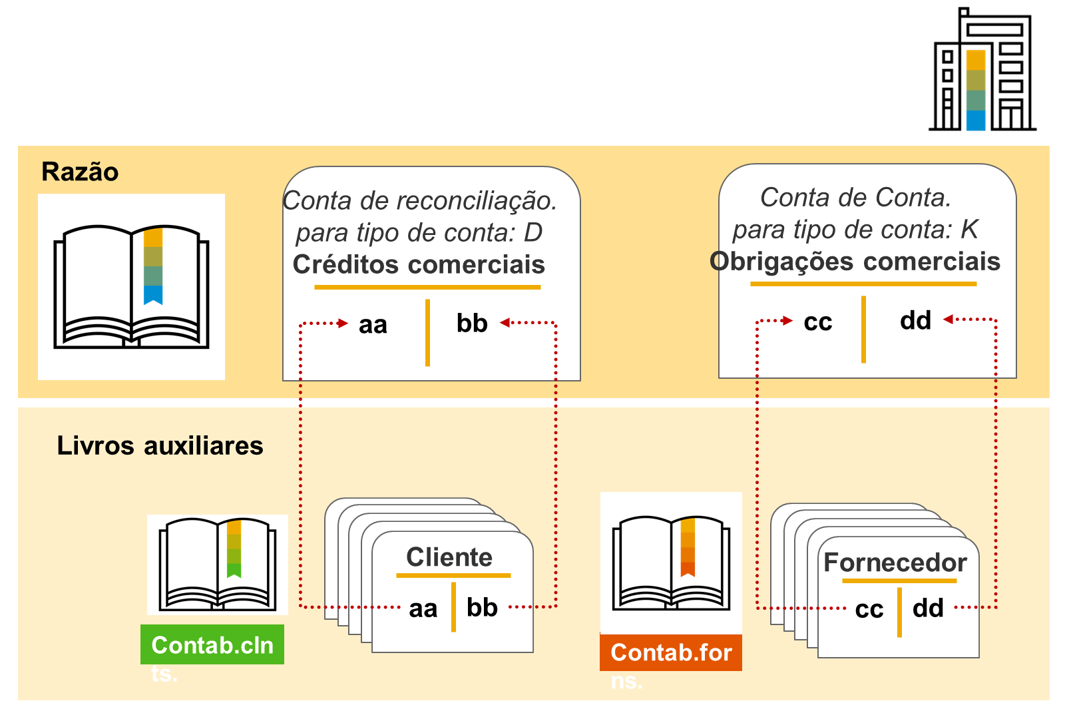

Problema 2: Como identificar rapidamente quais transações ainda não têm um lançamento de contrapartida (compensação)?
Solução: Ativar a administração de partidas em aberto no registro mestre da conta. As partidas ficam classificadas como Em aberto ou Compensado, exibidas separadamente. Recomendada para: contas de compensação bancária, de entrada de mercadorias/faturas, e de compensação de salário. Restrição: só pode ser ativada/desativada quando a conta tiver saldo zero. Se configurada por ledger, habilita a compensação específica por grupo de ledgers.
Problema 3: Uma conta do Razão deve aceitar lançamentos em qualquer moeda ou apenas em uma moeda específica?
Solução: Definir o tipo de moeda da conta:
Moeda interna (padrão ao criar a conta): permite lançar em qualquer moeda — os valores em moeda estrangeira são convertidos automaticamente para a moeda local em cada item.
Moeda estrangeira: a conta só aceita lançamentos na moeda indicada.
(O lançamento em moedas diferentes funciona independentemente de a exibição de partidas individuais estar ativa.)
Problema 4: Quais métodos existem para criar contas do Razão de forma eficiente?
Solução: Quatro abordagens:
Uma etapa: cria segmento do plano de contas e segmento da empresa simultaneamente (centralmente).
Duas etapas: primeiro o segmento do plano de contas, depois o segmento da empresa.
Cópia: copiar uma conta individual, todo o segmento da empresa, ou todo o segmento do plano de contas (útil para replicar todas as contas de uma empresa para outra, ou todo um plano de contas — incluindo determinação de contas e estrutura de balanço/DRE — para um novo plano).
Transferência de dados: ex. via cockpit de migração do S/4HANA.
Problema 5: Como alterar dados mestre de várias contas do Razão ao mesmo tempo, sem editar uma a uma?
Solução: Usar processamento coletivo:
App Editar Várias Contas do Razão – Visão da Empresa: seleciona campos, insere novos valores na coluna "Novos valores", substituindo os antigos em todas as contas selecionadas.
App Administrar Dados Mestre da Conta do Razão (até 50 contas por vez): selecionar contas → marcar relevantes → Modificação em massa → Outros atributos (ou Configurações, para campos não exibidos) → inserir valores em "Por" (Substituir) → Aplicar → Gravar.
⚠️ Atenção: as modificações só valem após gravadas e podem ter amplas consequências — revisar antes de gravar.
Problema 6: Como consolidar demonstrações contábeis de um grupo cujas empresas usam planos de contas operacionais diferentes (exigência legal local)?
Solução: Configurar um plano de contas do grupo de empresas (ex.: YCOA como grupo), ao qual os planos de contas operacionais locais (ex.: CAUS, CAFR) são atribuídos e vinculados conta a conta. Isso viabiliza relatórios internos consolidados, mesmo que controlling interempresarial não seja possível entre empresas com planos operacionais diferentes.
Problema 7: Como atender a relatórios externos que exigem um plano de contas específico do país, mantendo controlling interempresarial entre todas as empresas?
Solução: Atribuir um plano de contas do país, mantendo o mesmo plano de contas operacional para todas as empresas (o que preserva o controlling interempresarial, já que este depende do plano operacional ser igual). Configuração:
Atribuir o plano de contas do país à empresa.
Inserir, no segmento da empresa de cada conta operacional, o número de conta alternativo do plano do país (atribuível uma única vez por conta).
Desvantagem: usuários acostumados ao plano do país precisam se adaptar ao plano operacional.
Problema 8: Exemplo prático — grupo internacional com empresas na Europa (YCOA) e América do Norte (CAUS), que quer controlling interempresarial dentro de cada região, relatórios por país e consolidação global, sem controlling combinado entre as regiões.
Solução: Estrutura em camadas:
Empresas europeias (Espanha, Alemanha, Reino Unido) compartilham o plano operacional YCOA → controlling interempresarial possível entre elas.
Empresas da América do Norte (EUA, Canadá) compartilham o plano operacional CAUS → controlling interempresarial possível entre elas.
Cada empresa recebe também um plano de contas do país para relatórios locais.
Um plano de contas do grupo (CONS) é configurado sobre YCOA e CAUS, permitindo a consolidação global sem exigir controlling combinado entre as duas regiões.

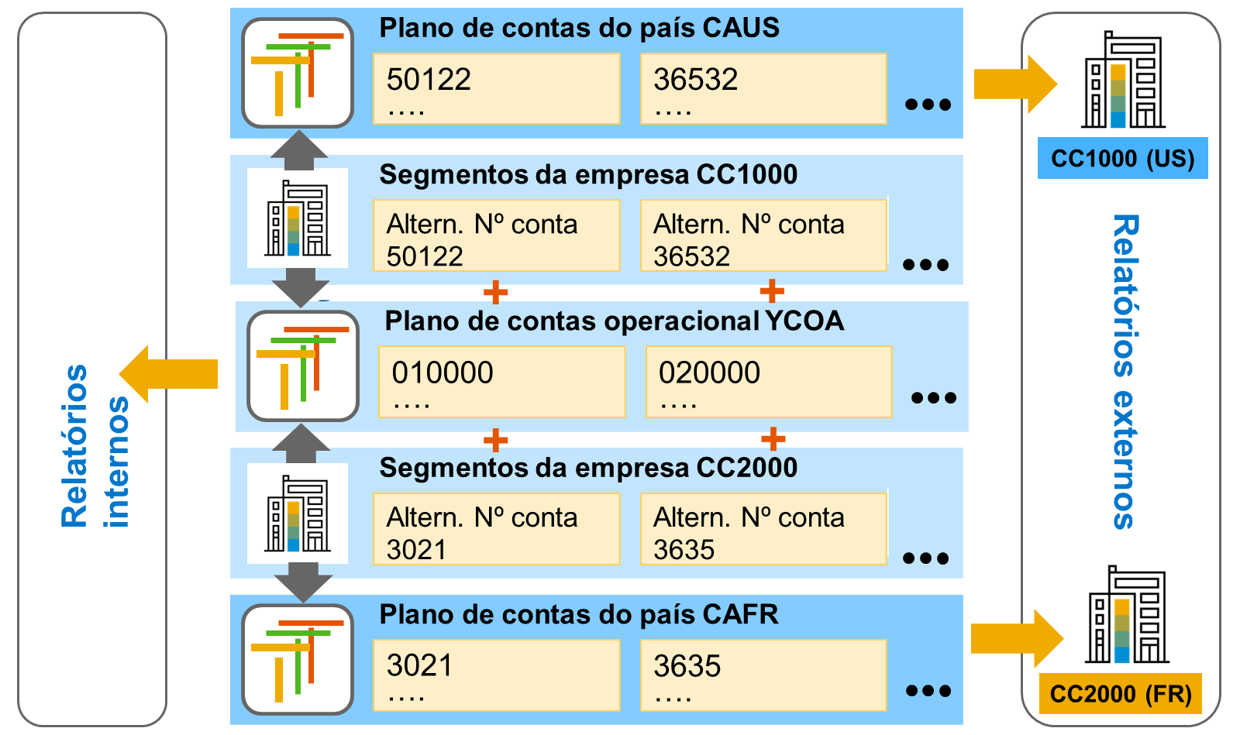

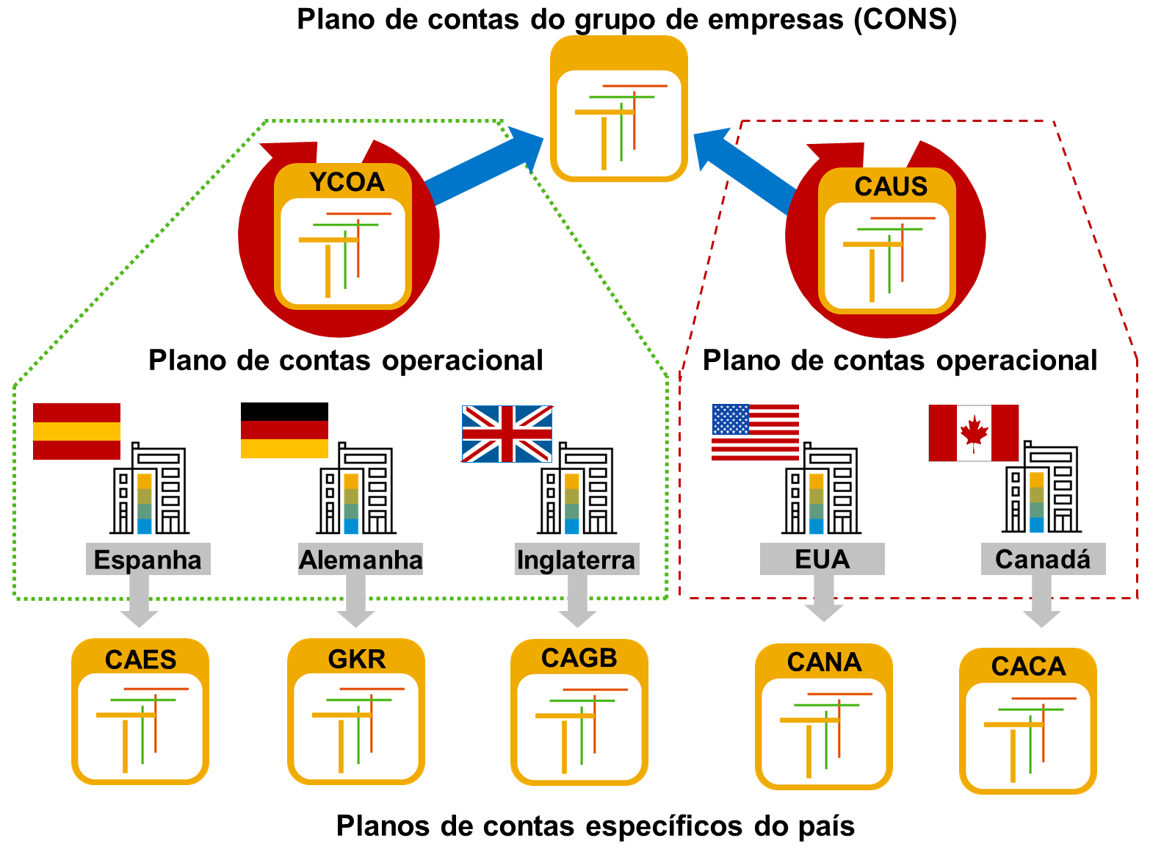

Resumo Problema-Solução: Centros de Lucro e Segmentos
Problema 1: Como analisar áreas de atividade (mercados, produtos etc.) de uma empresa de base ampla, abaixo do nível da própria empresa?
Solução: Usar a característica Segmento — um objeto de classificação contábil padrão do SAP S/4HANA (FI) que permite avaliações detalhadas para entidades abaixo do nível da empresa.
Problema 2: Como atender às exigências de reporting de segmento previstas em princípios contábeis internacionais (IFRS/US-GAAP)?
Solução: Usar segmentos, criados especificamente para esse fim — embora Divisão e Centro de lucro pudessem, em tese, servir como alternativas, os segmentos foram introduzidos porque essas outras unidades organizacionais eram historicamente usadas para finalidades diferentes.
Problema 3: O que caracteriza, segundo a norma (IFRS 8), uma parte da empresa como "segmento empresarial"?
Solução: Devem ser atendidos simultaneamente três critérios:
1 | Executa atividades que geram receitas e podem incorrer em despesas (inclusive entre áreas da mesma empresa);
2 | Seus resultados operacionais são regularmente analisados pelo principal tomador de decisão, para fins de alocação de recursos e avaliação de rentabilidade;
3 | Existem informações financeiras correspondentes disponíveis para essa parte da empresa.
Problema 4: Como preencher automaticamente o campo Segmento em cada lançamento, sem exigir digitação manual constante?
Solução: Derivar o segmento a partir do centro de lucro. O segmento é gravado nos dados mestre do centro de lucro; ao lançar nesse centro de lucro, o segmento é automaticamente lançado junto. Se o centro de lucro não tiver segmento definido, nenhum segmento é lançado. É a prática padrão recomendada (clientes podem criar derivações adicionais).
Problema 5: Quais regras a SAP estabelece para o uso correto de segmentos (nota SAP 1035140)?
Solução:
O uso de segmentos só é oficialmente suportado quando usados em conjunto com centros de lucro.
Segmentos só podem ser derivados automaticamente via centro de lucro.
Em muitas transações (especialmente logística), não é possível inserir segmento manualmente.
Diversas interfaces padrão não suportam segmentos.
Problema 6: E se não for possível derivar o segmento a partir do centro de lucro em determinado cenário?
Solução: Na contabilidade geral com repartição de documento ativa, existem alternativas:
Entrada manual
Implementação de BAdI (FAGL_DERIVE_SEGMENT)
Definição de regras de substituição
Atribuição de contas padrão
Problema 7: Como garantir que os relatórios internos por área de responsabilidade (custo/receita) e o reporting de segmento estejam alinhados, dentro da mesma estrutura organizacional?
Solução: Criar e atribuir conjuntamente centros de lucro, centros de custo e segmentos — os centros de lucro servem tanto para relatórios internos quanto como base para a derivação automática do segmento, sendo ambos elementos essenciais e complementares para o reporting de segmento.
Nota complementar: a repartição de documento garante saldo zero por segmento nos balanços financeiros, viabilizando balanços completos por segmento (e não apenas DRE).

Resumo Problema-Solução: Administrando Parceiros de Negócios
Problema 1: Como evitar múltiplos pontos de entrada e cadastros duplicados para clientes e fornecedores? Solução: Usar o Parceiro de Negócios (PN) como registro mestre único no SAP S/4HANA — ponto de entrada unificado para criar, processar e exibir dados de clientes e fornecedores.
Problema 2: Como diferenciar, na estrutura de dados, se o parceiro é uma pessoa física ou uma entidade jurídica? Solução: Definir a categoria de parceiro de negócios (Pessoa, Organização ou Grupo) — campo de entrada obrigatória na criação. A categoria determina quais campos ficam disponíveis (ex.: forma jurídica para Organização; primeiro nome/sobrenome/sexo para Pessoa). Atenção: essa atribuição é estática e não pode ser alterada após a criação do parceiro.
Problema 3: Como representar que o mesmo parceiro atua em contextos empresariais diferentes (ex.: é cliente em FI e também em SD)? Solução: Usar funções de parceiro de negócios (PN) — cada função corresponde a um contexto de negócio específico (ex.: Cliente FI/FI-AR, Fornecedor FI/FI-AP, Cliente SD, Fornecedor MM, Parceiro de contrato FI-CA). Um mesmo PN pode ter várias funções simultaneamente, com dados centrais (nome, endereço, dados bancários) cadastrados uma única vez. A função Parceiro de negócios geral é sempre atribuída automaticamente como ponto de partida.
Problema 4: Como estruturar os dados quando várias empresas do grupo precisam negociar com o mesmo parceiro, cada uma com suas próprias condições? Solução: Separar os dados em camadas:
Dados gerais (nível do mandante): informações neutras — nome, endereço, dados bancários.
Segmento da empresa (relação 1:n): cada empresa que deseja negociar com o parceiro deve criar seu próprio segmento, contendo conta de reconciliação, condições/formas de pagamento, dados de advertência, configurações de correspondência e bloqueios de lançamento.
Problema 5: Como habilitar um fornecedor para o processo de suprimento (compras) em Administração de Materiais (MM)? Solução: Atribuir ao PN uma função correspondente a MM (ex.: FLVN01 - Fornecedor) e criar um segmento de dados de compras — específico por organização de compras (podem existir vários segmentos, um por organização). Acesso via app Fiori Atualizar Parceiro de Negócios ou transação BP. Uma conta de fornecedor completa contém 3 segmentos: dados gerais + segmento da empresa + segmento da organização de compras.
Problema 6: Como habilitar um cliente para negociação com o departamento de Vendas e Distribuição (SD)? Solução: Criar um segmento da área de vendas (ex.: com grupo de contas FLCU01 - Cliente) — cada área de vendas que negocia com o cliente precisa desse segmento próprio, contendo dados específicos de SD. Mesmo acesso via app Atualizar Parceiro de Negócios ou transação BP. Uma conta de cliente completa contém 3 segmentos: dados gerais + segmento da empresa + segmento da área de vendas.
Problema 7: Como evitar que o cadastro de um parceiro em múltiplas áreas (FI, SD, MM) exija processos de criação separados e descoordenados? Solução: Usar o agrupamento de funções de parceiro de negócios — permite criar, em uma única etapa, o parceiro em várias funções simultaneamente (ex.: Cliente FI + Cliente SD), viabilizando atualização centralizada e criação simultânea dos registros em todas as áreas envolvidas.
Observação importante: ao implementar Contas a Receber e Vendas e Distribuição em conjunto, as equipes responsáveis por cada área devem trabalhar de forma colaborativa para decidir a configuração dos registros mestre do cliente e definir a responsabilidade pela sua atualização.
Resumo Problema-Solução: Integração Cliente/Fornecedor no Parceiro de Negócios
Problema 1: Como conciliar o uso da Contabilidade Financeira (FI) tradicional, com seus próprios registros mestre de cliente/fornecedor, com o modelo unificado do Parceiro de Negócios SAP? Solução: Implementar a integração cliente/fornecedor, necessária quando FI e o Parceiro de Negócios (PN) precisam operar em paralelo. Ela sincroniza os dois modelos de dados, permitindo que ambos coexistam consistentemente.
Problema 2: Por que a FI ainda mantém registros mestre próprios de cliente/fornecedor, se o PN já centraliza esses dados? Solução: Porque a FI utiliza a contabilidade de clientes (AR) e de fornecedores (AP) como livros auxiliares para administrar dados contábeis de contabilidade externa — esses registros mestre próprios ficam integrados diretamente em todas as transações contábeis (criação de transações comerciais em contas, processamento de dados de lançamento).
Problema 3: Outras aplicações (fora da FI clássica) também precisam administrar parceiros de negócios — como isso se encaixa? Solução: Aplicações como Administração de Empréstimos (FS-CML) e SAP Treasury and Risk Management (TRM) utilizam diretamente o Parceiro de Negócios SAP para essa finalidade, sem depender da integração cliente/fornecedor da FI.
Problema 4: Uma empresa precisa obrigatoriamente integrar tanto clientes quanto fornecedores ao mesmo tempo? Solução: Não — as integrações de cliente e de fornecedor podem ser utilizadas de forma independente uma da outra. Algumas empresas usam apenas a integração de cliente; outras também precisam da integração de fornecedor, conforme sua necessidade.
Observação importante: a integração cliente/fornecedor é projetada como uma solução por sistema/mandante (não configurável de forma diferenciada dentro do mesmo mandante).

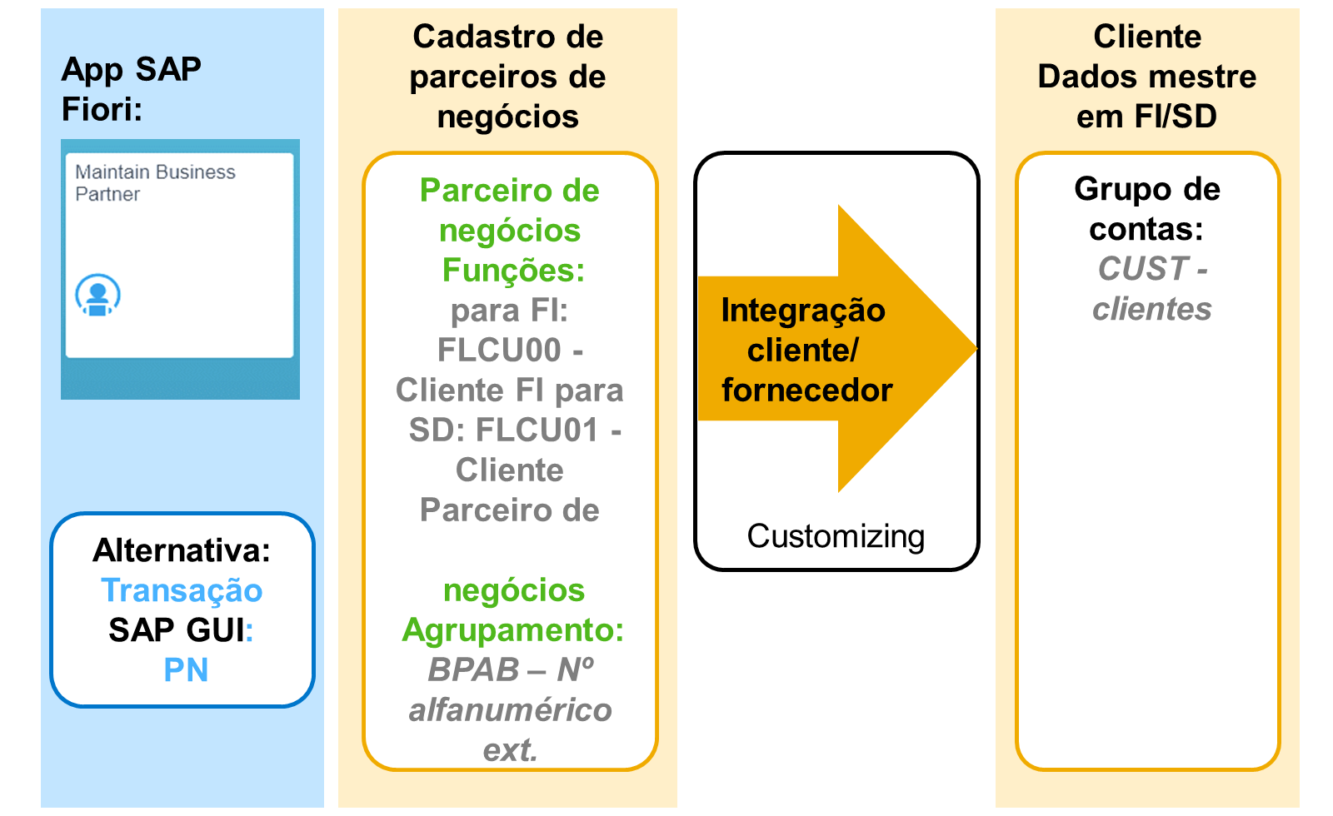

Resumo Problema-Solução: Processo de Integração Cliente/Fornecedor (Customizing)
Problema 1: Quantos clientes/fornecedores podem ser vinculados a um único parceiro de negócios? Solução: A relação é 1:1 — um cliente/fornecedor só pode ser atribuído a um único parceiro de negócios e vice-versa. No entanto, é possível atribuir simultaneamente um cliente e um fornecedor ao mesmo PN, cada um em sua respectiva função.
Problema 2: Como manter cliente/fornecedor sincronizados com o parceiro de negócios sem exigir dupla atualização manual? Solução: A integração ocorre em background durante o processamento de dados mestre: ao criar/atualizar o PN, o sistema lança/atualiza automaticamente os campos correspondentes no cliente/fornecedor, conforme as configurações de controle de sincronização definidas no Customizing. Essa geração só é possível se a categoria de função de PN selecionada permitir a criação do cliente (pré-requisito de configuração).
Problema 3: Como garantir que, ao processar o PN, o sistema saiba automaticamente qual grupo de contas usar para o cliente/fornecedor gerado? Solução: No Customizing, atribuir grupos de contas (do cliente/fornecedor) aos agrupamentos de parceiro de negócios — essa ligação garante que o sistema atualize cliente e fornecedor no mesmo momento em que o PN é processado.
Problema 4: Como fazer com que o cliente/fornecedor recém-criado use o mesmo número do parceiro de negócios de origem? Solução: Ativar o código "Mesmo número", mas dois pré-requisitos devem ser atendidos:
1 | Os intervalos de numeração do cliente/fornecedor e do PN devem cobrir as mesmas faixas.
2 | A atribuição externa de números deve estar definida em FI.
Observação: números idênticos não são obrigatórios — manter números diferentes entre PN e cliente/fornecedor oferece mais flexibilidade.
Problema 5: Como controlar, no momento da criação do PN, se a numeração será interna (gerada pelo sistema) ou externa (informada pelo usuário)? Solução: Usar o agrupamento, atribuído obrigatoriamente a cada PN na criação (atribuição definitiva — não pode ser alterada depois). O agrupamento determina o intervalo de numeração (interno ou externo) e é definido no Customizing junto com descrição e demais atributos. Também é possível configurar agrupamentos padrão para numeração interna e externa.
Interna: o sistema atribui o número.
Externa: o usuário que cria o registro atribui o número (pode ser alfanumérico).
Problema 6: Como impedir que um agrupamento específico apareça disponível para seleção manual (ex.: reservado para interfaces externas)?
Solução: Marcar o agrupamento como "Ocultar" no Customizing — ele deixa de aparecer na lista suspensa/entradas possíveis, ficando reservado, por exemplo, para intercâmbio de dados via interfaces externas.
Problema 7: Como garantir consistência entre os intervalos de numeração do PN e os intervalos de numeração dos grupos de contas de cliente/fornecedor?
Solução: Os intervalos de numeração dos grupos de contas de cliente e fornecedor devem estar alinhados com as configurações do PN, especialmente quando o comutador "mesmo número" estiver ativo — nesse caso, é obrigatório usar atribuição externa de números para os grupos de contas.
Problema 8: Como classificar e controlar clientes/fornecedores dentro da FI (numeração, status de campo, contas ocasionais)?
Solução: Cada cliente/fornecedor recebe um grupo de contas, que controla intervalo de numeração, status do campo e contas ocasionais. Cada intervalo de numeração pode ser atribuído a um ou mais grupos de contas. Atenção: uma vez criada a conta do cliente/fornecedor, o grupo de contas não pode mais ser modificado.
Problema 9: Qual configuração de numeração escolher para ter mais flexibilidade operacional?
Solução: Se o comutador "mesmo número" NÃO estiver definido, é possível usar atribuição interna de números para os grupos de contas — oferecendo maior flexibilidade do que o cenário com números idênticos (que exige atribuição externa obrigatória).

Resumo Problema-Solução: Agrupamentos de Campos (Status de Campo) no Parceiro de Negócios
Problema 1: Como garantir que campos importantes (ex.: endereço completo) sejam sempre preenchidos em contas de cliente/fornecedor?
Solução: Configurar o status do campo como entrada obrigatória para os campos relevantes (ex.: todos os campos de endereço), assegurando que a correspondência sempre tenha dados completos.
Problema 2: Existem várias formas de controlar o status do campo no Parceiro de Negócios — qual usar?
Solução: É recomendado controlar o status do campo do PN via configurações do cliente/fornecedor em FI, e não diretamente nas configurações do PN. Para isso, o status do campo nas configurações do PN deve ser definido com a prioridade mais baixa, de modo que não interfira na atualização do PN/cliente/fornecedor.
Problema 3: Quais fontes de configuração em FI determinam o status do campo de cliente/fornecedor?
Solução: Três configurações possíveis no Customizing de FI:
Status específico do grupo de contas
Status específico da atividade
Status específico da empresa
Na prática de implementação, os grupos de contas de cliente/fornecedor normalmente já vêm equipados com o status de campo adequado.
Problema 4: Como garantir que o controle pelo grupo de contas sempre prevaleça, quando não se deseja usar o controle específico da atividade?
Solução: Definir o status do campo como Opcional no nível da atividade — como esse status tem a prioridade mais baixa, o controle do grupo de contas acaba sempre sendo o efetivamente aplicado.
⚠️ Atenção: se o status do campo for controlado tanto em PN quanto em FI, é essencial que as duas configurações não se contradigam.
Problema 5: Um mesmo campo pode ter configurações de status diferentes quando o PN acumula várias funções (ex.: FI e SD)? Como o sistema resolve o conflito?
Solução: Sim — é tecnicamente possível (embora não recomendado) definir o status do campo por função de PN. Se o PN tiver 2 funções, pode haver 2 configurações distintas para o mesmo campo; com 3 funções, até 3 configurações diferentes.
Problema 6: Se um campo é obrigatório em FI mas oculto em SD, o que acontece — o campo fica oculto (perdendo a exigência de FI) ou obrigatório (ignorando SD)?
Solução: Aplicam-se regras especiais de "mesmos critérios" para múltiplas funções responsáveis, evitando que a regra normal (que ocultaria o campo) prevaleça de forma que não faça sentido do ponto de vista de negócio. A prioridade, da mais alta para a mais baixa, é:
1 | Entrada obrigatória (prioridade mais alta)
2 | Entrada facultativa
3 | Exibir entrada
4 | Ocultar entrada
5 | Não especificado (status primário — nenhuma decisão ativa tomada)
Ou seja: no exemplo do campo obrigatório em FI e oculto em SD, prevalece entrada obrigatória, pois essa regra tem prioridade mais alta entre as funções concorrentes — evitando que uma exigência legítima de uma área (FI) seja anulada por outra área que não usa o campo (SD).

Resumo Problema-Solução: Agrupamento Flexível, Conta Ocasional e Campos Confidenciais
Problema 1: Como criar clientes/fornecedores dentro de intervalos de numeração específicos, quando isso é necessário para fins operacionais (ex.: informações contábeis relevantes por faixa de número, avaliações especiais) ou quando diferentes requisitos de status de campo exigem grupos de contas diferentes? Solução: Usar o agrupamento flexível — em vez de o grupo de contas ser fixado automaticamente pela integração cliente/fornecedor via agrupamento, o empregado da contabilidade pode selecionar manualmente o grupo de contas apropriado no momento da criação do parceiro de negócios.
Problema 2: Como lidar com clientes/fornecedores esporádicos, com os quais raramente há negócios, sem precisar criar um registro mestre completo para cada um? Solução: Criar um registro mestre especial de conta ocasional, que contém as contas a receber/pagar necessárias mas não armazena dados de um cliente/fornecedor específico (é compartilhado por vários). Por isso, os campos específicos de cliente/fornecedor ficam ocultos nesse registro — os dados específicos são inseridos diretamente no documento, no momento do lançamento.
Problema 3: Como proteger modificações críticas em dados mestre de cliente/fornecedor contra alterações não autorizadas ou não verificadas? Solução: Aplicar o princípio de controle duplo: uma pessoa efetua a modificação e outra é responsável por confirmá-la. Passos:
1 | No Customizing, definir quais campos ficam sujeitos a controle duplo, marcando-os como Sensível no registro mestre do cliente/fornecedor.
2 | Quando um campo sensível é alterado, o sistema bloqueia automaticamente os pagamentos para aquele cliente/fornecedor.
3 | O bloqueio só é removido quando uma pessoa autorizada confirma ou rejeita a modificação (individualmente ou via lista de confirmação).
Problema 4: Como filtrar/gerenciar a lista de modificações pendentes de confirmação? Solução: A lista pode ser restringida pelos campos:
Cliente ou fornecedor
Empresa
Contas ainda não confirmadas
Contas rejeitadas
Contas a serem confirmadas
Problema 5: Como auditar/visualizar o histórico de modificações feitas em registros mestre de cliente ou fornecedor? Solução: Usar os reports RFDABL00 (clientes) e RFKABL00 (fornecedores), que exibem as modificações efetuadas para todas as contas.

Resumo Problema-Solução: Estrutura de Documentos FI, Tipos de Documento, Chaves de Lançamento e Status de Campo
Problema 1: Como garantir rastreabilidade completa de cada transação comercial lançada no sistema?
Solução: O SAP S/4HANA segue o princípio do documento: cada lançamento gera um documento, que permanece como unidade completa até ser arquivado. Cada documento é identificado unicamente pela combinação Número do documento + Empresa + Exercício fiscal, e é composto por:
Cabeçalho do documento — informações válidas para o documento inteiro.
Partidas individuais — mínimo 2 (débito/crédito), máximo 999 linhas, com dados específicos de cada item.
Problema 2: Uma mesma transação comercial (ex.: entrada de mercadorias) sempre gera um documento contábil?
Solução: Não necessariamente. O sistema gera documentos para diversas transações sem necessariamente gerar um documento contábil simultâneo, já que a contabilidade só é afetada quando há impacto financeiro (ex.: um documento de material é gerado na entrada de mercadorias; o documento contábil é criado à parte, para registrar dados financeiramente relevantes). Documentos relacionados ficam vinculados entre si, dando visão completa da transação.
Problema 3: Como consultar e auditar documentos FI de forma eficiente?
Solução: Ferramentas disponíveis:
Report RFBELJ00 — cria um diário compacto de documentos.
Reports RFBUEB00 e RFBUEB01 — localizam documentos.
App Fiori Administrar Lançamentos Contábeis (grupo Razão).
Problema 4: Como diferenciar, no cabeçalho do documento, o tipo de transação comercial que está sendo lançada (fatura, pagamento, lançamento manual etc.)?
Solução: Usar o tipo de documento, definido no nível do mandante (válido para todas as empresas). Cada tipo de documento controla:
Intervalo de numeração obrigatório atribuído.
Tipo de documento de estorno (se não indicado, usa o próprio tipo lançado).
Tipos de conta permitidos para lançamento (ativo, cliente, fornecedor, material, Razão).
Dados de controle: Tipo de documento líquido (reduz o valor devido pelo desconto nas condições de pagamento — só para faturas de fornecedor), verificação de cliente/fornecedor, lançamentos negativos permitidos, lançamentos interempresariais, sociedade parceira, e se Número de referência/Texto de cabeçalho são obrigatórios.
Problema 5: Quais tipos de documento padrão usar em cenários específicos?
Solução:
AB — permite lançamento em todos os tipos de conta (os demais tipos restringem as contas permitidas, ex.: DG só permite Cliente (D) e Razão (S)).
RV — documentos de faturamento de Gerenciamento da Ordem do Cliente (faturas de cliente).
RE — documentos de faturamento da Administração de Materiais (faturas de fornecedor).
ZP — usado pelo programa de pagamento para a maioria de seus lançamentos automáticos.
Problema 6: Como garantir que cada documento tenha um número único e sem sobreposição entre tipos de documento?
Solução: Definir intervalos de numeração do documento, que nunca podem se sobrepor. Dois modelos possíveis:
Numeração interna — o sistema atribui o próximo número sequencialmente a partir do "Número atual" gravado.
Atribuição externa — o usuário informa o número (ou é transferido de outro sistema); pode ser alfanumérico; o sistema não grava um número atual, pois a sequência não é previsível.
O intervalo deve ser definido por exercício fiscal. Opções de reinício:
Contínuo — a numeração continua de onde parou, sem reiniciar no novo exercício.
Por exercício fiscal — reinicia no primeiro número do intervalo a cada novo exercício, garantindo capacidade suficiente.
Um mesmo intervalo pode ser usado por vários tipos de documento, e pode ser copiado entre empresas ou exercícios. O report RFBNUM00 identifica lacunas na numeração.
Problema 7: Como controlar, nas partidas individuais, o tipo de conta afetada e a natureza (débito/crédito) do lançamento?
Solução: Usar as chaves de lançamento, também definidas no nível do mandante. Além de controlar tipo de conta e débito/crédito, elas também indicam se o item está ligado a uma transação de pagamento (histórico/avisos de pagamento) e se é relevante para vendas. Valores propostos padrão:
Contexto | Débito | Crédito
Conta do Razão | 40 | 50
Cliente | 1 | 11
Fornecedor | 21 | 31
Recomendação da SAP: usar as chaves padrão; se modificadas ou criadas novas, todas as tabelas com referência a elas também precisam ser atualizadas. Chaves para ativos/materiais só funcionam se os componentes correspondentes estiverem configurados.
Problema 8: Por que existem várias chaves de lançamento para contas do livro auxiliar, mas apenas duas (40/50) para o Razão?
Solução: Contas do livro auxiliar (cliente/fornecedor) não têm grupo de status de campo próprio — por isso a diferenciação de lançamentos depende de várias chaves de lançamento diferentes. Já as contas do Razão são diferenciadas pelos grupos de status de campo, tornando suficientes apenas as chaves 40 (débito) e 50 (crédito).
Problema 9: Como controlar quais campos aparecem, são obrigatórios ou ficam ocultos ao lançar um documento (ex.: centro de custo obrigatório para despesas, mas irrelevante para caixa)?
Solução: Usar o status de campo do documento, seguindo a mesma lógica de prioridade das contas do Razão:
1 | Suprimir/Ocultar (prioridade mais alta)
2 | Entrada obrigatória
3 | Entrada opcional (prioridade mais baixa)
Regras importantes:
Campos de imposto só ficam disponíveis se a conta do Razão for relevante para imposto.
Suprimir/Ocultar não pode ser combinado com Entrada obrigatória — essa combinação gera erro.
Problema 10: Como organizar o status de campo de forma escalável para todos os grupos de contas do Razão (caixa, despesa etc.) e aplicá-lo consistentemente às empresas?
Solução: Estrutura em camadas:
Grupos de status de campo — definidos por grupo de contas do Razão (ex.: decidir se texto/centro de custo são obrigatórios/opcionais/ocultos), atribuídos a cada conta do Razão no registro mestre.
Variante de status de campo — compacta vários grupos de status de campo e é atribuída à(s) empresa(s); sem ela concluída, não é possível lançar. Normalmente a mesma variante é usada em todas as empresas do grupo para manter consistência.
Recomendação: copiar os grupos padrão fornecidos pela SAP e ajustá-los conforme necessário, em vez de criar do zero.
Exceção: se o lançamento for numa conta do livro auxiliar, usa-se o grupo de status de campo da conta de reconciliação correspondente.

S4F17 Problema-solução
Execute/Undo end-year close app > CLFY = must be current year - 1 (quando inicia um novo ano este valor pode estar CY-2 então precisa fechar o ano para permitir lançamentos no ano atual)
Double click na empresa > Legacy data transfer > pode criar um intervalo com transfer date em 31/12/(CY-1), último ano fechado para lançamentos > Doc type UE e Status Ongoing

Resumo Problema-Solução: Atribuição de Plano de Contas e Plano de Amortização à Empresa (FI-AA)
Problema 1: Quais unidades organizacionais estruturam a Contabilidade de Ativos (FI-AA) e o que cada uma resolve?
Solução:
Mandante: nível mais alto da hierarquia — o sistema lógico específico; especificações feitas aqui valem para todas as empresas.
Empresa: unidade contábil independente — nível em que o balanço e a DRE legalmente exigidos são criados.
Centro de lucro: avalia o sucesso de áreas responsáveis por custo/receita; permite decidir entre apenas DRE (repartição de documento inativa) ou DRE + balanço (repartição ativa).
Segmento: divisão da empresa para relatórios externos, exigida por normas como US-GAAP (SFAS 131) e IFRS (IFRS 8).
Área de negócios (Business Area): unidade financeiramente separada, com balanço e DRE internos próprios — deve ser definida previamente em Customizing → Enterprise Structure → Definition → Financial Accounting → Define Business Area.
Nota: a repartição de documento (document splitting, no novo Razão) permite gerar balanços completos por Área de Negócios, Centro de Lucro e Segmento.
Problema 2: Como garantir que os ativos sejam contabilizados usando a mesma estrutura de contas já definida em FI?
Solução: FI-AA utiliza diretamente o plano de contas atribuído à empresa em FI — nele estão definidas todas as contas do Razão. O plano pode ser adaptado a necessidades globais, setoriais ou específicas de país.
Problema 3: Como administrar diferentes exigências legais de depreciação e avaliação de ativos entre países/finalidades?
Solução: Usar um plano de amortização (chart of depreciation) — define as chaves de depreciação automática, baseadas em elementos de cálculo (métodos de cálculo, controle de período etc.) disponíveis em todo o mandante. Como os planos de amortização devem ser específicos por país, a SAP fornece planos-modelo (sample charts) para vários países.
Problema 4: É possível usar diretamente um plano de amortização-modelo da SAP?
Solução: Não. É necessário copiar o plano-modelo de referência para criar seu próprio plano específico da empresa; áreas de depreciação desnecessárias podem ser excluídas na cópia.
⚠️ Atenção na cópia: o sistema também copia parâmetros específicos de área de depreciação — inclusive restrições de tipos de transação por área (tabela TABWA), herdadas da Contabilidade de Ativos clássica. No novo FI-AA, essas restrições geralmente não são mais necessárias (exceção: reavaliações e apoio a investimentos) — portanto, ao criar um novo plano (mesmo copiado de um modelo), é preciso verificar e excluir essas restrições na TABWA, se aplicável.
Problema 5: Como representar diferentes formas de avaliação do mesmo ativo (contábil, fiscal, gerencial, IFRS/GAAP) sem conflito?
Solução: Usar áreas de depreciação — cada uma representa um tipo específico de avaliação (ex.: depreciação contábil (book), depreciação fiscal, contabilidade de custos, IFRS/US-GAAP para balanço consolidado). É possível gerenciar valores em paralelo em até 99 áreas de depreciação dentro de um único plano de amortização; cada área pertence a exatamente um plano. É possível também criar áreas de depreciação próprias, além das padrão.
Problema 6: Um curso/ambiente de treinamento não usa os planos específicos de país — qual alternativa usar?
Solução: No treinamento padrão S4F17 (ambiente deste material), utiliza-se o plano de amortização Z000, criado como cópia do plano-modelo 0DE, com alguns valores adicionados — servindo como template para os exercícios.
Problema 7: Uma empresa pode usar apenas um plano de contas e um plano de amortização, ou pode variar por ativo?
Solução: Cada empresa usa um plano de contas (operativo) e um plano de amortização — mas múltiplas empresas podem compartilhar o mesmo plano de contas e o mesmo plano de amortização entre si.
Problema 8: Quais são as etapas para tornar uma empresa (já existente em FI) pronta para uso em FI-AA?
Solução: Sequência de configuração:
1 | Configurar a empresa em FI.
2 | Atribuir um plano de amortização à empresa (idealmente em projeto separado).
3 | Expandir a empresa com os dados e atividades de Customizing necessários para FI-AA.
Após essas etapas, a empresa está pronta para uso em Contabilidade de Ativos.

Resumo Problema-Solução: Atribuição de Objetos de Controlling a Ativos Fixos
Problema 1: Como vincular um ativo fixo a estruturas de custo/controlling para permitir análise gerencial (por centro de custo, ordem etc.)?
Solução: No registro mestre do ativo, é possível atribuir os seguintes objetos de Controlling (CO):
Centro de custo
Ordem interna: real ou estatística
Tipo de atividade: informação puramente estatística
Esses objetos CO estão vinculados à área de contabilidade de custos e, portanto, podem ser relevantes para uma ou mais empresas.
Problema 2: Além dos objetos "puros" de CO, é possível atribuir objetos de outras aplicações que também têm funções de controlling?
Solução: Sim. Exemplos de objetos adicionais suportados:
Elemento WBS (estrutura de projeto)
Objeto de bens imóveis (real estate)
Ordem de manutenção: informação puramente estatística
Objetos do PSM (Public Sector Management)
Problema 3: Para quais objetos de CO a depreciação (de qualquer área de depreciação) pode ser efetivamente lançada?
Solução: A depreciação pode ser lançada nos seguintes objetos:
Centro de custo
Ordem interna real
Centro de custo e ordem estatística
Elemento WBS
Centro de custo e elemento WBS estatístico
Objeto de bens imóveis
Objetos do PSM
Problema 4: Um ativo pode ser dividido/atribuído simultaneamente a mais de um centro de custo?
Solução: Não. Não é possível atribuir um ativo a dois centros de custo ao mesmo tempo.
Problema 5: Como distribuir periodicamente o custo de um ativo entre vários centros de custo, já que a atribuição direta a múltiplos centros não é permitida?
Solução: Atribuir o ativo a uma ordem interna real, que pode então ser liquidada periodicamente para os respectivos centros de custo — contornando a limitação de atribuição direta 1:1 entre ativo e centro de custo.

Resumo Problema-Solução: Lançamento de Áreas de Depreciação no Razão (G/L)
Problema 1: Como conciliar múltiplas áreas de depreciação (valorações diferentes) com o fato de que nem todas precisam gerar balanço financeiro?
Solução: Definir no Customizing quais áreas de depreciação devem ser transferidas para FI e como essa transferência ocorre. Como o FI-AA gerencia várias abordagens de valoração em paralelo (áreas de depreciação), é preciso decidir explicitamente quais dessas visões impactam o Razão.
Problema 2: Quais opções existem para controlar se e como uma área de depreciação lança valores em FI (abordagem por contas ou por ledger)?
Solução: Quatro opções de lançamento por área:
(0) A área não lança nenhum valor em FI.
(1) A área lança valores do ativo em FI online em tempo real — a depreciação é lançada periodicamente.
(3) A área lança somente depreciação.
(4) A área lança APC (custo de aquisição/produção) imediatamente, e a depreciação periodicamente.
Nota importante: a depreciação sempre é lançada de forma periódica, através do programa FAA_DEPRECIATION_POST.
Problema 3: Como criar áreas de depreciação apenas para fins de relatório, sem impactar o Razão?
Solução: Definir a área como somente para relatórios — nesse caso, ela não lança nenhum valor no G/L.
Problema 4: Como garantir consistência entre os ledgers atualizados em FI-GL e as áreas de depreciação em FI-AA?
Solução: Os ledgers atribuídos às empresas em FI-GL devem corresponder ao plano de amortização em FI-AA — todo ledger em que a empresa atualiza saldos de conta no Razão também deve ser controlado como uma área de depreciação. A vinculação entre área de depreciação e ledger ocorre por meio do princípio contábil.
Atenção: a área de depreciação 01 não precisa necessariamente estar vinculada ao ledger principal (0L) — todas as áreas de depreciação são equivalentes; não existe área de depreciação "líder".
Problema 5: Como garantir que todas as áreas que representam o mesmo princípio contábil (ex.: IFRS, GAAP local) estejam alinhadas ao mesmo ledger?
Solução: Todas as áreas de depreciação que representam o mesmo princípio contábil devem ser atribuídas ao mesmo princípio contábil (e grupo de ledger). Regras:
Toda área de depreciação precisa ter um princípio contábil atribuído — inclusive áreas que não lançam (não-posting) ou áreas delta apenas para relatório (o campo não pode ficar em branco).
Um mesmo princípio contábil pode ser atribuído a várias áreas de depreciação, desde que representem a mesma valoração.
Configuração no Customizing:
Definir princípios contábeis: Financial Accounting Global Settings → Ledgers → Parallel Accounting → Define Accounting Principles.
Vincular princípio contábil ao grupo de ledger: Financial Accounting Global Settings → Ledgers → Parallel Accounting → Assign Accounting Principle to Ledger Groups.
Problema 6: Como suportar avaliação paralela (ex.: GAAP local x IFRS) de forma flexível entre FI-AA e o Razão?
Solução: A abordagem de ledger permite atribuir flexivelmente as áreas de depreciação aos ledgers do Razão. O sistema lança os valores paralelos junto com os valores reais em tempo real, gerando documentos separados para cada valoração (cada princípio contábil). (Abordagem de ledger vs. abordagem de contas é aprofundada na unidade de Processamento Periódico e Valoração.)
Problema 7: Como garantir consistência de moeda entre FI-AA e o Razão em cenários de moedas paralelas?
Solução: As moedas paralelas em Contabilidade de Ativos devem estar alinhadas com as do Razão. Consequência prática: empresas só podem compartilhar o mesmo plano de amortização se mantiverem os mesmos ledgers não principais e as mesmas moedas paralelas.
Problema 8: Como apresentar os valores de ativo/depreciação de cada área em itens específicos de balanço/DRE?
Solução: É possível lançar os valores de cada área de depreciação em contas de balanço ou de resultado separadas, e definir qualquer número de versões de demonstração financeira (conforme o plano de contas), configuradas no Customizing do Razão — especificando em qual versão/item de balanço ou de resultado os valores de cada conta aparecem.
Problema 9: Como fazer com que os relatórios de ativos exibam itens de demonstração financeira (balanço/DRE) por área de depreciação?
Solução: Atribuir uma versão de demonstração financeira para cada área de depreciação, configurada em: Customizing FI → Asset Accounting → Integration with G/L Accounting → Specify Financial Statement Version for Asset Reports. Também é possível selecionar a variante de classificação (sort variant) correta para exibir os itens da demonstração financeira nos relatórios de ativos.

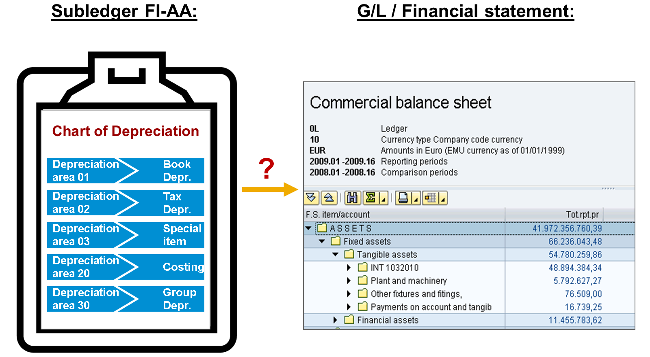
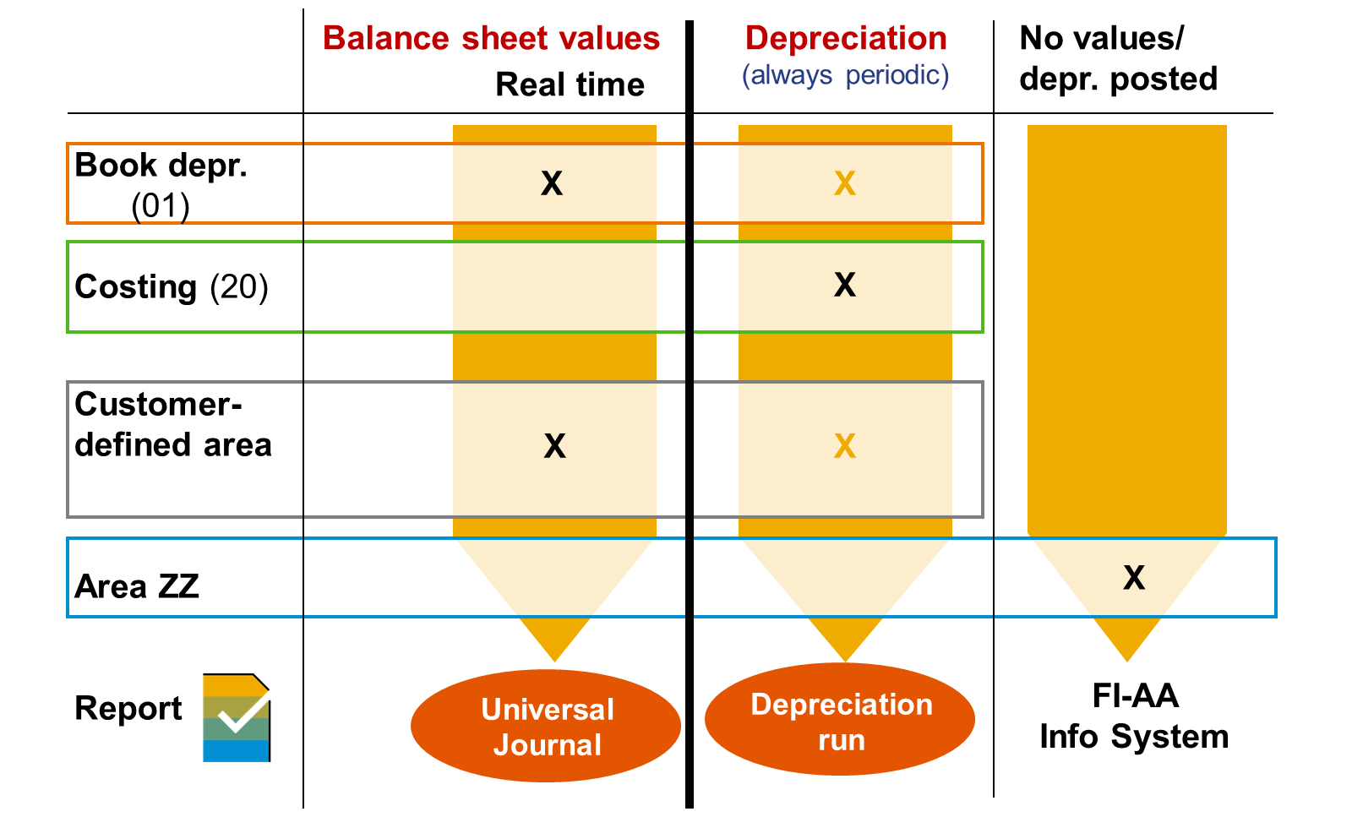
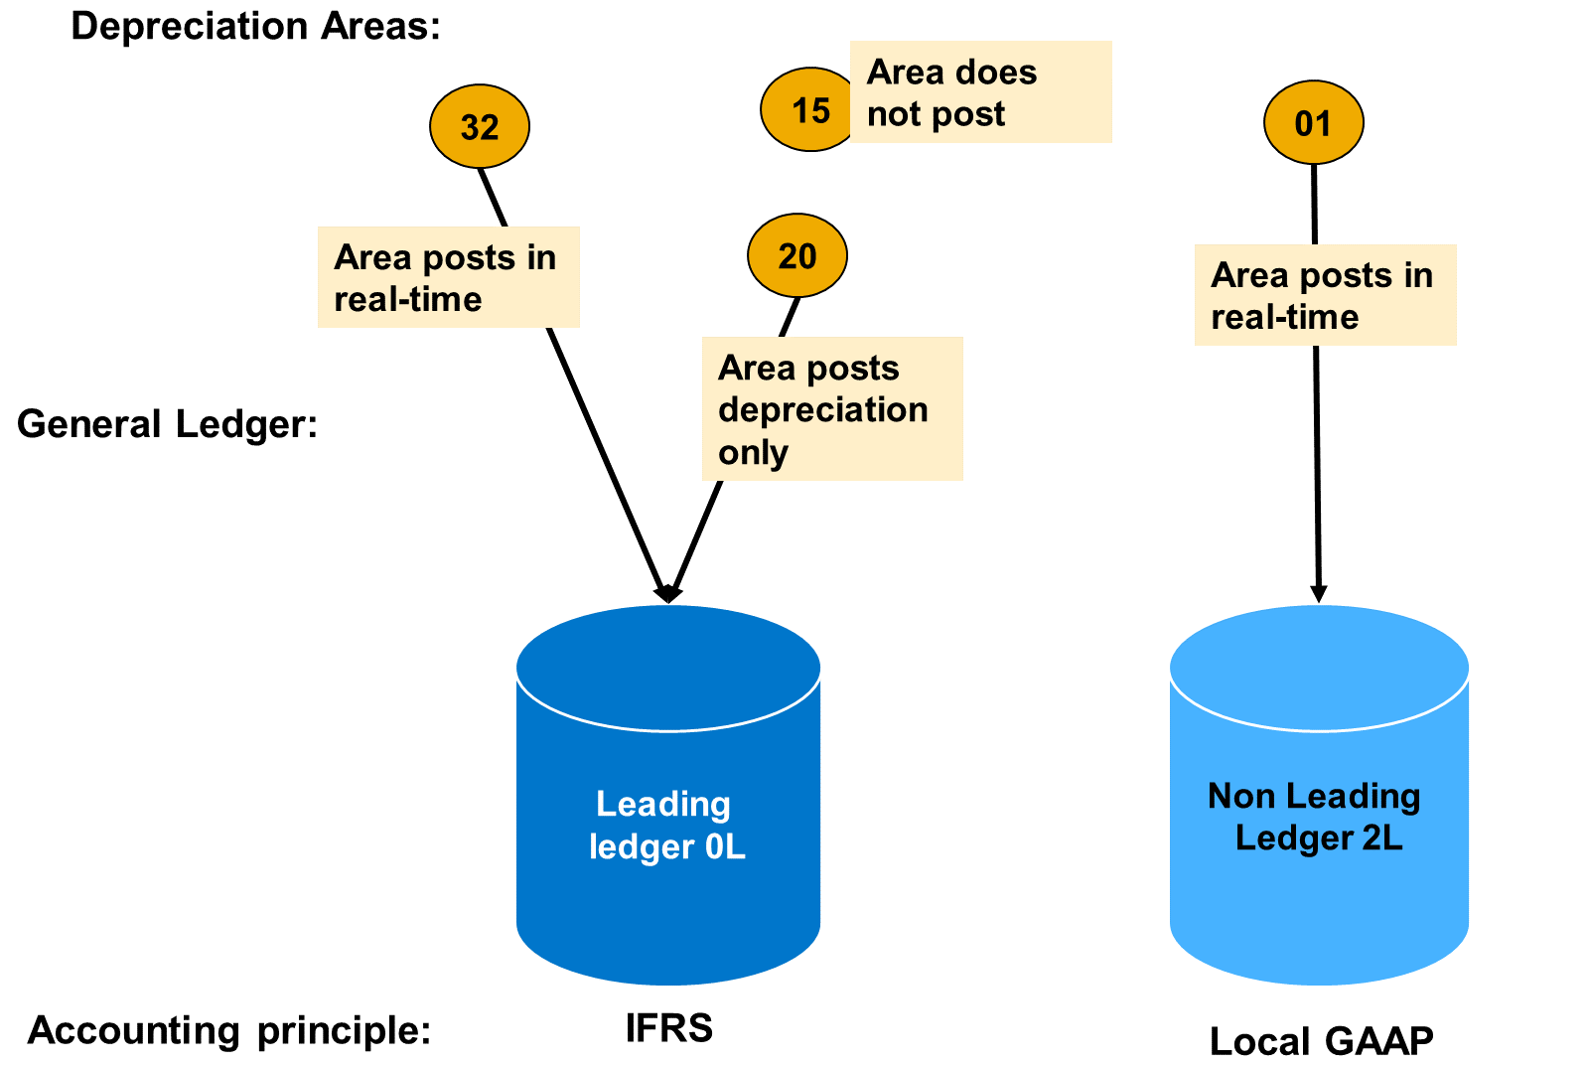

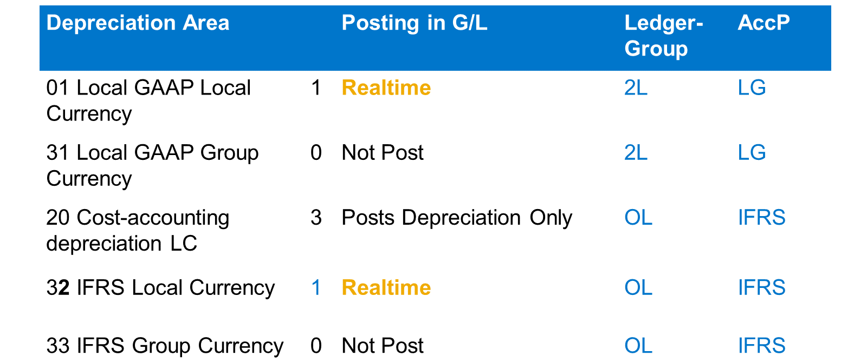
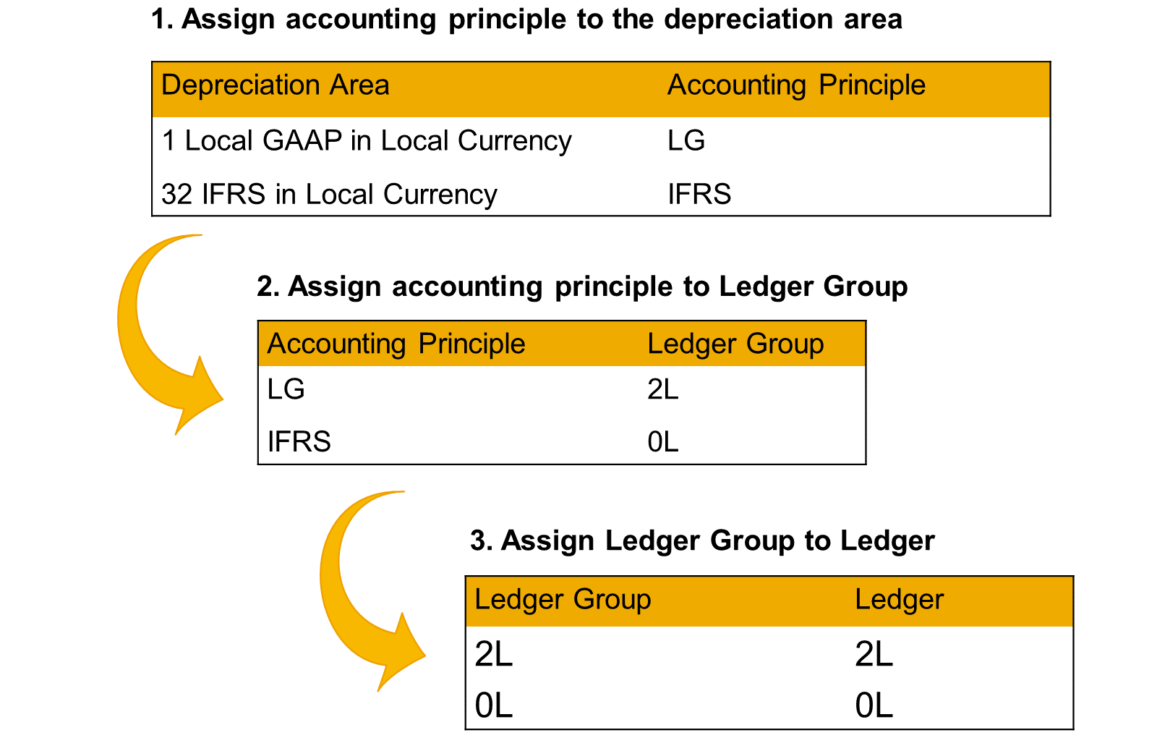

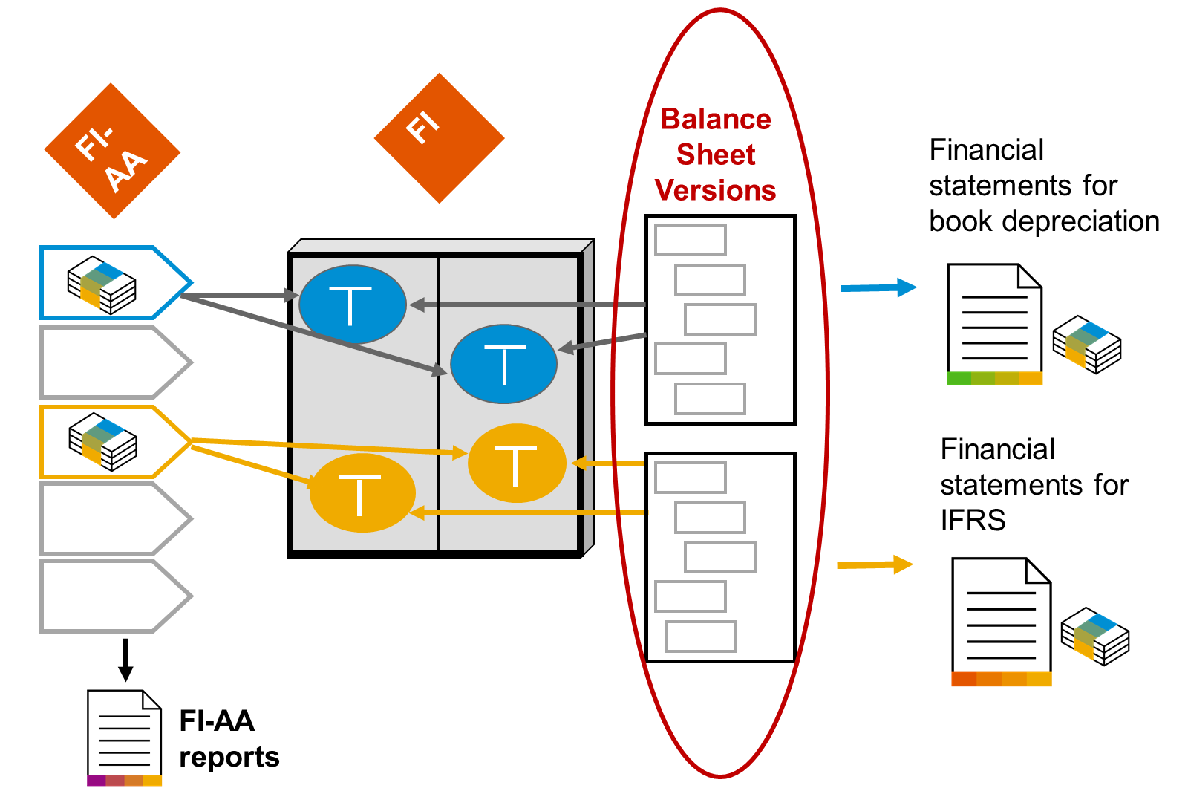

Resumo Problema-Solução: A Importância das Classes de Ativo em Ativos Fixos
Problema 1: Como categorizar e padronizar o tratamento de diferentes tipos de ativos (prédios, veículos, máquinas etc.) de forma consistente?
Solução: Usar classes de ativo — cada ativo é atribuído a apenas uma classe. Exemplos: Prédios, Veículos, Instalações e equipamentos, Máquinas. As classes são criadas no nível do mandante, valendo para todo o sistema.
Problema 2: O que compõe uma classe de ativo?
Solução: Cada classe de ativo tem duas seções principais:
Dados mestre (master data)
Dados de depreciação (depreciation data)
Problema 3: Como manter um catálogo de classes de ativo globalmente uniforme, mesmo havendo diferentes planos/áreas de depreciação entre países/empresas?
Solução: Uma classe de ativo pode ser vinculada a múltiplos planos de amortização simultaneamente — isso permite um catálogo de classes único e padronizado em todo o grupo, mesmo que cada plano tenha áreas de depreciação diferentes.
Problema 4: Como evitar que cada novo ativo criado precise ter todos os parâmetros de depreciação e dados mestre configurados manualmente do zero?
Solução: Configurar valores padrão (default) na classe de ativo — tanto para informações de dados mestre quanto para os termos de depreciação de cada área de depreciação. Se propostos, esses valores podem ser sobrescritos manualmente na criação do ativo, quando necessário.
Problema 5: Além dos valores padrão, o que mais a classe de ativo controla?
Solução: Dados de controle adicionais:
Determinação de contas (account determination)
Intervalo de numeração
Layout de tela (screen layout)
Problema 6: Como impedir que uma área de depreciação específica seja aplicada a determinada classe de ativo?
Solução: É possível suprimir áreas de depreciação individuais dependendo da classe de ativo. Para cada área de depreciação restante, é possível propor atributos de depreciação e decidir se o sistema deve aplicá-los como padrão automaticamente.
Problema 7: Como garantir que ativos que aparecem em itens de balanço diferentes (ex.: prédios vs. máquinas) sejam corretamente segregados na contabilidade?
Solução: Atribuir ativos que pertencem a itens de balanço diferentes a classes de ativo diferentes — a classe de ativo é o principal critério de classificação, definindo parâmetros de controle e valores padrão para cálculo de depreciação e demais dados mestre.
Problema 8: Como tratar categorias especiais de ativos (em construção, de baixo valor, intangíveis, arrendados)?
Solução: É possível definir classes de ativo específicas para:
Ativos em construção (AuC)
Ativos de baixo valor
Ativos intangíveis (ex.: patentes, software)
Ativos arrendados (leased assets)
Problema 9: Como gerenciar ativos que exigem tratamento técnico (manutenção) ou financeiro/contratual especializado, fora do escopo padrão de FI-AA?
Solução: Usar componentes complementares dedicados:
Plant Maintenance (PM) — também chamado de Enterprise Asset Management (EAM) — para gestão técnica de ativos.
Treasury and Risk Management (Accounting → Financial Supply Chain Management → Treasury and Risk Management) — para gestão de ativos financeiros.
SAP Contract and Lease Management (baseado em RE-FX) — para avaliação de contratos de locação/arrendamento conforme normas contábeis, em especial IFRS 16 (mais detalhes: SAP Note 2255555).

Resumo Problema-Solução: Componentes de uma Classe de Ativo
Problema 1: Como vincular os valores de ativo/depreciação às contas corretas do Razão, de forma controlável e reutilizável entre classes? Solução: Usar a determinação de contas (account determination) — uma chave armazenada no Customizing da classe de ativo que define para quais contas do G/L os valores são lançados. Usos possíveis conforme o cenário:
Se o catálogo de classes for pequeno, a chave pode ser idêntica ao número da conta de balanço do ativo (raro na prática).
Classes de ativo semelhantes podem compartilhar a mesma chave, transferindo valores para a mesma conta de balanço.
Empresas com planos de contas operacionais diferentes podem usar uma única chave para lançar valores de uma classe em contas de planos distintos.
Problema 2: Onde e como configurar as contas do G/L para cada tipo de transação de ativo (aquisição, baixa, reavaliação etc.)? Solução: Configurar em Customizing FI → Asset Accounting → Integration with General Ledger Accounting → Assign G/L Accounts (T-code A090), diferenciando por área de depreciação. Para áreas que lançam depreciação no G/L, é necessário atribuir contas adicionais: conta de depreciação acumulada, conta de despesa e conta de receita (para write-up); opcionalmente, contas para reavaliação de depreciação e juros na área de custo.
Problema 3: Como atribuir números aos registros mestre de ativo — automaticamente ou de forma controlada pelo usuário? Solução: Definir o intervalo de numeração com dois modos:
Interno: o sistema atribui o próximo número disponível em sequência.
Externo: o número é atribuído pelo usuário ou por outro sistema.
Configuração: por empresa em Asset Accounting → Organizational Structures → Asset Classes → Define Number Range Interval, ou entre empresas (cross-company code) em Asset Accounting → Organizational Structures → Specify Number Assignment across Company Codes.
Problema 4: Como reduzir a complexidade da tela de dados mestre do ativo, exibindo somente os campos relevantes para cada classe? Solução: Usar o layout de tela (screen layout), que controla três aspectos:
Seleção de campo: define se um campo é obrigatório, opcional, somente exibição ou suprimido/oculto.
Nível de manutenção: define em qual nível o campo é mantido — Classe de ativo, Número principal do ativo ou Subnúmero.
Referência: define se o campo pode servir de referência (copiado automaticamente ao criar um ativo a partir de um modelo/template).
Problema 5: Como fazer com que objetos de atribuição contábil (centro de custo, ordem etc.) apareçam no registro mestre do ativo? Solução: Ativar os objetos de atribuição de conta em Asset Accounting → Integration with the General Ledger → Additional Account Assignment Objects → Activate Account Assignment Objects. Depois de ativados, o layout de tela permite configurar sua exibição (ex.: como campo obrigatório). Objetos suportados: centro de custo, ordens internas CO, elemento WBS, objeto de bens imóveis, objetos do PSM (centros de fundos, fundos, doações). Também é possível lançar valores de APC nesses objetos (ex.: ordem/WBS de investimento), útil para acompanhar capitalização direta no Investment Management (IM) e monitoramento estatístico de orçamento.
Problema 6: Como reportar ativos por centro de lucro/segmento, e o que fazer quando o centro de custo do ativo muda? Solução: Ativar o reporting de segmento para ativos (Asset Accounting Integration with G/L Accounting → Segment Reporting → Activate Segment Reporting) — permite derivar automaticamente o centro de lucro e o segmento a partir do centro de custo/ordem interna do ativo, e salvar essa informação no registro mestre. Passos adicionais necessários:
Ativar os objetos de atribuição (centro de lucro/segmento) como descrito no Problema 5.
Habilitá-los no layout de tela em Asset Accounting → Master Data → Screen Layout → Define Screen Layout for Asset Master Data → grupo lógico "Time-dependent data".
Marcar o indicador Record Account Assignment na aba "Control Data" dos dados mestre da conta de reconciliação do G/L.
⚠️ Atenção — irreversibilidade e efeitos colaterais:
Após a ativação, os campos Centro de Lucro e Segmento ficam com valor inicial (vazio) em todos os registros mestre de ativo já existentes.
Dependendo do Customizing, o sistema impede lançamentos nesses ativos até que os dados sejam atualizados — a derivação não ocorre automaticamente nesse momento.
Se necessário, usar o programa FAGL_ASSET_MASTERDATA_UPD (Asset Accounting → Integration with General Ledger Accounting → Segment Reporting → Fill Master Data for Segment Reporting) para tentar derivar automaticamente; se a derivação não for unívoca, é preciso corrigir manualmente o objeto CO no registro mestre. (Mais detalhes: SAP Note 2318878.)
...
Resumo Problema-Solução: Componentes de uma Classe de Ativo
Exigem classe de ativo e conta do G/L próprias, para exibição separada no balanço.
A chave de depreciação padrão 0000 garante que nenhuma depreciação seja calculada para AuC (ao menos nas áreas relevantes para o balanço).
Depreciação fiscal especial e apoio a investimento também são possíveis para AuC.
Adiantamentos (down payments) sobre AuC podem ser lançados via processos de Contas a Pagar.
Mesmo após a capitalização total do AuC, ainda é possível lançar notas de crédito — para isso, é preciso permitir valores negativos de APC na tela de detalhe da área de dados de depreciação.
O Investment Management (IM) usa o status da medida de investimento para gerenciar investimentos maiores, integrando ordens internas e projetos ao AuC.
Problema 13: Como tratar ativos de baixo valor (LVA), que não justificam controle individual detalhado? Solução: Escolher entre dois modos de gestão, cada um exigindo sua própria classe de ativo:
Gestão individual: um registro por ativo.
Gestão coletiva: vários ativos agrupados — exige definir uma unidade de medida base para a classe (via T-code OAOA).
O valor máximo permitido para LVA é definido por empresa em Asset Accounting → General Valuation → Amount Specifications (Company Code / Depreciation Area) → Specify Max. Amount for Low-Value Assets + Asset Classes.
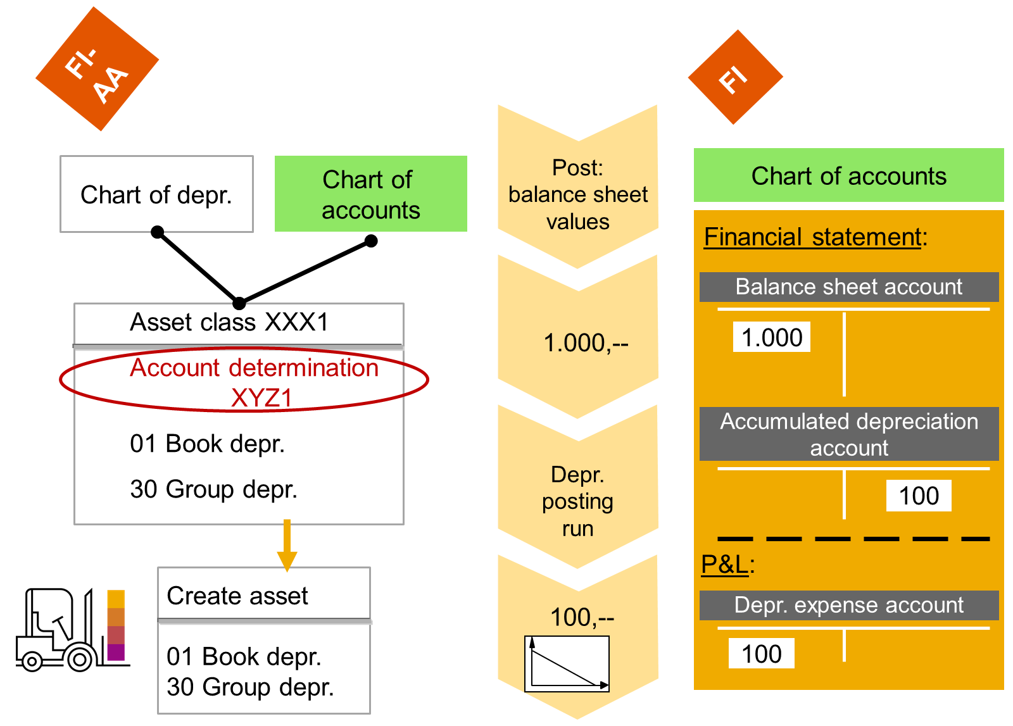
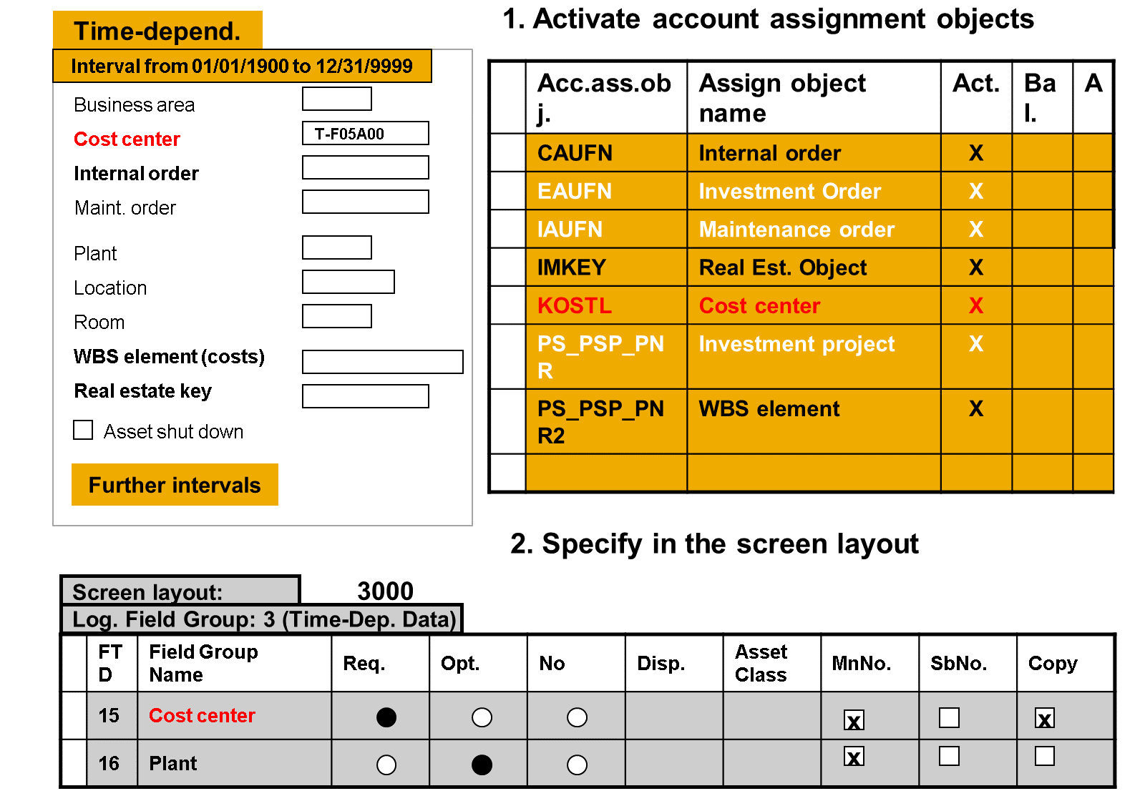
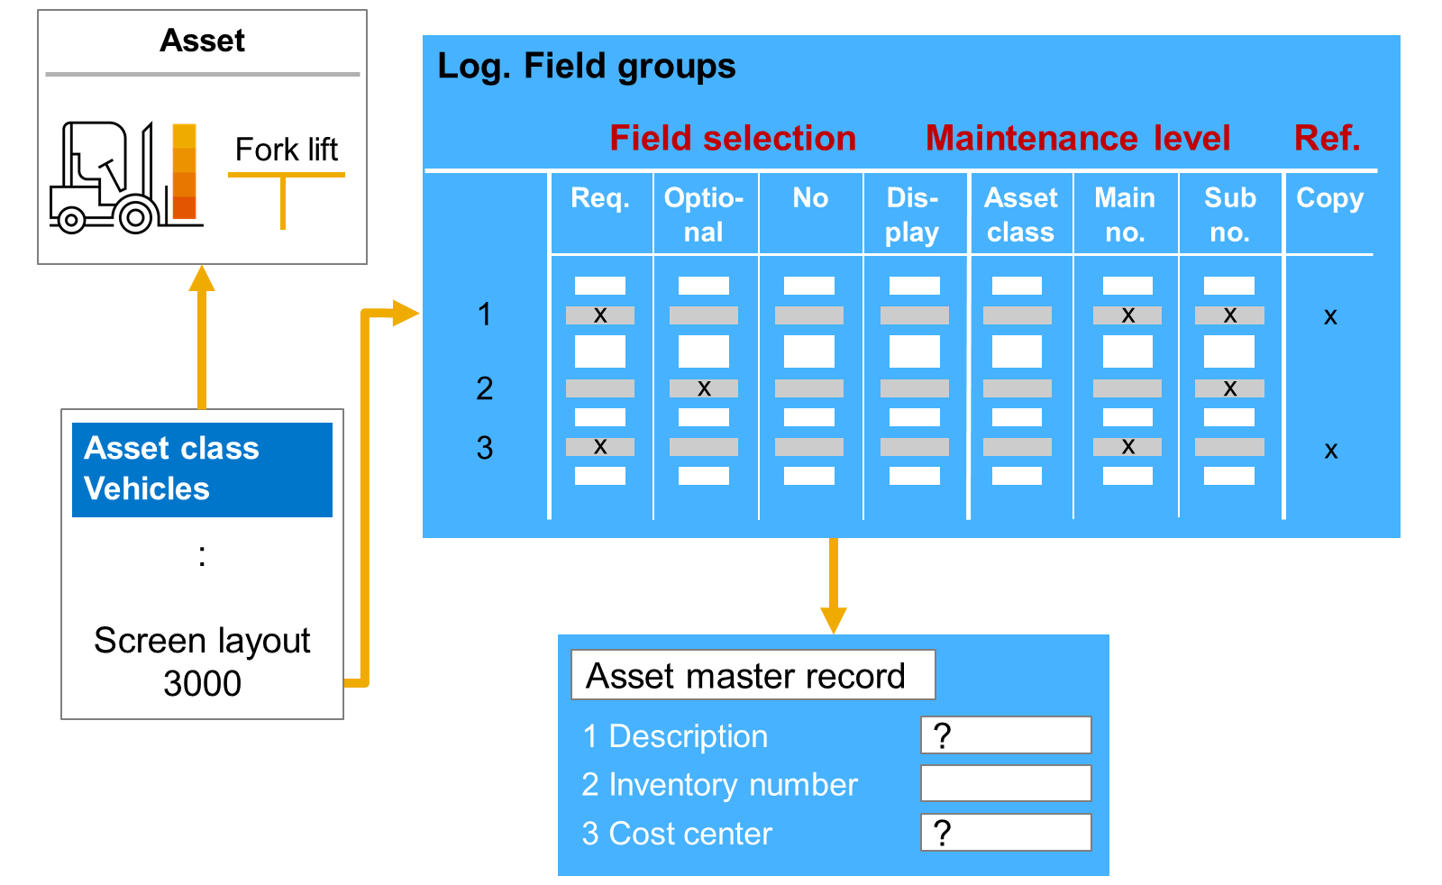
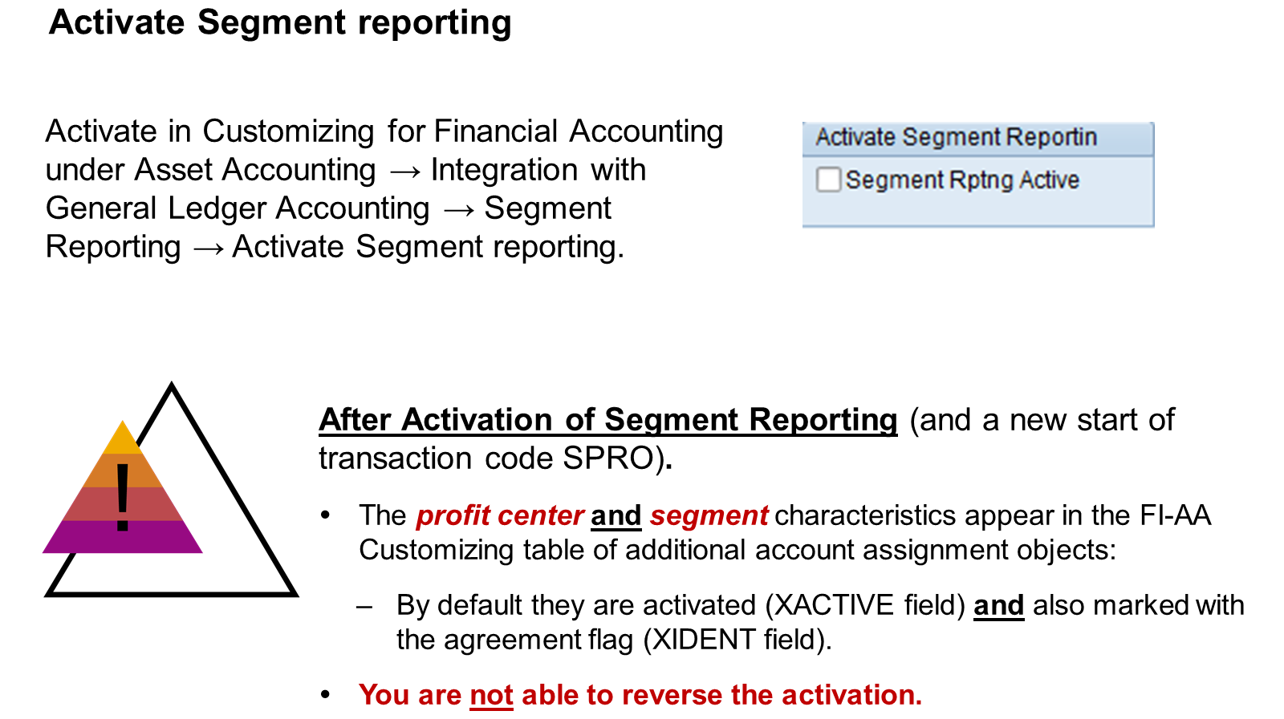
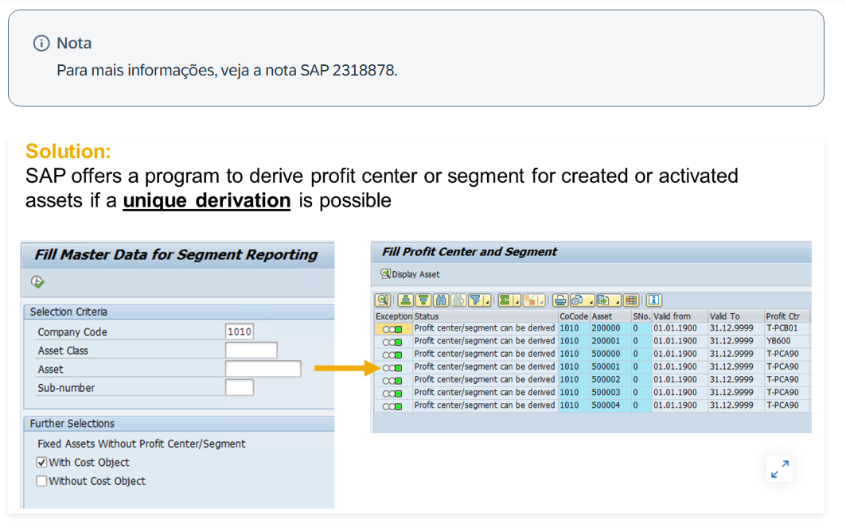

Resumo Problema-Solução: Criação e Alteração de Dados Mestre em Contabilidade de Ativos
Problema 1: Como criar um novo registro mestre de ativo, aproveitando valores já padronizados?
Solução: Duas opções:
Usando classe de ativo: informar empresa e classe de ativo — a classe fornece valores padrão importantes.
Usando referência: copiar um ativo existente como modelo — pode oferecer valores padrão ainda melhores que a classe isolada. ⚠️ Cuidado para não copiar dados indesejados, como a data de capitalização, do ativo de referência.
Em ambos os casos: preencher os campos obrigatórios, complementar com informações desejadas e salvar — o sistema atribui automaticamente o número do ativo.
Problema 2: Como criar rapidamente vários ativos semelhantes (ex.: 20 PCs, 12 mesas) sem repetir manualmente todo o processo?
Solução: Usar a função de criação de múltiplos registros semelhantes. Durante a criação em massa, é possível manter valores individuais por ativo nos campos:
Descrição do ativo
...
Nome do usuário
Conteúdo antigo e novo do campo
Acesso via T-code AS02 (a partir do próprio registro do ativo), pelo report padrão RAAEND01, ou pelo tile Fiori Change Documents for Asset Master Record. Se a alteração afeta muitos registros, é possível realizar uma modificação em massa (mass change).
Problema 7: Como tratar os valores das áreas de depreciação no registro mestre — sempre herdados da classe, sem possibilidade de ajuste?
Solução: Os valores padrão da seção de dados de depreciação vêm da classe de ativo, mas podem ser alterados ou complementados nas diferentes áreas de depreciação do próprio registro mestre. Parte dos dados dessas áreas é derivada do lançamento de aquisição. Parâmetros adicionais (ex.: índice, porção variável de depreciação, valor de sucata) são usados principalmente na área de depreciação de custo (cost-accounting).
Problema 8: Como integrar o registro financeiro do ativo (FI-AA) com o registro técnico de equipamento (PM/Plant Maintenance)?
Solução: Vincular manualmente informando o número do ativo no registro mestre de equipamento correspondente. Regra: vários equipamentos podem pertencer a um único ativo, mas um equipamento só pode pertencer a um único ativo.
Para sincronização automática entre FI-AA e PM: configurar o sistema para criar automaticamente o registro de equipamento ao criar o ativo (copiando campos como Empresa e Número de Inventário). Alterações posteriores em qualquer um dos dois registros são automaticamente refletidas no outro. Também é possível configurar um workflow para notificar o gestor de PM quando ativos são criados/alterados.
Configuração: Asset Accounting → Master Data → Automatic Creation of Equipment Master Records (mais detalhes: SAP Notes 370884 e 549929).

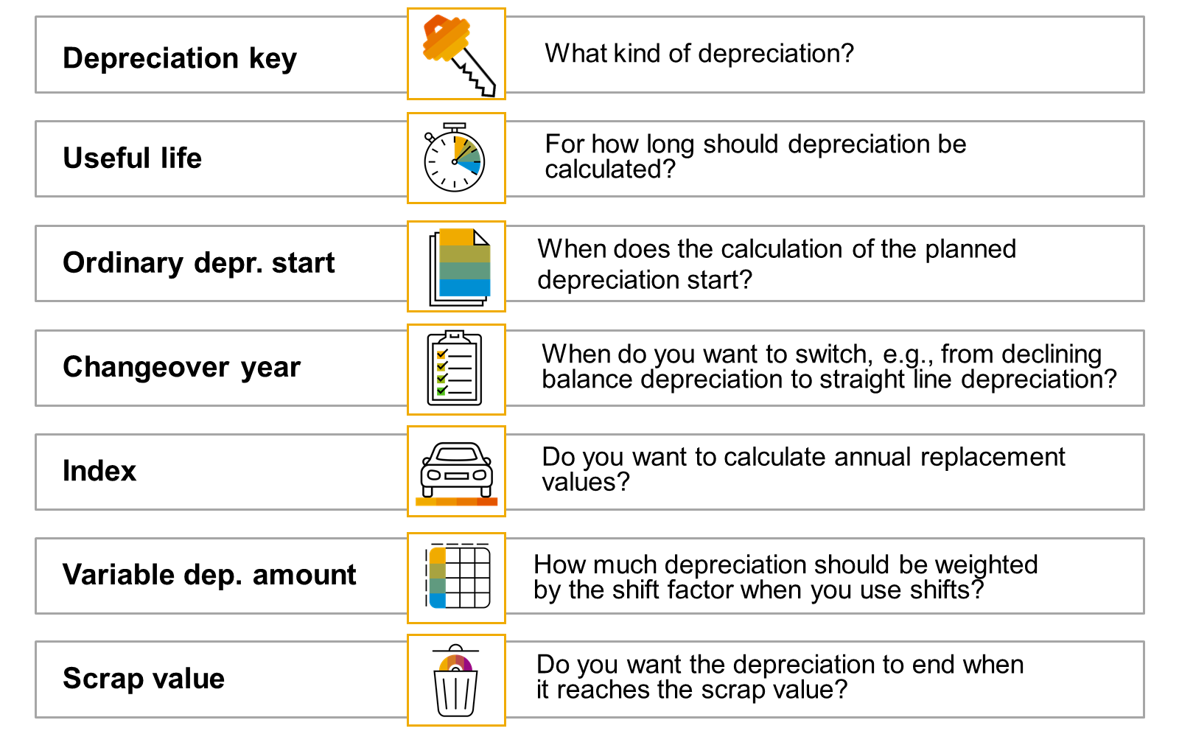

Resumo Problema-Solução: Modificações em Massa nos Dados Mestre de Ativo via Worklist
Problema 1: Como alterar dados mestre de muitos ativos simultaneamente, sem precisar configurar tarefas de workflow diretamente no Customizing?
Solução: Editar uma worklist a partir do menu de aplicação do FI-AA — desde que se tenha autorização para essa transação de aplicação, não é necessário acessar a função via atribuição de tarefa de workflow no Customizing.
Nota técnica importante: a tecnologia de modificações em massa é baseada em workflow, que usa a funcionalidade do BOR (Business Object Repository) e seus métodos. Para habilitar essa funcionalidade, é preciso ter a configuração mínima de workflow. Se as configurações básicas não estiverem mantidas (verificável via T-code SWU3), elas podem ser geradas automaticamente pelo Customizing de workflow — mas essa é uma decisão maior, que deve ser discutida com o departamento de TI (ver SAP Note 127931).
Problema 2: Como definir de forma flexível quais registros serão selecionados e como seus campos serão alterados na mudança em massa?
Solução: Criar uma regra de substituição (substitution rule), composta por duas partes:
Condições que identificam os registros a selecionar — podem ser criadas via editor de formulário ou em modo expert (exige conhecimento técnico dos campos/tabelas envolvidos).
Substituições aplicadas quando as condições são atendidas — podem ser valores constantes, atribuições campo-a-campo, ou user exits.
(Mais detalhes sobre regras de substituição para dados mestre dependentes do tempo: SAP Note 210897.)
...
 |  | Customizing: Asset Accounting → Master Data → Define Substitution → Define substitution for mass changes → botão Substitution → botão Create Substitution → criar ao menos um passo com condição se-então que atenda ao requisito.
2 | Atribuir a regra salva a uma empresa — via T-code OA02.
3 | Criar a lista de ativos a alterar (worklist) — usando qualquer report ABAP de ativos, ou pelo menu FI-AA: Environment → Worklist → Generate (T-code AR01).
4 | Criar a worklist propriamente dita — selecionar os dados mestre a alterar e escolher Create Worklist na tela de resultados.
5 | Selecionar a finalidade (purpose) da worklist — inserir descrição e escolher a finalidade (uma tarefa padrão predefinida no sistema, ex.: alteração de dados mestre).
6 | Salvar a regra de substituição definida para a mudança em massa — na caixa de diálogo, selecionar a regra criada e salvar os dados.
7 | Processar a worklist — via menu FI-AA: Environment → Worklist → Edit (T-code AR31). Apenas a worklist precisa ser processada nesta etapa.
8 | Verificar o sucesso da mudança — exibindo os ativos diretamente ou executando o report RAAEND01.

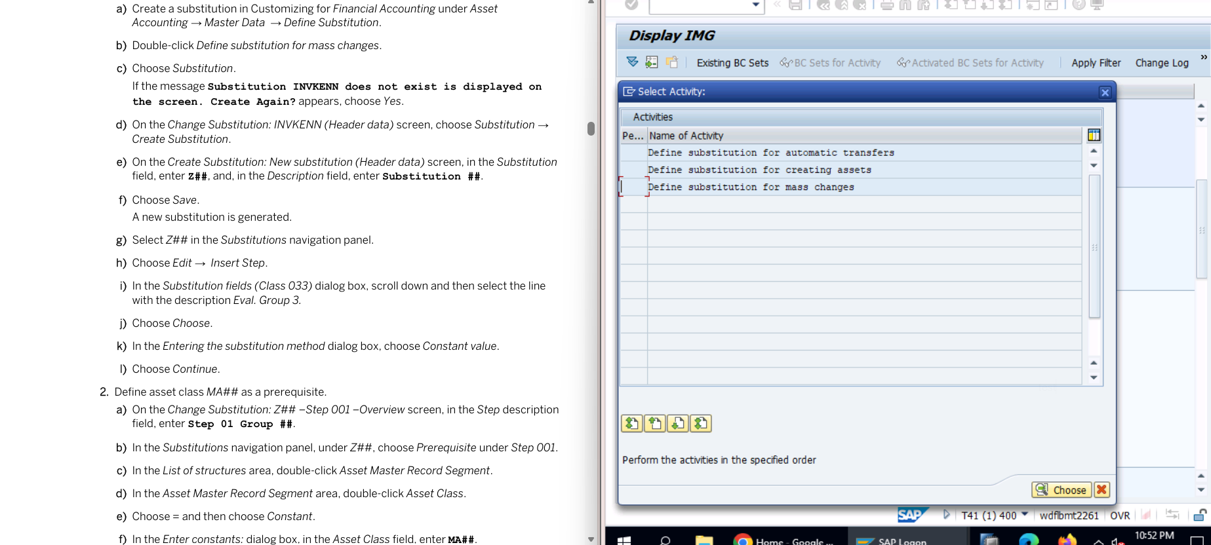
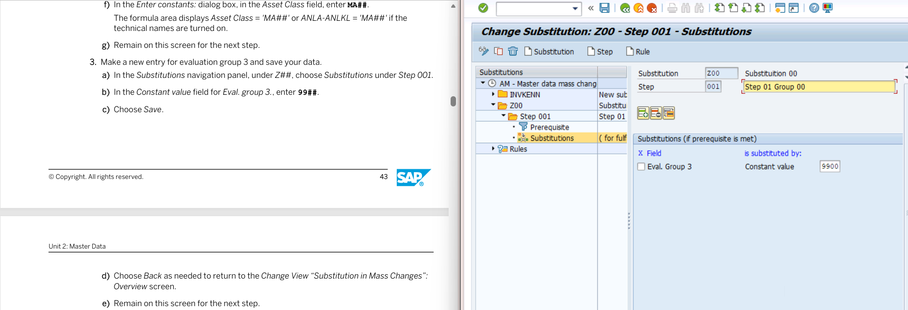
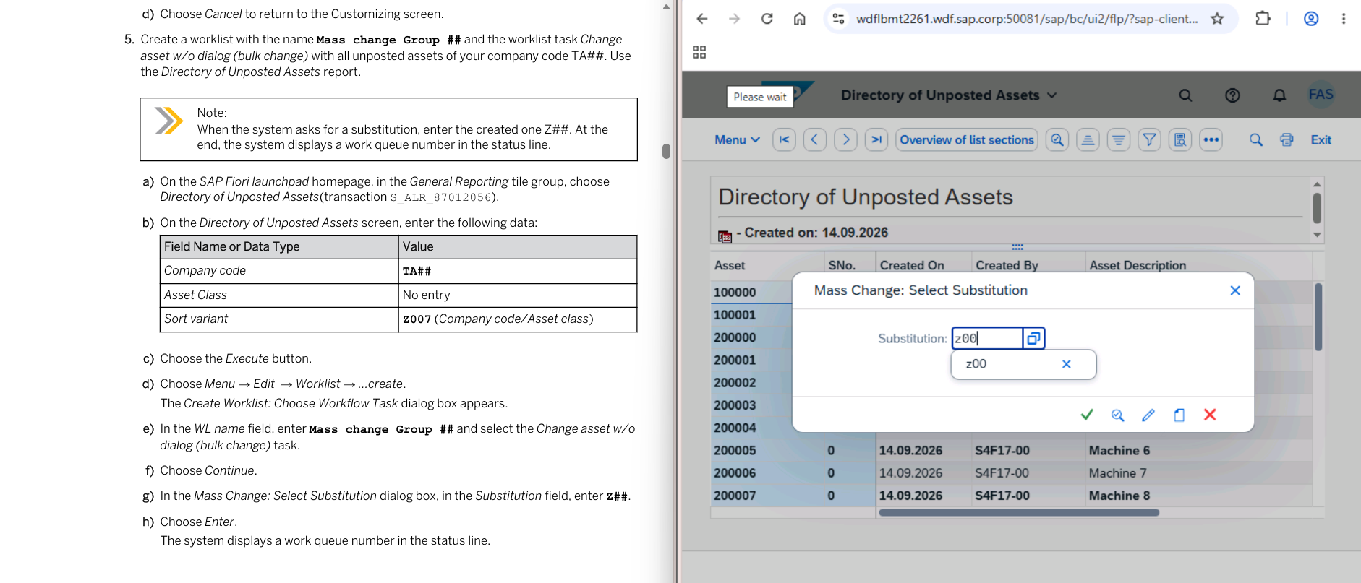

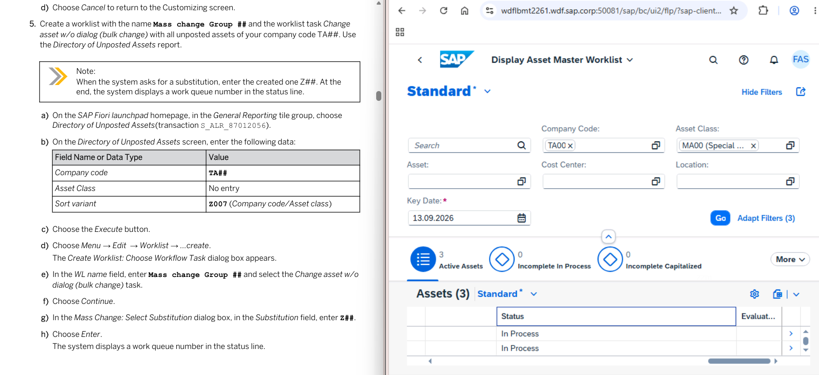
...
Resumo Problema-Solução: Transferências Dentro da Empresa e Transferências Intercompany de Ativos
Solução: Sim — as configurações padrão das variantes de transferência (combinação de tipos de transação e métodos de transferência) cobrem 80% das ações de transferência (mais detalhes: SAP Note 327088).
Premissa padrão da SAP: transferências de relacionamento tipo 02 (duas empresas, mesmo ID de company) são sempre tratadas como intracompany (com tipos de transação 3++ e método bruto), já que a empresa individual não é uma entidade legal independente e não gera balanços para fins externos.
Problema 6: E se a estrutura real da empresa não corresponder a essa premissa padrão da SAP?
Solução: Definir variantes de transferência próprias, usando tipos de transação padrão ou definidos pelo cliente. (Para transferência em massa, ver SAP Note 379944.)
Problema 7: Como transferir ativos entre empresas que usam planos de amortização diferentes, com áreas de depreciação estruturadas de forma distinta mas funcionalmente equivalentes?
Solução: Definir áreas de depreciação intercompany (cross-company) antes de realizar a transferência. Essas áreas:
Não possuem parâmetros de controle próprios — consistem apenas em uma descrição curta e uma chave uniforme em todo o mandante.
Se uma área intercompany correspondente não for definida, o sistema insere um asterisco (*) como entrada genérica para as áreas intercompany.
⚠️ Atenção: ao optar por usar áreas de depreciação intercompany, é necessário definir uma área intercompany para todas as demais áreas de depreciação transferidas, mesmo que as chaves de área sejam idênticas entre os planos de amortização de origem e destino.

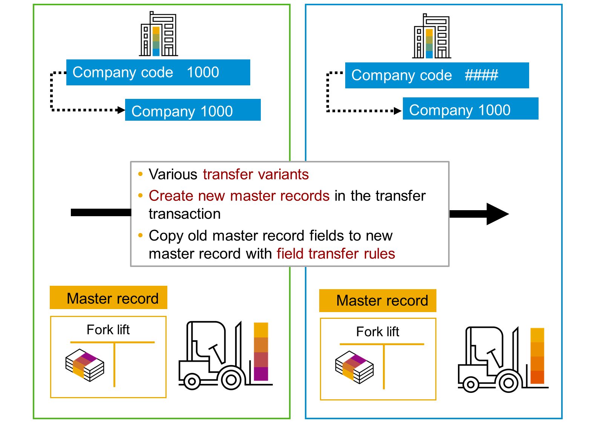
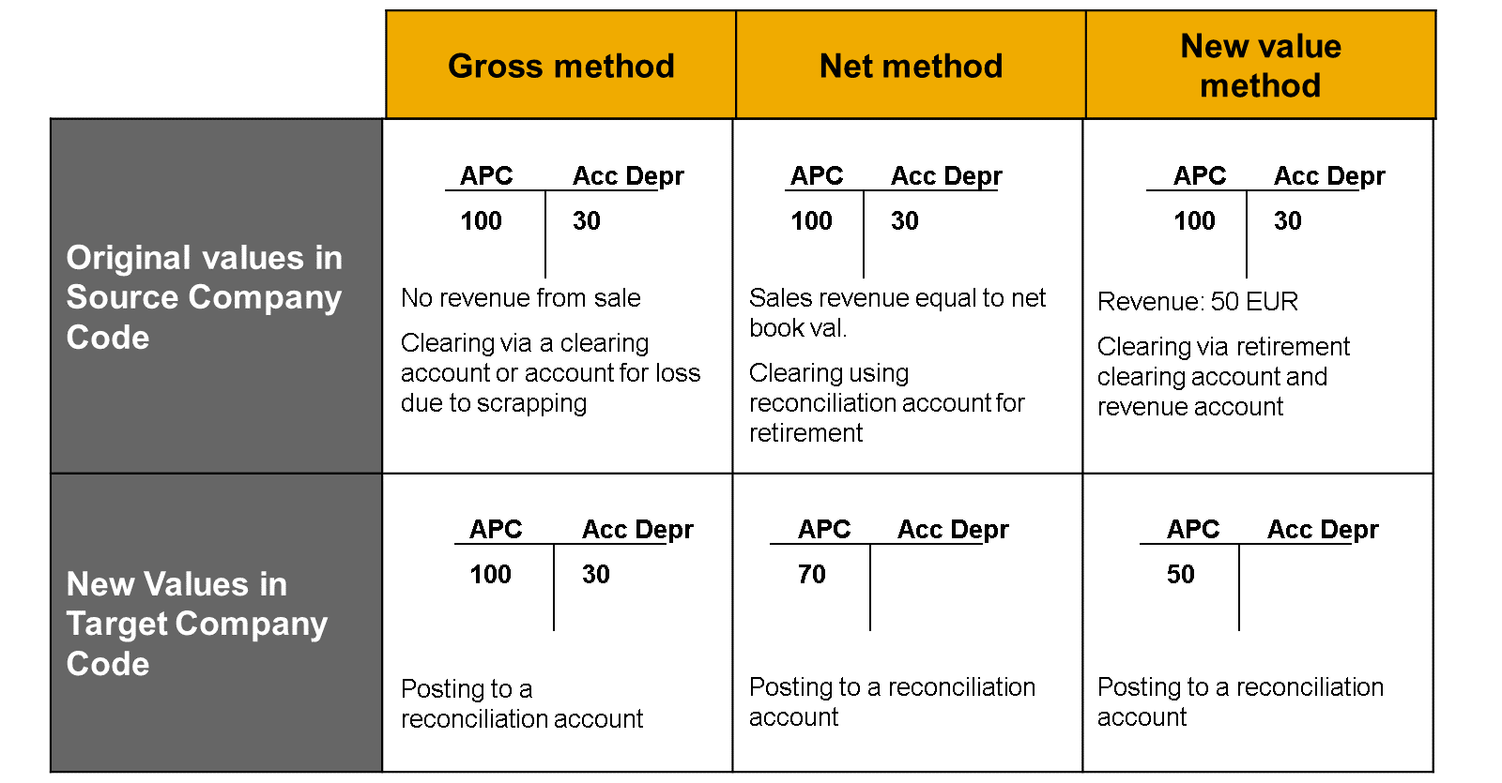

Resumo Problema-Solução: Representação, Distribuição e Liquidação de Ativos em Construção (AuC)
Problema 1: Como gerenciar grandes medidas de investimento que também precisam incorporar atividades internas mapeadas no sistema?
Solução: Usar o Investment Management (IM) para investimentos de grande porte. (Mais detalhes sobre projetos de investimento sob a ótica de Contabilidade de Ativos: e-learning S4F18e, no SAP Learning Hub.)
Problema 2: Por que um ativo em construção não pode ser tratado com o mesmo registro mestre de um ativo já concluído?
Solução: Porque existem duas fases relevantes para FI-AA, exibidas em itens de balanço diferentes:
Fase de construção (under construction)
Fase de vida útil (useful life)
Por isso, essas fases são gerenciadas com objetos/registros mestre distintos. A transição da fase de construção para o ativo concluído é chamada de capitalização do AuC.
Problema 3: Quais abordagens de gerenciamento existem para um AuC, conforme a necessidade de controle detalhado?
...

