VLSM
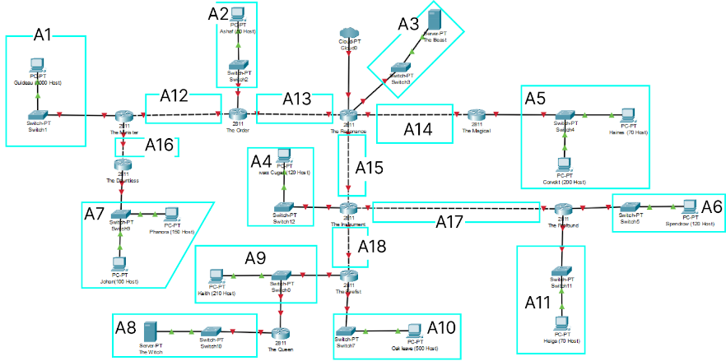
Nama Subnet | Size Diperlukan | Dialokasikan | Netmask | Subnet Mask | pref | Network ID | Assignable IP Range | Broadcast Address | total IP
A1 | 1001 | 1024 | /22 | 255.255.252.0 | 192.219.0 | 0 | 0.1-3.254 | 3,255 | 1024 | 0 | 255
A10 | 501 | 510 | /23 | 255.255.254.0 | 192.219.4 | 0 | 0.1 - 5.254 | 5,255 | 512 | 1 | 255
A5 | 271 | 510 | /23 | 255.255.254.0 | 192.219.6 | 0 | 0.1-7.254 | 7,255 | 512 | 2 | 255
A7 | 251 | 254 | /24 | 255.255.255.0 | 192.219.8 | 0 | 1-254 | 255 | 256 | 3 | 255
A9 | 212 | 254 | /24 | 255.255.255.0 | 192.219.9 | 0 | 1-254 | 255 | 256 |  | 1020
A4 | 121 | 126 | /25 | 255,255,255,128 | 192.219.10 | 0 | 1-126 | 127 | 128
A6 | 121 | 126 | /25 | 255,255,255,128 | 192.219.10 | 128 | 129-254 | 255 | 128
A11 | 71 | 126 | /25 | 255,255,255,128 | 192.219.11 | 0 | 1-126 | 127 | 128
A2 | 51 | 62 | /26 | 255,255,255,192 | 192.219.11 | 128 | 129-190 | 191 | 64
A3 | 2 | 4 | /30 | 255,255,255,252 | 192.219.11 | 192 | 193-194 | 195 | 4
A8 | 2 | 4 | /30 | 255,255,255,252 | 192.219.11 | 196 | 197-198 | 199 | 4
A12 | 2 | 4 | /30 | 255,255,255,252 | 192.219.11 | 200 | 201-202 | 203 | 4
A13 | 2 | 4 | /30 | 255,255,255,252 | 192.219.11 | 204 | 205-206 | 207 | 4
A14 | 2 | 4 | /30 | 255,255,255,252 | 192.219.11 | 208 | 209-210 | 211 | 4
A15 | 2 | 4 | /30 | 255,255,255,252 | 192.219.11 | 212 | 213-214 | 215 | 4
A16 | 2 | 4 | /30 | 255,255,255,252 | 192.219.11 | 216 | 217-218 | 219 | 4
A17 | 2 | 4 | /30 | 255,255,255,252 | 192.219.11 | 220 | 221-222 | 223 | 4
A18 | 2 | 4 | /30 | 255,255,255,252 | 192.219.11 | 224 | 225-226 | 227 | 4
 | 2618 | 3028 | /20 |  |  |  |  |  | 3044

