Forecast
 | Forecast_Demand
2021-02-14 | 1760.2812297
2021-02-15 | 1789.3416477
2021-02-16 | 1812.1931133
2021-02-17 | 1800.3068924
2021-02-18 | 1791.662737
2021-02-19 | 1785.2563557
2021-02-20 | 1731.7068772
2021-02-21 | 1693.9924323
2021-02-22 | 1765.378284
2021-02-23 | 1803.1085214
2021-02-24 | 1797.4927251
2021-02-25 | 1791.6337388
2021-02-26 | 1788.62497
2021-02-27 | 1736.4387974
2021-02-28 | 1696.8047427
2021-03-01 | 1767.5231913
2021-03-02 | 1805.0187226
2021-03-03 | 1799.3033598
2021-03-04 | 1793.3998508
2021-03-05 | 1790.3358307
2021-03-06 | 1738.1274683
2021-03-07 | 1698.5248868
2021-03-08 | 1769.2542779
2021-03-09 | 1806.7536573
2021-03-10 | 1801.0399265
2021-03-11 | 1795.137147
2021-03-12 | 1792.0740318
2021-03-13 | 1739.8660327
2021-03-14 | 1700.2629359
2021-03-15 | 1770.9921479
2021-03-16 | 1808.4914643
2021-03-17 | 1802.7777068
2021-03-18 | 1796.8749154
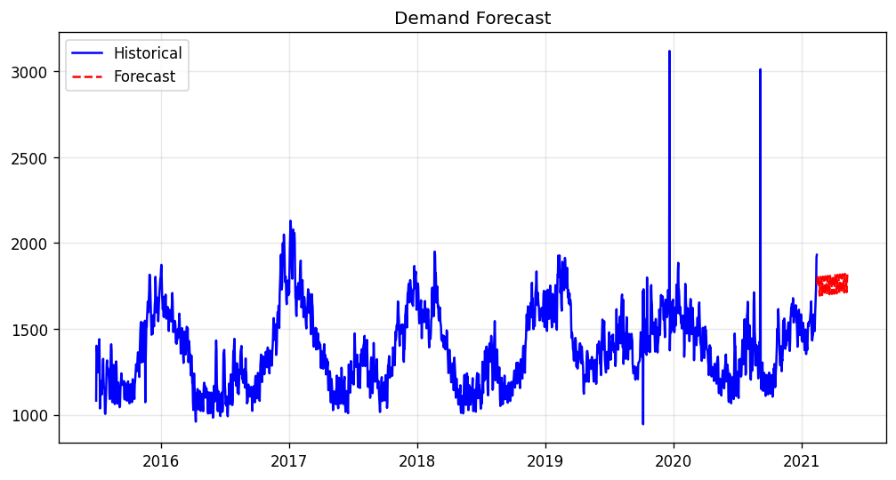
2021-03-19 | 1793.8117854
2021-03-20 | 1741.6037803
2021-03-21 | 1702.000692
2021-03-22 | 1772.7299069
2021-03-23 | 1810.2292243
2021-03-24 | 1804.5154672
2021-03-25 | 1798.612676
2021-03-26 | 1795.5495462
2021-03-27 | 1743.3415413
2021-03-28 | 1703.7384528
2021-03-29 | 1774.4676677
2021-03-30 | 1811.9669851
2021-03-31 | 1806.253228
2021-04-01 | 1800.3504368
2021-04-02 | 1797.287307
2021-04-03 | 1745.0793021
2021-04-04 | 1705.4762136
2021-04-05 | 1776.2054284
2021-04-06 | 1813.7047459
2021-04-07 | 1807.9909888
2021-04-08 | 1802.0881976
2021-04-09 | 1799.0250678
2021-04-10 | 1746.8170629
2021-04-11 | 1707.2139744
2021-04-12 | 1777.9431892
2021-04-13 | 1815.4425066
2021-04-14 | 1809.7287495
2021-04-15 | 1803.8259583
2021-04-16 | 1800.7628285
2021-04-17 | 1748.5548236
2021-04-18 | 1708.9517351
2021-04-19 | 1779.68095
2021-04-20 | 1817.1802674
2021-04-21 | 1811.4665103
2021-04-22 | 1805.5637191
2021-04-23 | 1802.5005893
2021-04-24 | 1750.2925844
2021-04-25 | 1710.6894959
2021-04-26 | 1781.4187107
2021-04-27 | 1818.9180282
2021-04-28 | 1813.2042711
2021-04-29 | 1807.3014799
2021-04-30 | 1804.2383501
2021-05-01 | 1752.0303452
2021-05-02 | 1712.4272567
2021-05-03 | 1783.1564715
2021-05-04 | 1820.6557889
2021-05-05 | 1814.9420318
2021-05-06 | 1809.0392406
2021-05-07 | 1805.9761108
2021-05-08 | 1753.7681059
2021-05-09 | 1714.1650174
2021-05-10 | 1784.8942323
2021-05-11 | 1822.3935497
2021-05-12 | 1816.6797926
2021-05-13 | 1810.7770014
2021-05-14 | 1807.7138716

Risk_Metrics
 | Weighted_Avg | VaR_95
2021-02-14 | 1760.2230475 | 1755.4480562
2021-02-15 | 1789.3053911 | 1784.4442282
2021-02-16 | 1812.2397926 | 1807.3991925
2021-02-17 | 1800.3320111 | 1795.6147538
2021-02-18 | 1791.7798612 | 1786.9064709
2021-02-19 | 1785.235242 | 1780.6315839
2021-02-20 | 1731.6947095 | 1726.9297083
2021-02-21 | 1693.9934596 | 1688.9594926
2021-02-22 | 1765.3821041 | 1760.5325521
2021-02-23 | 1803.1373921 | 1798.2094925
2021-02-24 | 1797.5161729 | 1792.7372917
2021-02-25 | 1791.6171038 | 1786.6148077
2021-02-26 | 1788.5540011 | 1783.7574903
2021-02-27 | 1736.4588984 | 1731.6319506
2021-02-28 | 1696.8435407 | 1691.9603475
2021-03-01 | 1767.51505 | 1762.9198292
2021-03-02 | 1805.0861101 | 1800.2211881
2021-03-03 | 1799.2882161 | 1794.4401687
2021-03-04 | 1793.350924 | 1788.2376103
2021-03-05 | 1790.3488709 | 1785.3518118
2021-03-06 | 1738.1450723 | 1733.1425506
2021-03-07 | 1698.4864674 | 1693.6956306
2021-03-08 | 1769.2453855 | 1764.4764949
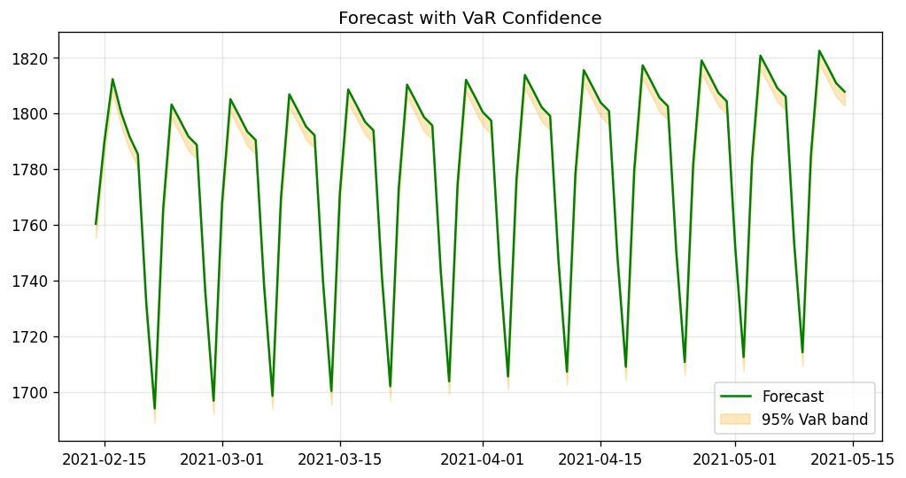
2021-03-09 | 1806.8053002 | 1801.9233721
2021-03-10 | 1801.0459058 | 1796.6355293
2021-03-11 | 1795.1399849 | 1790.3542292
2021-03-12 | 1792.1002794 | 1787.552423
2021-03-13 | 1739.8696638 | 1734.9200633
2021-03-14 | 1700.2300962 | 1695.3122019
2021-03-15 | 1770.9423896 | 1766.0038259
2021-03-16 | 1808.4550751 | 1803.5714959
2021-03-17 | 1802.7429183 | 1797.9968447
2021-03-18 | 1796.9153949 | 1792.3379104
2021-03-19 | 1793.7617631 | 1789.0508012
2021-03-20 | 1741.5621699 | 1736.810827
2021-03-21 | 1701.9693762 | 1697.0716117
2021-03-22 | 1772.7604201 | 1768.0842856
2021-03-23 | 1810.2232755 | 1805.5832052
2021-03-24 | 1804.5165022 | 1799.8151897
2021-03-25 | 1798.5548572 | 1793.458892
2021-03-26 | 1795.6241201 | 1790.6837981
2021-03-27 | 1743.3207951 | 1738.6345276
2021-03-28 | 1703.7376016 | 1699.0364264
2021-03-29 | 1774.4468244 | 1769.6746788
2021-03-30 | 1812.0098183 | 1807.4903416
2021-03-31 | 1806.2398718 | 1801.347204
2021-04-01 | 1800.3664627 | 1795.6046344
2021-04-02 | 1797.2630155 | 1792.3937638
2021-04-03 | 1745.0758944 | 1740.2617611
2021-04-04 | 1705.573674 | 1700.7877886
2021-04-05 | 1776.2336546 | 1771.2455639
2021-04-06 | 1813.6461232 | 1808.7047656
2021-04-07 | 1807.9763108 | 1803.2818058
2021-04-08 | 1802.049145 | 1797.0280523
2021-04-09 | 1798.9787337 | 1793.9745433
2021-04-10 | 1746.842546 | 1742.0712191
2021-04-11 | 1707.1843098 | 1702.4682012
2021-04-12 | 1778.0268213 | 1773.0845151
2021-04-13 | 1815.4420409 | 1810.6223397
2021-04-14 | 1809.8061943 | 1804.9588909
2021-04-15 | 1803.8528989 | 1798.9214522
2021-04-16 | 1800.793691 | 1795.8919013
2021-04-17 | 1748.5272439 | 1743.668948
2021-04-18 | 1708.9753355 | 1704.1342284
2021-04-19 | 1779.665668 | 1774.7595654
2021-04-20 | 1817.151128 | 1812.2542248
2021-04-21 | 1811.431282 | 1806.6510304
2021-04-22 | 1805.5575967 | 1800.5782997
2021-04-23 | 1802.5203001 | 1797.6010615
2021-04-24 | 1750.293032 | 1745.5537751
2021-04-25 | 1710.6446711 | 1706.0558679
2021-04-26 | 1781.4533749 | 1776.4280732
2021-04-27 | 1818.9184175 | 1814.0870501
2021-04-28 | 1813.2687098 | 1808.5201495
2021-04-29 | 1807.3330138 | 1802.5866222
2021-04-30 | 1804.2356347 | 1799.6886845
2021-05-01 | 1751.9604715 | 1747.1364583
2021-05-02 | 1712.4169659 | 1707.4293169
2021-05-03 | 1783.0875146 | 1778.3289323
2021-05-04 | 1820.6109135 | 1815.5228732
2021-05-05 | 1814.9433161 | 1810.147846
2021-05-06 | 1809.0345638 | 1804.1880442
2021-05-07 | 1805.9944862 | 1800.9928847
2021-05-08 | 1753.7310672 | 1748.7061589
2021-05-09 | 1714.1796332 | 1709.2762836
2021-05-10 | 1784.8274898 | 1779.7968963
2021-05-11 | 1822.4240604 | 1817.5988073
2021-05-12 | 1816.6924554 | 1811.8359838
2021-05-13 | 1810.8050245 | 1806.0263624
2021-05-14 | 1807.7039089 | 1802.6965018

