Sheet1
TASK:1 - Construct the confidence interval using a collected data.
using the following data , construct a 95% confidence interval.
Age |  |  |  |  |  |  | Answer
19
21 |  |  |  |  |  | The 95% confidence interval is (21.5445,29.12217)
25
40 | Mean | 25.333333333
33 | Standard Error | 1.7665318906
35 | Median | 25
24 | Mode | 19
26 | Standard Deviation | 6.841748593
29 | Sample Variance | 46.80952381
28 | Kurtosis | -0.17854357476 |  | Marginal Error
27 | Skewness | 0.7110774162
17 | Range | 23 |  | Lower Marginal Limit | 21.544499251
18 | Minimum | 17 |  | Upper Marginal Limit | 29.122167416
19 | Maximum | 40
19 | Sum | 380
 | Count | 15
 | Confidence Level(95.0%) | 3.7888340828

TASK : 2 - |  |  |  |  |  | Many people live in NJ and work in NYC.Sophia wants to find out how many minutes NJ residents spend
 |  |  |  |  |  | going to work in NYC. Based on her observaton ,she claims the average commuting time is about 80 minutes.
Commuting Time | Population |  |  |  |  | Is there enough evidence to reject her claim? Using α=0.10,analyse her claim.
80 | 80 | Ho | μ=80
75 | 80 | Ha | μ=80
60 | 80
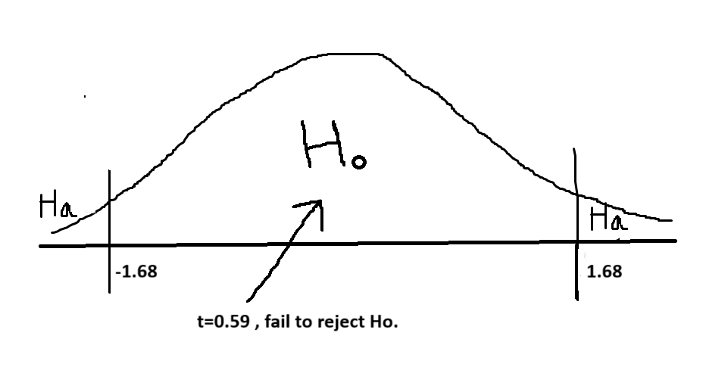
64
70
90
80 |  |  | t-Test: Two-Sample Assuming Unequal Variances
73
66 |  |  |  | Commuting Time
65 |  |  | Mean | 81.088888889
90 |  |  | Variance | 151.21919192
95 |  |  | Observations | 45
80 |  |  | Hypothesized Mean Difference | 0
82 |  |  | df | 44
70 |  |  | t Stat | 0.59399989288
100 |  |  | P(T<=t) one-tail | 0.27777702352
120 |  |  | t Critical one-tail | 1.3010900597
100 |  |  | P(T<=t) two-tail | 0.55555404704 | > | α=0.10 | Hence fail to reject Ho
90 |  |  | t Critical two-tail | 1.6802299766 |  |  | There is not enough evidence to reject the claim.
92
97
80
88
85
81
60
66
64
68
69
70
80
80
81
91
91
92
75
76
78
88
87
89
85
86

