EP and BVA
PROVIDE THE MINIMUM NUMBER OF TEST CASES |  |  | EP
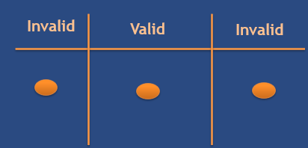

 | Equivalence Partitioning
 | Scenario | Expected Result
 | Verify if the value accepts the age from <=17 | It will be invalid and not accepted the value will be given a triggered error message | BVA
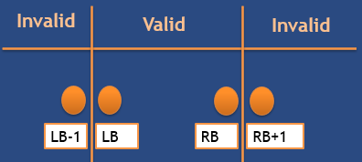
 | Verify if the value accepts the age from 18-56 | It will accepted the value from 18-56
 | Verify if the value accepts the age from >=57 | It will be invalid and not accepted the value will be given a triggered error message

 | BVA
 | Scenario | Expected Result
 | User inputs 17 | It will be invalid and not accepted the value will be given a triggered error message
 | User inputs 18-19 | It will accepted the value from 18-19
 | User inputs 55-56 | It will accepted the value from 55-57
 | User inputs 57 | It will be invalid and not accepted the value will be given a triggered error message

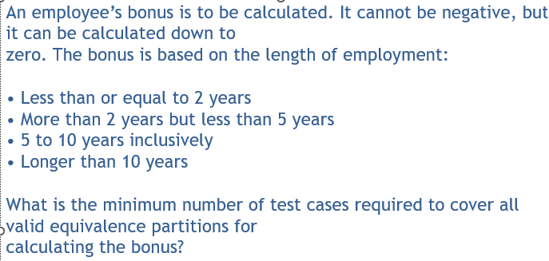

 | Equivalence Partitioning
 | Scenario | Expected Result
 | The bonus based on the length of employment <= 2 years | Employee bonus should be <formula>
 | The bonus based on the length of employment >= 2 years <= 5 years | Employee bonus should be <formula>
 | The bonus based on the length of employment 5 years to 10 years | Employee bonus should be <formula>
 | The bonus based on the length of employment > 10 years | Employee bonus should be <formula>

 | BVA
 | Scenario | Expected Result
 | The bonus based on the length of employment 1 yr | Employee bonus should be <formula>
 | The bonus based on the length of employment 3 yrs | Employee bonus should be <formula>
 | The bonus based on the length of employment 5 yrs | Employee bonus should be <formula>
 | The bonus based on the length of employment 9 yrs | Employee bonus should be <formula>
 | The bonus based on the length of employment 10 yrs | Employee bonus should be <formula>
 | The bonus based on the length of employment 12 yrs | Employee bonus should be <formula>
 | The bonus based on the length of employment 15 yrs | Employee bonus should be <formula>

State Transition Testing
PROVIDE THE TEST CASES THAT CAN BE CREATED IN THIS TRANSITION DIAGRAM
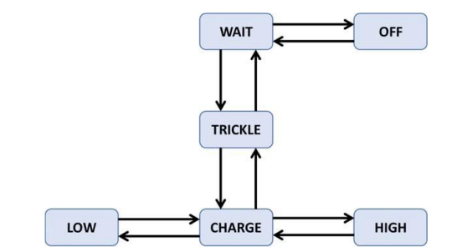

 | Tc1 | Low-charge
 | Tc2 | charge-trickle
 | Tc3 | trickle-wait
 | tc4 | wait- off
 | tc5 | off-wait
 | tc6 | wait - trickle
 | tc7 | trickle-charge
 | tc 8 | charge - high
 | tc9 | high-charge
 | tc 10 | charge-low

Decision Table
PROVIDE THE TEST CASES THAT CAN BE CREATED IN THIS DECISION TABLE |  |  | EXAMPLE | EXAMPLE
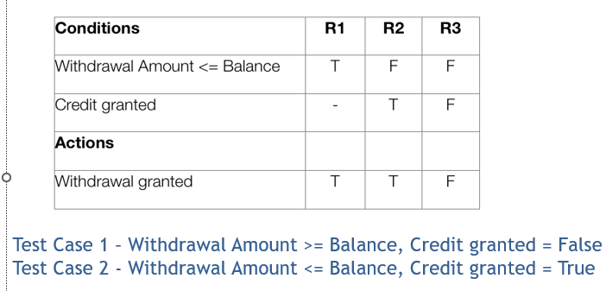
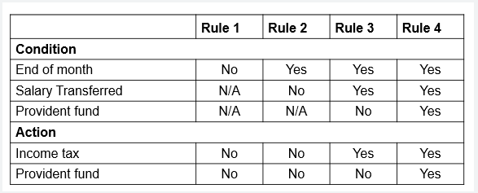

 | TEST CASE | EXPECTED RESULT
 | End of Month- No; Salary Transferred- Not Applicable; Provident Fund- Not applicable | Income Tax and Provident fund not calculated
 | End of Month-Yes; Salary Transferred- No; Provident Fund- Not applicable | Income Tax and Provident fund not calculated
 | End of Month- Yes; Salary Transferred- Yes ; Provident Fund- No | Income Tax will calculated but Provident fund not calculated
 | End of Month- Yes; Salary Transferred- Yes ; Provident Fund- yes | Income Tax and Provident fund will calculated

