Visualization
Understand Electric Vehicle Label and Key Information

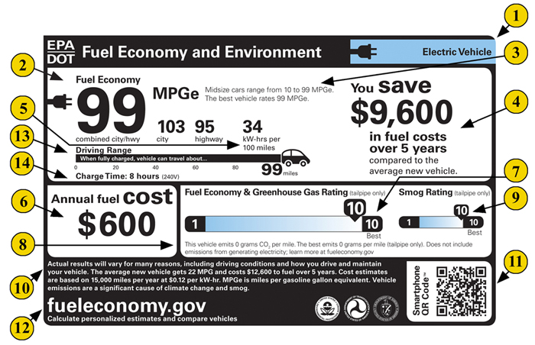
 |  |  |  | MPGe
 |  |  |  | miles per gallon of gasoline-equivalent a unit of measure created by the EPA to enable a comparison of gas-powered cars and electric vehicles

 |  |  |  | Combine MPGe
 |  |  |  | A combined MPGe is calculated based on 45% highway, 55% city driving

 |  |  |  | Electricity Consumption Rate (kW-hrs per 100 miles)
 |  |  |  | It indicated a vehicles kilowatt-hours-per-100-miles rating, representing the amount of energy needed to travel 100 miles in kWh. The LOWER number of kWh is BETTER

Relationship between Electricity Consumption and saving fuel costs
 | youSaveSpend
39.7102 | 5250
39.7102 | 5250
32.6939 | 6000
36.4003 | 5750
35.5517 | 5750
41.3796 | 5000
39.1925 | 5250
35.3627 | 5750
42.3096 | 5000
30.9718 | 6250
34.1406 | 6000
27.982 | 6500
30.7674 | 6250
30.9281 | 6250
33.8558 | 6000
32.2089 | 6250
34.2082 | 6000
35.2736 | 5750
37.0351 | 5500
37.7438 | 5500
39.5995 | 5250
37.3574 | 5500
38.9985 | 5250
38.0941 | 5500
44.0186 | 4750
41.5264 | 5000
37.6463 | 5500
40.2123 | 5250
38.2532 | 5500
42.2946 | 5000
42.2946 | 5000
39.3181 | 5250
39.3181 | 5250
39.3181 | 5250
40.8272 | 5250
40.8272 | 5250
40.8272 | 5250
38.0898 | 5500
53.3826 | 3750
37.1566 | 5500
33.1392 | 6000
35.4988 | 5750
36.8341 | 5500
63.4112 | 2500
63.0286 | 2750
63.4112 | 2500
63.0286 | 2750
27.2272 | 6750
32.5202 | 6000
23.5724 | 7000
...

 | LookUp Vehicle Model Information ➡️ | Electric Vehicle Label | https://www.epa.gov/fueleconomy/text-version-electric-vehicle-label

