FORBILDHead
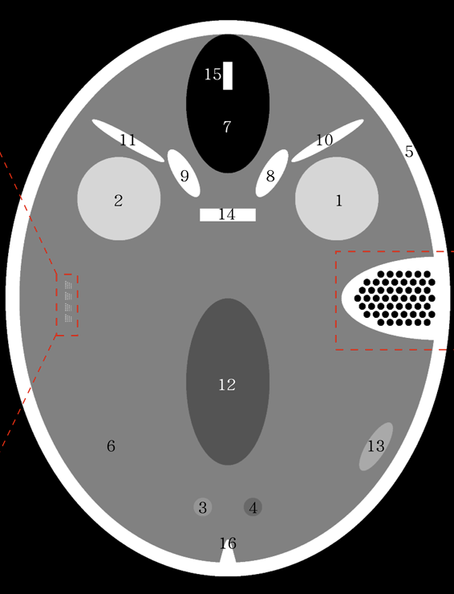
 | FORBILD Head Static LAC |  | FORBILD Head Static Material
Object ID | Object Name | LAC | Material (XCOM) | Scale
1 | Eye | 1.06 | EyeLens.mix | 1
2 | Eye | 1.06 | EyeLens.mix | 1
3 | Lesion | 1.525 | Brain.mix | 1.4523809524
4 | Lesion | 1.475 | Brain.mix | 1.4047619048
5 | Calotte | 1.8 | Bone(ICRU-44).mix | 1
6 | Brain Matter | 1.05 | Brain.mix | 1
7 | Frontal Sinus | 0 | Air.mix | 1
8 | Bone | 1.8 | Bone(ICRU-44).mix | 1
9 | Bone | 1.8 | Bone(ICRU-44).mix | 1
10 | Bone | 1.8 | Bone(ICRU-44).mix | 1
11 | Bone | 1.8 | Bone(ICRU-44).mix | 1
12 | Ventricle | 1.045 | Brain.mix | 0.99523809524
13 | Subdural Hematoma | 1.055 | Brain.mix | 1.0047619048
14 | Bone | 1.8 | Bone(ICRU-44).mix | 1
15 | Bone | 1.8 | Bone(ICRU-44).mix | 1
16 | Internal occipital protuberane | 1.8 | Bone(ICRU-44).mix | 1
17 | Internal occipital protuberane | 1.8 | Bone(ICRU-44).mix | 1

Breast
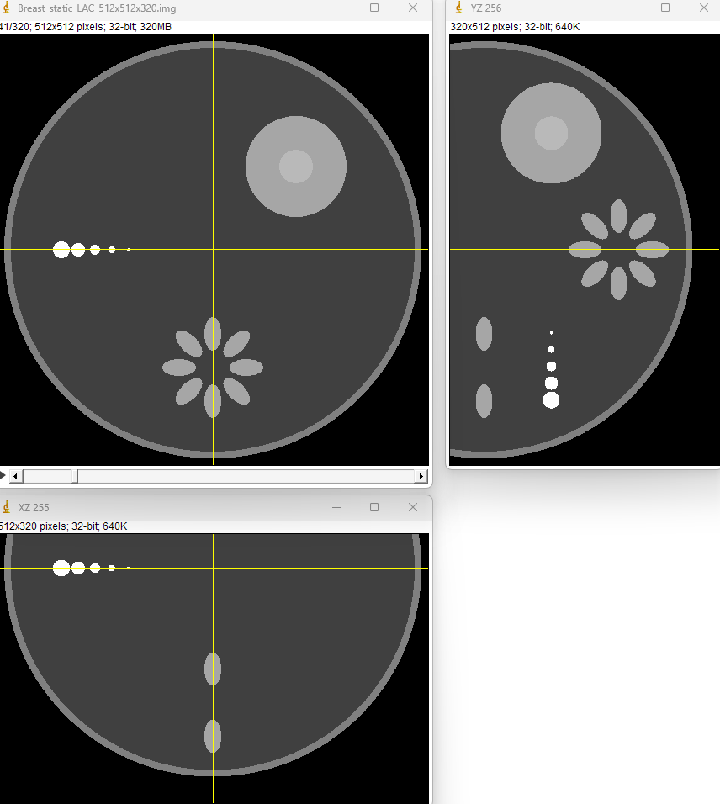
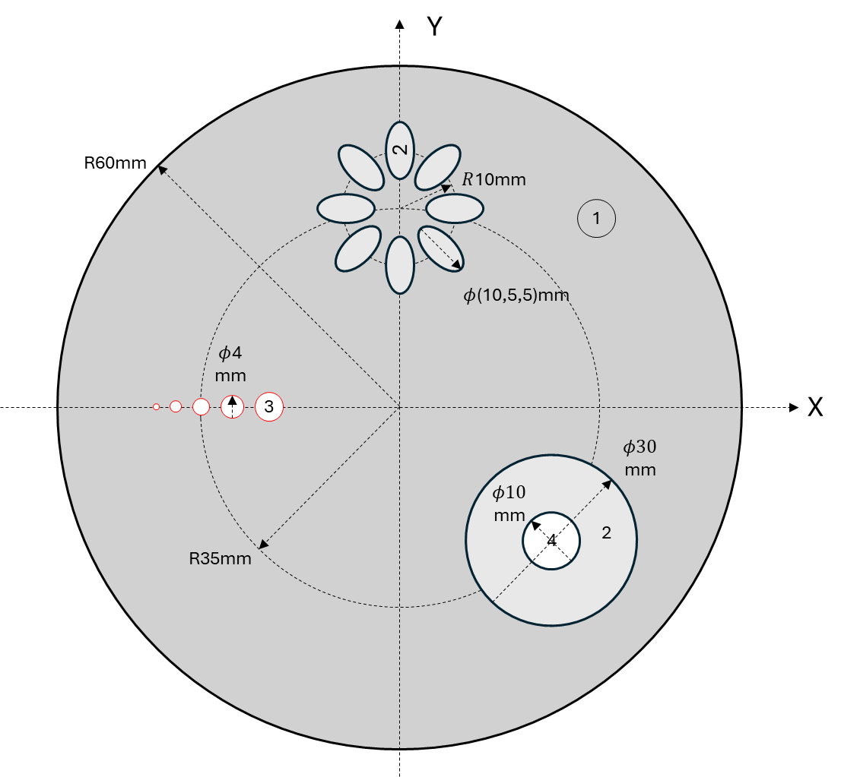
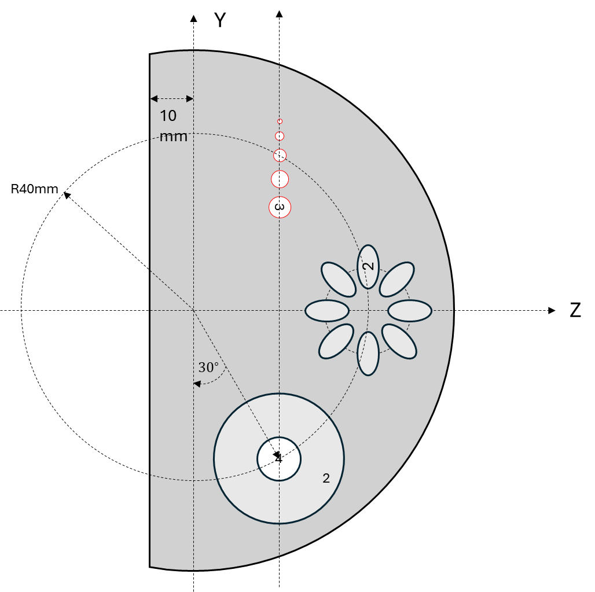

 | Breast Phantom |  |  | Breast Phantom
Object ID | Object Name | Shape | LAC | Material (XCOM) | Scale
0 | Skin (2 mm thickness) | Spherical(clipped) | 1 | Skin.mix | 1
1 | Breast Tissue | Spherical (clipped) | 0.95 | Breast(ICRU-44).mix | 1
2 | Fibroglandular | Ellipsoid | 1.03 | Fibroglandular.mix | 1
3 | Microcalcification | Spherical | 1.6 | CaCO3 | 0.3
4 | Breast tumor | Spherical (clipped) | 1.045 | Fibroglandular.mix | 1.0145631068

