Dashboard
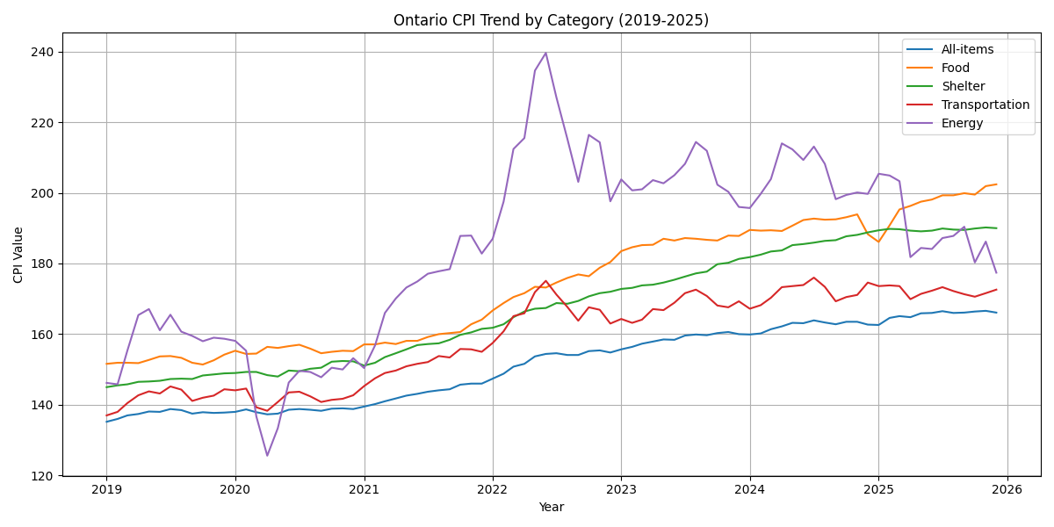
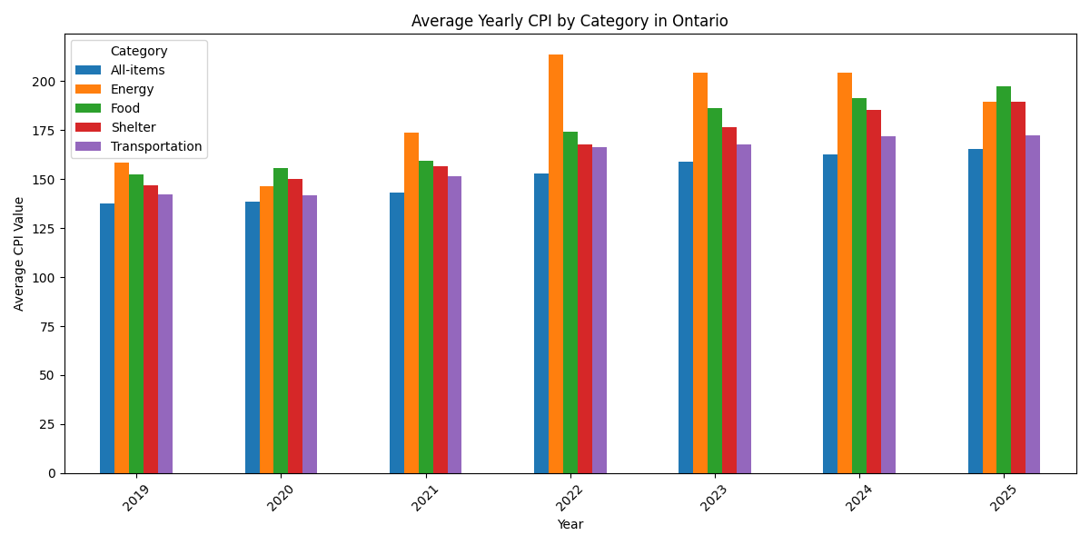
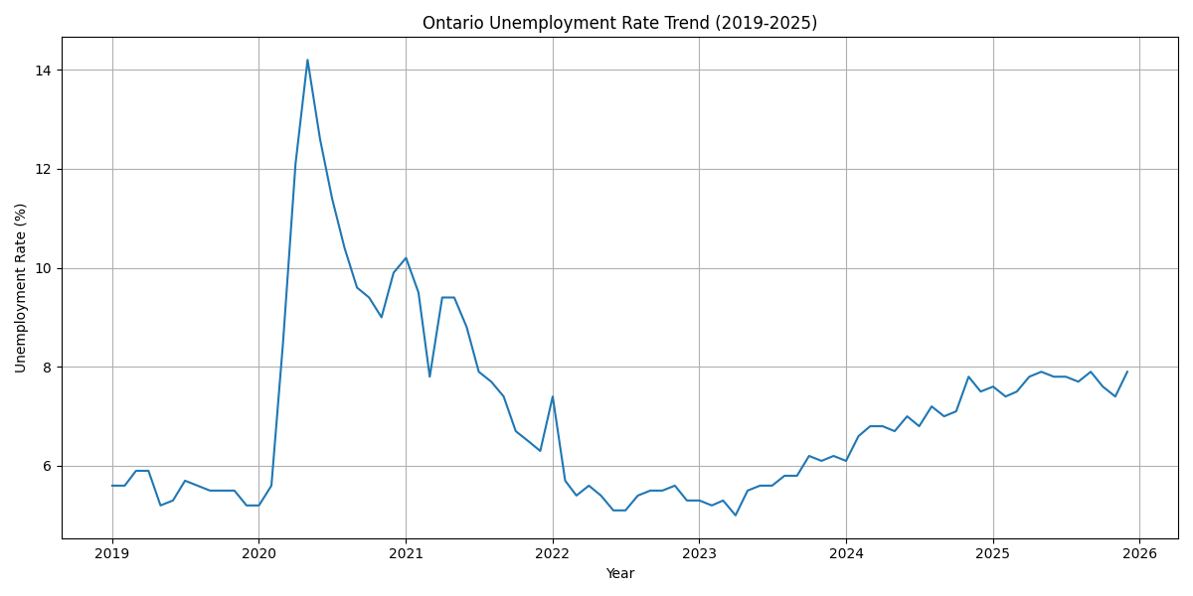
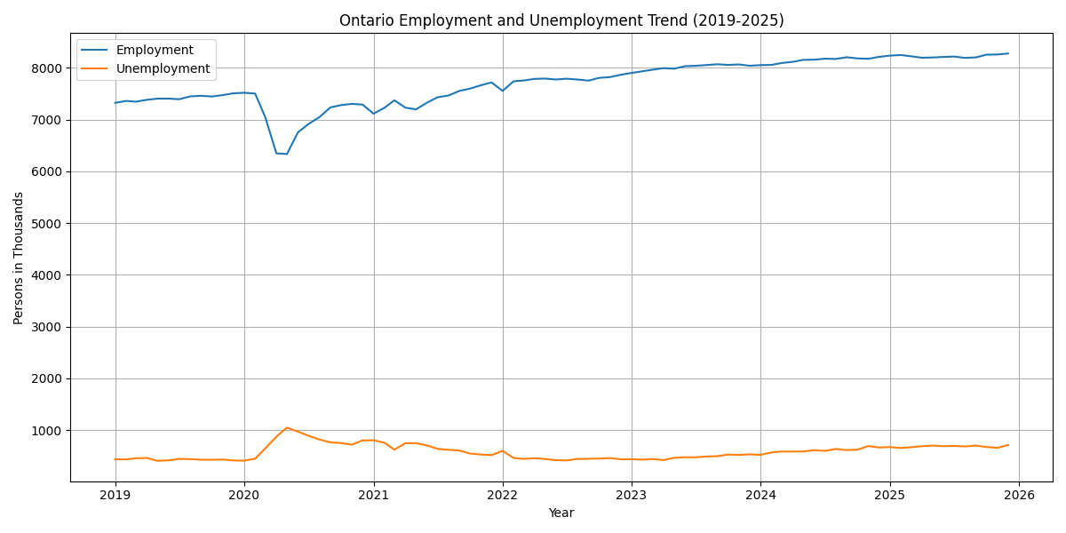
Ontario Cost of Living & Job Market Analysis

This dashboard summarizes CPI, cost-of-living categories, employment, and unemployment trends in Ontario from 2019 to 2025.

