proposed coins
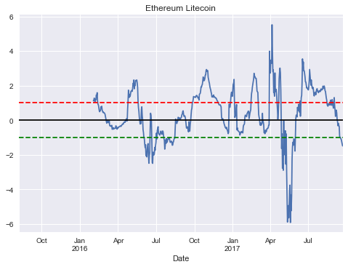
others |  |  | 1 | 2 | 4 | 5 | 7 | 8 | 10 | 13 | 14 | 15
payments pairs |  |  | 6 | 9 | 11 | 16 | 17
smart contracts pairs |  |  | 3 | 12

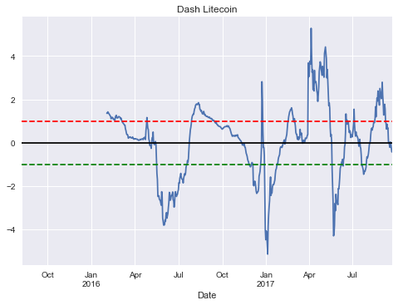
 |  | Ethereum | Dash | Litecoin | IOTA | NEO | PIVX | Verge | Vertcoin
 | Ethereum |  | 1 | 2 |  | 3 | 4 |  | 5 |  |  |  | 6 | 11
 | Dash | 1 |  | 6 | 7 | 8 | 9
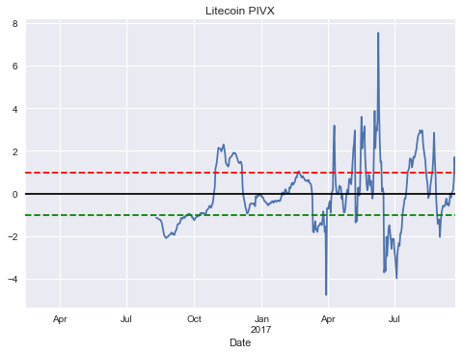
 | Litecoin | 2 | 6 |  | 10 |  | 11
 | IOTA |  | 7 | 10 |  | 12 | 13 | 14 | 15
 | NEO | 3 | 8 |  | 12
 | PIVX | 4 | 9 | 11 | 13 |  |  | 16 | 17
 | Verge |  |  |  | 14 |  | 16
 | Vertcoin | 5 |  |  | 15 |  | 17

 |  |  |  |  |  |  |  |  |  |  |  |  | 9
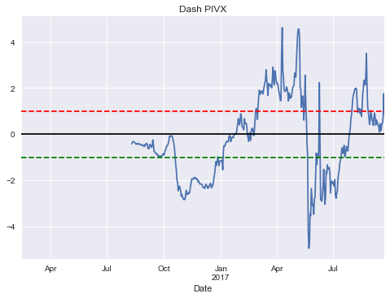

 |  |  | 1

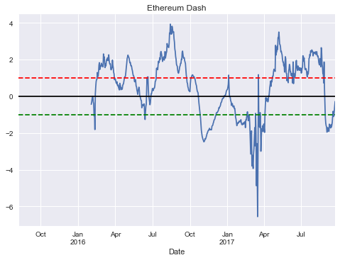

 |  |  |  |  |  |  |  |  |  |  |  |  | 3

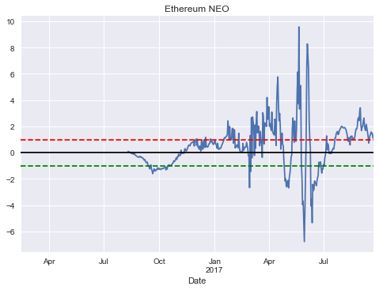

 |  |  | 2

blog
Ethereum |  |  |  |  |  |  |  |  |  |  |  |  |  |  |  |  |  |  |  |  |  |  |  |  |  |  |  |  |  | CORRECT: YOU ARE TRADING Z HERE,rather convert to original
Dash |  |  |  |  |  |  |  |  |  |  |  |  |  |  |  |  |  |  |  |  |  |  |  |  |  |  |  |  |  | YOU WANT TO DO BACKTEST
Litecoin
 |  |  |  |  |  |  |  |  |  |  |  |  |  |  |  |  |  | model: X_{t+1}=aX_{t}+b W |  |  |  |  |  |  |  |  |  | strategy: enter at 1 take at 0

 |  |  |  |  |  |  |  |  |  |  |  |  |  |  |  |  |  |  |  |  |  |  |  |  |  |  |  | trades of size 1

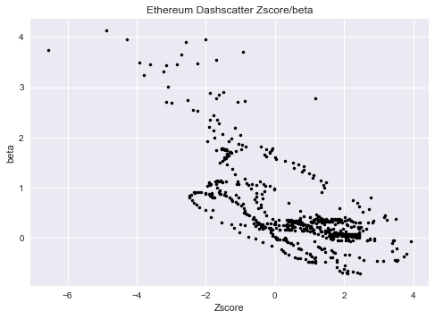
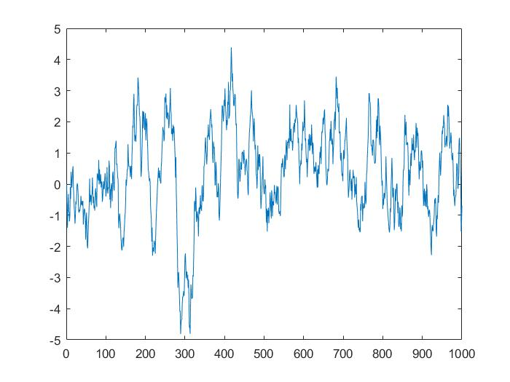

 |  |  |  |  |  |  |  |  |  |  |  |  |  |  |  |  | a | 0.9648

 |  |  |  |  |  |  |  |  |  |  |  |  |  |  |  |  | b | 0.4395

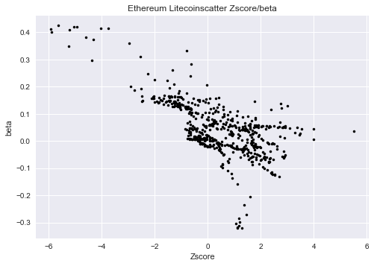
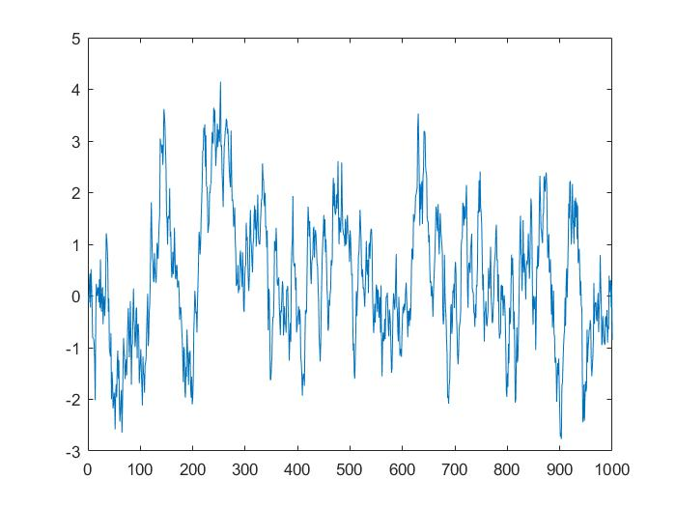

 |  |  |  |  |  |  |  |  |  |  |  |  |  |  |  |  | a | 0.9526

 |  |  |  |  |  |  |  |  |  |  |  |  |  |  |  |  | b | 0.4732

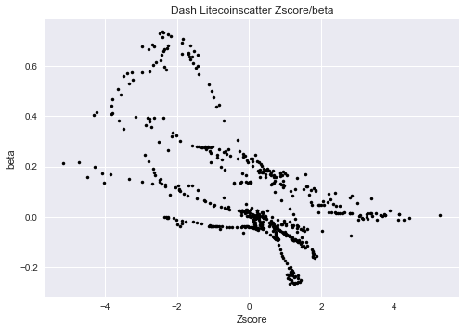
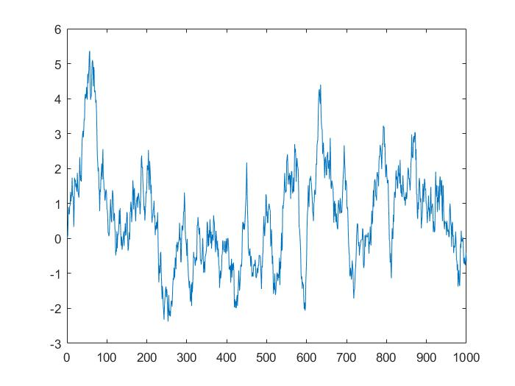

 |  |  |  |  |  |  |  |  |  |  |  |  |  |  |  |  | a | 0.9769

 |  |  |  |  |  |  |  |  |  |  |  |  |  |  |  |  | b | 0.3529

ED | -0.43645381948 | -0.33362008027 | -0.14556318502 | -0.010138688382 | -0.0064112586228 | -0.30832095135 | -0.38416180925 | -1.0617808084 | -0.92745115964 | -1.8112194859 | 0.11995896292 | 0.5071401968 | 0.79848016145 | 0.91199599721 | 0.9243395019 | 1.2958299194 | 1.0810658097 | 1.0922838111 | 1.3535290614 | 1.7138333207 | 1.8337140213 | 1.4595058095 | 1.6665537483 | 1.6019393375 | 1.7090713483 | 1.8036146811 | 1.7275520804 | 1.6488947349 | 1.6148779097 | 1.6041999299 | 2.3098395024 | 2.0876370327 | 2.1539745338 | 1.7796416121 | 1.5638498282 | 1.77812777 | 1.6573619558 | 1.9130200185 | 2.0162431371 | 1.9750807519 | 2.1033386802 | 1.9430886377 | 2.0291416831 | 2.2619771121 | 1.9461037406 | 1.7920845377 | 1.7456940353 | 1.7653140898 | 1.4680289638 | 1.4416731799 | 1.5219899656 | 1.5585492537 | 1.9720882315 | 1.6917248359 | 1.539134864 | 1.3028810386 | 1.2190262158 | 0.90186291768 | 0.95365831608 | 0.94704384977 | 0.85278449097 | 0.73377760583 | 0.69790105122 | 0.79311309569 | 0.62503330669 | 0.57522175397 | 0.61296210947 | 0.47571126437 | 0.40600078674 | 0.34602926324 | 0.71000164067 | 0.62852141152 | 0.52873414022 | 0.35955515406 | 0.46957266525 | 0.4304131595 | 0.38588314457 | 0.57346623285 | 0.65040985083 | 0.67704500027 | 0.81906360142 | 0.94573350104 | 1.049553947 | 1.0502128743 | 1.1305951872 | 1.335445402 | 1.5857874288 | 1.7836203703 | 2.0513209969 | 2.1365867446 | 2.245850659 | 2.1759779748 | 2.134862903 | 2.0559378927 | 1.9154450165 | 1.8155789213 | 1.8398255044 | 1.6725764542 | 1.6856012995 | 1.6159314679 | 1.476881542 | 1.3883429988 | 1.2453523497 | 1.1316289075 | 1.1132090536 | 1.0248022958 | 0.80455023742 | 0.79060792589 | 0.91657384666 | 0.83477458633 | 0.56749966315 | 0.52220037125 | 0.33621449442 | 0.24812220188 | 0.10667102307 | 0.32464836145 | 0.41456295397 | 0.49951274864 | 0.33445694618 | -9.84E-05 | 0.0075571604722 | -0.1166319294 | -0.21569369306 | -0.23182487308 | -0.62469321517 | -0.45195662653 | -0.46307531602 | -0.47150727617 | -0.51806502225 | -0.41227000415 | -0.42430719486 | -1.0094900631 | -1.2637256328 | -0.86071282593 | -0.54985581184 | -0.41817218606 | 0.48862204536 | 1.0266260373 | 0.72859527238 | 1.0645767966 | 0.3802864418 | 0.040895127561 | -0.1333658063 | -0.31058161953 | -0.46064924222 | -0.34950104432 | -0.060472957834 | 0.14087690865 | 0.14421415871 | 0.28873754033 | 0.43090538966 | 0.39862367321 | 0.30961437921 | 0.40469199533 | 0.44756026621 | 0.45161965831 | 0.58058905065 | 0.81447015894 | 0.84400796263 | 0.93322951242 | 1.5211933101 | 1.4955538949 | 1.5530437863 | 1.4490083389 | 1.7383489559 | 1.9097525612 | 1.8340895866 | 1.9212027861 | 2.1022879288 | 2.0045496939 | 2.3685954763 | 2.4443154747 | 2.3438450955 | 2.2178085724 | 2.0608876108 | 1.8963081548 | 2.0476415979 | 2.1102260116 | 2.1576455747 | 1.9735960945 | 2.1643647292 | 2.4407039363 | 2.0839372794 | 2.2199175676 | 2.3496838041 | 2.4390085748 | 2.8756222967 | 2.7463218818 | 2.7404742736 | 2.6773038209 | 2.6559841575 | 2.8685026124 | 3.4503125409 | 3.4181679535 | 3.9335166462 | 3.3953446245 | 3.5237996344 | 3.3899066677 | 3.8181625225 | 3.7389896306 | 3.5524069133 | 3.4745093746 | 3.5161321297 | 3.1412794804 | 2.9572378712 | 2.5747414103 | 2.4400956797 | 2.1635958176 | 2.0254492762 | 1.7490276881 | 1.6786765325 | 1.6338027991 | 1.4169073796 | 1.3071766666 | 1.2572858041 | 1.3489308037 | 1.4607204058 | 1.6096548475 | 1.6642331782 | 1.7922237725 | 1.7900660681 | 2.018714662 | 2.0042982736 | 2.3960750412 | 2.4651698068 | 2.2678182137 | 2.0905508968 | 2.0804954808 | 2.1081556601 | 1.9503355581 | 1.871958535 | 1.7855877173 | 1.4416113849 | 1.1604543728 | 1.0094425257 | 0.75448003142 | 0.70667369889 | 0.52000213109 | 0.44723462696 | 0.31854846285 | 0.30449529031 | 0.28156954092 | 0.24976517943 | 0.67856136468 | 0.92301926731 | 1.0161370267 | 1.0767214871 | 1.1325863074 | 1.1687029045 | 1.1612150417 | 1.0937510493 | 1.0649690368 | 1.0728783039 | 1.001788238 | 0.97145771112
EL | 1.1298669375 | 1.1174884261 | 1.2795575477 | 1.1814978419 | 1.0692749361 | 1.2026267313 | 1.1744121568 | 1.4567136811 | 1.3874234171 | 1.5936243043 | 1.1076222559 | 0.92625364351 | 0.88279173706 | 0.742486411 | 0.56540073626 | 0.49102594923 | 0.5540009349 | 0.55950943829 | 0.77325908645 | 0.75943137586 | 0.81126192158 | 0.59422940545 | 0.51827946394 | 0.44947459844 | 0.4686058421 | 0.43417837027 | 0.42617609648 | 0.39304146776 | 0.33798050893 | 0.20099163344 | 0.078317994978 | -0.064736397482 | -0.17042341588 | -0.11815371967 | -0.031940888763 | -0.10423425633 | -0.12902053931 | -0.14479380955 | -0.045900400583 | -0.3055509861 | -0.32629330507 | -0.3152843479 | -0.35444771634 | -0.33032428165 | -0.29344078594 | -0.52207880576 | -0.48608549659 | -0.42623008825 | -0.51747978834 | -0.46514383024 | -0.47833973972 | -0.48136686855 | -0.45351375391 | -0.45670279006 | -0.32182432348 | -0.44296142152 | -0.49417363419 | -0.51466935538 | -0.42036559143 | -0.45050637698 | -0.40066382689 | -0.386586314 | -0.38014636463 | -0.36632370136 | -0.33427333243 | -0.32665526022 | -0.3582049599 | -0.32178083583 | -0.27937272735 | -0.24163077831 | -0.2114251201 | -0.22782635747 | -0.20802369584 | -0.12241252946 | -0.11801745134 | -0.093384435357 | -0.11982788996 | -0.0059391570763 | -0.018420361494 | 0.084367547219 | -0.035458701223 | -0.043935228254 | 0.63517449433 | 1.0825077599 | 1.7393277139 | 1.5167032335 | 1.315093402 | 1.4865524785 | 1.3762877062 | 1.5281869702 | 1.6714646041 | 1.6769661272 | 1.7168920579 | 1.6678872958 | 1.830556445 | 2.1333606493 | 2.1180816352 | 2.3284343944 | 1.814931855 | 2.0283488747 | 1.9983601578 | 2.2906000232 | 2.3068490077 | 2.303525732 | 2.3241648195 | 2.1519954125 | 1.902100118 | 1.1023867934 | 0.72663827714 | 0.5267047983 | 0.17597417736 | -0.024995770224 | -0.21716983582 | -0.12693166628 | -0.19824726595 | 0.61790041801 | 0.77560507013 | 0.27492472451 | 0.025519144847 | -0.54374929289 | -0.71123118642 | -1.0238813371 | -1.052600965 | -1.3702888674 | -1.576870775 | -1.4160946782 | -2.0461058684 | -2.0534923458 | -2.1172752811 | -1.6607180238 | -1.4314659828 | -1.3498254668 | -2.0402216543 | -2.4849309104 | -2.0615389523 | -1.8414978945 | -0.55312521116 | 0.40540847348 | 0.29317669365 | -0.057517976563 | -1.1333361676 | -2.4459806901 | -2.4909835877 | -1.847603963 | -1.8587243454 | -2.0102438593 | -1.9077831174 | -1.5672971379 | -1.7334208948 | -1.4637094121 | -1.2738345392 | -0.74220296364 | -1.0877093109 | -0.59440968879 | -0.48150109241 | -0.37353741514 | -0.74978143381 | -0.80048042404 | -0.82019948912 | -0.86148295424 | -0.76245271557 | -0.65343620078 | -0.62878691359 | -0.75844112023 | -0.81497693259 | -0.78654708814 | -0.61567001186 | -0.6676384271 | -0.86018631161 | -1.0616760095 | -1.1539793071 | -1.6715930445 | -1.490478541 | -1.1314796329 | -1.3420548186 | -1.0586804517 | -1.2686842454 | -1.2503611416 | -1.1061380926 | -1.0771158196 | -1.0409431884 | -1.0716603228 | -0.99818158332 | -1.1690709263 | -1.2729668714 | -1.2792499502 | -1.2264942533 | -1.2050526229 | -1.2459720527 | -1.4442246784 | -1.4352285717 | -1.2846246483 | -1.2335139932 | -1.1012134409 | -1.0637263543 | -1.0407885824 | -0.46918113844 | 0.067728786258 | -0.11880961053 | -0.11570840881 | -0.18753560327 | -0.050737103854 | -0.055503227615 | 0.17027947209 | 0.154880981 | 0.11055955478 | 0.13783305821 | 0.052726379954 | 0.074811994256 | 0.091864667188 | 0.15656956217 | 0.17920047019 | 0.32309617871 | 0.3549337851 | 0.49960414138 | 0.54420610752 | 0.34797669273 | 0.22642112134 | 0.24042774718 | 0.25586103681 | 0.17390068991 | 0.018968756099 | -0.20393966283 | -0.44846452055 | -0.45094147292 | -0.38026095696 | -0.40066192748 | -0.59046820054 | -0.67107564156 | -0.086254099392 | -0.62591930835 | -0.62632205731 | -0.21827453352 | -0.046374349057 | 0.29430756528 | 0.59181262732 | 0.68278454385 | 1.0012704214 | 1.04622168 | 1.1852159121 | 1.3702155969 | 1.3454263685 | 1.3365669828 | 1.3437452888 | 1.3273628996 | 1.3163715369 | 1.4133270549 | 1.4321185675 | 1.4267920734 | 1.3810579863 | 1.3234229746 | 1.2835392913 | 1.3149296006 | 1.1672577526 | 1.4979743611
DL | 1.359879899 | 1.3545483216 | 1.4237001531 | 1.4017898769 | 1.3483276911 | 1.3264790006 | 1.2838933855 | 1.2517443157 | 1.2142953103 | 1.1047445964 | 1.1670639839 | 1.1559533747 | 1.1703783365 | 1.1264892953 | 1.0773565463 | 1.0897413113 | 1.0553185605 | 1.0511528 | 1.1849768878 | 1.2427788874 | 1.2679314106 | 1.1516128292 | 1.1481552418 | 1.1422619528 | 1.1918057444 | 1.209178185 | 1.2010598953 | 1.1880325001 | 1.1564812352 | 1.0981117875 | 1.1308100905 | 1.0319807983 | 0.98484175971 | 0.9375935721 | 0.91155347668 | 0.88312746698 | 0.84791811956 | 0.81928992118 | 0.8111430856 | 0.64794635623 | 0.57021107119 | 0.45156222034 | 0.37517667522 | 0.37518512695 | 0.35280531149 | 0.21053611066 | 0.22456706578 | 0.26278084288 | 0.2583494469 | 0.27133406222 | 0.24972472869 | 0.22201193742 | 0.22057754331 | 0.2206656019 | 0.26734495196 | 0.21014036311 | 0.1768161655 | 0.16446843527 | 0.19428284943 | 0.17312257142 | 0.18676019617 | 0.18189076679 | 0.16919036468 | 0.1618010615 | 0.16308775221 | 0.14733906358 | 0.1169020551 | 0.11390160919 | 0.12184449207 | 0.12788699739 | 0.16337780238 | 0.14778876348 | 0.14931884945 | 0.17588713013 | 0.17614331234 | 0.17407969428 | 0.14279641008 | 0.21423346374 | 0.20632690108 | 0.25048449426 | 0.17390402883 | 0.15027189568 | 0.55759093861 | 0.78494970141 | 1.1651277656 | 0.88205804114 | 0.66457604297 | 0.61205333305 | 0.16605168648 | 0.10029821411 | -0.11903877861 | -0.097002030778 | -0.14487874429 | -0.26189734398 | -0.019201568964 | 0.22654748676 | 0.22925566871 | 0.4942699309 | -0.030836591523 | -0.051557979655 | -0.089523104565 | 0.034391929832 | 0.057694655977 | -0.083783162515 | -0.7150229725 | -1.4149385683 | -1.6900674638 | -2.4785100915 | -2.4680218035 | -2.4461849969 | -2.597440282 | -2.63975857 | -2.6659395605 | -2.7840573345 | -2.88402729 | -2.2577428809 | -2.4919395803 | -3.4713659179 | -3.6154680377 | -3.7992102938 | -3.802082437 | -3.7764116949 | -3.5578847648 | -3.6295170525 | -3.3197379029 | -3.2211415674 | -3.4782065503 | -3.3787171418 | -3.2598798976 | -2.9778097439 | -2.756485496 | -2.2876421347 | -2.3478395101 | -2.6559788537 | -2.587295154 | -2.441523478 | -2.435723439 | -2.3804816669 | -2.2694271852 | -2.6396148984 | -2.6730440945 | -2.9708756145 | -2.7807112837 | -2.3422090772 | -2.2561849497 | -2.4089804949 | -2.4779731497 | -2.3948293391 | -2.3821517477 | -2.2527486677 | -2.1632932928 | -1.8417429836 | -1.8702315732 | -1.6295165772 | -1.5283888803 | -1.4129841907 | -1.5918535996 | -1.6606813842 | -1.6908578398 | -1.6907678613 | -1.8556636051 | -1.6401437334 | -1.5449414525 | -1.4315093416 | -1.4865178725 | -1.4018454987 | -1.1234711635 | -1.0376830814 | -0.9830520314 | -0.8256229512 | -0.91093061874 | -0.71761722525 | -0.31118854817 | 0.090563452592 | 0.36072837647 | 0.59157019247 | 0.71012686304 | 0.87981489123 | 1.1044599952 | 1.220642072 | 1.281844514 | 1.3157252038 | 1.3121418765 | 1.4608818306 | 1.5675303505 | 1.6162963436 | 1.7309147298 | 1.7663916371 | 1.7893243938 | 1.7702153052 | 1.7577410931 | 1.8091107572 | 1.850399528 | 1.7669006692 | 1.76634979 | 1.5467944654 | 1.5285674148 | 1.4546874333 | 1.4922590628 | 1.4133610769 | 1.3450506543 | 1.3237890318 | 1.3742769906 | 1.4476087822 | 1.3698854272 | 1.2769718959 | 1.3035674941 | 1.2443133059 | 1.2333405135 | 1.2094700999 | 1.2228097982 | 1.214403696 | 1.1796385102 | 1.159442831 | 1.1649429114 | 1.1883353433 | 1.1402595505 | 1.1183330183 | 1.1154168932 | 1.1247856525 | 1.0908940866 | 1.0881063067 | 1.0204394237 | 1.0277206089 | 1.0352429514 | 1.0078111567 | 0.96543075447 | 0.92889328844 | 0.9103596648 | 0.97903019281 | 0.8656783029 | 0.84480532858 | 0.83065603792 | 0.78318204411 | 0.77837864638 | 0.76025312201 | 0.74795565791 | 0.7508123556 | 0.73355240652 | 0.69725119133 | 0.6734846727 | 0.63991172358 | 0.62668037966 | 0.65474042206 | 0.67874007518 | 0.69357173128 | 0.72667484174 | 0.73625517757 | 0.74397344291 | 0.74195361126 | 0.75179863561 | 0.77570171608 | 0.7898185591 | 0.73582427518 | 0.77201846282

