tc
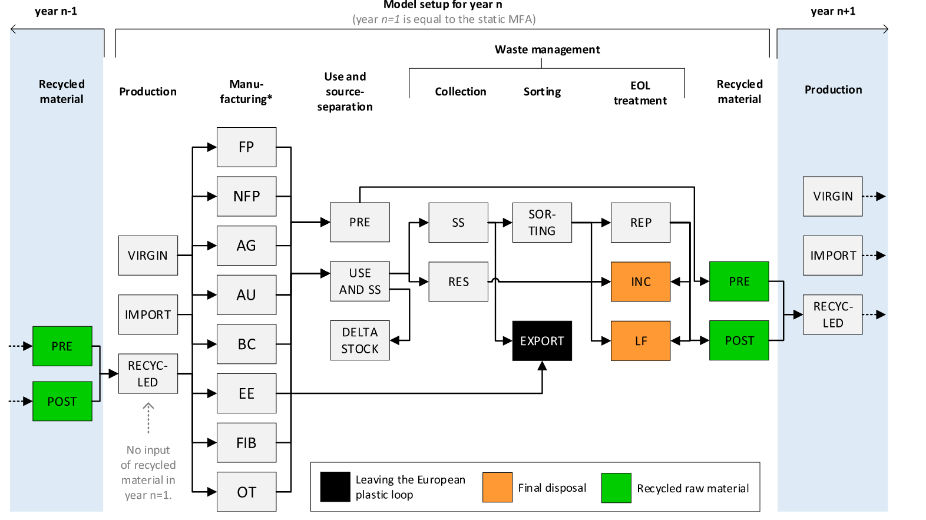
Flow | From process | To process | Food packaging 2d | Food packaging bottles | Food packaging other | Non-food packaging 2d | Non-food packaging bottles | Non-food packaging other | Fibers
1 | Production | Manufacturing | 1.00 | 1.00 | 1.00 | 1.00 | 1.00 | 1.00 | 1.00
2 | Manufacturing | Use | 0.84 | 0.84 | 0.84 | 0.84 | 0.84 | 0.84 | 0.93
3 | Manufacturing | Pre recycled material | 0.08 | 0.08 | 0.08 | 0.08 | 0.08 | 0.08 | 0.07
4 | Manufacturing | Export | 0.08 | 0.08 | 0.08 | 0.08 | 0.08 | 0.08 | 0.00
5 | Use | Collection - source separation | 0.70 | 0.58 | 0.55 | 0.70 | 0.58 | 0.55 | 0.50
6 | Use | Collection - residual | 0.30 | 0.42 | 0.45 | 0.30 | 0.42 | 0.45 | 0.50
7 | Collection - source separation | Sorting | 0.71 | 0.71 | 0.71 | 0.71 | 0.71 | 0.71 | 0.91
8 | Collection - source separation | Export | 0.29 | 0.29 | 0.29 | 0.29 | 0.29 | 0.29 | 0.09
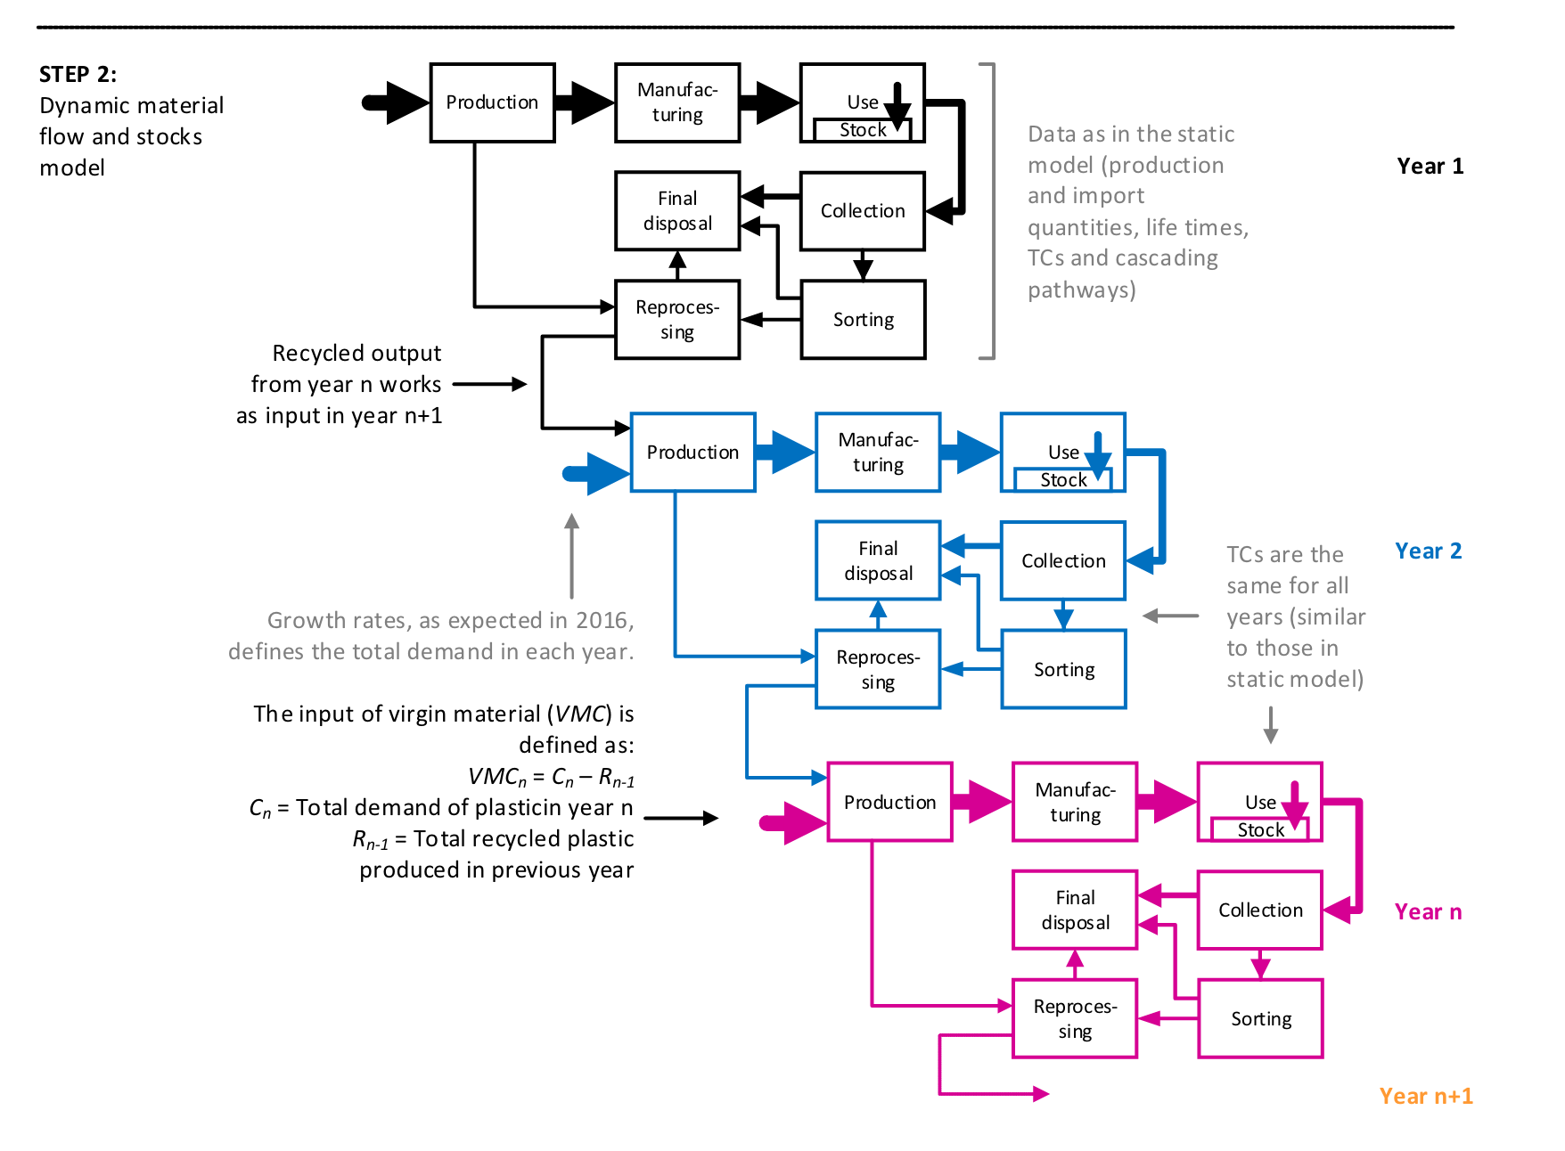
9 | Collection - residual | Landfill | 0.40 | 0.40 | 0.40 | 0.40 | 0.40 | 0.40 | 0.40
10 | Collection - residual | Incineration | 0.60 | 0.60 | 0.60 | 0.60 | 0.60 | 0.60 | 0.60
11 | Sorting | Landfill | 0.17 | 0.07 | 0.30 | 0.17 | 0.07 | 0.30 | 0.40
12 | Sorting | Incineration | 0.25 | 0.10 | 0.46 | 0.25 | 0.10 | 0.46 | 0.60
13 | Sorting | Reprocessing | 0.58 | 0.83 | 0.24 | 0.58 | 0.83 | 0.24 | 0.00
14 | Reprocessing | Landfill | 0.09 | 0.07 | 0.09 | 0.09 | 0.07 | 0.09 | 0.00
15 | Reprocessing | Incineration | 0.14 | 0.10 | 0.14 | 0.14 | 0.10 | 0.14 | 0.00
16 | Reprocessing | Post recycled material | 0.78 | 0.83 | 0.78 | 0.78 | 0.83 | 0.78 | 0.00
17 | Landfill | Final disposal | 1.00 | 1.00 | 1.00 | 1.00 | 1.00 | 1.00 | 1.00
18 | Incineration | Final disposal | 1.00 | 1.00 | 1.00 | 1.00 | 1.00 | 1.00 | 1.00

production
Product | 1991 | 1992 | 1993 | 1994 | 1995 | 1996 | 1997 | 1998 | 1999 | 2000 | 2001 | 2002 | 2003 | 2004 | 2005 | 2006 | 2007 | 2008 | 2009 | 2010 | 2011 | 2012 | 2013 | 2014 | 2015 | 2016 | 2017 | 2018 | 2019 | 2020 | 2021 | 2022 | 2023 | 2024 | 2025 | 2026 | 2027 | 2028 | 2029 | 2030
Food packaging 2d | 85 | 87 | 85 | 92 | 91 | 95 | 102 | 107 | 113 | 120 | 125 | 87 | 100 | 104 | 112 | 125 | 172 | 168 | 178 | 138 | 151 | 148 | 158 | 166 | 172 | 183 | 188 | 195 | 198 | 203 | 208 | 214 | 219 | 224 | 230 | 236 | 242 | 248 | 254 | 260
Food packaging bottles | 290 | 296 | 290 | 312 | 310 | 322 | 346 | 363 | 383 | 409 | 427 | 296 | 338 | 354 | 380 | 426 | 583 | 572 | 606 | 469 | 514 | 502 | 538 | 563 | 586 | 622 | 638 | 664 | 674 | 690 | 707 | 724 | 741 | 759 | 777 | 796 | 815 | 835 | 855 | 875
Food packaging other | 580 | 592 | 580 | 625 | 620 | 643 | 693 | 726 | 766 | 818 | 853 | 593 | 677 | 707 | 761 | 852 | 1167 | 1143 | 1212 | 937 | 1029 | 1005 | 1076 | 1127 | 1171 | 1243 | 1276 | 1327 | 1349 | 1397 | 1447 | 1500 | 1553 | 1609 | 1667 | 1727 | 1790 | 1854 | 1921 | 1990
Non-food packaging 2d | 68 | 70 | 68 | 73 | 73 | 76 | 82 | 85 | 90 | 96 | 100 | 70 | 80 | 83 | 90 | 100 | 137 | 134 | 143 | 110 | 121 | 118 | 127 | 133 | 138 | 146 | 150 | 156 | 159 | 163 | 167 | 171 | 175 | 180 | 184 | 189 | 193 | 198 | 203 | 208
Non-food packaging bottles | 443 | 452 | 443 | 478 | 474 | 492 | 530 | 555 | 586 | 625 | 652 | 453 | 518 | 541 | 582 | 651 | 892 | 874 | 927 | 717 | 787 | 768 | 823 | 862 | 896 | 951 | 976 | 1015 | 1031 | 1056 | 1081 | 1107 | 1134 | 1161 | 1189 | 1217 | 1247 | 1277 | 1307 | 1339
Non-food packaging other | 222 | 226 | 222 | 239 | 237 | 246 | 265 | 278 | 293 | 313 | 326 | 227 | 259 | 270 | 291 | 326 | 446 | 437 | 463 | 358 | 393 | 384 | 411 | 431 | 448 | 475 | 488 | 508 | 516 | 534 | 553 | 573 | 594 | 615 | 638 | 660 | 684 | 709 | 734 | 761
Fibers | 839 | 879 | 922 | 966 | 1012 | 1061 | 1112 | 1165 | 1221 | 1280 | 1341 | 1405 | 1473 | 1543 | 1618 | 1695 | 1777 | 1862 | 1951 | 2045 | 2143 | 2246 | 2354 | 2467 | 2585 | 2585 | 2585 | 2585 | 2585 | 2709 | 2839 | 2975 | 3118 | 3268 | 3425 | 3589 | 3761 | 3942 | 4131 | 4330

