tc
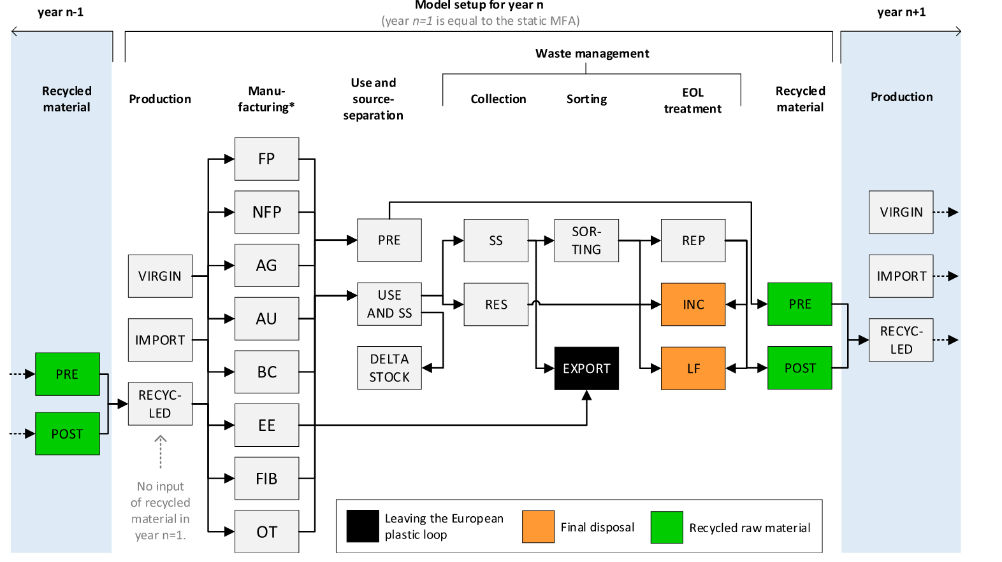
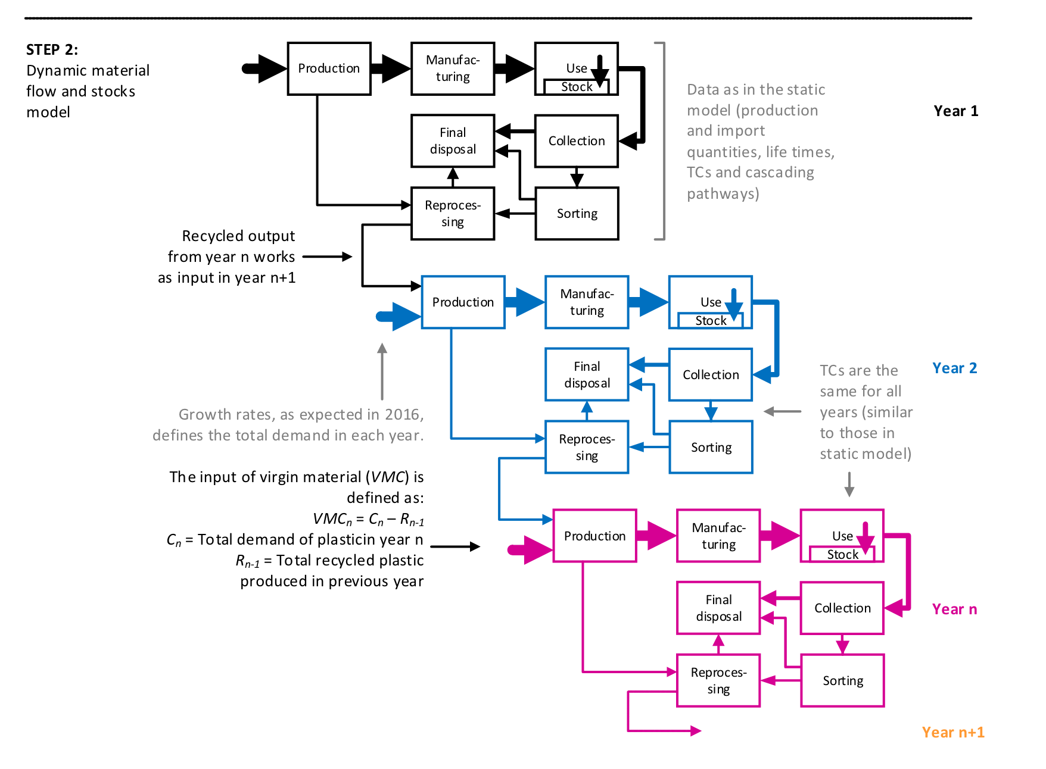
Flow | From process | To process | Food packaging 2d | Food packaging bottles | Food packaging other | Non-food packaging 2d | Non-food packaging bottles | Non-food packaging other | Fibers
1 | Production | Manufacturing | 1.00 | 1.00 | 1.00 | 1.00 | 1.00 | 1.00 | 1.00
2 | Manufacturing | Use | 0.84 | 0.84 | 0.84 | 0.84 | 0.84 | 0.84 | 0.93
3 | Manufacturing | Pre recycled material | 0.08 | 0.08 | 0.08 | 0.08 | 0.08 | 0.08 | 0.07
4 | Manufacturing | Export | 0.08 | 0.08 | 0.08 | 0.08 | 0.08 | 0.08 | 0.00
5 | Use | Collection - source separation | 0.70 | 0.58 | 0.55 | 0.70 | 0.58 | 0.55 | 0.50
6 | Use | Collection - residual | 0.30 | 0.42 | 0.45 | 0.30 | 0.42 | 0.45 | 0.50
7 | Collection - source separation | Sorting | 0.71 | 0.71 | 0.71 | 0.71 | 0.71 | 0.71 | 0.91
8 | Collection - source separation | Export | 0.29 | 0.29 | 0.29 | 0.29 | 0.29 | 0.29 | 0.09
9 | Collection - residual | Landfill | 0.40 | 0.40 | 0.40 | 0.40 | 0.40 | 0.40 | 0.40
10 | Collection - residual | Incineration | 0.60 | 0.60 | 0.60 | 0.60 | 0.60 | 0.60 | 0.60
11 | Sorting | Landfill | 0.17 | 0.07 | 0.30 | 0.17 | 0.07 | 0.30 | 0.07
12 | Sorting | Incineration | 0.25 | 0.10 | 0.46 | 0.25 | 0.10 | 0.46 | 0.10
13 | Sorting | Reprocessing | 0.58 | 0.83 | 0.24 | 0.58 | 0.83 | 0.24 | 0.83
14 | Reprocessing | Landfill | 0.09 | 0.07 | 0.09 | 0.09 | 0.07 | 0.09 | 0.07
15 | Reprocessing | Incineration | 0.14 | 0.10 | 0.14 | 0.14 | 0.10 | 0.14 | 0.10
16 | Reprocessing | Post recycled material | 0.78 | 0.83 | 0.78 | 0.78 | 0.83 | 0.78 | 0.83
17 | Landfill | Final disposal | 1.00 | 1.00 | 1.00 | 1.00 | 1.00 | 1.00 | 1.00
18 | Incineration | Final disposal | 1.00 | 1.00 | 1.00 | 1.00 | 1.00 | 1.00 | 1.00

