ColorReferenceTable
ColorCode | Catelogue | Color | General Category (based on key) | ReferenceKey | Caldwell Count | Messier Count
13421772 | CALDWELL | Dark Grey | Dark Nebula | 13421772|CALDWELL | 1 | 0
13421823 | CALDWELL | Salmon | Diffuse Nebula | 13421823|CALDWELL | 9 | 0
13434879 | CALDWELL | Light Yellow | Galaxy | 13434879|CALDWELL | 35 | 0
11920639 | CALDWELL | Orange | Globular Cluster | 11920639|CALDWELL | 18 | 0
16772846 | CALDWELL | Light Purple | Open Cluster | 16772846|CALDWELL | 32 | 0
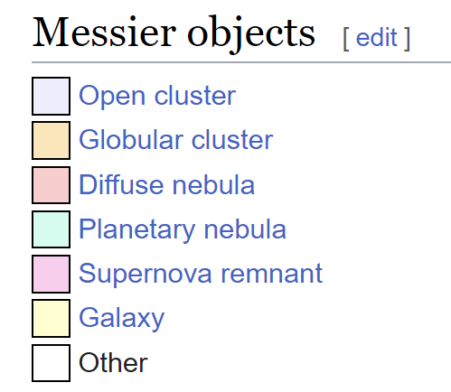
15663052 | CALDWELL | Teal | Planetary Nebula | 15663052|CALDWELL | 13 | 0
15650047 | CALDWELL | Pink | Supernova Remnant | 15650047|CALDWELL | 2 | 0
15650047 | MESSIER | Pink | Supernova Remnant | 15650047|MESSIER | 0 | 1
11920639 | MESSIER | Orange | Globular Cluster | 11920639|MESSIER | 0 | 29
16772846 | MESSIER | Light Purple | Open Cluster | 16772846|MESSIER | 0 | 25
13421823 | MESSIER | Salmon | Diffuse Nebula | 13421823|MESSIER | 0 | 7
15663052 | MESSIER | Teal | Planetary Nebula | 15663052|MESSIER | 0 | 4
13434879 | MESSIER | Light Yellow | Galaxy | 13434879|MESSIER | 0 | 40
16447992 | MESSIER | Light Grey | Other | 16447992|MESSIER | 0 | 4

