ELISA_data
PGE2
 | 1 uM | 20 uM
C- |  | 3%
C+ |  | 100%
KC | 61% | 8%
X75 | 14% | 5%
X37 | 107% | 36%
X44 |  | 21%
X42 | 20% | 5%
X35 |  | 50%
AP1 PRETEST PGE2 ELISA
2026-09-10
1:10 Sample Dilution
(90+10) |  |  |  |  |  |  |  |  |  |  |  |  |  |  |  |  |  |  |  | 1 uM | 20 uM
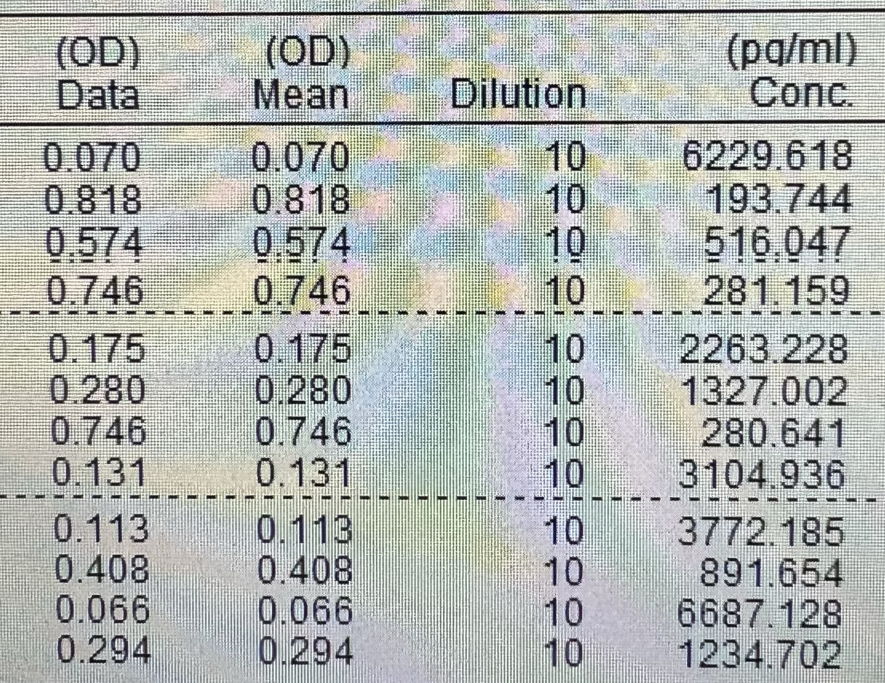
 |  |  | 1 | 2 | 3 | 4 | 5 | 6 | 7 | 8 | 9 | 10 | 11 | 12 |  |  |  |  | C- |  | 3% | 194 | 194
 |  | A | 1000 | Blk | C- |  |  |  |  |  |  |  |  |  |  |  |  |  | C+ |  | 100% | 6230 | 6230
 |  | B | 500 | NSB | C+ |  |  |  |  |  |  |  |  |  |  |  |  |  | KC | 61% | 8% | 516 | 3772
 |  | C | 250 | B0 | KC |  |  |  |  |  |  |  |  |  |  |  |  |  | X75 | 14% | 5% | 281 | 892
 |  | D | 125 | TA | X75 |  |  |  |  |  |  |  |  |  |  |  |  |  | X37 | 107% | 36% | 2263 | 6687
 |  | E | 62.5 | KC | X37 |  |  |  |  |  |  |  |  |  |  |  |  |  | X44 |  | 21% | 1327 | 1235
 |  | F | 31.25 | X75 | X44 |  |  |  |  |  |  |  |  |  |  |  |  |  | X42 | 20% | 5% | 281
 |  | G | 16.125 | X37 | X42 |  |  |  |  |  |  |  |  |  |  |  |  |  | X35 |  | 50% | 3105
 |  | H | 0 | X42 | X35
 |  |  |  | (1 uM) | (20 uM)
 |  |  |  | #2 | #2

 |  |  |  |  |  |  |  | C- & C+ switched! |  |  |  |  |  | time gradient (PGE2 @ RT): about 60 mins -> less PGE2 in C+ than real (estimated less than 1%)
AP1 #1/2 PGE2 ELISA |  |  |  |  |  |  |  |  |  |  |  |  |  | after about 1 hour at RT
2026-09-10 |  |  |  |  |  |  |  |  |  |  |  |  |  | C- only about 20-30 ul!
1:10 Sample Dilution |  |  |  |  |  |  |  |  |  |  |  |  |  | (probably cause didnt centrifuge so originals should be fine)
(90+10) |  |  |  |  |  |  |  |  |  |  |  |  |  |  | <50 ul (maybe 30…??)
 |  |  | 1 | 2 | 3 | 4 | 5 | 6 | 7 | 8 | 9 | 10 | 11 | 12 | 13 | 14
 |  | A | 1000 | 1000 | Blk | C- #1 | C- #2 | 0.01 | 0.1 | 1 | 5 | 10 | 20 |  |  |  | 42 #1 | Eppis
 |  | B | 500 | 500 | Blk | C+ #1 | C+ #2 | 0.01 | 0.1 | 1 | 5 | 10 | 20 |  |  |  | 42 #2 | Tracer | 3550
 |  | C | 250 | 250 | NSB | 0.01 | 0.01 | 0.01 | 0.01 | 0.01 | 0.01 | 0.01 | 0.01 | 0.01 | 0.01 | C+IL new |  | Antibody
 |  | D | 125 | 125 | NSB | 0.1 | 0.1 | 0.1 | 0.1 | 0.1 | 0.1 | 0.1 | 0.1 | 0.1 | 0.1 |  |  | Wash Buffer | 124250
 |  | E | 62.5 | 62.5 | B0 | 1 | 1 | 1 | 1 | 1 | 1 | 1 | 1 | 1 | 1 |  |  | Ellmans | 14200
 |  | F | 31.25 | 31.25 | B0 | 5 | 5 | 5 | 5 | 5 | 5 | 5 | 5 | 5 | 5
 |  | G | 16.125 | 16.125 | B0 | 10 | 10 | 10 | 10 | 10 | 10 | 10 | 10 | 10 | 10
 |  | H | 0 | 0 | TA | 20 | 20 | 20 | 20 | 20 | 20 | 20 | 20 | 20 | 20
 |  |  |  |  |  | KC #1 | KC #2 | X37 #1 | X37 #2 | X44 #1 | X44 #2 | X75 #1 | X75 #2 | X35 #1 | X35 #2
 |  |  |  |  |  |  | H5 a bit less antibody
 |  |  |  |  |  |  |  |  |  |  |  |  |  | *measure 13&14 in quick sucession, switch with 11&12

 |  |  | Rep1 | Rep2
 | C- |  | 0 | 0 |  | 18.729 | 0 | 5480.849 | 4820.411 | 1019.025 | 239.288 | 91.004 | 78.682 |  |  | 7264 |  |  | 0
 | C+ |  | 9339 | 8335 |  | 6494.647 | 6445.399 | 5759.523 | 4647.891 | 1513.155 | 191.435 | 122.902 | 114.422 |  |  | 0 |  |  | 8837 | 1
 | 0.01 |  | 10600 | 11300 |  | 6532.184 | 5352.772 | 7314.305 | 5404.724 | 8014.294 | 6237.144 | 4850.519 | 3683.596 | 9120.133 | 8161 | 0 |  |  | 10950 | 1.2391082947
 | 0.1 |  | 8862 | 9888 |  | 7115.509 | 4828.828 | 3907.268 | 4887.498 | 4605.336 | 4139.502 | 2426.429 | 2398.643 | 7909.04 | 5669 | 5588 |  |  | 9375 | 1.0608803893
 | 1 |  | 8632 | 12600 |  | 4141.624 | 3909.391 | 4383.031 | 7512.8 | 4264.396 | 5870.933 | 540.233 | 944.072 | 8477.951 | 9107 |  |  |  | 10616 | 1.2013126627
 | 5 |  | 7795 | 4850 |  | 1769.659 | 876.988 | 4190.33 | 5302.173 | 4927.787 | 4523.141 | 300.969 | 305.666 | 6428.582 | 3922 |  |  |  | 6322.5 | 0.71545773453
 | 10 |  | 3756 | 3385 |  | 1385.587 | 405.211 | 2786.317 | 3742.698 | 3389.959 | 3699.783 | 76.91 | 222.463 | 3093.084 | 2239 |  |  |  | 3570.5 | 0.40403983252
 | 20 |  | 2836 | 4531 |  | 209.722 | 485.785 | 2044.378 | 2215.273 | 1742.056 | 1881.492 | 154.316 | 190.45 | 2393.178 | 3100 |  |  |  | 3683.5 | 0.41682697748

 |  |  |  |  | Replikate | 2 | 1 | Summe
 |  |  |  |  |  | 9 | 29 | 47

 |  |  |  |  | first 50 ul Tracer, then 50 ul ELISA Bfr -> removed |  |  |  | X44 1_4 less cells

AP1 #3/4 PGE2 ELISA |  |  | 1 | 2 | 3 | 4 | 5 | 6 | 7 | 8 | 9 | 10
2026-09-21 |  | A | 1000 | 1000 | Blk | C-_#3 | 10 | 20 | 20 | 20 | 0.1 | Blk
1:10 Sample Dilution |  | B | 500 | 500 | Blk | C+_#3 | 10_#4 | 0.01 | 0.01 | 0.01 | 1 | Blk
(90+10) |  | C | 250 | 250 | NSB | 0.01 | 20 | 0,01_#4 | 0,01_#4 | 0.1 | 5 | Blk
 |  | D | 125 | 125 | NSB | 0.1 | 0.01 | 0.1 | 0.1 | 1 | 10 | Blk
 |  | E | 62.5 | 62.5 | B0 | 0,1_#4 | 0.1 | 1 | 1 | 5 | 20 | Blk
 |  | F | 31.25 | 31.25 | B0 | 1 | 1 | 1_#4 | 1_#4 | 10 | C-_#4 | Blk
 |  | G | 16.125 | 16.125 | B0 | 5 | 5 | 5 | 5 | 20 | C+_#4 | Blk
 |  | H | 0 | 0 | TA | 5_#4 | 10 | 10 | 10 | 0.01 |  | Blk |  | IL_#3_2

 |  |  | NEW | OLD | NEW | OLD | NEW | OLD | NEW | OLD | NEW | OLD

 |  |  |  |  |  | KIT C | X24475 | X24437 | X24444 | X24442 | X24435

 |  |  |  |  |  | 0 | 2301.169 | 0 | 3649.659 | 2269.301 | 4833.808
 |  |  |  |  |  | 9677.496 | 2053.911 | 9578.137 | 10900 | 4920.285 | 4286.738
 |  |  |  |  |  | 6832.024 | 592.778 | 9588.53 | 11000 | 4332.925 | 2847.412
 |  |  |  |  |  | 5502.515 | 3757.725 | 7664.526 | 11300 | 4711.136 | 2412.054
 |  |  |  |  |  | 5558.847 | 4032.805 | 8274.196 | 8803.629 | 295.194 | 1998.592
 |  |  |  |  |  | 6534.36 | 570.16 | 8643.157 |  | 92.681 | 198.432 |  | 11200
 |  |  |  |  |  | 4238.463 | 177.462 | 4324.819 | 4575.261 | 53.769 | 10100
 |  |  |  |  |  | 4198.616 | 0 | 3962.018 | 4267.677 | 6293.652 |  |  | 9782.261

 |  |  |  |  |  | 1 | 2
 |  |  |  |  |  | C- | C-
 |  |  |  |  |  | C+ | C+
 |  |  |  |  |  | 0.01 | 0.01
 |  |  |  |  |  | 0.1 | 0.1
 |  |  |  |  |  | 1 | 1
 |  |  |  |  |  | 5 | 5
 |  |  |  |  |  | 10 | 10
 |  |  |  |  |  | 20 | 20

 |  |  |  |  |  | 0 | 0
 |  |  |  |  |  | 9339 | 8335
 |  |  |  |  |  | 10600 | 11300
 |  |  |  |  |  | 8862 | 9888
 |  |  |  |  |  | 8632 | 12600
 |  |  |  |  |  | 7795 | 4850
 |  |  |  |  |  | 3756 | 3385
 |  |  |  |  |  | 2836 | 4531

